Sheet1
25 (℃) | 25 (℃) | 40 (℃) | 40 (℃) | 50 (℃) | 50 (℃) | 60 (℃) | 60 (℃) | 70 (℃) | 70 (℃) | 75 (℃) | 75 (℃) | 80 (℃) | 80 (℃)
3 | 1.07E-06 | 1.5 | 1.33E-05 | 2.25 | 3.21E-05 | 2.25 | 6.00E-05 | 3 | 5.93E-05 | 3.75 | 6.16E-05 | 1.5 | 1.04E-11
2.25 | 3.38E-06 | 1.5 | 7.98E-06 | 3 | 1.76E-05 | 3 | 3.24E-05 | 2.25 | 7.78E-05 | 7 | 2.48E-05 | 1.5 | 1.76E-05
3 | 1.41E-06 | 3 | 7.43E-06 | 1.5 | 4.91E-05 | 1.5 | 7.23E-05 | 3 | 6.54E-05 | 2.75 | 5.62E-05 | 3 | 8.25E-05
2.25 | 3.55E-06 | 2.25 | 1.53E-05 | 1.5 | 5.06E-05 | 1.5 | 8.72E-05 | 2.25 | 8.00E-05 | 3 | 1.71E-05 | 2.25 | 8.45E-05
1.5 | 6.87E-07 | 3 | 6.29E-06 | 2.25 | 3.16E-05 | 2.25 | 5.97E-05 | 1.5 | 8.59E-05 |  |  | 3 | 7.47E-05
1.5 | 5.76E-07 | 2.25 | 1.49E-05 | 3 | 1.55E-05 | 3 | 3.61E-05 | 1.5 | 8.47E-05 |  |  | 2.25 | 0.000276501
2.75 | 8.60E-07 |  |  | 3 | 2.70E-06
3 | 1.65E-07 |  |  | 2.75 | 1.13E-05
7 | 1.59E-07 |  |  | 7 | 3.31E-06
3.75 | 7.23E-07 |  |  | 3.75 | 1.15E-05

1.50 (mol/kg) | 1.50 (mol/kg) | 2.50 (mol/kg) | 2.50 (mol/kg) | 2.75 (mol/kg) | 2.75 (mol/kg) | 3.00 (mol/kg) | 3.00 (mol/kg) | 3.75 (mol/kg) | 3.75 (mol/kg) | 7.00 (mol/kg) | 7.00 (mol/kg)
3.001650908 | 7.23E-05 | 2.914177473 | 7.78E-05 | 3.354016435 | 8.60E-07 | 5.93E-05 | 2.914177473 | 2.872325147 | 6.16E-05 | 2.872325147 | 2.48E-05
3.00E+00 | 8.72E-05 | 3.001650908 | 6.00E-05 | 3.09453814 | 1.13E-05 | 3.24E-05 | 3.001650908 | 3.09453814 | 1.15E-05 | 3.09453814 | 3.31E-06
2.91E+00 | 8.59E-05 | 2.914177473 | 8.00E-05 | 2.872325147 | 5.62E-05 | 6.54E-05 | 2.914177473 | 3.354016435 | 7.23E-07 | 3.354016435 | 1.59E-07
2.91E+00 | 8.47E-05 | 3.001650908 | 5.97E-05 |  |  | 3.61E-05 | 3.001650908
2.83E+00 | 1.04E-11 | 3.354016435 | 3.38E-06 |  |  | 1.07E-06 | 3.354016435
2.83E+00 | 1.76E-05 | 3.09453814 | 3.21E-05 |  |  | 1.76E-05 | 3.09453814
3.19E+00 | 1.33E-05 | 3.193357816 | 1.53E-05 |  |  | 7.43E-06 | 3.193357816
3.19E+00 | 7.98E-06 | 2.831657936 | 8.45E-05 |  |  | 8.25E-05 | 2.831657936
3.09E+00 | 4.91E-05 | 3.354016435 | 3.55E-06 |  |  | 1.41E-06 | 3.354016435
3.09E+00 | 5.06E-05 | 3.09453814 | 3.16E-05 |  |  | 1.55E-05 | 3.09453814
3.35E+00 | 6.87E-07 | 2.831657936 | 0.000276501 |  |  | 7.47E-05 | 2.831657936
3.35E+00 | 5.76E-07 | 3.193357816 | 1.49E-05 |  |  | 6.29E-06 | 3.193357816
 |  |  |  |  |  | 2.70E-06 | 3.09453814
 |  |  |  |  |  | 1.65E-07 | 3.354016435
 |  |  |  |  |  | 1.71E-05 | 2.872325147

Conductivity-Temperature for LiTFSI-LiClO4-PEO
Conductivity-Concentration for LiTFSI-LiClO4-PEO

Sheet2
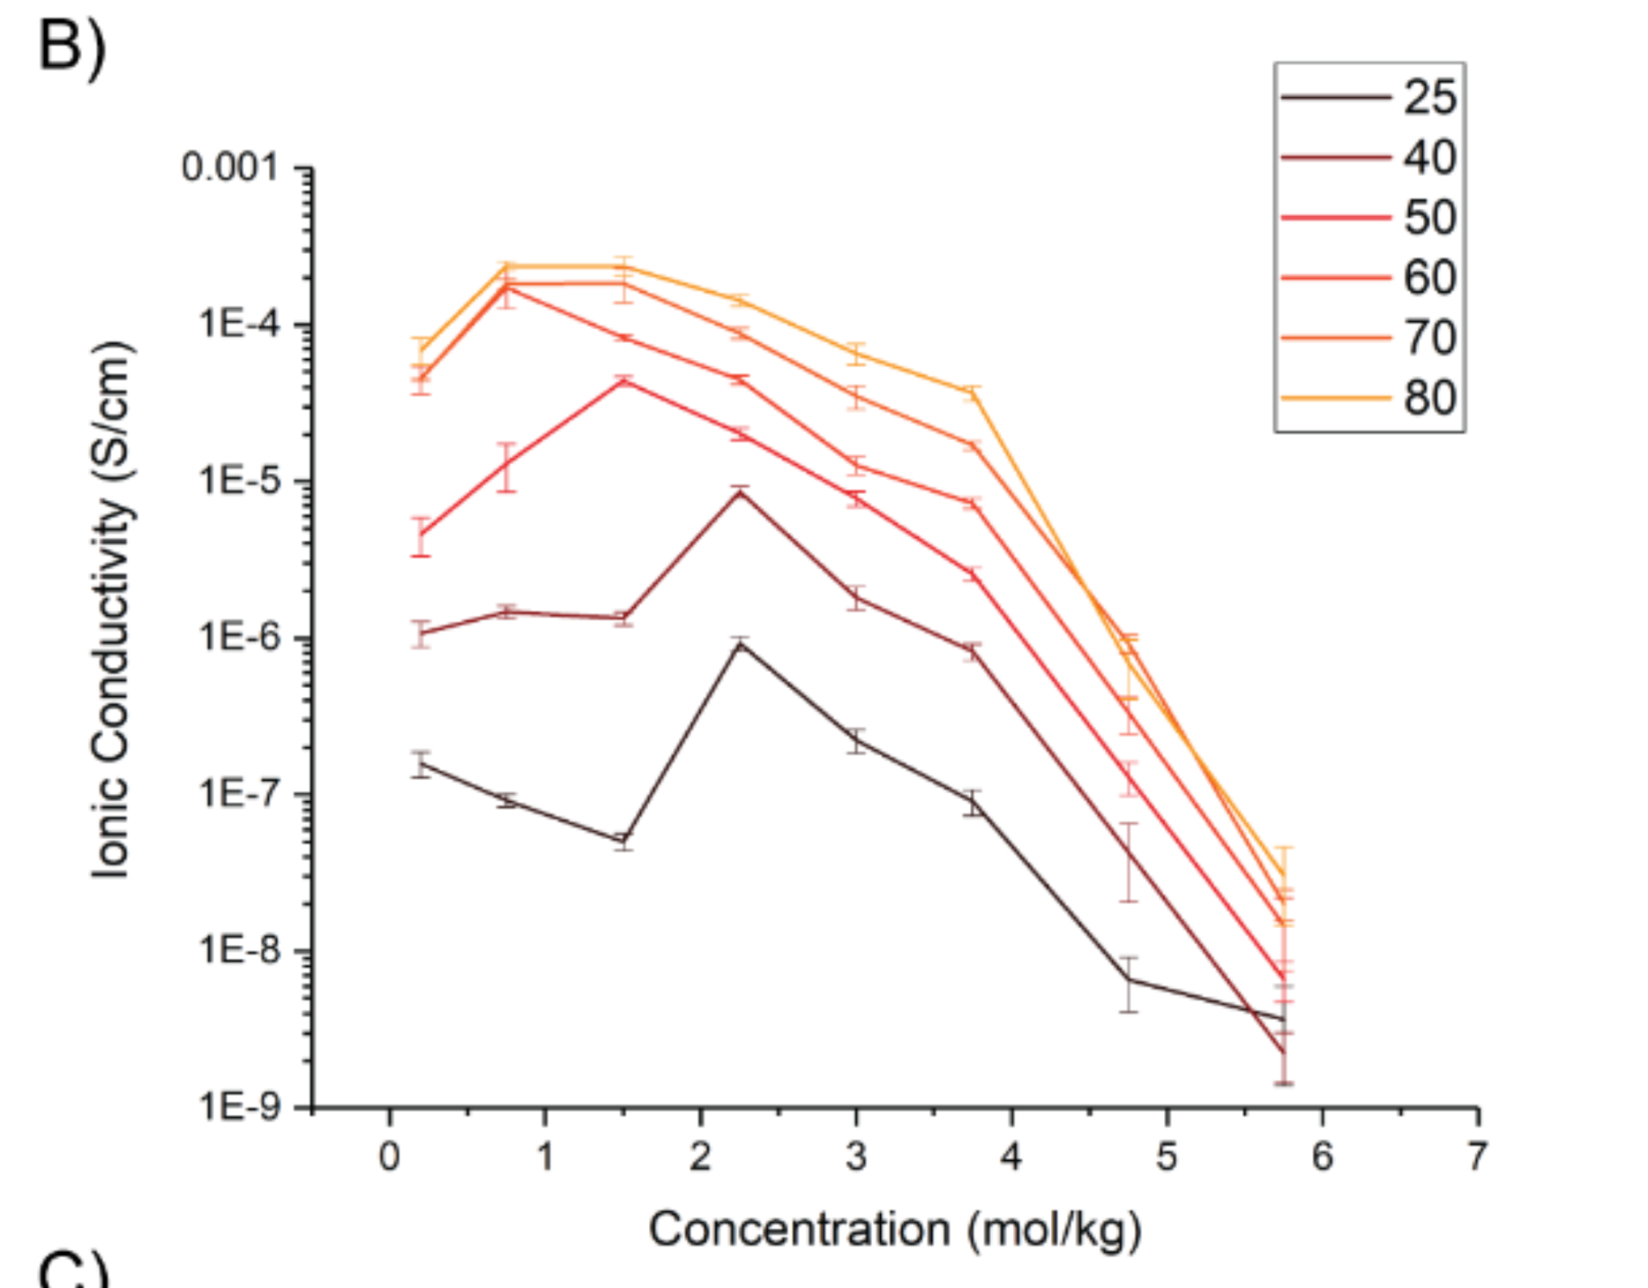
High-Throughput Analysis at 25 ℃ |  |  |  |  |  | Michael's Analysis |  |  |  | High-Throughput Analysis at 80 ℃ |  |  |  |  |  | Michael's Analysis
LiTFSI-PEO |  | LiTFSI-LiClO4-PEO |  | LiClO4-PEO |  | LiTFSI-PEO |  | LiClO4-PEO |  | LiClO4-PEO |  | LiTFSI-LiClO4-PEO |  | LiTFSI-PEO |  | LiTFSI-PEO |  | LiClO4-PEO
1.5 | 2.73E-06 | 3 | 1.07E-06 | 3 | 1.36E-07 | 0.2 | 4.00E-08 | 0.2 | 1.50E-07 | 1.5 | 1.49E-05 | 1.5 | 1.04E-11 | 3 | 3.91E-05 | 0.2 | 1.50E-05 | 0.2 | 8.00E-05
2.25 | 9.79E-06 | 2.25 | 3.38E-06 | 1.5 | 3.85E-08 | 0.75 | 5.00E-07 | 0.75 | 9.00E-08 | 2.25 | 7.34E-05 | 1.5 | 1.76E-05 | 2.25 | 0.000280103 | 0.75 | 4.00E-04 | 0.75 | 2.50E-04
3 | 6.04E-06 | 3 | 1.41E-06 | 2.25 | 5.61E-07 | 1.5 | 2.50E-06 | 1.5 | 4.00E-08 | 2.25 | 8.36E-05 | 3 | 8.25E-05 | 3 | 5.19E-05 | 1.5 | 5.50E-04 | 1.5 | 2.00E-04
3 | 7.24E-06 | 2.25 | 3.55E-06 | 2.25 | 3.89E-07 | 2.25 | 2.00E-05 | 2.25 | 8.00E-07 | 1.5 | 8.74E-05 | 2.25 | 8.45E-05 | 1.5 | 7.16E-12 | 2.25 | 8.00E-04 | 2.25 | 1.50E-04
1.5 | 4.09E-06 | 1.5 | 6.87E-07 |  |  | 3 | 1.00E-05 | 3 | 3.00E-07 | 3 | 3.81E-05 | 3 | 7.47E-05 | 1.5 | 1.34E-06 | 3 | 1.00E-03 | 3 | 5.00E-05
1.5 | 2.47E-05 | 1.5 | 5.76E-07 |  |  | 3.75 | 5.00E-06 | 3.75 | 1.00E-07 |  |  | 2.25 | 0.000276501 | 1.5 | 8.70E-05 | 3.75 | 3.00E-04 | 3.75 | 3.00E-05
 |  | 2.75 | 8.60E-07 |  |  | 4.75 | 2.00E-06 | 4.75 | 5.00E-09 |  |  |  |  |  |  | 4.75 | 8.00E-04 | 4.75 | 1.00E-06
 |  | 3 | 1.65E-07 |  |  | 5.75 | 3.00E-07 | 5.75 | 3.00E-09 |  |  |  |  |  |  | 5.75 | 1.00E-04 | 5.75 | 2.00E-08
 |  | 7 | 1.59E-07 |  |  | 7 | 1.00E-07 |  |  |  |  |  |  |  |  | 7 | 2.00E-05
 |  | 3.75 | 7.23E-07

Conductivity of Polymer Electrolytes at 80 ℃
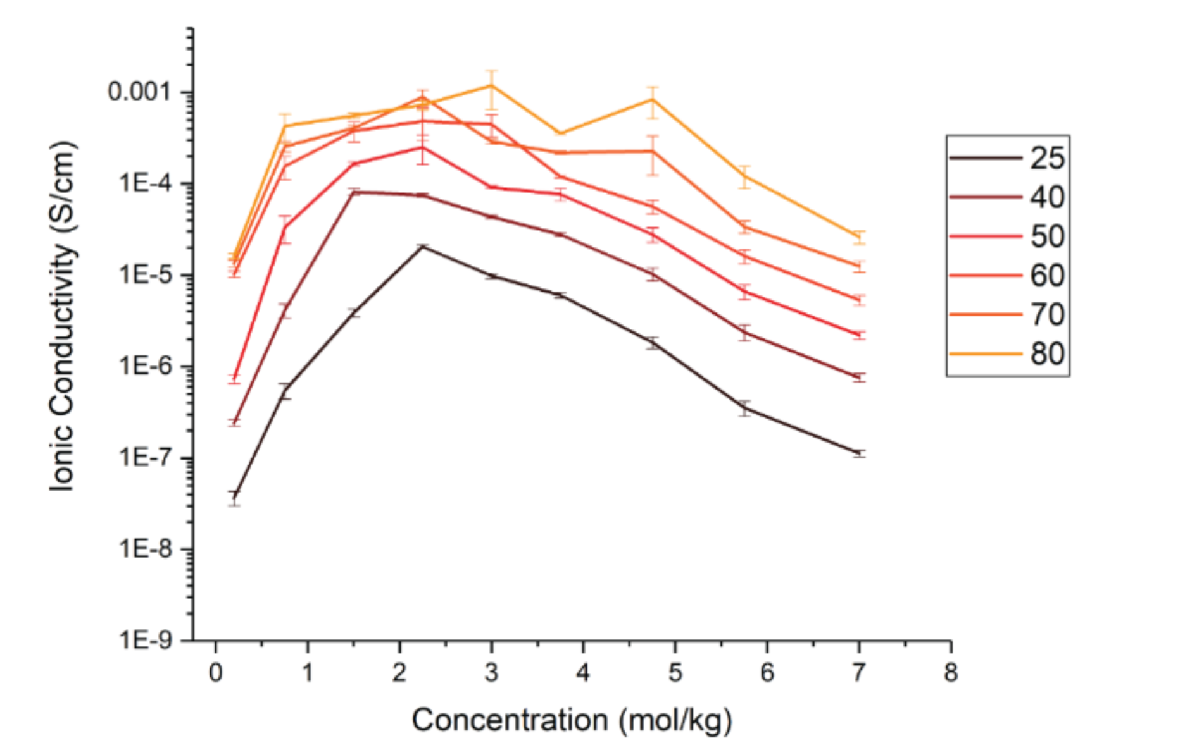

 |  |  |  |  |  |  |  |  |  |  |  |  |  |  |  | Samples Created (mol of salt – LiTFSI - per Kg of PEO)
 |  |  |  |  |  |  |  |  |  |  |  |  |  |  |  | 0.75 | 1.5 | 2.25 | 3 | 4.75 | 5.75

Conductivity of Polymer Electrolytes at 25 ℃

