Ark1
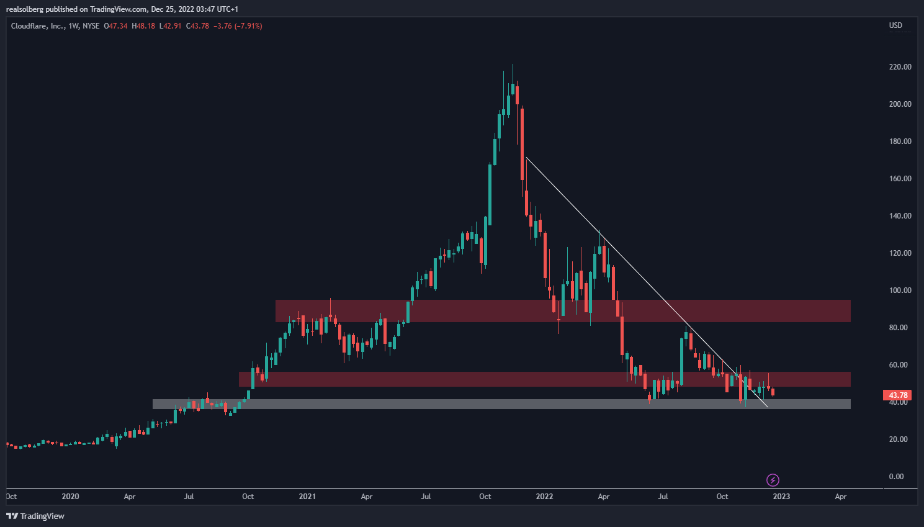
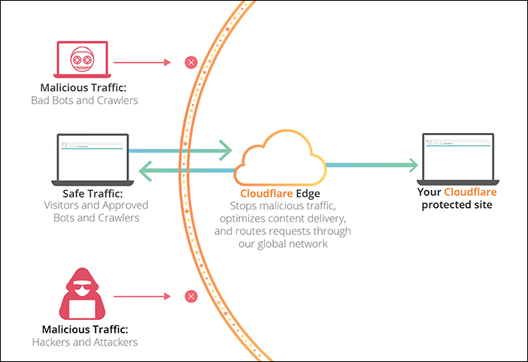
Cloudflare (NASDAQ: NET)
 | Q120 | Q220 | Q320 | Q420 | Q121 | Q221 | Q321 | Q421 | Q122 | Q222 | Q322 | Q422
Revenue | $91,250 | $99,721 | $114,162 | $125,926 | $138,055 | $152,428 | $172,347 | $193,596 | $212,167 | $234,517 | $253,857
COGS | $20,821 | $24,164 | $27,005 | $29,065 | $32,084 | $35,029 | $37,525 | $42,496 | $47,051 | $55,804 | $61,967
Gross Profit | $70,429 | $75,557 | $87,157 | $96,861 | $105,971 | $117,399 | $134,822 | $151,100 | $165,116 | $178,713 | $191,890

S&M | $46,965 | $51,376 | $55,982 | $63,552 | $69,974 | $75,995 | $85,877 | $96,219 | $100,057 | $117,622 | $116,033
R&D | $33,354 | $28,131 | $30,902 | $34,757 | $39,527 | $41,349 | $46,770 | $61,762 | $67,054 | $75,114 | $76,432
G&A | $26,181 | $20,754 | $21,525 | $23,293 | $27,724 | $28,927 | $28,669 | $34,183 | $38,029 | $50,518 | $45,372
OpEx | $106,500 | $100,261 | $108,409 | $121,602 | $137,225 | $146,271 | $161,316 | $192,164 | $205,140 | $243,254 | $237,837
OpInc (Loss) | $-36,071 | $-24,704 | $-21,252 | $-24,741 | $-31,254 | $-28,872 | $-26,494 | $-41,064 | $-40,024 | $-64,541 | $-45,947

Other Income | $485 | $219 | $208 | $113 | $148 | $877 | $361 | $426 | $983 | $233 | $2,433
Loss before taxes | $-33,084 | $28,073 | $29,972 | $33,844 | $40,796 | $39,820 | $110,430 | $56,930 | $41,007 | $63,707 | $41,174
Taxes (Benefit) | $338 | $1,938 | $3,504 | $177 | $833 | $4,310 | $3,095 | $20,571 | $374 | $170 | $1,372
Net Income | $32,937 | $-26,354 | $-26,676 | $-33,780 | $-40,111 | $-36,387 | $-107,696 | $-36,785 | $-41,616 | $-63,770 | $-42,235
EBIT

Revenue Growth YoY |  |  |  |  | 51% | 53% | 51% | 54% | 54% | 54% | 47%
Gross Margin % | 77% | 76% | 76% | 77% | 77% | 77% | 78% | 78% | 78% | 76% | 76%
Cash and Cash Equivalents

CFFO | 14276 | 10289 | 8316 | 17129 | 23494 | 30949 | 24031 | 64648 | 35467 | 2784 | 45472
CapEx | 11405 | 9863 | 45962 | 56375 | 22268 | 7103 | 64652 | 92986 | 24481 | 61565 | 103461
FCF | 2871 | 426 | -37646 | -39246 | 1226 | 23846 | -40621 | -28338 | 10986 | -58781 | -57989

P/S | 15 | 15 | 40 | 65 | 50 | 70 | 115 | 70 | 45 | 20 | 18

Cash and Cash Equivalents | 558 | 1069 | 1059 | 1030 | 1030 | 1036 | 1814 | 1825 | 1728 | 1651 | 1647
Debt | 0 | 366 | 375 | 383 | 392 | 401 | 1143 | 1147 | 1433 | 1434 | 1435

