Ark1
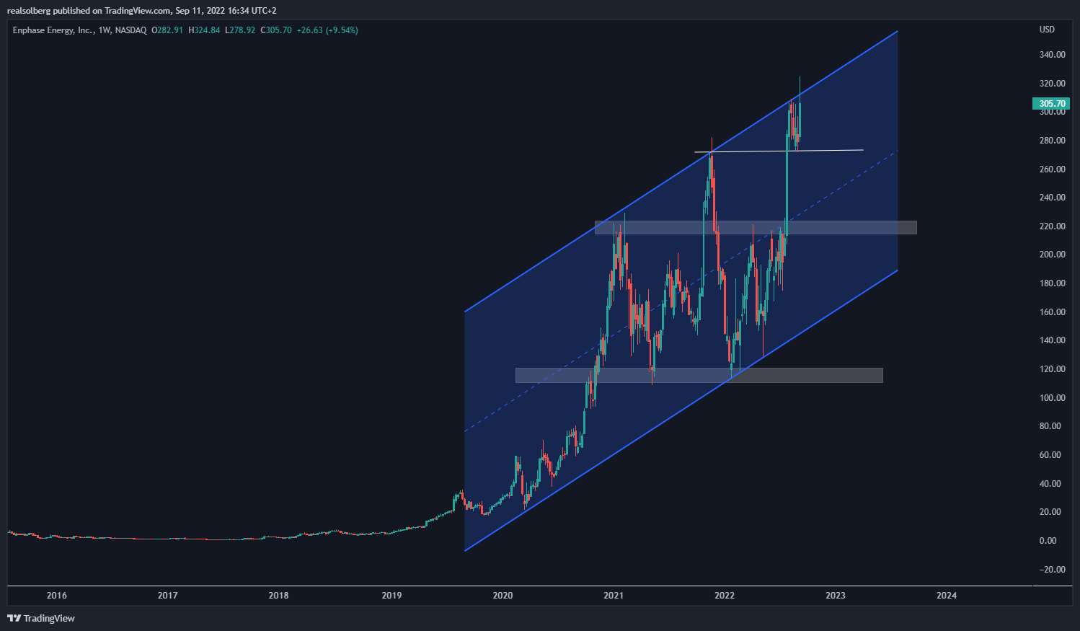
Enphase (NASDAQ: ENPH)
 | Q120 | Q220 | Q320 | Q420 | Q121 | Q221 | Q321 | Q421 | Q122 | Q222
Revenue | $205,545.00 | $125,538.00 | $178,503.00 | $264,839.00 | $301,754.00 | $316,057.00 | $351,519.00 | $412,719.00 | $441,292.00 | $530,196.00
COGS | $124,780.00 | $77,151.00 | $83,522.00 | $142,901.00 | $178,805.00 | $188,256.00 | $211,161.00 | $249,405.00 | $264,319.00 | $311,191.00
Gross Profit | $80,765.00 | $48,387.00 | $94,981.00 | $121,938.00 | $122,949.00 | $127,801.00 | $140,358.00 | $163,314.00 | $176,973.00 | $219,005.00

S&M | $11,772.00 | $12,371.00 | $14,645.00 | $14,139.00 | $19,622.00 | $25,586.00 | $39,296.00 | $44,470.00 | $41,344.00 | $53,588.00
R&D | $11,876.00 | $13,192.00 | $15,052.00 | $15,801.00 | $21,818.00 | $22,708.00 | $29,411.00 | $31,589.00 | $35,719.00 | $39,256.00
G&A | $12,315.00 | $11,970.00 | $13,525.00 | $12,884.00 | $20,123.00 | $20,107.00 | $34,300.00 | $29,560.00 | $38,086.00 | 32125
GAAP OpEx | $35,963.00 | $37,533.00 | $43,222.00 | $42,824.00 | $61,563.00 | $68,401.00 | $103,007.00 | $105,619.00 | $115,149.00 | $124,969.00

Revenue Growth YoY | 105% | -5.97% | -0.56% | 26.19% | 46.60% | 150.79% | 96.65% | 55.85% | 46.03% | 67.72%
Non-GAAP Gross Margin | 39.50% | 38.50% | 41% | 40.20% | 41.10% | 40.80% | 40.80% | 40.20% | 41% | 42.20%
Cash Flow | $39,2M | $25,4M | $67,5M | $84,2M | $75,8M | $65,6M | $113,4M | $97,2M | $102,4M | $192M
Cash and Cash Equivalents | $593,8M | $607,3M | $661,8M | $679,4M | $1,489B | $1,3B | $1,4B | $1,0B | $1,1B | $1,25B

EPS (Net loss per share) | 0.50 | -0.38 | 0.28 | 0.55 | 0.22 | 0.28 | 0.15 | 0.37 | 0.37 | 0.54
P/S | 5.92 | 8.75 | 15 | 32 | 26 | 25 | 17.50 | 20 | 20 | 18

Mcap | 4,143,120,000 | 6,054,064,600 | 12,763,800,000 | 25,548,250,000 | 29,288,400,000 | 26,183,605,000 | 21,747,880,000 | 26,382,240,000 | 29,791,102,000 | 28,313,825,000
Shares | 138,104,000 | 125,603,000 | 141,820,000 | 145,990,000 | 146,442,000 | 141,533,000 | 141,220,000 | 141,840,000 | 144,617,000 | 143,725,000
Stock price | 30 | 48.2 | 90 | 175 | 200 | 185 | 154 | 186 | 206 | 197

