Model
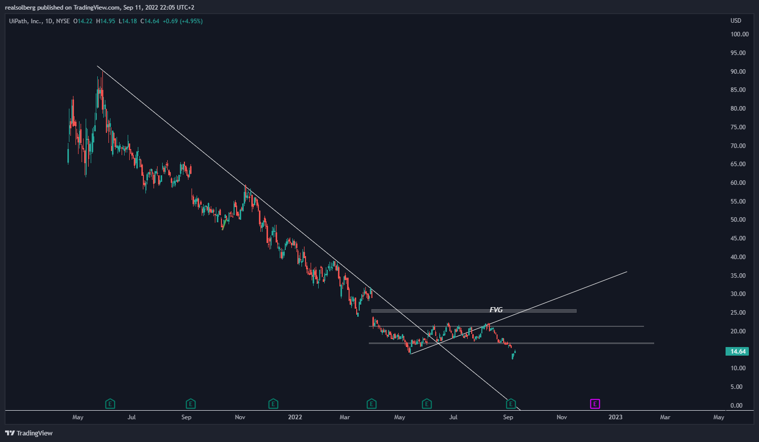
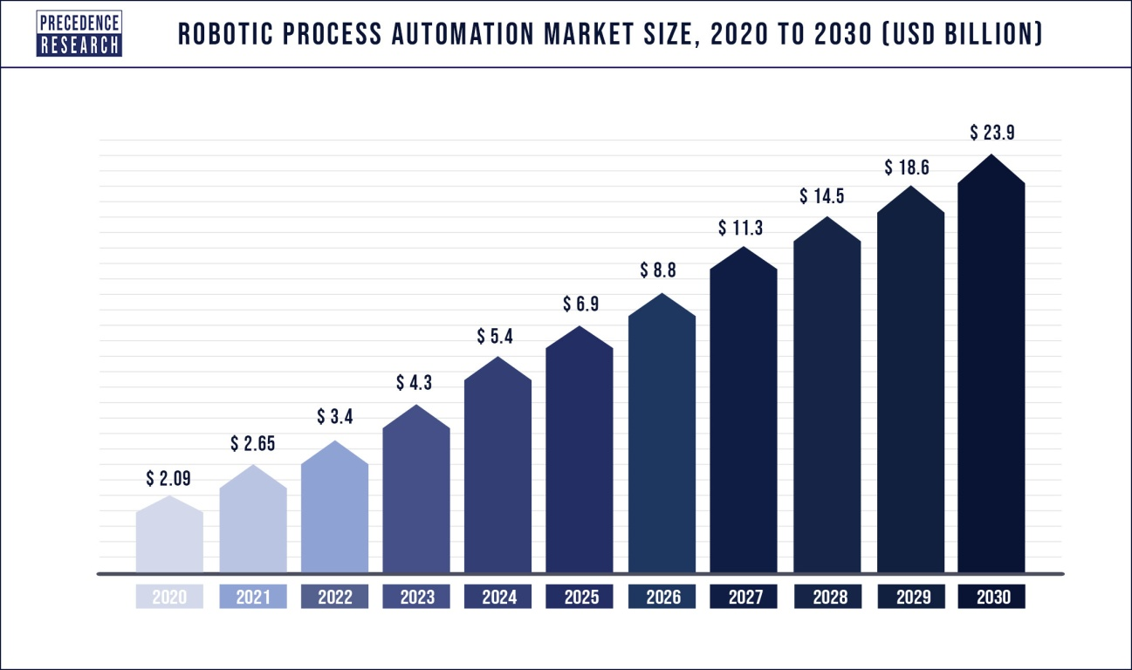
 | Q120 | Q220 | Q320 | Q420 | Q121 | Q221 | Q321 | Q421 | Q122 | Q222 |  | 2020 | 2021 | Last 12/mo
Revenue | 113,103.00 | 139,376.00 | 147,289.00 | 207,875.00 | 186,217.00 | 195,521.00 | 220,816.00 | 289,698.00 | 245,066.00 | 242,222.00 |  | 607,643.00 | 892,252.00 | 951,101.00
COGS | 13,638.00 | 14,698.00 | 17,385.00 | 20,136.00 | 49,010.00 | 35,594.00 | 43,100.00 | 41,164.00 | 45,016.00 | 44,576.00
Gross Profit | 99,465.00 | 124,678.00 | 129,904.00 | 187,739.00 | 137,207.00 | 159,927.00 | 177,716.00 | 248,534.00 | 200,050.00 | 197,646.00
S&M | 90,931.00 | 90,331.00 | 99,512.00 | 99,380.00 | 205,751.00 | 144,268.00 | 172,906.00 | 174,757.00 | 189,782.00 | 181,547.00 | Revenue Growth Fiscal Full Year |  | 47%
R&D | 26,729.00 | 26,541.00 | 27,456.00 | 29,194.00 | 93,040.00 | 57,646.00 | 61,559.00 | 64,412.00 | 68,690.00 | 67,849.00
G&A | 26,676.00 | 24,834.00 | 65,951.00 | 44,574.00 | 74,415.00 | 55,834.00 | 59,498.00 | 60,244.00 | 57,530.00 | 68,443.00
OpEx | 144,336.00 | 141,706.00 | 192,919.00 | 173,148.00 | 373,206.00 | 257,748.00 | 293,963.00 | 299,413.00 | 316,002.00 | 317,839.00
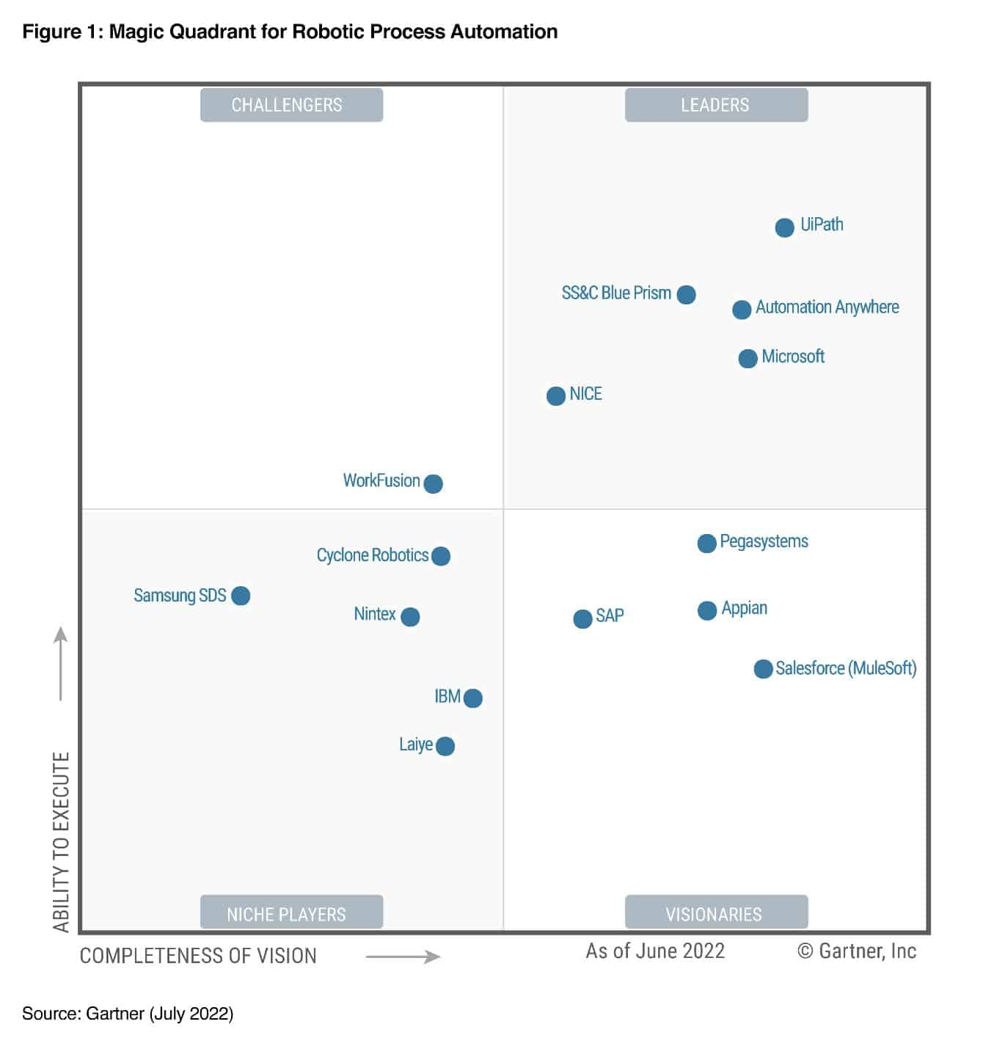

Revenue Growth YoY |  |  |  |  | 65% | 40% | 50% | 39% | 32% | 24%
Net Retention Rate |  |  |  |  |  |  |  | 145% | 138% | 132%
Non-GAAP Gross Margin | 88% | 89% | 88% | 90% | 74% | 82% | 80% | 86% | 82% | 84%

ARR ($M) |  |  |  |  | 652.6 | 726 | 818.4 | 925.3 | 977.1 | 1043
Net New ARR ($M) |  |  |  |  |  | 73.4 | 92.4 | 106.9 | 51.8 | 65.9

Non-GAAP Free Cash Flow |  |  |  |  | 20.10 | 3.50 | -7.70 | 9.80 | -53.80 | -23.30

EPS (Net loss per share) | $-0,33 | $0,00 | $-0,41 | $0,19 | $-1,11 | $0,19 | $-0,23 | $0,37 | $-0,23 | $-0,22
P/S |  |  |  |  |  | 44.66 | 32.94 | 21.97 | 10.54 | 7.5

Mcap |  |  |  |  |  | 32,907,000.00 | 26,692,243.60 | 19,606,413.00 | 10,025,187.00 | 7,098,754.00
Shares | 159,003 | 162,914 | 171,280 | 179,624 | 215,352 | 526,512 | 531,718 | 537,162 | 541,902 | 546,058
Stock price |  |  |  |  | 72.00 | 62.50 | 50.20 | 36.50 | 18.50 | 13.00

Big lock-ups |  |  |  |  |  | x

