Ark1
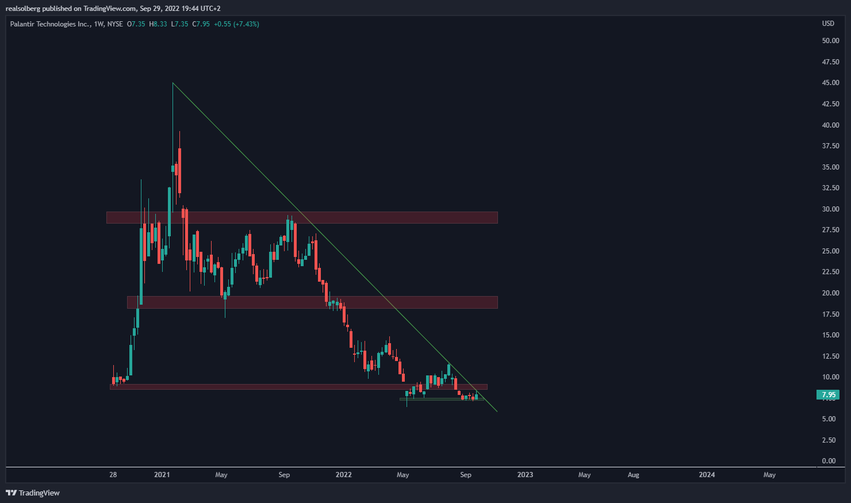
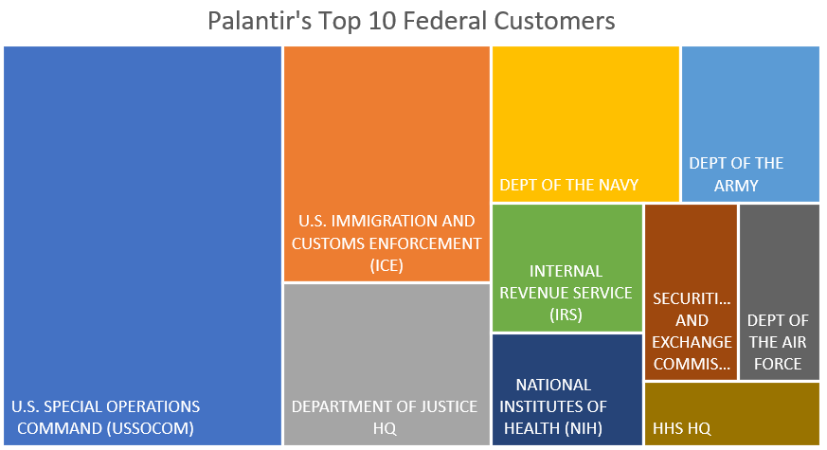
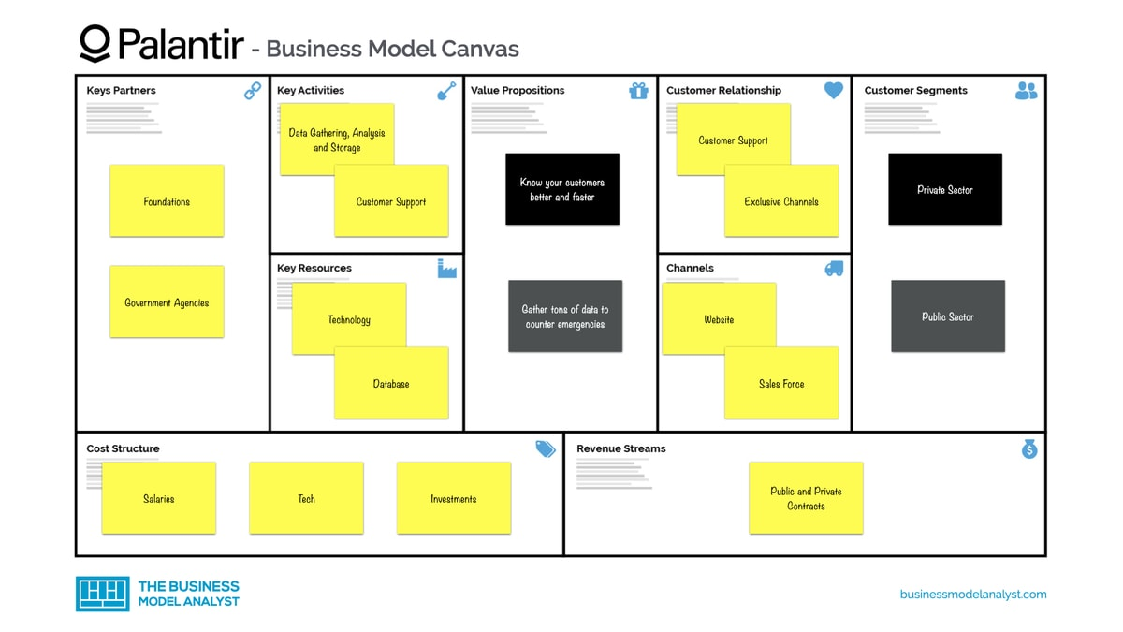
Palantir (NASDAQ: PLTR)
 | Q320 | Q420 | Q121 | Q221 | Q321 | Q421 | Q122 | Q222
Revenue | $289,366 | $322,091 | $341,234 | $375,642 | $392,146 | $432,867 | $446,357 | $473,010
COGS | $149,340 | $70,503 | $74,111 | $90,926 | $86,804 | $87,563 | $94,403 | $102,224
Gross Profit | $140,026 | $251,588 | $267,123 | $284,716 | $305,342 | $345,304 | $351,954 | $370,786

S&M | $334,911 | $147,619 | $136,097 | $162,379 | $153,443 | $162,593 | $160,485 | $168,875
R&D | $313,915 | $94,130 | $98,471 | $110,524 | $94,316 | $84,176 | $88,601 | $88,171
G&A | $338,977 | $166,411 | $146,569 | $157,961 | $149,524 | $157,478 | $142,307 | $155,485
Total OpEx | $987,803 | $408,160 | $381,137 | $430,864 | $397,283 | $404,247 | $391,393 | $412,531

Revenue Growth YoY | 52% | 40% | 49% | 49% | 36% | 34% | 31% | 26%
Gross Margin % | 48.39 | 78.11 | 78.28 | 75.79 | 77.86 | 79.77 | 78.85 | 78.39
Cash and Cash Equivalents | $1,800,190.00 | $2,011,323.00 | $2,339,437.00 | $2,341,156.00 | $2,335,068.00 | $2,290,674.00 | $2,269,411.00 | $2,358,393.00

EPS (Net loss per share) | -0.94 | -0.08 | -0.07 | -0.07 | -0.05 | -0.08 | -0.05 | -0.09
P/S | 10.2 | 28 | 28 | 32 | 31 | 23 | 16.5 | 10.5

Mcap | $9,050,000,000 | $44,100,000,000 | $43,704,000,000 | $51,165,000,000 | $49,100,000,000 | $32,708,000,000 | $26,468,000,000 | $18,495,000,000
Shares | 905,000,000 | 1,764,000,000 | 1,821,000,000 | 1,895,000,000 | 1,964,000,000 | 1,924,000,000 | 2,036,000,000 | 2,055,000,000
Stock price | 10 | 25 | 24 | 27 | 25 | 17 | 13 | 9
Cash and Cash Equivalents | $1,800,190,000 | $2,011,323,000 | $2,339,437,000 | $2,341,156,000 | $2,335,068,000 | $2,290,674,000 | $2,269,411,000 | $2,358,393,000
Debt | $1,351,959,000 | $1,167,954,000 | $1,208,242,000 | $1,006,705,000 | $976,271,000 | $956,420,000 | $954,433,000 | $933,514,000

EV | $7,249,810,000 | $42,088,677,000 | $41,364,563,000 | $48,823,844,000 | $46,764,932,000 | $30,417,326,000 | $24,198,589,000 | $16,136,607,000

