Missing Value Prediction
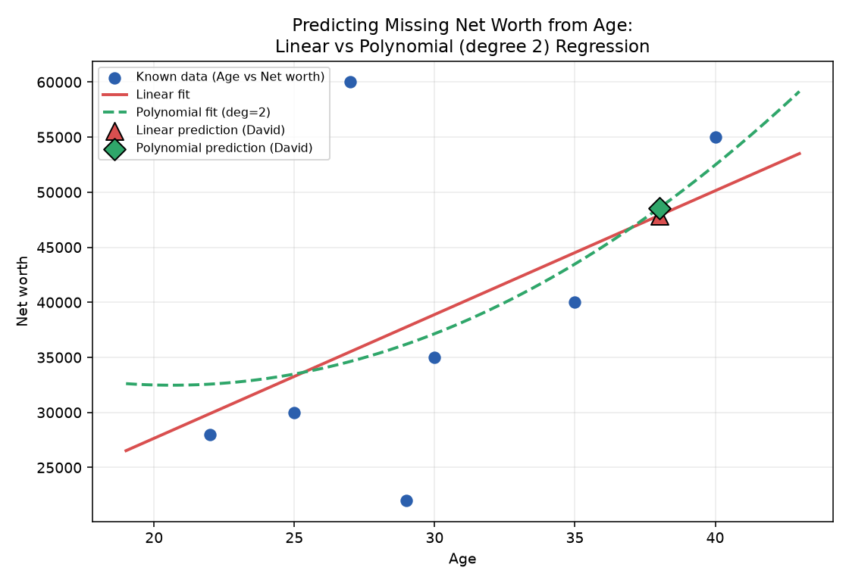
Missing Value Prediction: Linear vs Polynomial Regression

Target column: Net worth | Predictor: Age | Training rows used: 7

Metric | Linear Regression | Polynomial Regression (deg=2)
In-sample MSE (fit on all training rows, tested on same rows) | 131631348.19 | 128774096.99
In-sample R² | 0.2345 | 0.2511
LOOCV MSE (out-of-sample, fair comparison) | 210150059.22 | 341290859.72
LOOCV R² (out-of-sample) | -0.2221 | -0.9847

Better generalising model (lower LOOCV MSE): Linear

Name | ID | Age (known) | Linear prediction | Polynomial prediction | Chosen value used
David | 5 | 38 | $47,884.91 | $48,555.21 | $47,884.91

Could NOT be predicted by regression (no known predictor available): Heidi
Reason: Heidi is missing Age, Net worth, AND Salary simultaneously, so no numeric predictor remains for her row. Regression imputation needs at least one known variable to predict from; a mean/median fallback (or dropping the row from numeric analyses) is the practical alternative for her.

