AMC Dashboard View
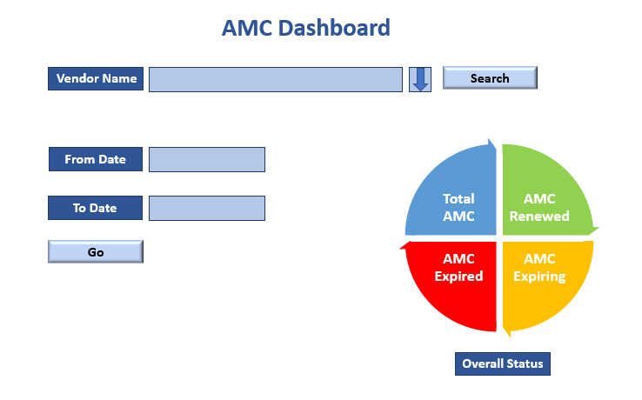

AMC Tracker (User Interface)

Category | Type (Hardware/ Software) | Owner | Brand | Model | Supplier | Purchased_Component | Purchase_Date | Purchase_Price | Actual | Budget | Warranty_Period_Start | Warranty_Period_End | AMC_Period_Start | AMC_Period_End | AMC_Amount | Documents_Repository | Tracker | email | Primary Contact
Hard Disk Encryption | Software | IS | McAfee | Enterprise Agreement | NHQ Distribution Limited | Hard Disk Encryption Module | 2018-03-01 | 0 | 0 | 0 | 0 | 0 | 2022-06-30 | 2023-06-29 | 0 | 0 | on | asm.mahfuz@bracbank.com, bmzahidul.haque@bracbank.com, habiburrahman.ghazi@bracbank.com, muhammadsabbir.mahmud@bracbank.com, sajjadul.huda@bracbank.com, shahedur.rahman@bracbank.com, wahid.isd@bracbank.com, kiu.bilash@bracbank.com, mirasiful.bari@bracbank.com, mashuk.ahmed@bracbank.com, | ASM Mahfuz

Upload
Update
Force Notification
Delete

AMC Flow
Server_Category
Type
Owner
Brand
Model
Supplier
Purchased_Component
Purchase_Date
Purchase_Price
Actual | Upload
Budget |  | Update
(AMC_Period_End - ToDate) <= 90 Days && Tracker == 'On"
Warranty_Period_Start |  |  | Delete
Warranty_Period_End |  |  |  | Force Notification
AMC_Period_Start
AMC_Period_End
AMC_Amount
Yes?
Documents_Repository
Tracker
email

Send Notification to Recipients

CMS SLA Dashboard
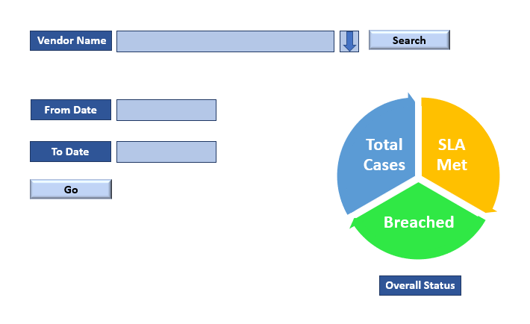
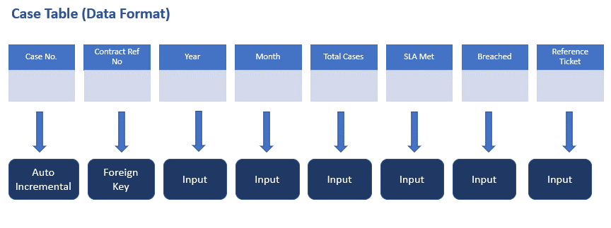
SLA Dashboard

