Sheet2
部屋名
座席１
座席１
部屋名
座席１
座席１

座席１
座席１
座席１
座席１

物1
物2
物1
物2

#fffacd
#ffd700
#ffa500
#daa520
#dcdcdc
#f5f5f5

Sheet3
 | x | y | w | h
1 | 40 | 40 | 50 | 25 | {"Id": 1,"Type": "Desk","X":40,"Y": 40,"Width": 50,"Height": 25,"Color":"#ffa500"},
2 | 40 | 70 | 50 | 25 | {"Id": 2,"Type": "Desk","X":40,"Y": 70,"Width": 50,"Height": 25,"Color":"#ffa500"},
3 | 40 | 100 | 50 | 25 | {"Id": 3,"Type": "Desk","X":40,"Y": 100,"Width": 50,"Height": 25,"Color":"#ffa500"},
4 | 40 | 130 | 50 | 25 | {"Id": 4,"Type": "Desk","X":40,"Y": 130,"Width": 50,"Height": 25,"Color":"#ffa500"},
5 | 95 | 40 | 50 | 25 | {"Id": 5,"Type": "Desk","X":95,"Y": 40,"Width": 50,"Height": 25,"Color":"#ffa500"},
6 | 95 | 70 | 50 | 25 | {"Id": 6,"Type": "Desk","X":95,"Y": 70,"Width": 50,"Height": 25,"Color":"#ffa500"},
7 | 95 | 100 | 50 | 25 | {"Id": 7,"Type": "Desk","X":95,"Y": 100,"Width": 50,"Height": 25,"Color":"#ffa500"},
8 | 95 | 130 | 50 | 25 | {"Id": 8,"Type": "Desk","X":95,"Y": 130,"Width": 50,"Height": 25,"Color":"#ffa500"},

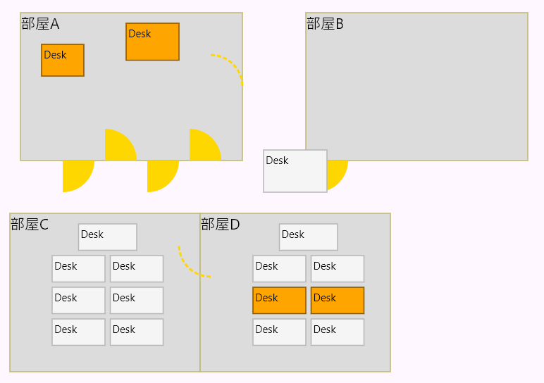
 |  |  |  |  |  | 部屋１ |  | 部屋２ |  | 部屋３ |  | 部屋４ |  | 部屋5 |  | 部屋６ |  | 部屋7
 |  |  |  |  |  | x | y | x | y | x | y | x | y | x | y | x | y | x | y
 |  |  |  |  |  | 20 | 10 | 290 | 10 | 20 | 150 | 230 | 210 | 330 | 210 | 430 | 210 | 530 | 10
 |  |  |  |  |  | 230 | 10 | 470 | 10 | 230 | 150 | 330 | 210 | 430 | 210 | 530 | 210 | 740 | 10
 |  |  |  |  |  | 230 | 150 | 470 | 150 | 230 | 350 | 330 | 350 | 430 | 350 | 530 | 350 | 740 | 350
 |  |  |  |  |  | 20 | 150 | 290 | 150 | 20 | 350 | 230 | 350 | 330 | 350 | 430 | 350 | 530 | 350

 |  |  |  |  |  |  |  | 715 | 25 | 740

 |  |  |  |  |  | 230 | 30
 |  |  |  |  |  | 290 | 30
 |  |  |  |  |  | 290 | 170
 |  |  |  |  |  | 470 | 170
 |  |  |  |  |  | 470 | 35
 |  |  |  |  |  | 530 | 35
 |  |  |  |  |  | 530 | 230
 |  |  |  |  |  | 230 | 230

