T_cells_proliferation
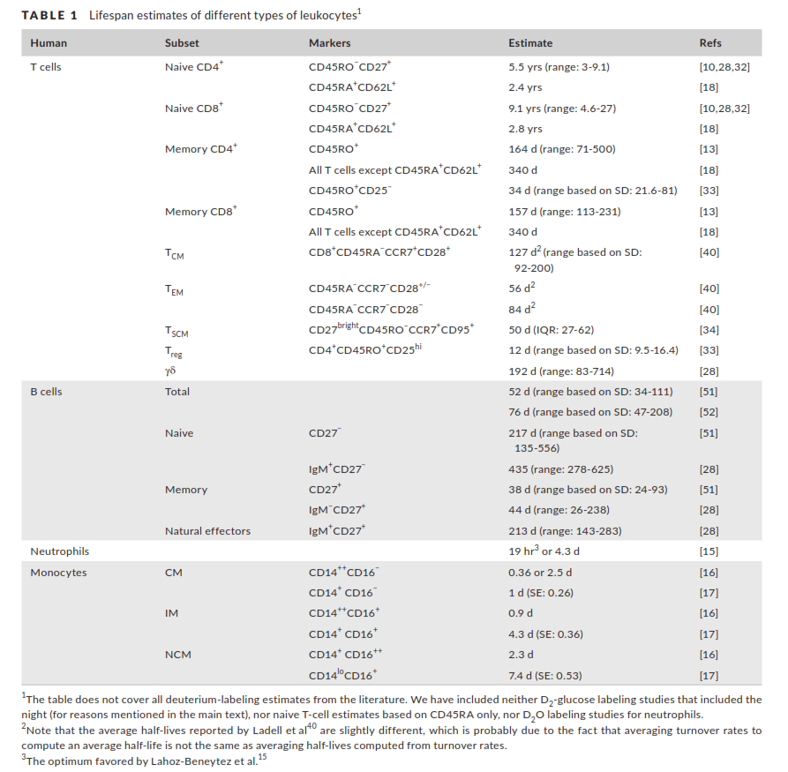
cells | marker | lifespan (days) | proliferation rate (% per day) median | Cell number (per mul blood) median | total production in blood (10^6) | Total production (10^6 cells per day) median | Total production (10^6 cells per day) range | Thymic production (10^6 cells per day) | source | # | source | ab
CD4+Naïve |  | 2500 | 0.04% | 534 | 1.07 | 89 | (20–137) | 16 | Westra et al., 2015 | [1] | Borghans JAM, Tesselaar K, de Boer RJ. Current best estimates for the average lifespans of mouse and human leukocytes: reviewing two decades of deuterium-labeling experiments. Immunol Rev. 2018;285: 233–248. doi:10.1111/imr.12693 | Borghans et al., 2018
CD8+Naïve |  | 3333 | 0.03% | 254 | 0.38 | 24 | (15–39) |  | Westra et al., 2015 | [2] | Westera L, Hoeven V Van, Drylewicz J, Spierenburg G, Velzen JF Van, Boer RJ De. Lymphocyte maintenance during healthy aging requires no substantial alterations in cellular turnover. Aging Cell 2015;14:219–27. doi:10.1111/acel.12311. | Westra et al., 2015
CD4+Memory |  | 167 | 0.60% | 403 | 12.09 | 391 | (221–911) |  | Westra et al., 2015 | [3] | Westera L, Drylewicz J, Braber I Den, Mugwagwa T, Maas I Van Der, Kwast L, et al. Closing the gap between T-cell life span estimates from stable isotope-labeling studies in mice and humans. Blood 2013;122:2205–13. doi:10.1182/blood-2013-03-488411.L.W. | Westra et al., 2013
CD8+Memory |  | 189 | 0.53% | 90 | 2.39 | 109 | (70–227) |  | Westra et al., 2015 | [4] | Vrisekoop N, Braber I Den, Boer AB De, Ruiter AFC, Crabben SN Van Der, Schrijver EHR, et al. Sparse production but preferential incorporation of recently produced naı ve T cells in the human peripheral pool. PNAS 2008;105:6115–20. | Vrisekoop et al., 2008
CD4+Memory | C4+CD45RO+ | 164 | 0.6% |  |  |  |  |  | Westra et al., 2013 | [5] | Vrisekoop N, Drylewicz J, Van Gent R, Mugwagwa T, Van Lelyveld SFL, Veel E, et al. Quantification of naive and memory T-cell turnover during HIV-1 infection. Aids. 2015;29: 2071–2080. doi:10.1097/QAD.0000000000000822 | Vrisekoop et al., 2015
CD8+Memory | C8+CD45RO+ | 156 | 0.6% |  |  |  |  |  | Westra et al., 2013 | [6] | Hellerstein MK, Hoh RA, Hanley MB, Cesar D, Lee D, Neese RA, et al. Subpopulations of long-lived and short-lived T cells in advanced HIV-1 infection. J Clin Invest. 2003;112: 956–966. doi:10.1172/JCI200317533 | Hellerstein et al., 2003
CD4+Memory | C4+CD45RO+ | 224 | 0.4% |  |  | 82 |  |  | Vrisekoop et al., 2008
CD8+Memory | C8+CD45RO+ | 352 | 0.3% |  |  | 24 |  |  | Vrisekoop et al., 2008
CD4+Naïve | C4+CD45RA+ | 2189 | 0.05% |  |  |  |  |  | Vrisekoop et al., 2008
CD8+Naïve | C8+CD45RA+ | 3425 | 0.03% |  |  |  |  |  | Vrisekoop et al., 2008
CD4+Naïve | C4+CD45RA+CD62L+ | 876 | 0.11% |  |  | 50? |  |  | Hellerstein et al., 2003
CD8+Naïve | C8+CD45RA+CD62L+ | 1022 | 0.10% |  |  |  |  |  | Hellerstein et al., 2003
CD4+Naïve | C4+CD45RA+ | 2000 | 0.05% |  |  |  |  |  | Vrisekoop et al., 2015
CD8+Naïve | C8+CD45RA+ | 3333 | 0.03% |  |  |  |  |  | Vrisekoop et al., 2015
CD4+Memory | C4+CD45RO+ | 164 | 0.61% |  |  |  |  |  | Vrisekoop et al., 2015
CD8+Memory | C8+CD45RO+ | 119 | 0.84% |  |  |  |  |  | Vrisekoop et al., 2015

