Mitsui and Schneider, 1976
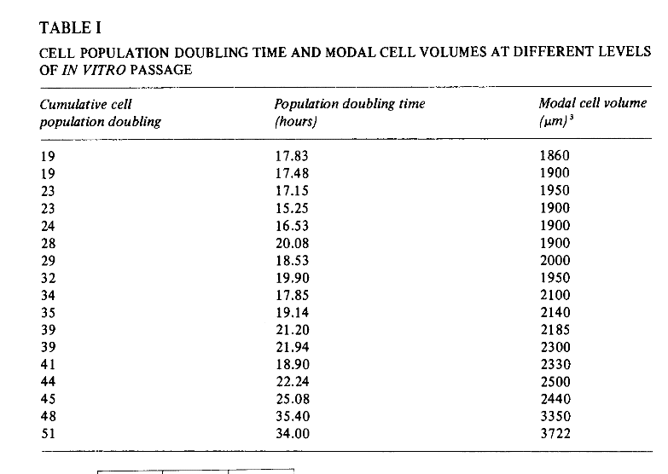
modal cell volume
1860
1900
195
1900
1900
1900
2000
1950
2100
2140
2185
2300
2330
2500
2440
3350
3722

Bergstresser et al., 1978
Mean nucleated epidermal cell volumes (µm^3) |  |  |  |  | Bergstresser PR, Pariser RJ, Taylor JR. Counting and sizing of epidermal cells in normal human skin. J Invest Dermatol. Elsevier Masson SAS; 1978;70: 280–284. doi:10.1111/1523-1747.ep12541516
 | Biopsy site
subject | Volar Forearm | Upper back | Lateral thigh | Mean
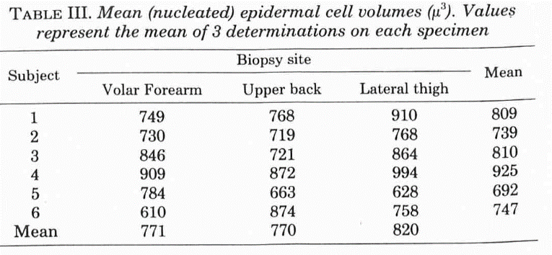
1 | 749 | 768 | 910 | 809
2 | 730 | 719 | 768 | 739
3 | 846 | 721 | 864 | 810
4 | 909 | 872 | 994 | 925
5 | 784 | 663 | 628 | 692
6 | 610 | 874 | 758 | 747
average | 771 | 770 | 820 | 787
SD | 103 | 87 | 129 | 104
 |  |  |  | 25

mean superficial nucleated epidermal cell volumes (µm^3)
subject | Volar Forearm | Upper back | Lateral thigh | Mean
1 | 1173 | 1152 | 1671 | 1332
2 | 1131 | 1183 | 1203 | 1172
3 | 1316 | 1104 | 1434 | 1285
4 | 942 | 1266 | 1547 | 1252
5 | 1206 | 814 | 918 | 979
6 | 557 | 1275 | 1138 | 990
average | 1054 | 1132 | 1319 | 1168
SD | 273 | 169 | 281 | 258
 |  |  |  | 62.59

subject | Volar Forearm | Upper back | Lateral thigh | Mean
1 | 587 | 562 | 563 | 571
2 | 431 | 492 | 459 | 461
3 | 402 | 406 | 445 | 418
4 | 483 | 544 | 509 | 512
5 | 447 | 403 | 489 | 446
6 | 452 | 488 | 459 | 466
average | 467 | 482.5 | 487.3 | 479
SD | 64.50116278 | 66.926078624 | 43.807153145 | 56.436817585
 |  |  |  | 13.687938828

