Biology
 | General biology |  |  |  |  |  | (Stolen & Barlow, 2003) Age-specific survivorships - Florida | (Stolen & Barlow, 2003) Mortality rates - Florida

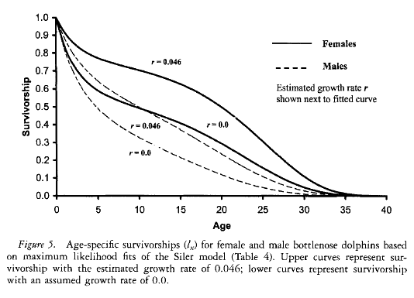
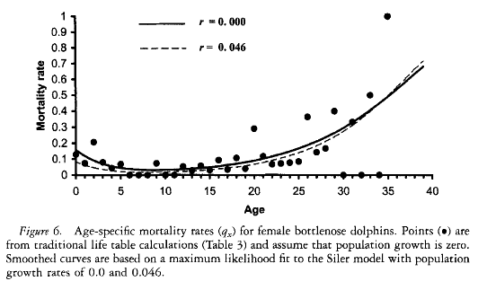
Iberian Peninsula | Bay of Biscay | (Santos et al, 2012)
 | N Spain | (Santos et al, 2012)
 | NW Spain | (Santos et al, 2012)
 | Portugal | (Santos et al, 2012)
 | Cádiz | (Santos et al, 2012)
Northeast Atlantic (Donovan & Bjorge, 1995; Bjorge & Donovan, 1995) | France
 | Scotland
 | United Kingdom
 | Ireland
 | Feroes islands
 | The Netherlands
 | Denmark
 | Sweden
 | Norway
 | Belgium
 | Iceland
 | North Sea
Baltic Sea | Germany
Kattegat-Skagerrak | Norway
Black Sea
Sea of Azov
Northweast Atlantic | Maine
 | Florida
 | Bay of Fundy
 | Greenland
Pacific Ocean | Washington
 | California
 | Japan
Whole World Ocean

 | Length-Weight relationship

USA | Folorida | (Ridgway and Fenner, 1982)
 |  | Wells and Scott, 1999

 | Growth parametres

USA | Folorida | Wells and Scott, 1999
Iberian Peninsula | NW Spain
 | Scotland
Northweast Atlantic | Maine
 | Florida | (Stolen & Barlow, 2003) |  | The oldest male and female were aeach 35 yr of age
 |  | (Wells & Scott, 2002) |  | adults length range from under 2m to about 3.8m, varying by geographic location
 |  |  |  | are long-living mammals (45-50 years)

 | Mortality

Iberian Peninsula | NW Spain
Northwest Atlantic | Florida | (Stolen & Barlow, 2003) |  | overall mortality rate 9.8% per year

Australia | Sharck bay | (Mann et al, 2000) |  | 40% calfs died before reaching 3 years

 | Reproduction

UK | Scotland | Santos et al., 2001 |  | suckling juveniles up to 160cm
Iberian Peninsula | Portugal
 | NW Spain
 | France
Northwest Atlantic | Florida

 |  | (Connor et al, 1999) |  | Although births have been reported from all seasons, calvin tends to be diffusely seasonal with peaks during warmer months
 |  |  |  | Calves are born after a gestation period of about 1 year and range in length from about 84 to 140 cm depending on the geogaphic region. Calving intervals of 3-6 years
 |  |  |  | Lactation continue for several years but solid food has been found along with milk in the stomachs of calves as young as 4 months old
 |  |  |  | Maternal investment extends for about 3-6 years, separation often coinciding with the birth of the next calf but simultaneously pregnant and lactating females have been noted on occasion
 |  | (Connor et al, 2000) |  | males 8-13 years females 5-13 years
 |  | (Wells & Scott, 1999) |  | Females up to 48 years of age have successfully given birth and raised young
 |  | (Perrin & Reilly, 1984) |  | gestation lasts 1 year, after which a single offspring is born
 |  |  |  | January to December
Australia | Sharck bay | (Mann et al, 2000) |  | births preceding warmest temperatures

 | Sexual maturation

Iberian Peninsula | NW Spain | (López, 2002) |  | Sexual maturity at 300 cm in males and 277 in females
Northeast Atlantic
 | Scotland
Northwest Atlantic | Florida

 | Table from Connor, 1999

 |  |  | Males |  | Females | Source
 | Length at birth |  | 110-134 cm |  | 95-132 cm | Hohn, 1989
 | Lenth at physical maturity |  | 265 cm |  | 249 cm | Read et al., 1993
 | Mass at physical maturity |  | 259 kg |  | 194 kg | Read et al., 1993
 | minimum age at weaning |  | 1-2 years |  | 1-2 years | Wells and Scott, 1999
 | Calving interval |  |  |  | 2-6 years | Wells at al., 1987
 | Age at sexual maturation |  | 8-12 years |  | 5-10 years | Wells et al., 1987
 | Longevity |  | 40+ years |  | 50+ years | Wells and Scott, 1999

Diet
 |  |  |  |  | main.prey (mass) |  |  |  | hake (fresh/total)
 | country |  | N (dolphins) | Years | sp | % ocurrence | % number | % weight | % ocurrence | % number | % weight | length.mean | length.range | weight.mean | weight.range | total.daily.food.intake | total.daily.hake (kd/day)

 | Stomach content studies |  |  |  |  |  |  |  |  |  |  |  |  |  |  |  |  |  | (Santos et al, 2007) Stomach content - Galicia | (Santos et al, 2007) Length prey distribution - Galicia
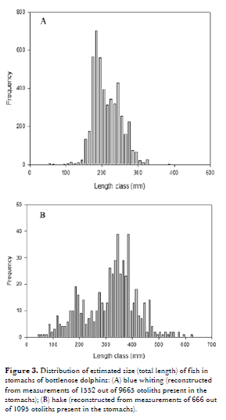
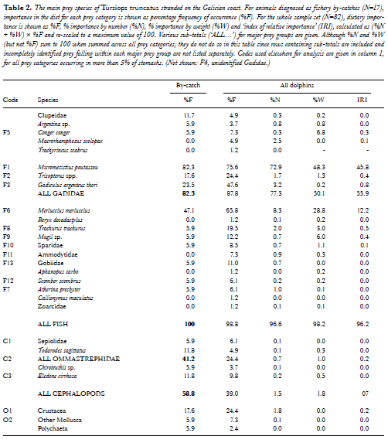
Iberian Peninsula | Bay of Biscay | (Pusineri et al, 2004) | 25 | 1980-1993 | cupleidae | 28.6 | 15.4 | 40.3 | 52.4 | 20.2 | 40.8
 | Asturias | (Arronte et al, 2009) | 9 |  | blue whiting |  | 84.9 | 50 |  | 9 | 39.3 |  |  |  |  | 4.25
 | NW Spain | (Santos, 1998) | 7 | 1990-1996 | blue whiting | 85.7 | 64.87 | 50.02 | 76.2 | 8.49 | 36.55 | 31.7 | 5.5-57.5
 |  | (Santos et al, 2007) | 82 |  | blue whiting | 75.6 | 72.9 | 48.3 | 65.8 | 8.3 | 28.8 | 19/35-40 | 14.6-40.9
 | Portugal | (dos Santos et al, 2007) |  |  | ¿?
 | Cádiz
 | Mediterráneo | (Blanco et al, 2001) |  |  | hake
Northeast Atlantic | France | (De Pierrepont et al, 2005) | 4 | 1998-2003 | Trachurus | 26.7 | 66.7 |  | 0 | 0 | 0
 | Scotland
 | United Kingdom
 | Ireland
 | Feroes islands
 | The Netherlands
 | Denmark
 | Sweden
 | Norway
 | Iceland
Baltic Sea | Germany
 | Poland
Kattegat-Skagerrak | Sweden
Black Sea
Northweast Atlantic | Canada
 | Greenland
Pacific Ocean | Washington
 | California
 | Japan

 | Digestion of otoliths |  |  |  |  |  |  |  |  |  |  |  |  |  |  |  |  |  | (Santos, 1998) Stomach content - Galicia |  | (Santos, 1998) Length prey distribution - Galicia
 | Assessment of errors | (Wijnsma et al, 1999)
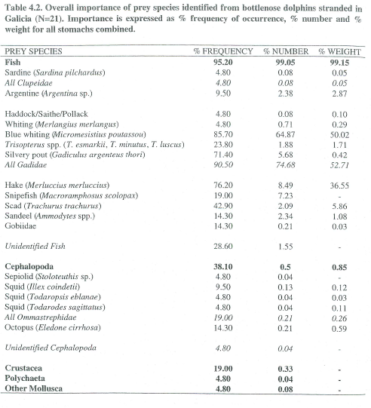
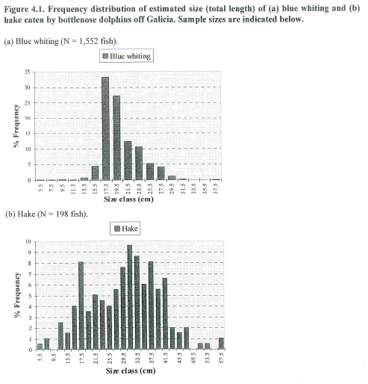

 | Isotope analysis studies (falta)

Northeast Atlantic | The Netherlands
 | Finland
 | Norway
 | North Sea
Iberian Peninsula | NW Spain | (Mèndez-Fernandez et al, 2012)

 | Diet overlap and competition

Northeast Atlantic | France
Pacific Ocean |  | (Trites et al, 1997)

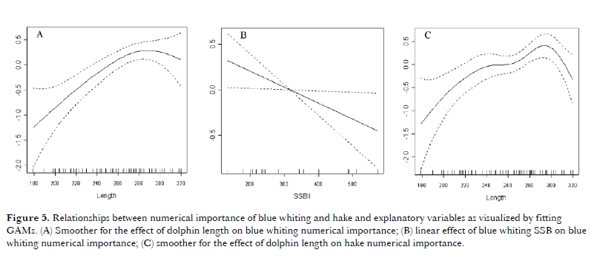
 | Climate change
 |  |  |  |  |  |  |  |  |  |  |  | (Santos et al, 2007) Stock and prey abundance - Galicia
Northeast Atlantic | Scotland

 | Dolphin distribution and prey abundance

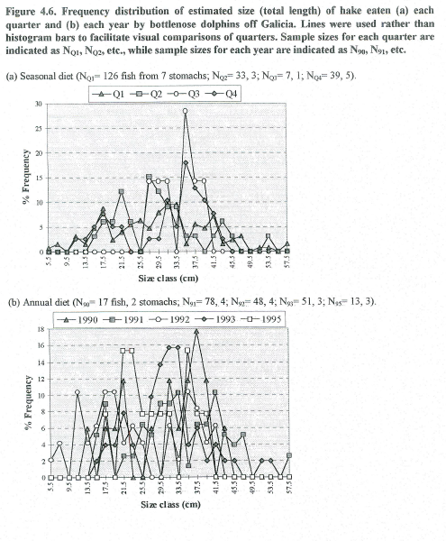
 | NW Spain | (Santos et al, 2007) |  |  |  |  |  |  |  |  |  |  |  |  |  |  |  |  |  |  | (Santos, 1998) Seasonal length prey distribution - Galicia
Northeast Atlantic | Denmark |  |  |  |  |  |  |  |  |  |  |  |  |  |  |  |  |  | (De Pierrepont et al, 2005) Stomach content - English Channel
 | Sweden
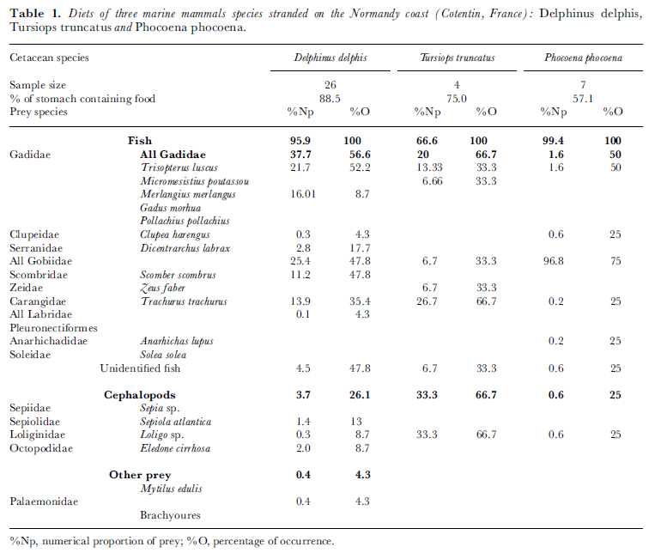
Northwest Atlantic | Vancouver

 | Energetics
 |  |  |  |  | mean.length (m) | mean.weight (kg) | food.kg/day | % food/body.weight
 | Feeding rate | (Sergeant, 1969) | 2 | 1969 | 2 | 168 | 6.8 | 4.2 |  |  | (Trites et al, 1997)
 |  | (Innes et al, 1987)
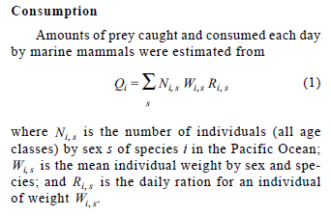
 | Energetics of leaping | (Blake, 1983)
 | Metabolic rates | (Lavigne et al, 1986)
 | Narwhal whale | (Laidre et al, 2004)
 | Mammals | (Sieg et al, 2009)

 | Food consumption estimation

Northeast Atlantic | NW Sapin | (Santos et al, 2007)
 | France | (Pusineri et al, 2004)
 | Iceland
Northweast Atlantic (Kenney et al, 1997) | Canada
 | California | (Barlow et al, 2008)

 | Prey energetic contenct estimation |  |  |  |  |  |  |  |  |  |  |  |  |  |  |  |  | (Pusineri et al, 2004) Stomach content - Bay of Biscay and Western Channel

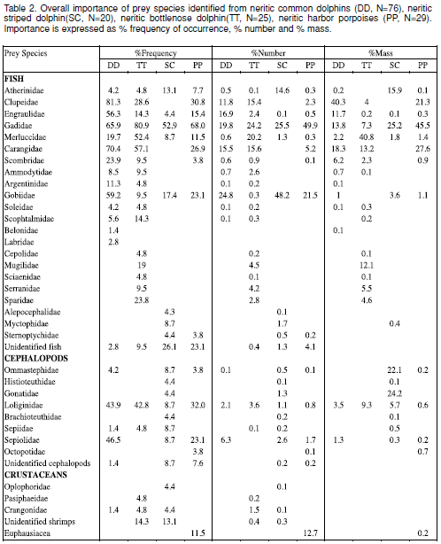
 | Bay of Biscay

 | Trophic level
 | (Pauly et al, 1998) | 4.2

