Sheet1
Bug ID | Title | Steps to reproduce Expected Result | Expected Result | Actual Result | Priority | Reported Date | Test Environment
1 | Autoplay button off | 1. Click on ''Video'' 2.Click on ''Download''button 3. Click on ''Autoplay'' button | The video should not be autoplayed | The video should be autoplayed | Medium | 13/3/2024 | Mobile app platform: Android (vivo1908_19- Android version 8.1.0 )
2 | Inappropriate video | 1. Click on ''Home '' | Inappropriate video should not be on the playlist | 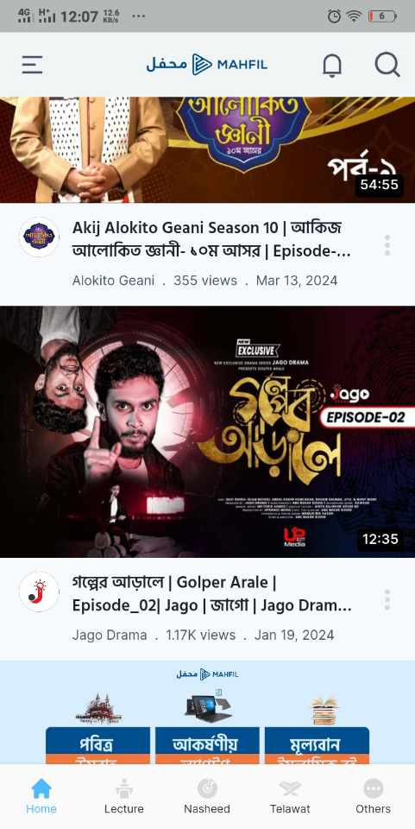 Inappropriate videos show the playlist | High | 13/3/2024 | Mobile app platform: Android (vivo1908_19- Android version 8.1.0 )
3 | Download the video | 1.Click on ''Video'' 2.Click on ''Download'' button | The video should be downloaded successfully | 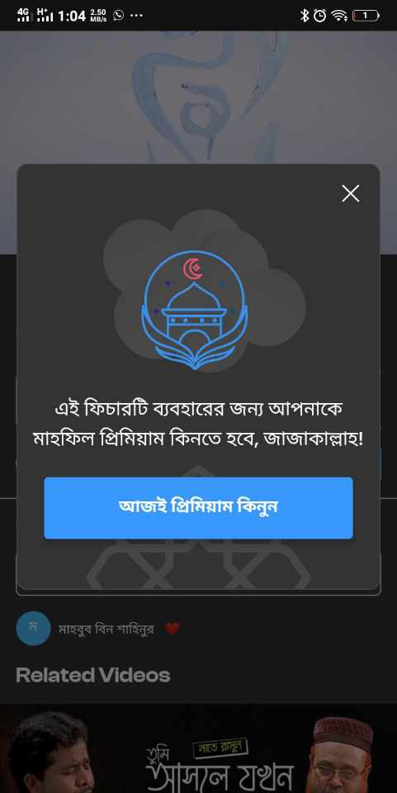 The video is not downloaded successfully | High | 13/3/2024 | Mobile app platform: Android (vivo1908_19- Android version 8.1.0 )
4 | Salad reminder(Notification) | Click on ''Notification'' button | Users should be reminded of the notification | 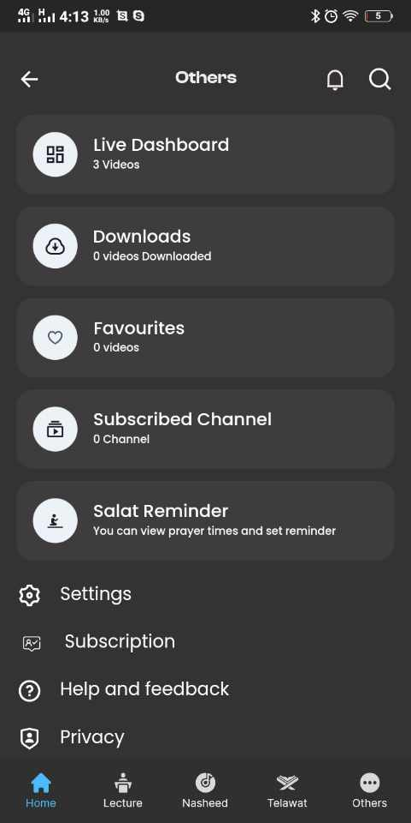 Notification is not show | High | 13/3/2024 | Mobile app platform: Android (vivo1908_19- Android version 8.1.0 )

