Correlation
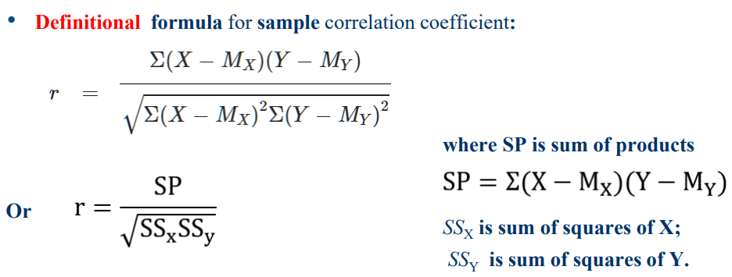
 | X | Mx | X - Mx | (X - Mx)^2 | Y | My | Y - My | (Y - My)^2 | (X-Mx)(Y-My)
Home 1 | 2.01 | 2.69 | -0.68 | 0.46 | 730 | 1018.73 | -288.73 | 83366.94 | 195.62
Home 2 | 2.65 | 2.69 | -0.04 | 0.00 | 909.2 | 1018.73 | -109.53 | 11997.55 | 4.11
Home 3 | 2.43 | 2.69 | -0.26 | 0.07 | 1007.6 | 1018.73 | -11.13 | 123.95 | 2.87
Home 4 | 2.89 | 2.69 | 0.20 | 0.04 | 1300.8 | 1018.73 | 282.07 | 79561.60 | 57.12
Home 5 | 2.55 | 2.69 | -0.14 | 0.02 | 900.4 | 1018.73 | -118.33 | 14002.78 | 16.27
Home 6 | 3 | 2.69 | 0.31 | 0.10 | 1260 | 1018.73 | 241.27 | 58209.60 | 75.40
Home 7 | 3.22 | 2.69 | 0.53 | 0.28 | 1470 | 1018.73 | 451.27 | 203641.60 | 240.30
Home 8 | 2.37 | 2.69 | -0.32 | 0.10 | 883.2 | 1018.73 | -135.53 | 18369.28 | 43.03
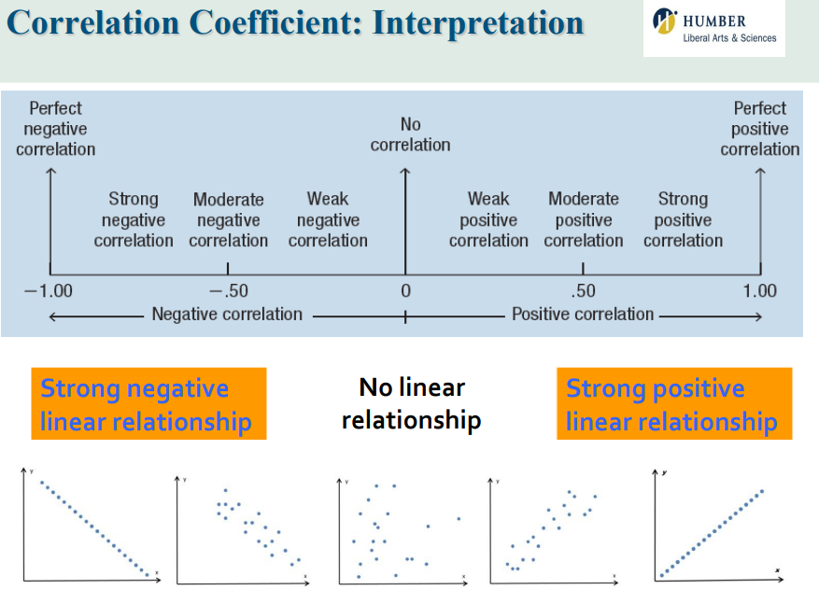
Home 9 | 2.91 | 2.69 | 0.22 | 0.05 | 1066 | 1018.73 | 47.27 | 2234.14 | 10.52
Home 10 | 2.56 | 2.69 | -0.13 | 0.02 | 1044 | 1018.73 | 25.27 | 638.40 | -3.22
Home 11 | 2.25 | 2.69 | -0.44 | 0.19 | 710 | 1018.73 | -308.73 | 95316.27 | 135.07
Home 12 | 3.41 | 2.69 | 0.72 | 0.52 | 943.6 | 1018.73 | -75.13 | 5645.02 | -54.28
 | 32.25 |  |  | 1.85 | 12224.80 |  |  | 573107.15 | 722.79
 | 2.69 |  |  |  | 1018.73
 | average
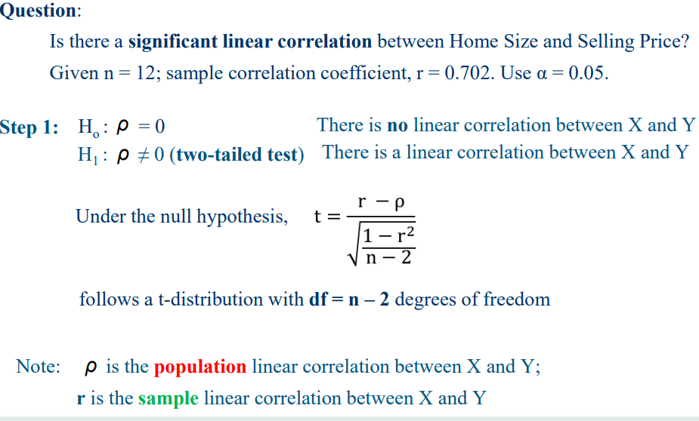
 |  | r | 0.7023665237 | Calculated by formula

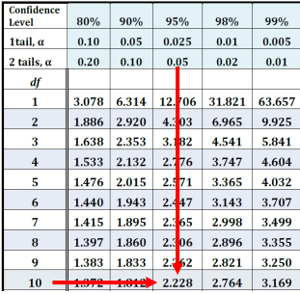
 |  | Using Excel Formula
Peasron Correlation coefficient |  |  | r = | 0.702 | calculated by Excel
r-sqared | 0.493
n | 12
df | 10
t-stat | 3.1203002099 | >t_crit
alpha | 0.05
t-critical | 2.228 | formula

H0 | FALSE | reject H0
Data suggest significant correlation

Regression
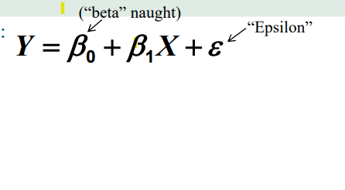
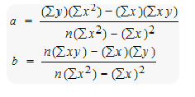
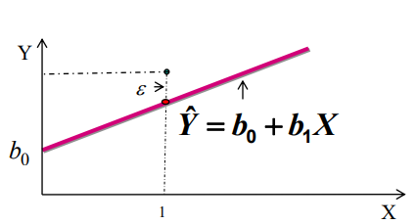
Period | Home Size, X | Selling Price, Y
Home 1 | 2.01 | 730
Home 2 | 2.65 | 909.2
Home 3 | 2.43 | 1007.6
Home 4 | 2.89 | 1300.8
Home 5 | 2.55 | 900.4
Home 6 | 3 | 1260
Home 7 | 3.22 | 1470
Home 8 | 2.37 | 883.2
Home 9 | 2.91 | 1066
Home 10 | 2.56 | 1044 | Data-Data Analysis->Regression
Home 11 | 2.25 | 710
Home 12 | 3.41 | 943.6
Mean |  | 1018.733 | SUMMARY OUTPUT

 |  |  | Regression Statistics
x | 2.010 |  | Multiple R | 0.7023665237
intercept | -1.147 | r | R Square | 0.49331873362 | SSR/SST | 0.49331873362
x-coefficient | 34.135 |  | Adjusted R Square | 0.44265060698
y-predicted | 67.464 |  | Standard Error | 170.40617795 |  | MS=SS/df
y-real | 730.000 |  | Observations | 12

 |  |  | ANOVA
 |  |  |  | df | SS | MS | F | Significance F
 |  |  | Regression | 1 | 282724.49182 | 282724.49182 | 9.7362734001 | 0.010868421513
 |  |  | Residual | 10 | 290382.65485 | 29038.265485
 |  |  | Total | 11 | 573107.14667
Total deviation | -288.733
Explained deviation | -951.269 |  |  | Coefficients | Standard Error | t Stat | P-value | Lower 95% | Upper 95% | Lower 95.0% | Upper 95.0%
Unexplained | 662.536 |  | Intercept | -32.501564452 | 340.47424079 | -0.095459686983 | 0.9258355594 | -791.12544847 | 726.12231956 | -791.12544847 | 726.12231956
 |  |  | Home Size, X | 391.15717127 | 125.35882606 | 3.1203002099 | 0.010868421513 | 111.84030049 | 670.47404205 | 111.84030049 | 670.47404205
Sum of Squares Regression | 282724.49182
Sum of Squares Error | 290382.65485
Total Sum of Squares | 573107.14667

F_TEST(ANOVA)

Interpret_Multiple_regression
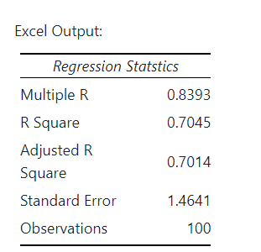
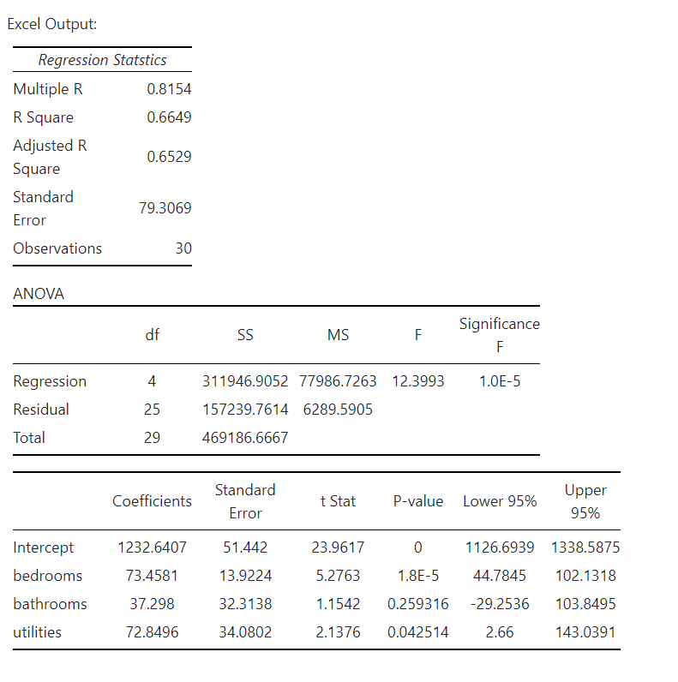
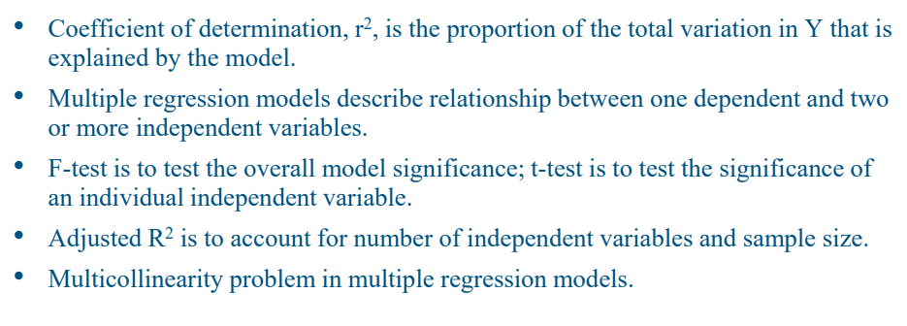

r-sq | 0.6649
unexplained | 0.3351

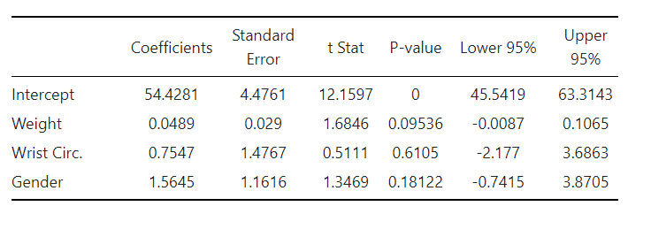
x1 | 1
x2 | 2
x3 | 0 | female
intercept | 1231.6407
x1-coef | 73.4581
x2-coef | 37.298
x3-coef | 72.8496

prediction | 1380 |  |  | Check VF for multicollinearity

actual | 67.34

residual error | -1312.35 |  | two deciaml places

Since females were assigned a value of 0, they are the default group. Thus, for groups of males and females with the same weight and the same wrist circumference, we would expect the males to be 1.5645 inches taller than the females.

CHi-independance
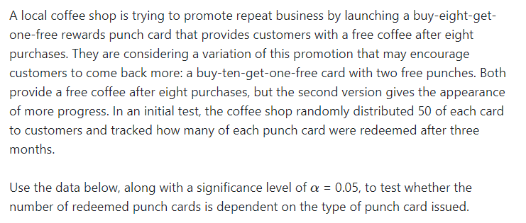
Observed frequencies
 |  | redeem | not redeem | Total
 | c1 | 10 | 40 | 50
 | c2 | 18 | 32 | 50
 | Total | 28 | 72 | 100 |  |  |  | 0.2

SOLUTION |  |  |  | two categorical variables

 | H0: Gender and Factor are independent (expected frequency )
 | H1: Gender and Factor are not independent (i.e. are dependent)

 | Expected Frequencies:

 |  | Alive | Dead
 | Blue | 14.0000 | 36.0000 | 50 | 50.0000 | expected : Row_total*Column_total/Total
 | Gold | 14.0000 | 36.0000 | 50 | 50.0000
 | total | 28 | 72 | 100 | 100.0000
 | check | 28.0000 | 72.0000 | 100.0000

Pearson residuals.
(O-E) |  | Alive | Dead
 | Blue | -4.0000 | 4.0000 |  |  | They should be pared
 | Gold | 4.0000 | -4.0000

 | (O-E)^2

 |  | Alive | Dead | Total
 | Blue | 16.0000 | 16.0000 | 32.0000
 | Gold | 16.0000 | 16.0000

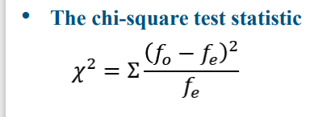
 | (O-E)^2/E
Pearson residuals
 |  | Alive | Dead
 | Blue | 1.1429 | 0.4444
 | Gold | 1.1429 | 0.4444

 | Test Statistic = |  | 3.1746

 | Critical Value = |  | 3.841
 | alpha: | 0.05
 | rows | 2
 | columns | 2
 | df: | 1

 | Accept H0 Non significant assosiation

 |  |  |  |  |  |  | csc

Chi- equal prop -god of fit1
Type | Observed | Expected | Pearson Residuals
 | fo | fe | (fo−fe)^2/fe
1 | 242 | 227.574 | 0.914
2 | 130 | 133.245 | 0.079
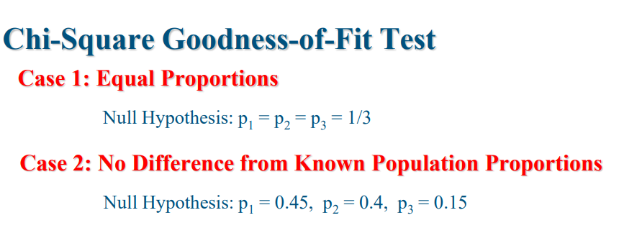
3 | 51 | 62.181 | 2.010
SUM | 423 | 423 | 3.004

n | 3
Chi-test | 0.5

df | 2
alpha | 0.1
Chi-crit | 4.605

 |  |  |  | Unable to conclude the alternative

Chi-good-of-fit
Category | Observed | Expected | Pearson Residuals | Percentage in population
 | fo | fe | (fo−fe)2/fe
1 | 242 | 227.574 | 0.914 | 53.8%
2 | 130 | 133.245 | 0.079 | 31.5%
3 | 51 | 62.181 | 2.010 | 14.7%
Total | 423 | 423.000 | 3.004 | 100.0%
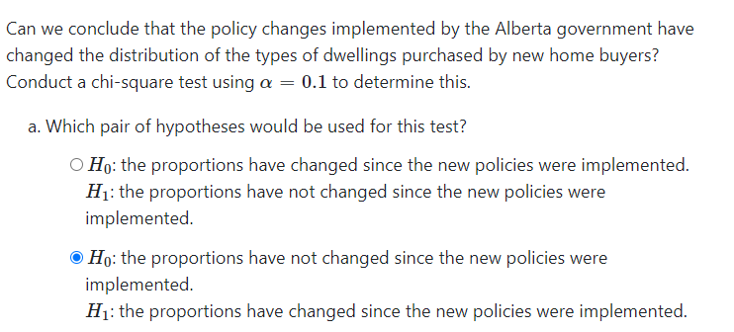
Chi-stat | 3.004 | >Chi-crit
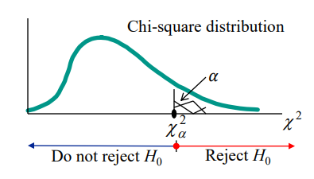
n | 3
df | 2
alpha | 0.1
Chi-crit | 4.605

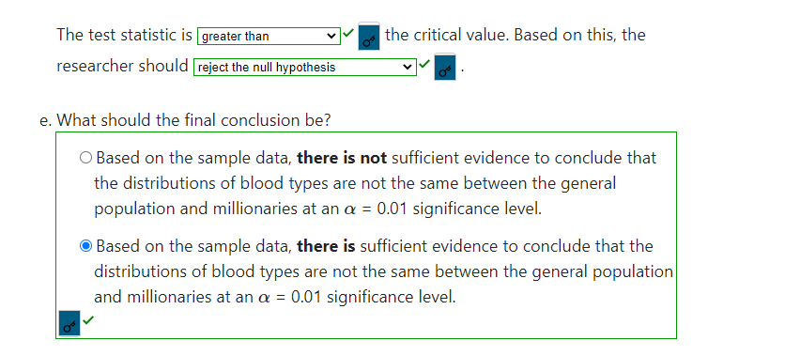

fdfdfdf

Binomial
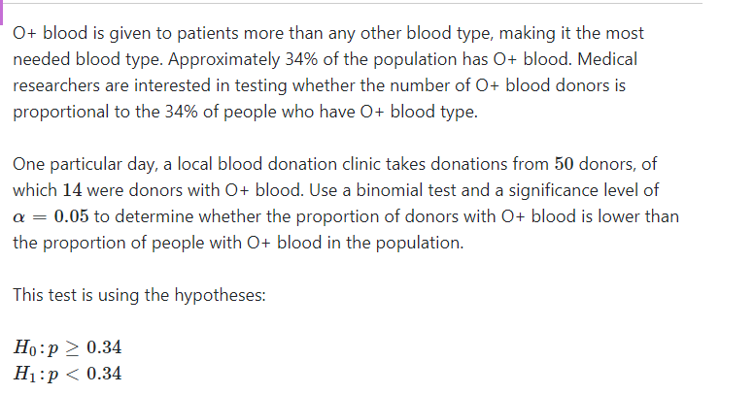
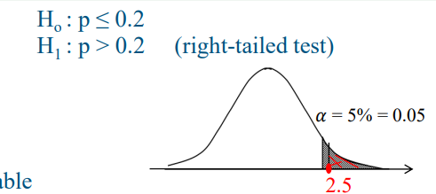
p | 20%
q | 80.00%
n | 60 |  | left-tailed test
X | 22

alpha | 0.1

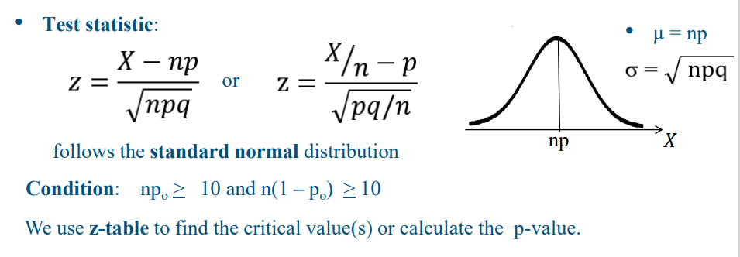
Z-test | 3.227
Z-Crit | -1.282 | Excel function with 0 mean and sigma=1
 |  | for left-tailed use alpha
 |  | for righ-test use 100-alpha
 |  | for other use alpha/2

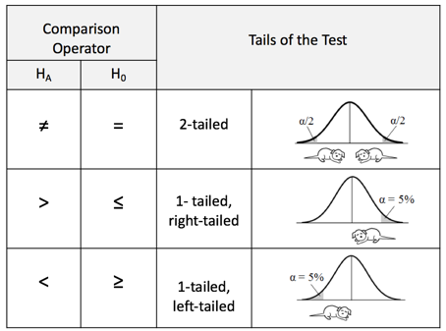

Test the proportion in sample vs population with 2 categories (Success/Failour)

Sign test
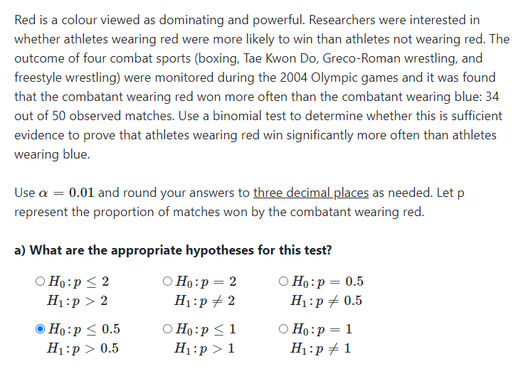
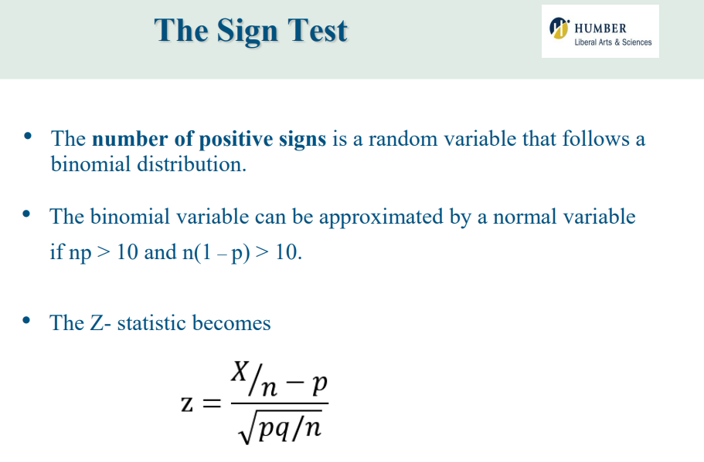
 | propability of reduction of simptmos or vice versa

n | 50
X | 34
p | 0.5 | H0: P<=50% winning if wearing red
q | 0.5 | H1:p >50%

alpha | 0.01

Z-Crit | 2.326 | rtight taled test- poaitive

Z-stat | 2.546

recect H0, there is suffucuent evidence that the red wins frequently

