MA_timeframes
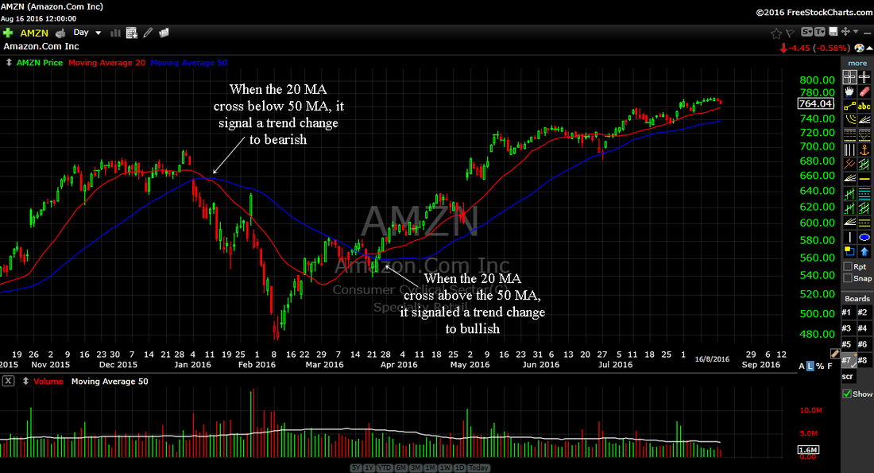
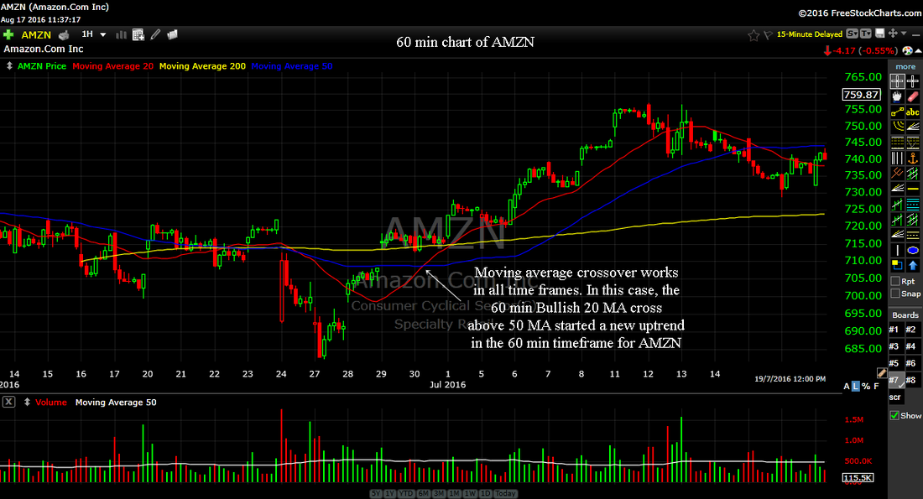

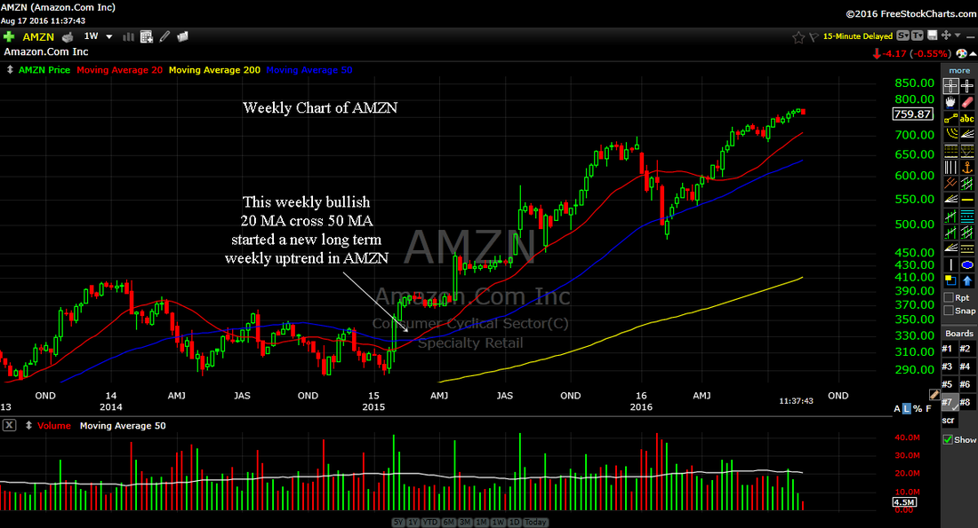
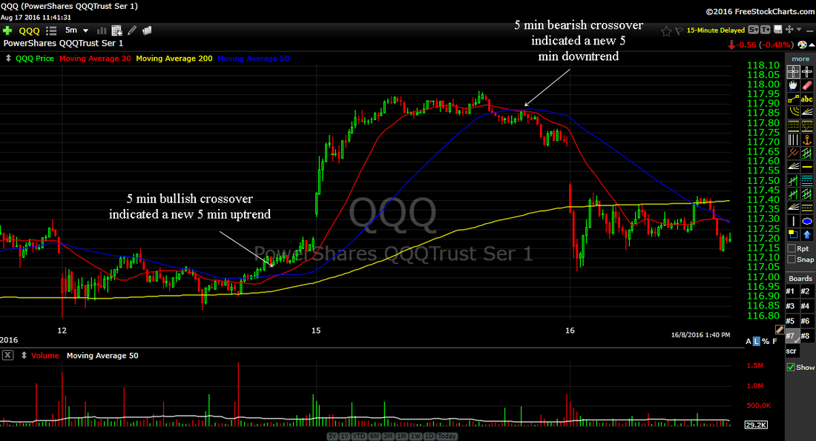

In the chart above, you can see the weekly chart of AMZN. There was a weekly bullish crossover in early 2015. This told investors that AMZN is starting a new uptrend. From there you would have extra confidence in the success of daily buy setups. | A 5 min crossover tells us of the intraday trend. Ideally, if you want to buy stocks, the major indexes should have just experienced a 5 min bullish crossover or at least above its 5 min 20 MA and 50 MA. When you are about to enter a stock and see a bearish crossover just happened in the S&P 500, you might want to reconsider your longs. That's because the bearish crossover is telling us a drop in the major indexes may be happening and that may drag your stock down with it making you lose money right after you enter your stock.

Sheet2
