armadillo
`
09.17 작성, mesh 구멍 다메꿈

Target: 원본 obj 파일
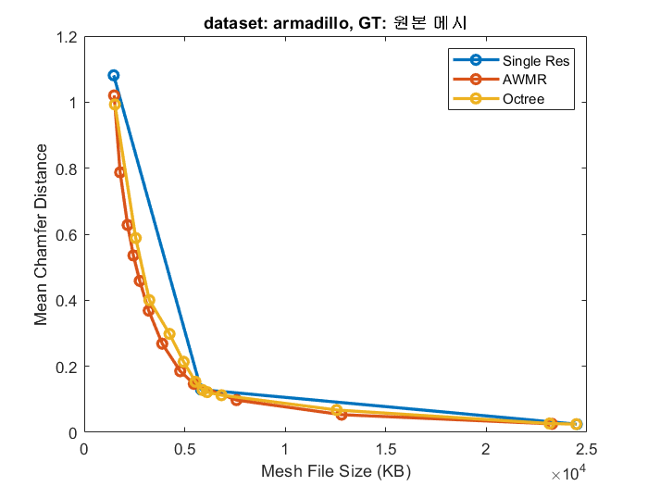
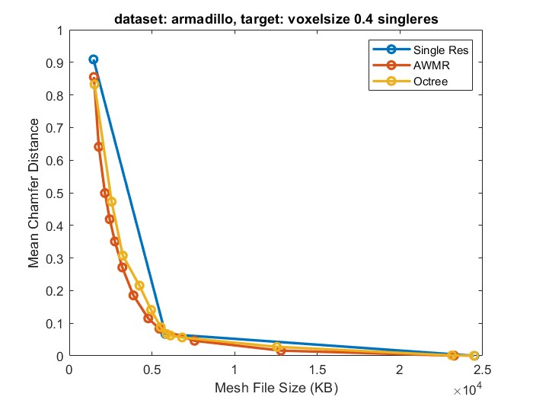
SingleRes
resolution (finest vx = 0.5) | d8v0.4 | d16v0.8 | d32v1.6
ply file size | 1464 | 5813 | 24496
Mean Chamfer (target: obj mesh) | 1.0813195705 | 0.12929876149 | 0.024517307058
Mean Chamfer (target: d32v1.5 finest mesh) | 9.09E-01 | 0.06706058234 | 2.67E-25
AWMR
voxsize=0.5
thres | 0.0005 | 0.0003 | 0.00025 | 0.00022 | 0.0002 | 0.00018 | 0.00015 | 0.00012 | 0.0001 | 7.00E-05 | 4.00E-05 | 1.00E-05
ply file size | 1488 | 1786 | 2157 | 2445 | 2760 | 3206 | 3879 | 4774 | 5451 | 7573 | 12798 | 23266
Mean Chamfer (target: obj mesh) | 1.020257 | 0.787427 | 0.627899 | 0.535684 | 0.458563 | 0.368455 | 0.268313 | 0.185127 | 0.146813 | 0.097547 | 0.053438 | 0.025603
Mean Chamfer (target: d32v1.5 finest mesh) | 0.855209 | 0.641007 | 0.499014 | 0.418811 | 0.350635 | 0.271123 | 0.185221 | 0.114813 | 0.083134 | 0.046066 | 0.01597 | 0.000497
Octree
voxsize=0.5
thres | 0.0005 | 0.0003 | 0.00025 | 0.00022 | 0.0002 | 0.00018 | 0.00015 | 0.00012 | 0.0001 | 7.00E-05 | 4.00E-05 | 1.00E-05
ply file size | 1525 | 2561 | 3237 | 4241 | 4944 | 5531 | 5887 | 6113 | 6824 | 12553 | 23142 | 24470
Mean Chamfer (target: obj mesh) | 0.992889 | 0.588371 | 0.400367 | 0.298153 | 0.213543 | 0.153145 | 0.127945 | 0.121802 | 0.112428 | 0.067541 | 0.026715 | 0.024685
Mean Chamfer (target: d32v1.5 finest mesh) | 0.832329 | 0.472623 | 0.307177 | 0.215298 | 0.140914 | 0.088059 | 0.066818 | 0.062457 | 0.05624 | 0.027525 | 0.00135 | 0.000106

 |  |  |  |  |  |  |  |  |  |  |  |  | 6126 | 6485
 |  |  |  |  |  |  |  |  |  |  |  |  | 0.11962330341 | 0.10810331255
 |  |  |  |  |  |  |  |  |  |  |  |  | 0.068437196314 | 0.060405347496

dragon
`
09.17 작성, mesh 구멍 다메꿈

Target: 원본 obj 파일
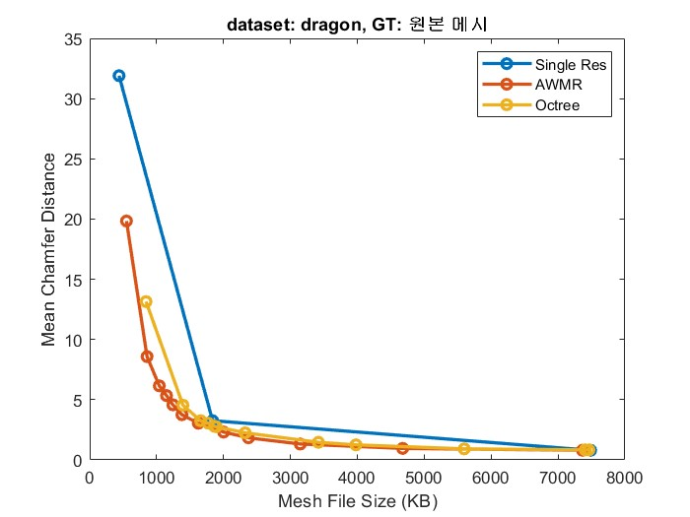
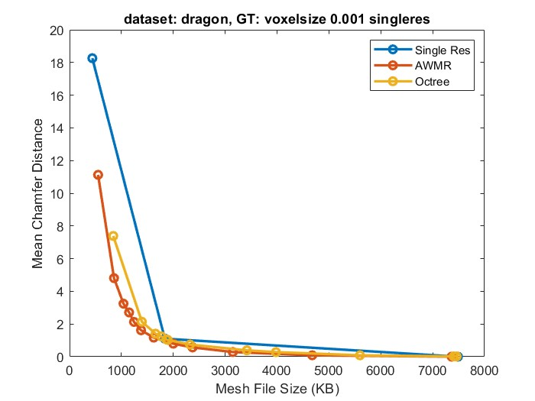
SingleRes
resolution (finest vx = 0.001) | d8v0.004 | d16v0.002 | d32v0.001
ply file size | 439 | 1837 | 7487
Mean Chamfer (target: obj mesh) | 31.902366638 | 3.2570073605 | 0.79840046167
Mean Chamfer (target: d32v1.5 finest mesh) | 18.26202774 | 1.1021296978 | 0
AWMR
voxsize=0.001
thres | 0.0005 | 0.0003 | 0.00025 | 0.00022 | 0.0002 | 0.00018 | 0.00015 | 0.00012 | 0.0001 | 7.00E-05 | 4.00E-05 | 1.00E-05
ply file size | 550 | 857 | 1040 | 1148 | 1243 | 1379 | 1623 | 2001 | 2372 | 3147 | 4678 | 7365
Mean Chamfer (target: obj mesh) | 19.836549759 | 8.5800275803 | 6.1479659081 | 5.3381233215 | 4.5745396614 | 3.7504990101 | 3.0433042049 | 2.311371088 | 1.8301692009 | 1.3187378645 | 0.95279628038 | 0.80052143335
Mean Chamfer (target: d32v1.5 finest mesh) | 11.126276016 | 4.8066287041 | 3.2427363396 | 2.7078948021 | 2.126691103 | 1.6179051399 | 1.166977644 | 0.79582697153 | 0.56773549318 | 0.28497430682 | 0.086907587945 | 0.0017382518854
Octree
voxsize=0.001
thres | 0.0005 | 0.0003 | 0.00025 | 0.00022 | 0.0002 | 0.00018 | 0.00015 | 0.00012 | 0.0001 | 7.00E-05 | 4.00E-05 | 1.00E-05
ply file size | 842 | 1394 | 1658 | 1770 | 1866 | 1892 | 2323 | 3418 | 3979 | 5598 | 7406 | 7462
Mean Chamfer (target: obj mesh) | 13.142881393 | 4.541536808 | 3.2521085739 | 3.051192522 | 2.7882506847 | 2.7535281181 | 2.2478044033 | 1.4603872299 | 1.247834444 | 0.91700065136 | 0.83192551136 | 0.83066982031
Mean Chamfer (target: d32v1.5 finest mesh) | 7.3864479065 | 2.1384773254 | 1.4068237543 | 1.2407735586 | 1.0581644773 | 1.0258667469 | 0.74155175686 | 0.38884598017 | 0.28076559305 | 0.086024850607 | 0.01831606403 | 0.016976779327
AWMR (distance 측정 v2)
voxsize=0.001
thres | 0.08 | 0.127 | 0.201 | 0.318 | 0.505 | 0.8 | 1.268 | 2.01
ply file size | 3052 | 2463 | 2038 | 1615 | 1306 | 1057 | 782 | 595
Mean Chamfer (target: obj mesh) | 1.4937181473 | 1.888835907 | 2.5569844246 | 3.3079886436 | 4.4208903313 | 6.6845021248 | 9.8983249664 | 15.514717102
Mean Chamfer (target: d32v1.5 finest mesh) | 0.40819019079 | 0.6521935463 | 0.96898335218 | 1.3596982956 | 2.1102602482 | 3.5532650948 | 5.7056536674 | 8.9070034027
AWMR (distance 측정 v2 + if True)
voxsize=0.001
thres | 0.08 | 0.127 | 0.201 | 0.318 | 0.505 | 0.8 | 1.268 | 2.01
ply file size | 3212 | 2582 | 2161 | 1713 | 1352 | 1121 | 802 | 618
Mean Chamfer (target: obj mesh) | 1.3708995581 | 1.7358349562 | 2.2213039398 | 2.850651741 | 4.2497982979 | 5.8029923439 | 9.3013772964 | 13.721227646
Mean Chamfer (target: d32v1.5 finest mesh) | 0.34855985641 | 0.58618837595 | 0.86074209213 | 1.2203469276 | 1.9593106508 | 3.0657441616 | 5.3323163986 | 8.2447633743
Octree (distance 측정 v2)
voxsize=0.001
thres | 0.08 | 0.127 | 0.201 | 0.318 | 0.505 | 0.8 | 1.268 | 2.01
ply file size | 5523 | 4016 | 3026 | 2229 | 1972 | 1909 | 1485 | 1030
Mean Chamfer (target: obj mesh) | 0.925833762 | 1.230123639 | 1.665359259 | 2.446929932 | 2.756895781 | 2.801748276 | 4.049500942 | 8.314495087
Mean Chamfer (target: d32v1.5 finest mesh) | 0.093331195 | 0.276797682 | 0.515340149 | 0.825418591 | 0.964923263 | 0.988498688 | 1.756400824 | 4.763682842
SingleRes
resolution (finest vx = 0.00075) | d8v0.003 | d16v0.0015 | d32v0.00075
ply file size | 814 | 3338 | 13858
Mean Chamfer (target: obj mesh) | 13.304190636 | 1.6626862288 | 0.65283966064
Mean Chamfer (target: d32v1.5 finest mesh) | 6.5650744438 | 0.3856562674 | 7.67E-26
AWMR
resolution (finest vx = 0.00075)
thres | 0.0005 | 0.0003 | 0.00025 | 0.00022 | 0.0002 | 0.00018 | 0.00015 | 0.00012 | 0.0001 | 7.00E-05 | 4.00E-05 | 1.00E-05
ply file size | 917 | 1272 | 1499 | 1702 | 1841 | 2042 | 2370 | 2920 | 3503 | 4615 | 7058 | 13391
Mean Chamfer (target: obj mesh) | 8.8680400848 | 4.5528883934 | 3.4504461288 | 2.8519403934 | 2.6569161415 | 2.341812849 | 1.9358071089 | 1.5122250319 | 1.2201565504 | 0.97532737255 | 0.7422927022 | 0.65616428852
Mean Chamfer (target: d32v1.5 finest mesh) | 4.5485973358 | 2.2380566597 | 1.6478159428 | 1.2691591978 | 1.1250380278 | 0.92731845379 | 0.66949903965 | 0.42747583985 | 0.29011595249 | 0.15177208185 | 0.049846515059 | 0.0019612938631
Octree
resolution (finest vx = 0.00075)
thres | 0.0005 | 0.0003 | 0.00025 | 0.00022 | 0.0002 | 0.00018 | 0.00015 | 0.00012 | 0.0001 | 7.00E-05 | 4.00E-05 | 1.00E-05
ply file size | 1198 | 2191 | 2457 | 2666 | 2871 | 3107 | 3582 | 4528 | 5667 | 8035 | 12382 | 13836
Mean Chamfer (target: obj mesh) | 6.5623688698 | 2.5342135429 | 2.0936448574 | 1.9277095795 | 1.8049179316 | 1.5952326059 | 1.3246021271 | 1.0743256807 | 0.92746669054 | 0.75215399265 | 0.67208856344 | 0.66558980942
Mean Chamfer (target: d32v1.5 finest mesh) | 3.499019146 | 1.0483244658 | 0.76265496016 | 0.62763607502 | 0.54762780666 | 0.46125519276 | 0.33854174614 | 0.22731664777 | 0.15558817983 | 0.067177630961 | 0.013106483966 | 0.0058592832647

thai
`
09.17 작성, mesh 구멍 다메꿈

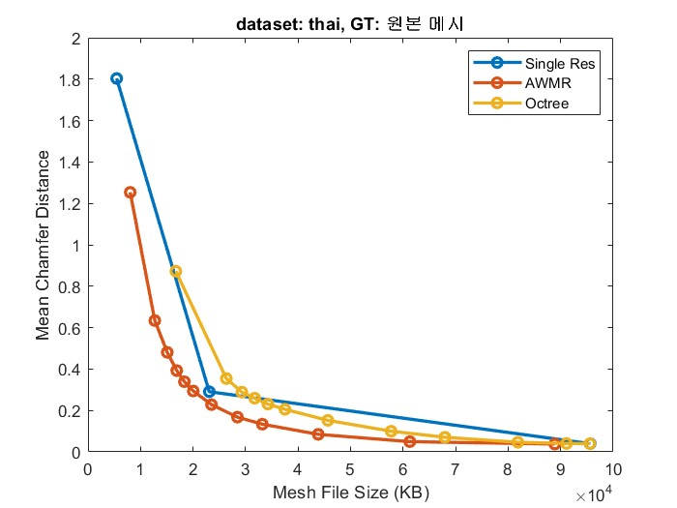
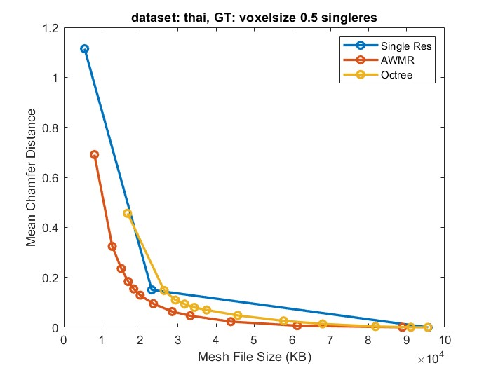
Target: 원본 obj 파일

SingleRes
resolution (finest vx = 0.5) | d8v0.5 | d16v1 | d32v2
ply file size | 5454 | 23084 | 95643
Mean Chamfer (target: obj mesh) | 1.8033956289 | 0.29055312276 | 0.039680272341
Mean Chamfer (target: d32v1.5 finest mesh) | 1.1143738031 | 0.1498209089 | 7.12E-22
AWMR
voxsize=0.5
thres | 0.0005 | 0.0003 | 0.00025 | 0.00022 | 0.0002 | 0.00018 | 0.00015 | 0.00012 | 0.0001 | 7.00E-05 | 4.00E-05 | 1.00E-05
ply file size | 8032 | 12724 | 15087 | 16897 | 18358 | 20039 | 23515 | 28449 | 33190 | 43843 | 61283 | 88884
Mean Chamfer (target: obj mesh) | 1.253463268 | 0.63424474 | 0.480495691 | 0.392630756 | 0.338893741 | 0.294017226 | 0.228128165 | 0.167760611 | 0.133728325 | 0.084713444 | 0.049374118 | 0.037873693
Mean Chamfer (target: d32v1.5 finest mesh) | 0.691085577 | 0.323807329 | 0.234793738 | 0.1832387 | 0.153616577 | 0.128667295 | 0.094346844 | 0.063253105 | 0.046508167 | 0.022955019 | 0.006597809 | 0.000179018
Octree
voxsize=0.5
thres | 0.0005 | 0.0003 | 0.00025 | 0.00022 | 0.0002 | 0.00018 | 0.00015 | 0.00012 | 0.0001 | 7.00E-05 | 4.00E-05 | 1.00E-05
ply file size | 16721 | 26340 | 29293 | 31732 | 34251 | 37501 | 45675 | 57721 | 67971 | 81851 | 91108 | 95566
Mean Chamfer (target: obj mesh) | 0.872626662 | 0.354203403 | 0.288608581 | 0.259243757 | 0.230788067 | 0.205582529 | 0.152168989 | 0.099805102 | 0.07057403 | 0.046379302 | 0.040626306 | 0.039847583
Mean Chamfer (target: d32v1.5 finest mesh) | 0.456188083 | 0.147361115 | 0.109383203 | 0.093024462 | 0.079808302 | 0.069462433 | 0.04788442 | 0.02601802 | 0.013767195 | 0.003281135 | 0.000440089 | 7.46E-05

soldier
`
09.17 작성, mesh 구멍 다메꿈

Target: 원본 obj 파일
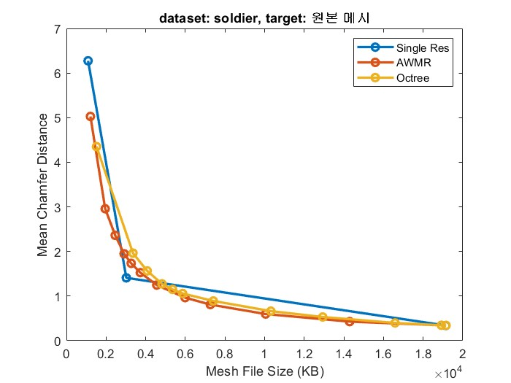
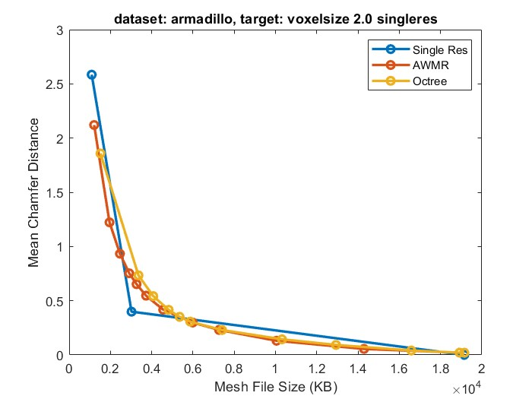
SingleRes
resolution (finest vx = 2.0) | d8v2 | d16v1 | d32v0.5
ply file size | 1093 | 3023 | 19148
Mean Chamfer (target: obj mesh) | 6.2739906311 | 1.4090141058 | 0.33997645974
Mean Chamfer (target: d32v1.5 finest mesh) | 2.5844609737 | 0.39885699749 | 0.00E+00
AWMR
voxsize=2.0
thres | 0.0005 | 0.0003 | 0.00025 | 0.00022 | 0.0002 | 0.00018 | 0.00015 | 0.00012 | 0.0001 | 7.00E-05 | 4.00E-05 | 1.00E-05
ply file size | 1211 | 1956 | 2461 | 2911 | 3267 | 3727 | 4557 | 5986 | 7263 | 10050 | 14290 | 18918
Mean Chamfer (target: obj mesh) | 5.027236938 | 2.957444668 | 2.361783504 | 1.948409796 | 1.734214544 | 1.526322603 | 1.247902513 | 0.964708269 | 0.809518576 | 0.597597063 | 0.427763343 | 0.345556676
Mean Chamfer (target: d32v1.5 finest mesh) | 2.120433092 | 1.222827792 | 0.93347019 | 0.753000975 | 0.652432382 | 0.546380043 | 0.41727525 | 0.298526436 | 0.230726853 | 0.130730897 | 0.055189472 | 0.020944092
Octree
voxsize=2.0
thres | 0.0005 | 0.0003 | 0.00025 | 0.00022 | 0.0002 | 0.00018 | 0.00015 | 0.00012 | 0.0001 | 7.00E-05 | 4.00E-05 | 1.00E-05
ply file size | 1518 | 3359 | 4076 | 4823 | 5353 | 5866 | 7411 | 10316 | 12932 | 16582 | 18921 | 19154
Mean Chamfer (target: obj mesh) | 4.350813866 | 1.962372661 | 1.564498425 | 1.273162007 | 1.150324702 | 1.058097124 | 0.890636861 | 0.66270721 | 0.530846536 | 0.398098141 | 0.345806599 | 0.343445033
Mean Chamfer (target: d32v1.5 finest mesh) | 1.857688069 | 0.733825207 | 0.542225242 | 0.415489495 | 0.351367503 | 0.306912988 | 0.229493111 | 0.144140065 | 0.092037447 | 0.040634785 | 0.020918479 | 2.01E-02

