Heuristics
Heuristic | Additional questions related to heuristic | Rate the dashboard on a Likert scale ranging from strong violation <> weak violation <> weak application <> strong application, and qualify with additional details. If the heuristic applies, then describe how. If the heuristic is violated, then describe suggestions, alternatives, fixes to the dashboard to satisfy the heuristic. Add relevant screenshots and visuals.
The dashboard supports specific analytical questions or tasks. | If so, what task does the dashboard support? | Strong application: The story gives information about % renewable energy consumption trends by 7 regions, 261 different countries, 4 income groups across 28 years. It also provides line graph,map, piechart for the same aiding visualization. | 
The user should be able to explore the data using the dashboard. | If the user is unable to explore the data, why? | Stong application: The dashboard is made user-friendly and easy to understand, previously the data and charts in the dashboard were cluttered, now we made the dashboard in the form of a story | 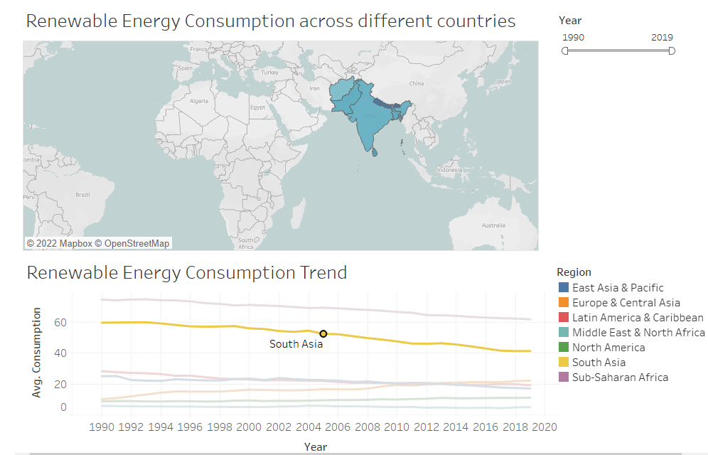
It is clear to the user where they need to start interacting with the dashboard. |  | Strong Application: There are different categories formed in the home page for each type of information and the flow of the story tells the rest.
The charts in the dashboard support tasks that represent the overall intended goal to the user. |  | Strong application: The charts used in the dashbaord are with proper labels and legends, revealing overall intended goal to the user. | Screenshots attached with Rows 4 to be referred.
There is a clear reading order within the dashboard and is it logical (e.g., top-down, bottom-up). |  | Strong application: Top-down reading order is used and two different sheets are also formed to make it easier for users to access energy consumption, regionwise and income group details | Screenshots attached with Rows 3 to be referred.
The text in the dashboard is legible, easy to read, and useful. The different parts of the chart (e.g. titles, captions, or narration) are well-described. |  | Strong application: Titles are defined with chart and proper legends and narrations. There is no issue with font, its color and alignment. | Screenshots attached with Row 3 to be referred.
The charts in the dashboard clearly identify, compare, or summarize a particular aspect of the data. |  | Strong application: The charts clearly identifies the aspects of data and has divided it into two categories to maintain and give the real essence of data. | 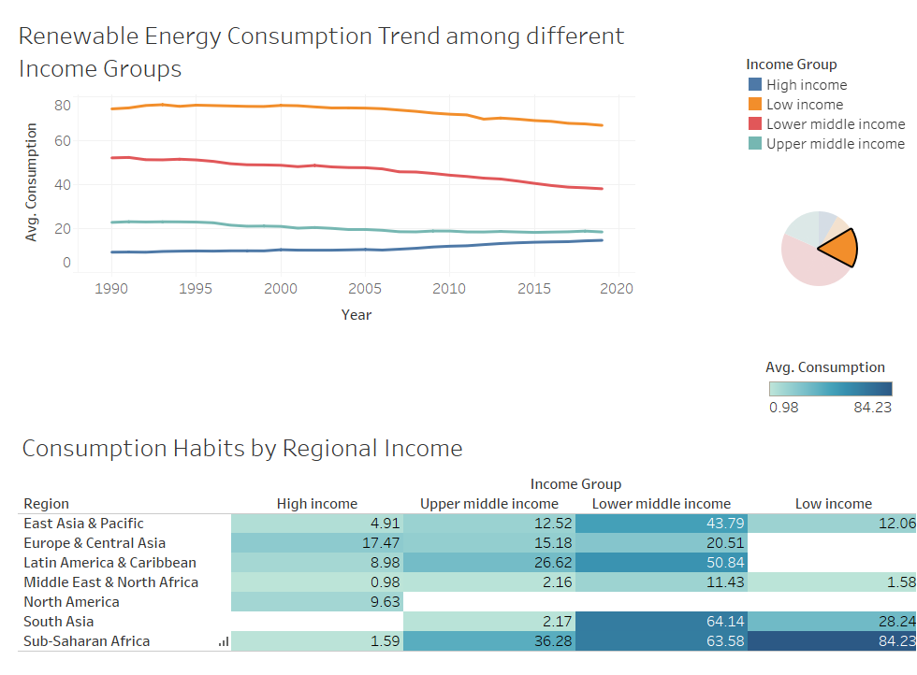
The layout, placement of charts, and the flow in the visualization should be easy to follow. |  | Strong application: Flow of information is good as depicted by the story, the layout and placement of charts are also optimized. | Screenshots attached with Row 2 & 3 to be referred.
The visual systems in place (e.g., a consistent font and color brand) provide guidance in understanding the analysis. |  | Weak application: We could have played more with the font colors and size to aid better visualization.
There is a clear and consistent visual style for elements such as titles, axes, and colors. |  | Strong application: The data and charts are arranged in such a manner that there is a clear and consistent visual style for elements such as titles, axes and colors. | Screenshots attached with Rows 2 & 3 to be referred.
The conventions used in the dashboard such as icons are easy to understand for the user. |  | Weak application: The conventions used in the story are good but some symbols related to different energy sources can be used as icons. | Screenshots attached with Rows 3 & 8 to be referred.
There are consistent rules for the formatting of elements such as gridlines, borders, and supporting ink elements. |  | Strong application: Alignement is proper and graphs are spaced in the dashboard in an optimum manner. | Screenshots attached with Rows 3 & 8 to be referred.
The dashboard should disclose any biases. These can include the author's personal biases, design biases, and/or biases in the data. |  | Weak application: It ascertains author's bias to imply that renewable energy consumption increased significantly over time.
The dashboard should communicate where the data came from, and what steps were taken to prepare the data. |  | Weak application: It is mentioned where the data came from, or what steps where taken to prepare the data.
Charts within the dashboard are at the appropriate level of detail to convey the intended message. | If not, what can be done to change the dashboard to an appropriate level of detail? | Strong application: The charts provided are with proper labels, captions and legends. | Screenshots attached with Row 5 to be referred.
There is a clear presentation of context, theme, and detail as part of the analytical exploration with the dashboard. |  | Srong application: Context, themes and details are clearly mentioned in the dashboard.
The dashboard employs visual symbols and iconography to add meaning to the data being presented or help support the intended message. | If no, are there opportunities to do so? | Weak application: more relevant Visual icons could have been used to represent different forms of energy which makes the dashboard more user friendly.
If there are icons and symbols in the dashboard, the semantics of their placement and appearance are helpful to communicate patterns in the data. (e.g., changing a plane icon’s location and direction for arrival vs. departure) |  | Strong application: Semantics and appearance are very much useful and there is articular ascending/descending order used for the representation. | Screenshots attached with Row 2 to be referred.
The iconography supports or potentially replaces repetitive text directives. | If not, are there opportunities to do so? | Weak application: The usage of iconography is not that much effective, more work to be done in this regard.
Concepts or metrics (e.g., date formats , time, currency, measurement) are either easily understandable or clearly defined in the dashboard. |  | Strong application: Metrics are cleary stated in both regionwise and incomewise energy consumption pages of the story. | Screenshots attached with Row 2 to be referred.
There is sufficient contextual information that describes what the dashboard is about. |  | Strong application: The dashboard explicitly describes that it is about % renewable energy consumption across different regions over 28 years time frame. | Screenshots attached with Row 2 to be referred.
The charts within the dashboard make sense as an overall composition to help situate or contextualize the user. |  | Strong application: The charts provide relevant information in a very user friendly way.
The text in the dashboard should emphasize the most salient points of what the visuals in the dashboard convey. |  | Strong application: Captions and legends are provided highlighting the key insights at the top. | Screenshots attached with Row 5 to be referred.
The dashboard communicates a certain style or mood to the user. |  | Strong application: It communicates that the renewable energy consumption is increasing acrosss the globe.
The dashboard is interactive and supports the user in completing a new analytical task or starting a new line of inquiry. | Are there interactions that could be added or improved to enhance the experience? | Strong application: The dashboard is interactive and user can look into yearwise energy consumption details by using the search option provided.
Tasks in the dashboard should be achieved with minimal friction. | Is anything difficult to understand or interact with in the dashboard? | Strong application: There is no contradiction in the data and charts used in the dashboard.
When a user interacts with the dashboard, the dashboard should guide the user with their next step. |  | Strong application: There is clear interaction tools provided to guide the user with next steps.
The dashboard should update its view based on what is selected, highlighted or filtered by the user. |  | Strong application: There is only filter option given for year which updates data when the years are changed.
There are text and visual elements to frame or guide salient information. |  | Strong application: Text and chart provides required text and visual elements to frame salient information
There is a clear path and breadcrumbs for user actions within the dashboard. |  | Strong application: 2 different dashboards are provided in the story for 2 different purposes located at the top.
There are clear strategies employed in the dashboard to mark charts or marks more prominently than others to encourage a user to interact with them, as well as de-emphasize items not relevant to the conversation. |  | Strong application: There is option provided in the dashboard to mark charts in the dashboard as the charts are interlinked with each other.
Functional dead end: The dashboard should not freeze, crash, display errors, or otherwise unexpectedly interrupt the user. |  | Stong application: The dashboard is quite reactive while switching between the pages.
Navigational dead end: The dashboard support interactivity (e.g., filters, search) to help a user navigate between different snapshots of the data being presented. | Are there places where a user could get stuck in this process? | Strong application: There are options to search provided in the dashboard to navigate between different snapshots of data being presented in the dashboard.
The dashboard should support input modalities (e.g., natural language interaction, filter widgets, and / or clicks) to answer any analytical question or task. |  | Strong violation: There is no such feature provided in the dashboard.
The user can set or adjust their own definition of concepts or metrics, or otherwise include their own knowledge into the dashboard. (e.g., if a user is interested only in "tall" people, can they set their own definition of "tall") |  | Strong application: An option to filter by year is there, and the charts update as per the year choosen.
There should be a clear takeaway from the dashboard. |  | Strong application: There is a clear take away from the dashboard that the % consumption in renewable energy is increasing over time across all regions.
The dashboard should not contain any information that distracts from the key takeaway. | If not, what could be done to make the takeaway clearer? | Strong application: The dashboard contains all relevant information.
The conclusions match what the charts in the dashboard show. |  | Strong application: The conclusion matches the charts and are coherent in revealing all required information.
There is adequate evidence that the dashboard is truthful. The dashboard should be able to convince the key takeaway through credibility and trustworthiness (e.g. ethos appeal). |  | Strong application: Source is provided to ascertain the credibility of the data in the regional details & income group details dashboard. Evidence and source to data used in spotlight dashboard is also provided.

