Bug Reports
Bug ID | Bug Name | Description | Steps to reproduce | Test data | Expected result | Actual result | Repro rate | Attachments | Priority | Severity
BR:001 | Footer overlaps the Form | Footer overlaps the form, so the "Submit" button is not visible | 1 Open webBrowser 2 Open webpage 3 Scroll to the bottom of the page | www.google.com https://demoqa.com/automation-practice-form | Elements are not overlapping | Footer overlaps the form, so the"Submit" button is not visible, and it is not possible to submit the Practice form | 100% |  | High | High

BR:002 | Permanent address output text is not written correctly | Instead of "Permanent address" in output data, it is written "Permananet Address" | 1 Open webBrowser 2 Open webpage 3 Enter Full name into "Full name" field 4 Enter valid Email into "Email" field 5 Enter Current Address into "Current Address" field 6 Enter Permanent Address into "Permanent address" field 7 Scroll down 8 Click on the "Submit" button 9 Scroll down | www.google.com https://demoqa.com/text-box Sardina More sardinamore3@gmail.com Sardinian Sea no.8 Sardinian Sea no.8 | Inside output data for Permanent address, it is correctly written "Permanent address" | Instead, it is written "Permananet Address" | 100% | 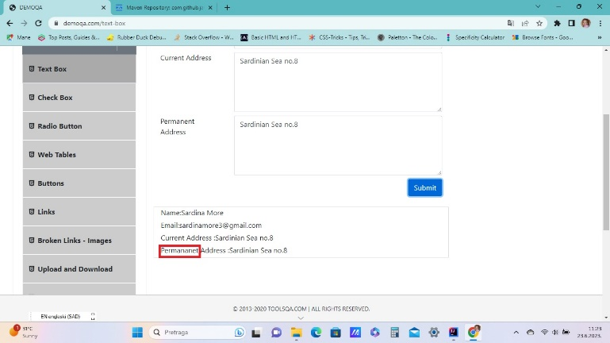 | Low | Low

BR:003 | Picture of book is changed after entering book's name in search | After entering book name in Search - book is listed properly, but the picture of book is changed. | 1 Open webBrowser 2 Open webpage 3 Enter book name in Search field | www.google.com https://demoqa.com/books name of book: Learning JavaScript Design | Book is listed below search field, and all book data is the same | Picture of book is different than in the list of all books | 100% |  | Low | Low

