Figs
Strip |  |  | Gaussian | Laplacian

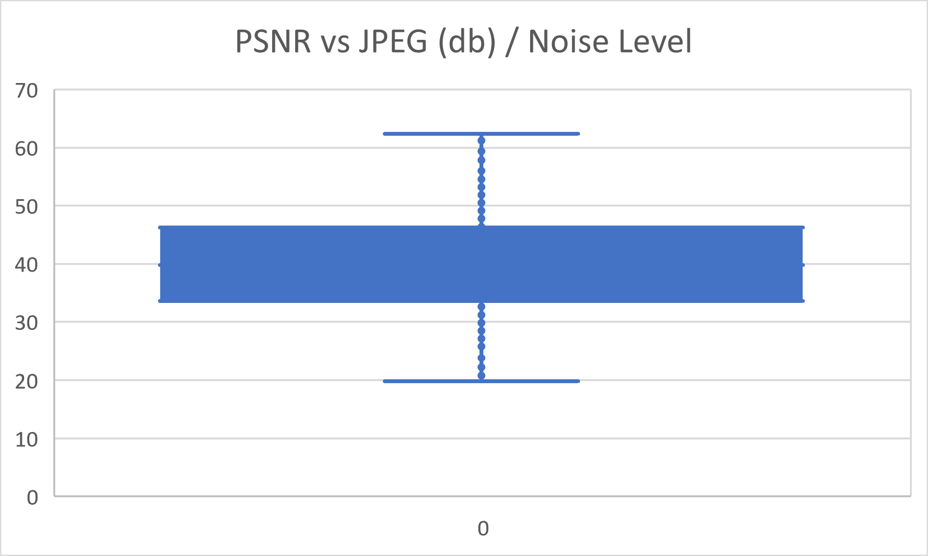
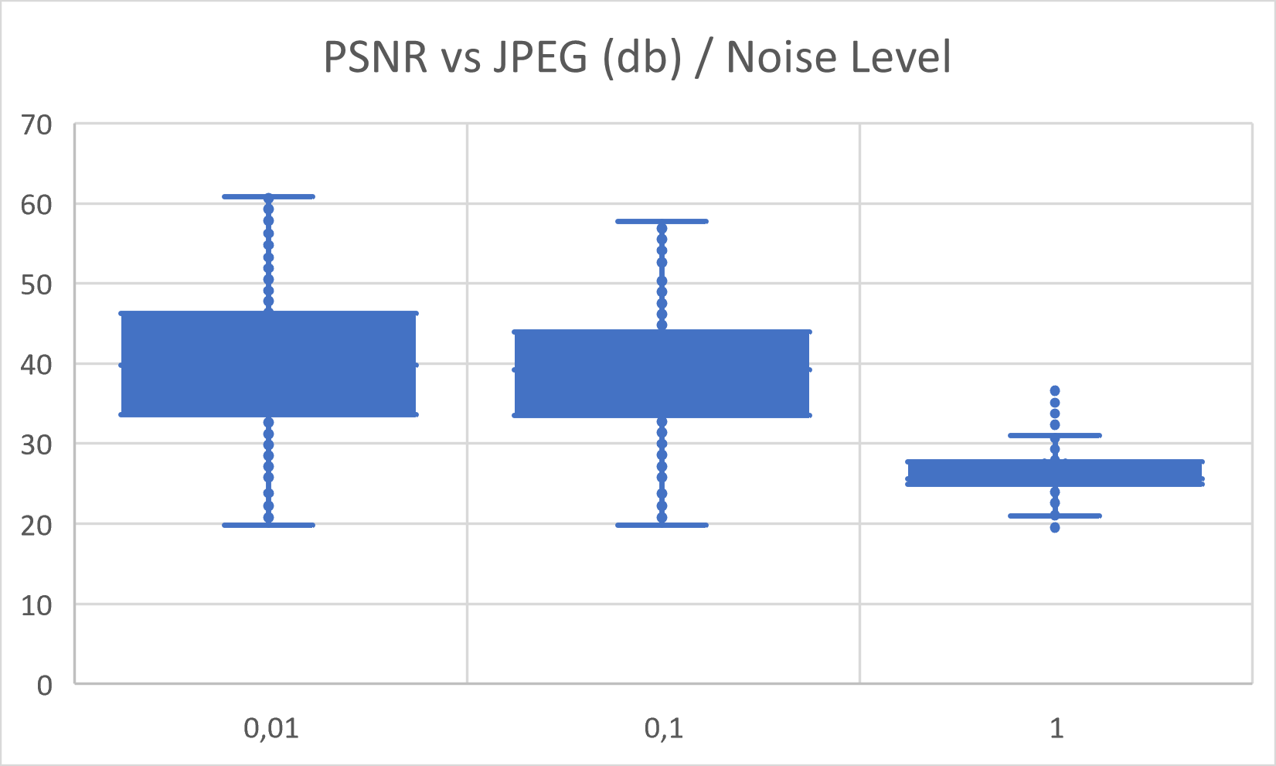
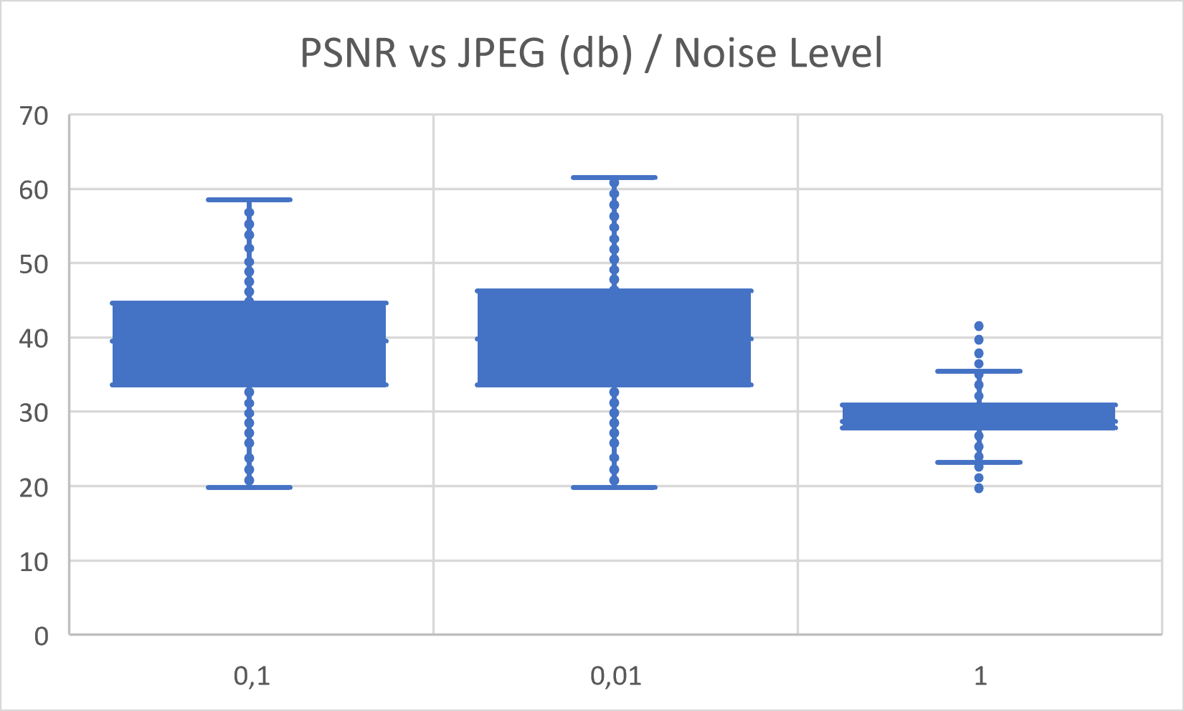

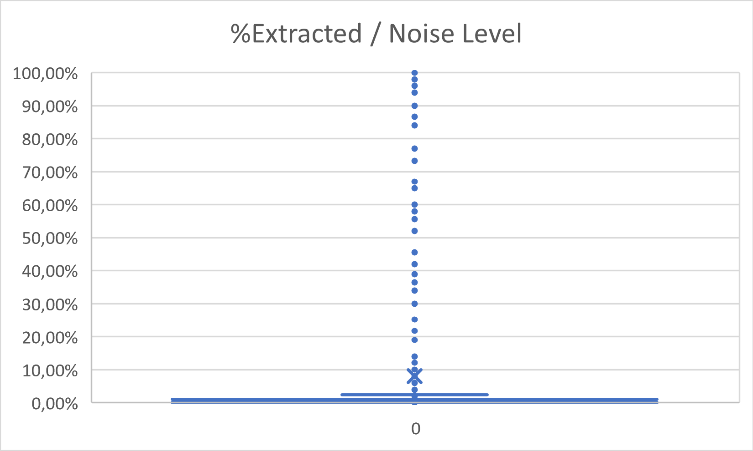
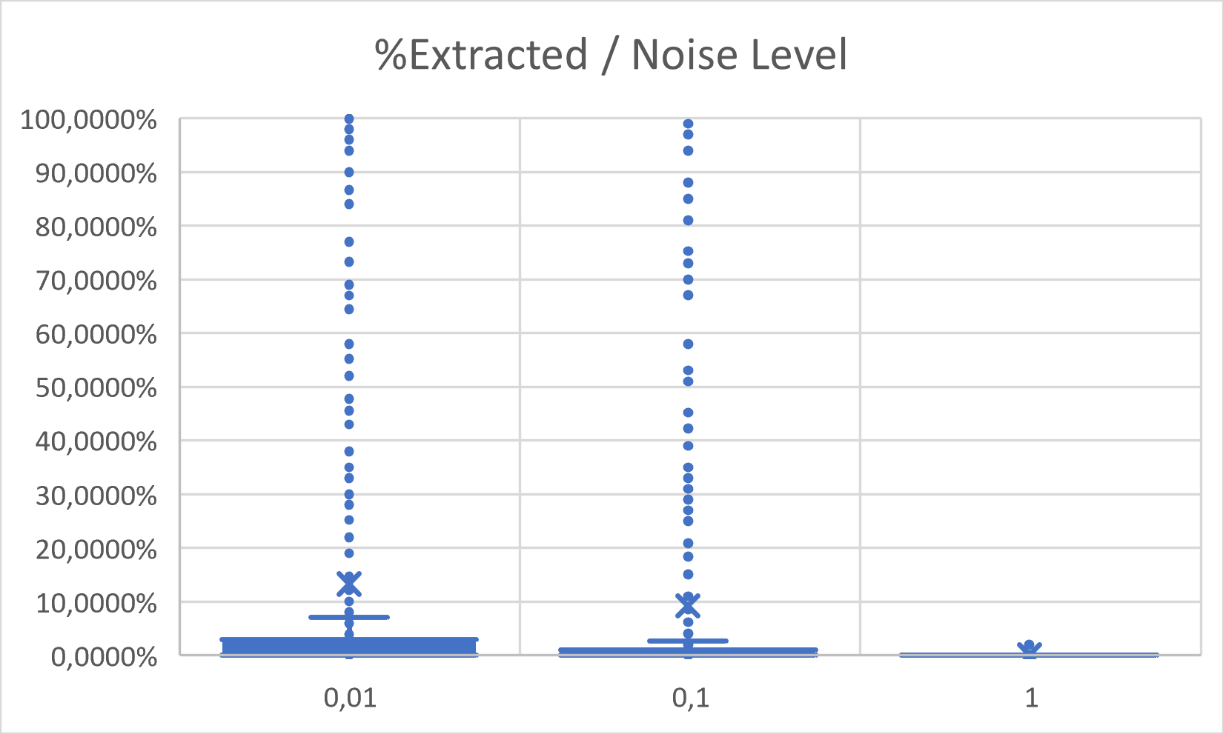
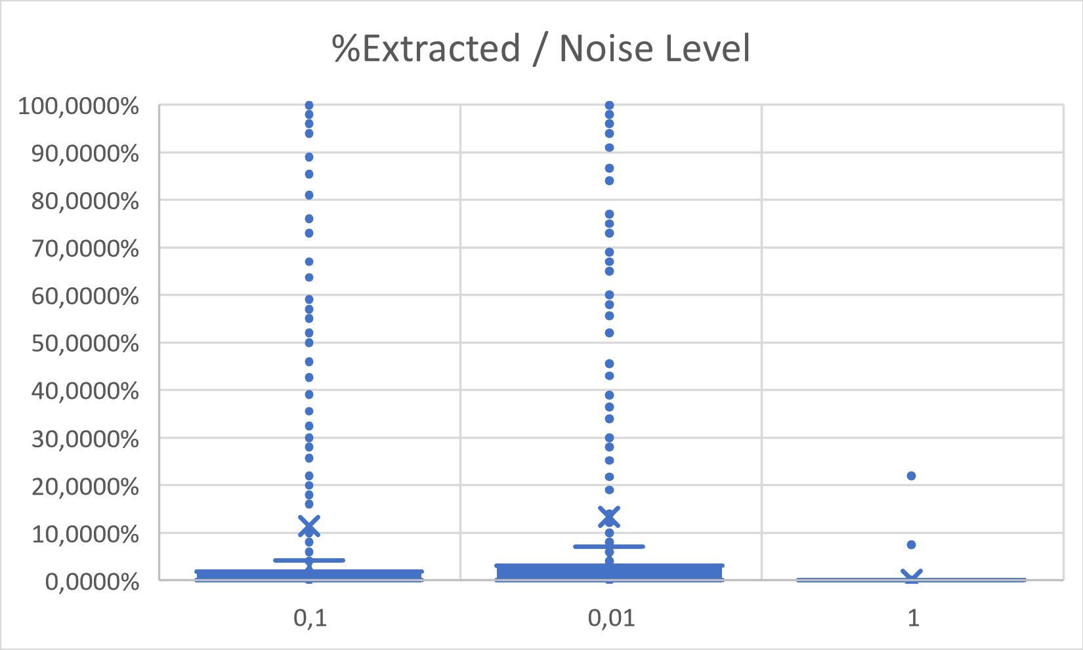

 |  | Max %Extracted
F5 | 100 | 4.81%
F5 | 1000 | 1.00%
Gaussian | 0.01 | 100.00%
Gaussian | 0.1 | 100.00%
Gaussian | 1

