Sheet1
 |  |  |  |  |  |  | GND | BUTTON | NOT CONNECTED
 | 3V3 |  |  |  | GND |  | G25 |  | NOT CONNECTED
 | EN |  |  |  | G23 | LED + Resistor
 | SP |  |  |  | G22 | BACKWASH PUMP (RELAY 8)
 | SN |  |  |  | TXD
 | G34 |  |  |  | RXD
 | G35 |  |  |  | G21 | MAIN PUMP (RELAY 7)
 | G32 |  |  |  | GND
 | G33 |  |  |  | G19
BACKWASH BUTTON | G25 |  |  |  | G18 | SOLENOID 3 (RELAY 2) |  |  |  |  | RELAY MODULE |  | TOP MIDDLE BOTTOM |  | MAINPUMP (RELAY) | MAIN PUMP
 | G26 |  |  |  | G5 |  |  |  | GND | GND |  | 1 |  |  | 12V- Batt
 | G27 |  |  |  | G17 | SOLENOID 2 (RELAY 5) |  |  |  | IN1
 | G14 |  |  |  | G16 |  |  |  | G18 | IN2 |  |  | TOP MIDDLE BOTTOM
 | G12 |  |  |  | G4 |  |  |  |  | IN3 |  | 2 |  | SOL3
GND | GND |  |  |  | G0 |  |  |  |  | IN4 |  |  |  | 12V
 | G13 |  |  |  | G2 |  |  |  | G17 | IN5 |  |  | TOP MIDDLE BOTTOM |  | BACKWASHPUMP (RELAY) | BACKWASH PUMP
 | SD2 |  |  |  | G15 | SOLENOID 1 (RELAY 6) |  |  | G15 | IN6 |  | 3 |  |  | 12V- Batt
 | SD3 |  |  |  | SD1 | DO NOT CONNECT |  |  | G21 | IN7
 | CMD |  |  |  | SD0 | DO NOT CONNECT |  |  | G22 | IN8 |  |  | TOP MIDDLE BOTTOM
5V | VIN |  |  |  | CLK | DO NOT CONNECT |  |  | 5V | VCC |  | 4
 |  |  | usbout
 |  |  |  |  |  |  |  |  |  |  |  |  | TOP MIDDLE BOTTOM | 12V | SOL1 (RELAY) | SOLENOID 1
 |  |  |  |  |  |  |  |  | NOT USED | GND |  | 5 |  | SOL1 | 12V- Batt

 |  |  |  |  |  |  |  |  |  |  |  |  | TOP MIDDLE BOTTOM | 12V
 |  |  |  |  |  |  |  |  |  |  |  | 6 |  | SOL2

 |  |  |  |  |  |  |  |  |  |  |  |  | TOP MIDDLE BOTTOM | 12V | SOL2 (RELAY) | SOLENOID 2
 |  |  |  |  |  |  |  |  |  |  |  | 7 |  | MAIN PUMP | 12V- Batt
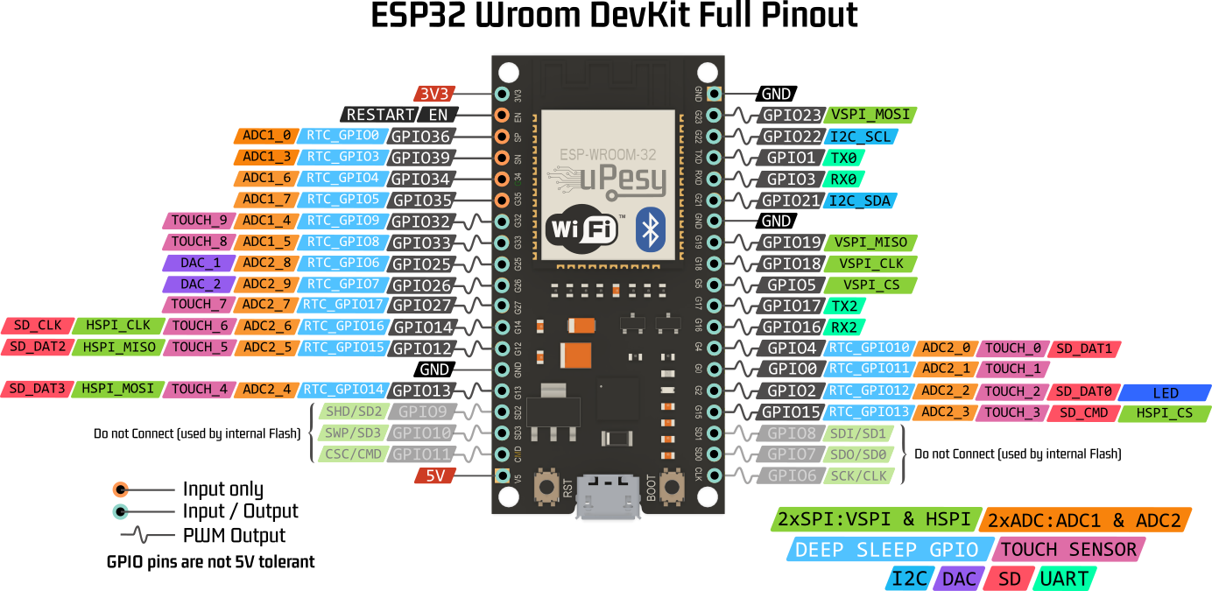
 |  |  |  |  |  |  |  |  |  |  |  |  | TOP MIDDLE BOTTOM
 |  |  |  |  |  |  |  |  |  |  |  | 8 |  | BACKWASH PUMP
 |  |  |  |  |  |  |  |  |  |  |  |  |  | 12V
 |  |  |  |  |  |  |  |  |  |  |  |  |  |  | SOL3 (RELAY) | SOLENOID 3
 |  |  |  |  |  |  |  |  |  |  |  |  |  |  | 12V- Batt

12V | Vin | TRIMMER |  | Vout | 5V
 |  |  |  |  |  |  |  |  | 6x12V
 |  |  |  |  |  |  |  |  | 6x12Vgnd
Neg terminal Battery | - |  |  | Gnd | GND (ESP32)

 | + | 12V Battery |  | -

