attr
 |  |  |  |  |  |  |  | Journey |  |  |  |  |  |  | Journey 2
 |  |  |  |  |  |  |  | 1 | C1 - C3 - Conversion |  |  |  |  |  | 1 | C1 - C2 - C3 - Conversion
 |  |  |  |  |  |  |  | 2 | C1 - C4 - Conversion |  |  |  |  |  | 2 | C1 - End
 |  |  |  |  |  |  |  | 3 | C1 - C3 - C4 - Conversion |  |  |  |  |  | 3 | C2 - C3 - End
 |  |  |  |  |  |  |  | 4 | C2 - End

 |  |  |  |  |  |  |  |  | 0.5025
 |  |  |  |  |  |  |  |  | 0.2475

eventual conversion - prob of reaching conversion from a given state
visit - prob of passing a state beginning in the start state (likelihood of the event happening in a user conversion path)
removal effect - change in probability for reaching conversion state from start state when a state is removed
ROC - TPR (y) vs FPR (x)

Channel | Visit | Eventual conversion | Removal effect | Removal effect (%) |  |  |  |  |  |  |  |  |  |  | Channel | Visit | Eventual conversion | Removal effect | Removal effect (%)
C1 | 0.75 | 1 | 0.75 | 42.86% |  |  |  |  |  |  |  |  |  |  | C1 | 0.66666666667 | 0.5 | 0.33333333333
C2 | 0.25 | 0 | 0 | 0.00% |  |  |  |  |  |  |  |  |  |  | C2 | 0.33333333333 | 0.5 | 0.16666666667
C3 | 0.5 | 1 | 0.5 | 28.57% | 0.5025 | S - C1 - C3 |  |  |  |  |  |  |  |  | C3 | 0 | 0.5 | 0
C4 | 0.5 | 1 | 0.5 | 28.57% | 0.49875 | (S - C1 - C4) + (S - C1 - C3 - C4)

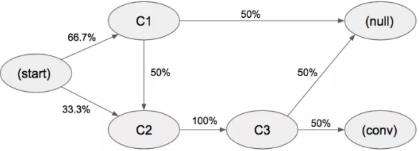
 |  |  |  |  |  |  | Journey 2 |  |  |  | Channel | Visit | Eventual conversion
 |  |  |  |  |  |  | 1 | C1 - C2 - C3 - Conversion | S - C1 - C2 - C3 - Conv | S - C1, C1 - C2, C2 - C3, C3 - Conv | C1 | 0.667 | 0.75 | 0.50025
 |  |  |  |  |  |  | 2 | C1 - End | S - C1 - Null | S - C1, C1 - Null | C2 | 0.333 | 3.003003003 | 1 | Original Journey
 |  |  |  |  |  |  | 3 | C2 - C3 - End | S - C2 - C3 - Null | S - C2, C2 - C3, C3 - Null | C3 | 0.333 | 0.5 | 0.1665 | C1 - C2 - C3 - Conversion | S - C1 - C2 - C3 - Conversion
 |  |  |  |  |  |  |  |  |  |  |  |  |  |  | C1 - End | S - C1 - End
 |  |  |  |  |  |  |  | S - C1 | 0.33333333333 |  |  |  |  |  | C2 - C3 - End | S - C2 - C3 - End
 |  |  |  |  |  |  |  | S - C1 | 0.33333333333
 |  |  |  |  |  |  |  | S - C2 | 0.33333333333 |  |  |  | 0.74962518741 |  | S - C1 | 0.33333333333
 |  |  |  |  |  |  |  | C1 - C2 | 0.5 |  |  |  |  |  | S - C1 | 0.33333333333 | 0.66666666667
 |  |  |  |  |  |  |  | C1 - Null | 0.5 |  |  |  |  |  | S - C2 | 0.33333333333 | 0.33333333333
 |  |  |  |  |  |  |  | C2 - C3 | 0.5 |  |  |  |  |  | total from S | 1
 |  |  |  |  |  |  |  | C2 - C3 | 0.5 |  |  |  |  |  | C1 - C2 | 0.5 | 0.5
 |  |  |  |  |  |  |  | C3 - Conv | 0.5 |  |  |  |  |  | C1 - End | 0.5 | 0.5
 |  |  |  |  |  |  |  | C3 - Null | 0.5 |  |  |  |  |  | total from C1 | 1
 |  |  |  |  |  |  |  |  |  |  |  |  |  |  | C2 - C3 | 0.5
 |  |  |  |  |  |  |  |  |  |  |  |  |  |  | C2 - C3 | 0.5 | 1
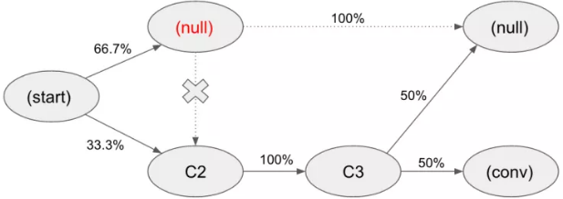
 |  |  |  |  |  |  |  | S - C1 | 0.66666666667 | 0.667*0.5*1*0.5 + 0.333*1*0.5 |  |  |  |  | total from C2 | 1
 |  |  |  |  |  |  |  | S - C2 | 0.33333333333 | 0.16666666667 |  |  |  |  | C3 - Conversion | 0.5 | 0.5
 |  |  |  |  |  |  |  | C1 - C2 | 0.5 | 0.16666666667 |  |  |  |  | C3 - End | 0.5 | 0.5
 |  |  |  |  |  |  |  | C1 - Null | 0.5 | 0.33333333333
 |  |  |  |  |  |  |  | C2 - C3 | 1 |  |  |  |  |  | Removal Effect C1
 |  |  |  |  |  |  |  | C3 - Conv | 0.5 |  |  |  |  |  | C1 - C2 - C3 - Conversion | S - NA - End
 |  |  |  |  |  |  |  | C3 - Null | 0.5 |  |  |  |  |  | C1 - End | S - C1 - End
 |  |  |  |  |  |  |  |  |  |  |  |  |  |  | C2 - C3 - End | S - C2 - C3 - End
 |  |  |  |  |  |  |  | S - Null |  | 0.333*1*0.5 | Removal effect
 |  |  |  |  |  |  |  | S - C2 | 0.33333333333 | 0.16666666667 | 0.5 |  |  |  | S - C1 | 0.33333333333
 |  |  |  |  |  |  |  | NA - C2 |  |  |  |  |  |  | S - C1 | 0.33333333333 | 0.66666666667
 |  |  |  |  |  |  |  | NA - Null |  |  |  |  |  |  | S - C2 | 0.33333333333 | 0.33333333333
 |  |  |  |  |  |  |  | C2 - C3 | 1 |  |  |  |  |  | total from S | 1
 |  |  |  |  |  |  |  | C3 - Conv | 0.5 |  |  |  |  |  | C1 - End | 0.5
 |  |  |  |  |  |  |  | C3 - Null | 0.5 |  |  |  |  |  | C1 - End | 0.5 | 1
 |  |  |  |  |  |  |  |  |  |  |  |  |  |  | total from C1 | 1
 |  |  |  |  |  |  |  |  |  |  |  |  |  |  | C2 - C3 | 1 | 1
 |  |  |  |  |  |  |  |  |  |  |  |  |  |  | total from C2 | 1 | 1

