屏蔽线接口
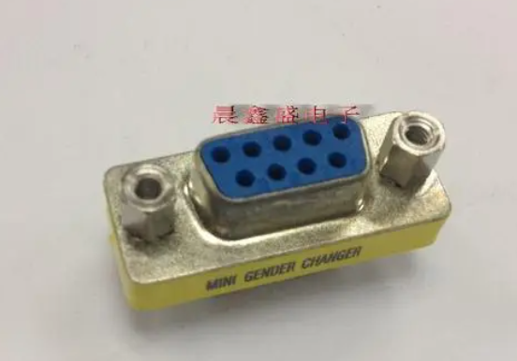
RS232母口
5 | GND | 9
4 |  | 8
3 | RS232-TX | 7 | USB-D+
2 | RS232-RX | 6 | USB-D-
1 | VCC12

USB-TYPE A 公头 |  |  |  | 悬空 |  | 悬空
VBUS | D+ | D- | GND
x | USB-D+ | USB-D- | GND | VCC12 | GND | RS232-TX | RS232-RX

