master
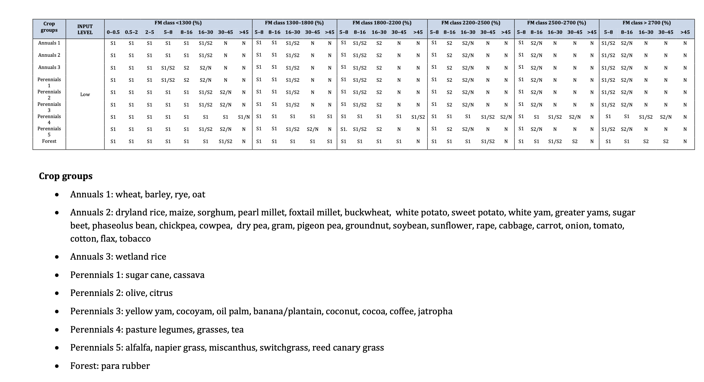
S1 = 100
S1/S2 = 75
S2 = 50
S2/N = 25
N = 0

