工作表1
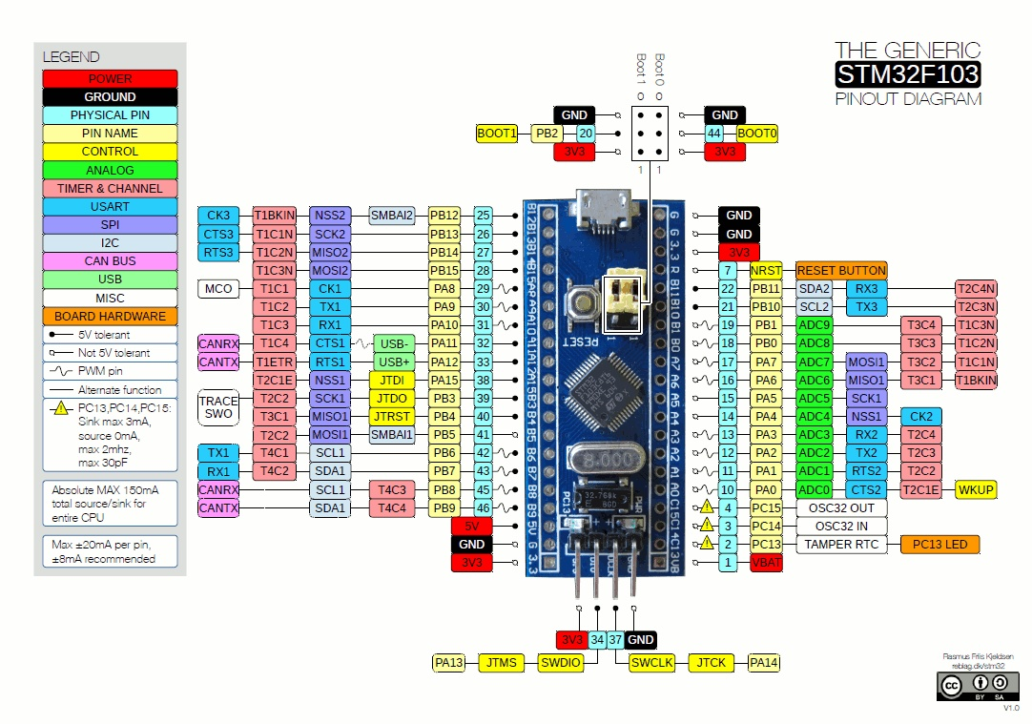
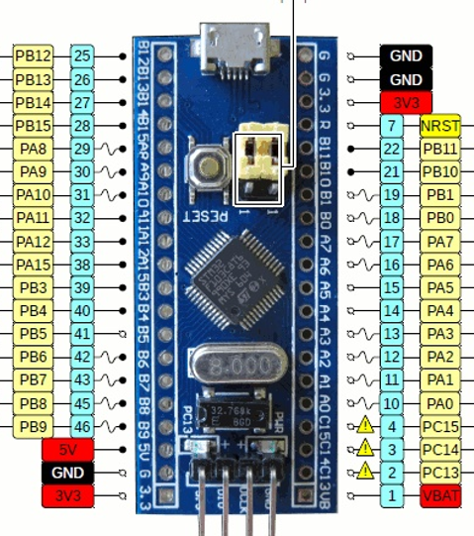

Heater out |  | KEY 對應腳位

Heater sensor

壓力sensor 腳位
PressureSensor PA4
PressureOut PA15

馬達腳位 |  |  | PWM
VibrationSelectLow PB3 |  | low | PA8
VibrationSelecMiddle PB4 |  | middle
VibrationSelectHigh PB5 |  | high

LCD | MCU
SCL | PB6
SDA | PB7
VCC | 5V
GND | GND

