ReCharp
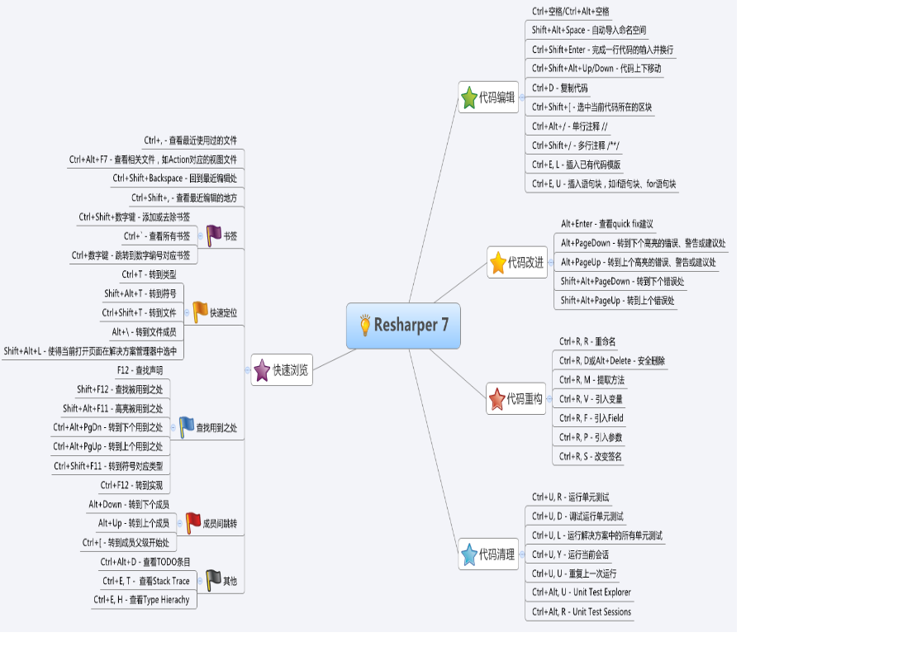
快捷键 | 描述
Alt+F7 | 搜索
Alt+→ | 智能提示
Alt+F12 | 当前位置显示定义
Shift+F12 | 查找使用
Ctrl+M,O | 折叠Region

