Screenshots
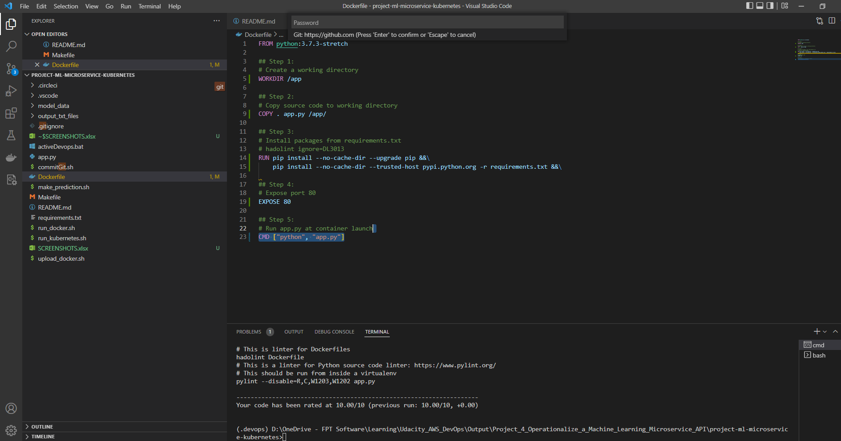
Task 1: Complete the Dockerfile
You are required to pass these lint checks to pass the project.

