Sheet1
 | LOGO BRIEF

 | Use grey boxes to supply your information which will help us to understand your requirement in detail and to provide you the needed LOGO exactly of your choice.
 | Feel free to provide additional information if you think it will help.

 | * required fields

 | Exact logo wording ( logo name ) *

 | Jon Belle Associates

 | Slogan/Tagline if any (optional)

 | Objects or images you want to include (optional)
 | Example: animals for a zoo or a cube

 | Do you have a website? *

 | no

 | Describe your business / service / organization *

 | I want my digital marketing agency to generate over six figures. I want to be able to proide my clients with amazing business success and help them grow their business to achieve their monthly goals. I want my digital marketing agency to help accomplish the cleints needs and offer them amazing customer service.

 | Competitors and similar business (optional)

 | https://eylercreative.com/how-we-help/website-design-maryland/?gclid=Cj0KCQjw6eTtBRDdARIsANZWjYbOI-V-GvznX1I6XFDZ1DlzPEDmHVjqmMKp4ZM3gBM2LQ16c8l04uUaAgxDEALw_wcB
 | https://www.indiesem.com/?gclid=Cj0KCQjw6eTtBRDdARIsANZWjYbNAQEt80hPItMxqyN9_yyHJ0UviqrpruBGhRbLIOcyfMwB_86AeEIaAjDMEALw_wcB
 |  | https://highlevelstudios.com/?gclid=Cj0KCQjw6eTtBRDdARIsANZWjYZZD2Nx3fWjQUweFdzGIizvL5kX4HDSN9asUlaWjpfKTCCG8zv35zMaAu7WEALw_wcB

 | Logos you like *

 | ebay, amazon, visa,samasung and fedex

 | Logo will be used for *

 |  | Web |  | For both

 |  | Print

 | LOGO CATEGORIES
 | Please select ONE category > Font Based Or Icon Based > Then Check One Sub-Category Of That

 | Category 1 : FONT BASED LOGO
 | A text treatment wich represents your Company's activity, product or service.

 | Sub-Categories Of Font Based Logo : ( Please Check Only One If You Need Font Based Logo )

 | Just font |  |  |  |  | Handmade
 | Just font without any symbolic intervention. |  |  |  |  | A calligraphic, handwritten or script font.

 | Font + meaning |  |  |  |  | Initials
 | A font with a tweak that simbolize company/ product/service |  |  |  |  | Monogram with Company name initials.

 | Font including in a shape
 | Company name inside / squares / ovals / rectangles or combined shapes.

 | Category 2 : ICON BASED LOGO
 | A graphic/symbol which represents your Company's activity, product or service.

 | Sub-Categories Of Icon Based Logo : ( Please Check Only One If You Need Icon Based Logo )

 | Abstract graphic |  |  |  |  | Silhouet
 | A sinthetic symbol that represents your Company in a subtle way |  |  |  |  | A detailed illustrated silhouet

 | Geometric symbol |  |  |  |  | Illustrated symbol
 | A geometric symbol that clearly represents an element. |  |  |  |  | An illustrated symbol that clearly represents an element.

 | Detailed illustration |  |  |  |  | Seals and crests
 | A specific illustration. |  |  |  |  | A detailed crest or seal with just text or maybe including graphics.

 | 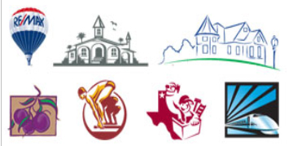 |  |  |  |  | 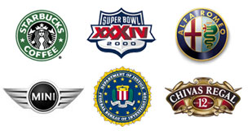

 | Mascot
 | A character representing your Company.

 | COLOR PALETTE
 | Please select at least 1 color:
 | 7

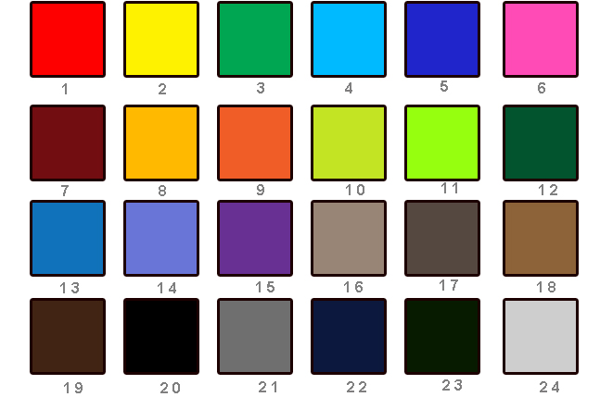

 | FONT STYLE
 | Please select one font style:

 |  |  |  |  |  |  | Handwritten

 | LOOK AND FEEL
 | Please select one option:

 | Or choose from www.dafont.com

 | Artistic |  | Minimal |  | I want this one (Sophisticated) |  | Corporate | Childish
 | 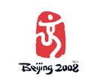 |  | 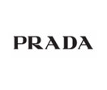 |  | 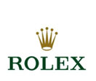 Sophisticated |  | 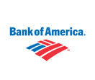 | 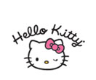

 | Web 2.0 |  | Retro |  | Fun |  | Hi Tech | Femenine
 |  |  | 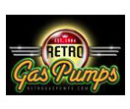 |  | 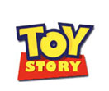 |  | 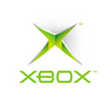 | 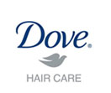

 | Additional information (optional)

 | Note:

 | You may also attach an image of a logo separately alongwith the design brief

