FI01
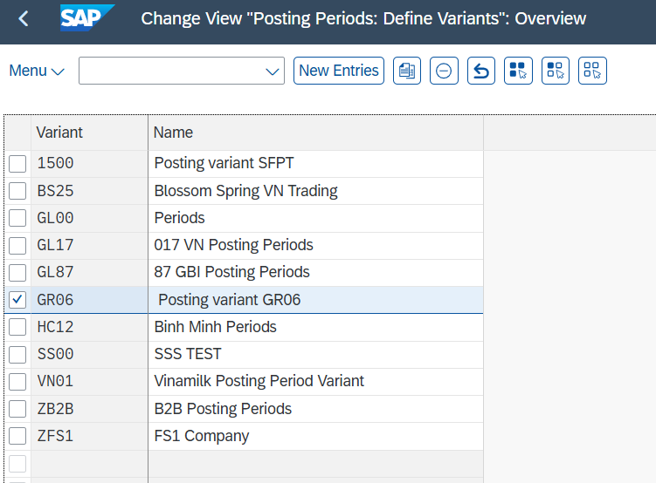
Customizing Guide |  |  | Release | System | Category | Created by | Nguyễn Thịnh Khang | Date | 25/02/2025
 |  |  |  |  |  | Revised by |  | Date
 |  |  |  |  |  | Reviewed by | Lê Thị Thu Hiền | Date | 2025-03-03

Menu Path |  | SPRO ► Enterprise ► Definition ► Financial Accounting ► Edit, Copy, Delete, Check Company Code SPRO ► Enterprise ► Assignment ► Financial Accounting ► Assign company code to credit control area SPRO ► Financial Accounting ►General Ledger Accounting ► Master Data ► G/L Accounts ►Preparations ►Edit Chart of Accounts List SPRO ► Financial Accounting ►General Ledger Accounting ► Master Data ► G/L Accounts ►Preparations ► Define Account Group SPRO ► Enterprise Structure ►Definition ► Controlling ► Maintain Controlling Area SAP Customizing Implementation Guide ► Financial Accounting ►Financial Accounting Global Settings ► Global Parameters for Company Code ► Enter Global Parameters SAP Customizing Implementation Guide ► Enterprise Structure ►Assignment ► Controlling ► Assign company code to controlling area SAP Customizing Implementation Guide ► Financial Supply Chain Management ► Credit Management ► Integration with Accounts Receivable Accounting and Sales and Distribution ► Integration with Accounts Receivable Accounting ► Assign Permitted Credit Control Areas to Company Code SPRO ► Financial Accounting ► Financial Accounting Global Settings ► Ledgers ► Fiscal Year and Posting Periods ► Posting Periods ► Define Variants for Open Posting Periods

 | Define Company Code
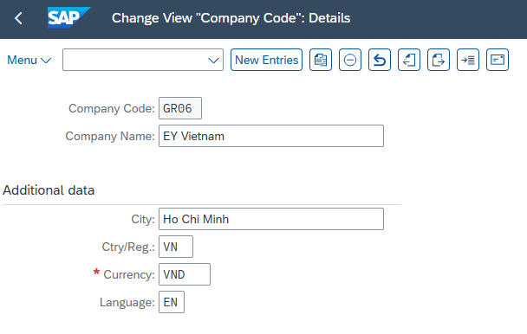

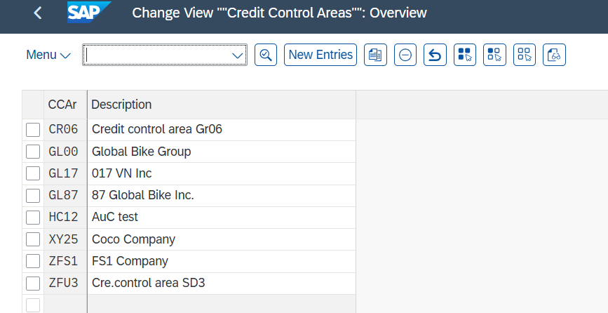
 | Define credit control area
 |  |  |  |  | x

 | Assign Company Code to Credit Control Area - Tcode OB38
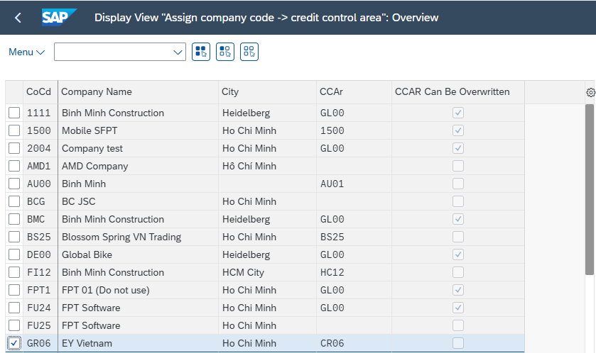

 | Define Chart of Accounts
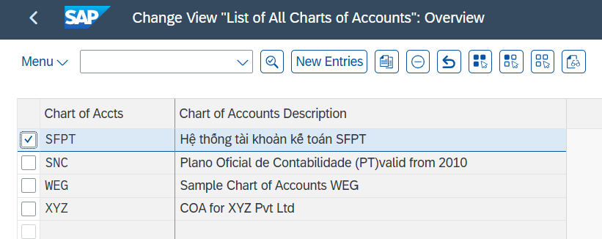

 | Define Account Groups
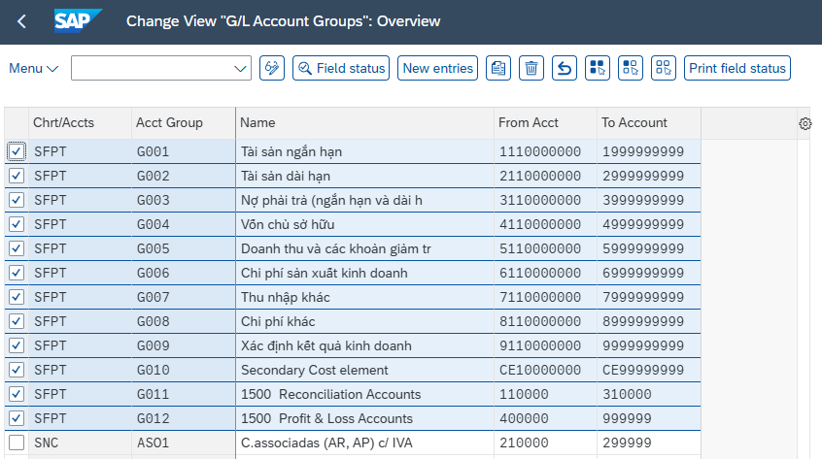

 | Define Controlling Area

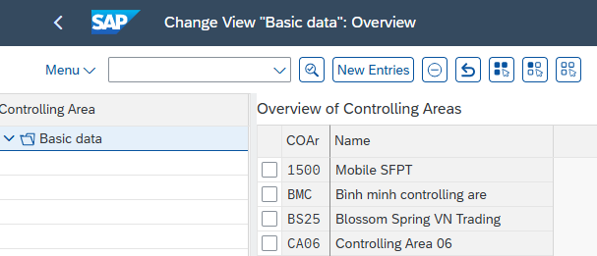

 | Enter Global Parameters for a Company Code

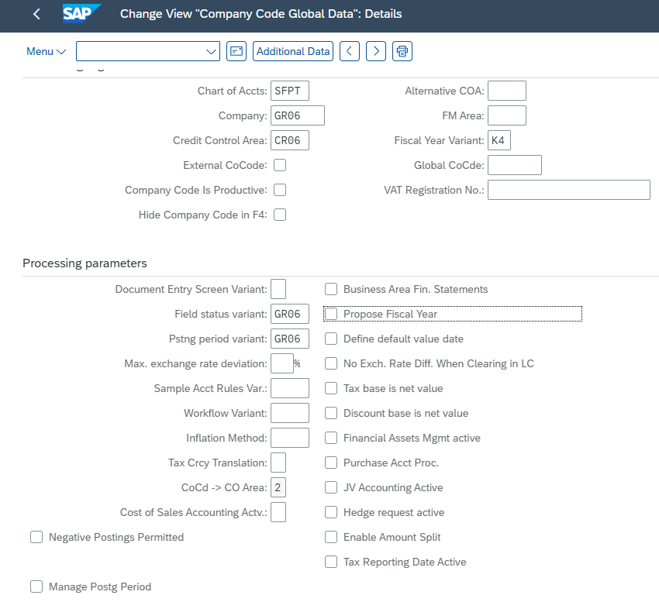

 | Assign Company Code to Controlling Area
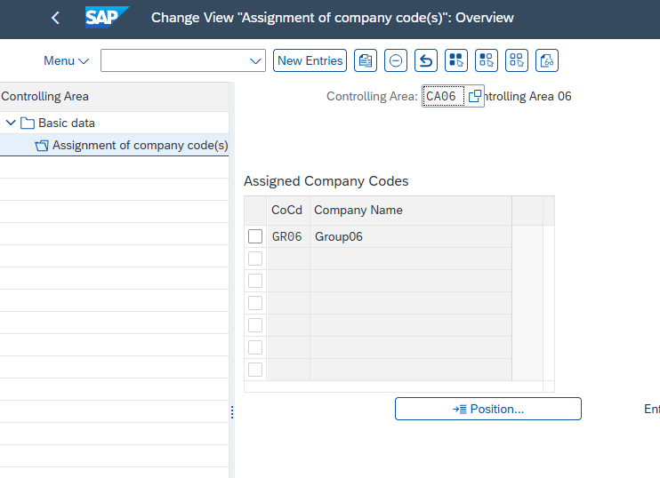

 | Assign Company Code to Credit Control Area
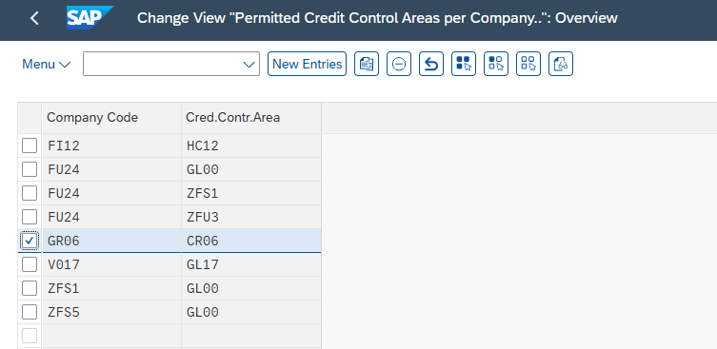

 | Define Posting variant

FI02
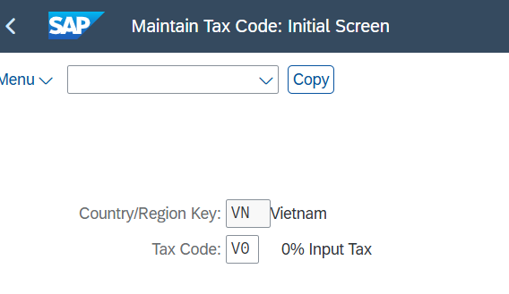
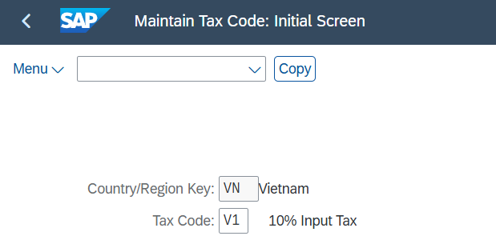
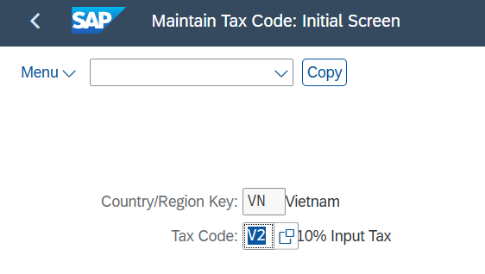
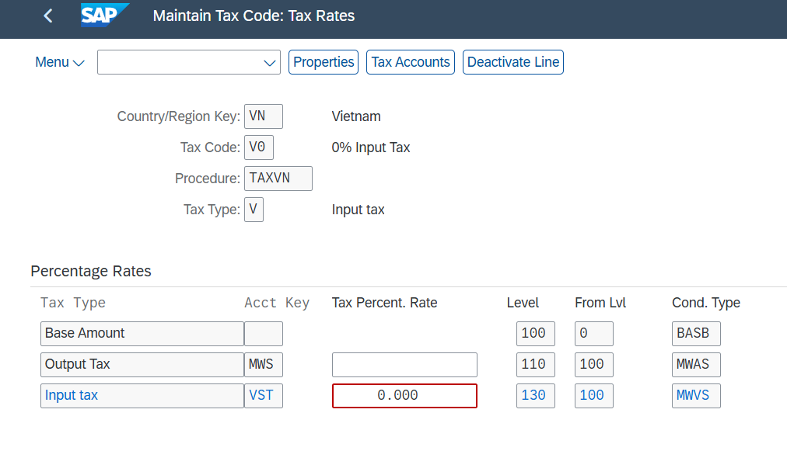
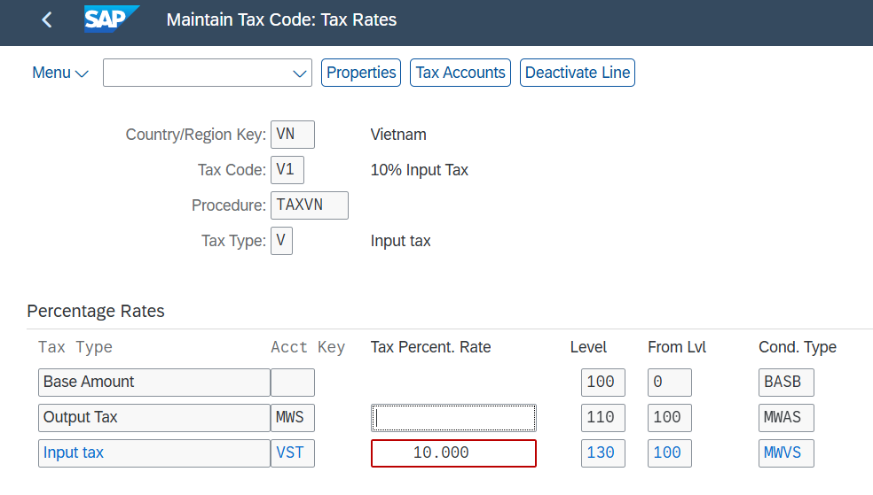
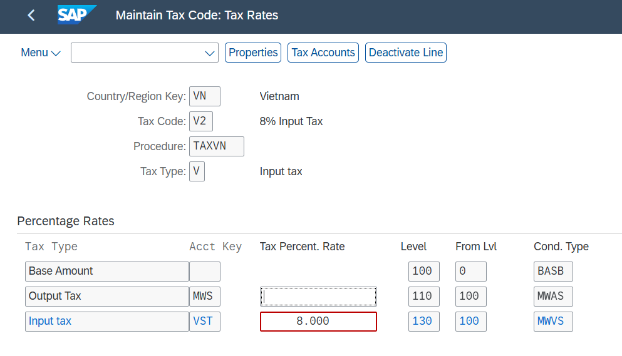
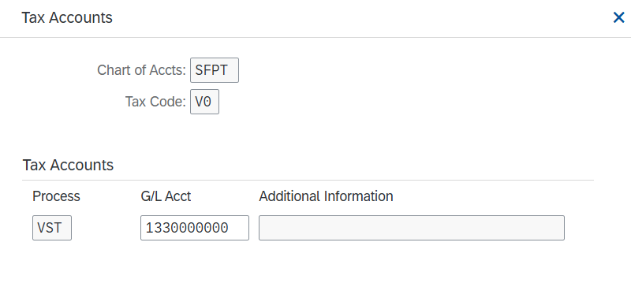
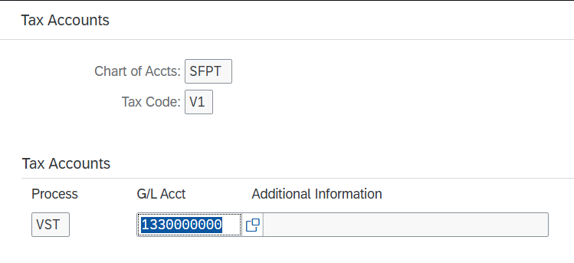
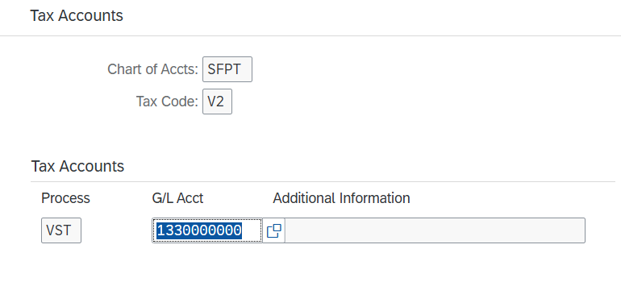
Customizing Guide |  |  |  |  | Release | System |  | Category |  |  |  | Created by | Nguyễn Thịnh Khang | Date | 25/02/2025
 |  |  |  |  |  |  |  |  |  |  |  | Revised by |  | Date
 |  |  |  |  |  |  |  |  |  |  |  | Reviewed by | Lê Thị Thu Hiền | Date | 2025-03-03
Pricing Procedure
Menu Path |  | SPRO►Cross-Application Components►SAP Business Partner►Business Partner►Person►Name Components►Maintain Academic Titles SPRO►SAP Customizing Implementation Guide ► Controlling ► Cost Center Accounting ► Master Data ► Cost Centers ► Define Cost Center Groups SPRO►Financial Accounting►Bank Accounting►Bank Accounts►Define House Banks SPRO►Cross►Application Components ►SAP Business Partner ►Business Partner ►Basic Settings ►Tax Numbers ►Maintain Tax Number Categories SPRO►Financial Accounting►Financial Accounting Global Settings►Tax on Sales/Purchases►Basic Settings►Check Calculation Procedure►Define Procedures SPRO►Financial Accounting►Financial Accounting Global Settings►Tax on Sales/Purchases►Basic Settings►Check Calculation Procedure►Define Condition Types SPRO►Financial Accounting►Financial Accounting Global Settings►Tax on Sales/Purchases►Basic Settings►Check and Change Settings for Tax Processing SPRO►Financial Accounting►Financial Accounting Global Settings►Tax on Sales/Purchases►Basic Settings►Assign Country/Region to Calculation Procedure SPRO►Financial Accounting►Financial Accounting Global Settings►Tax on Sales/Purchases►Calculation ►Define Tax Codes for Sales and Purchases

 | Configure position

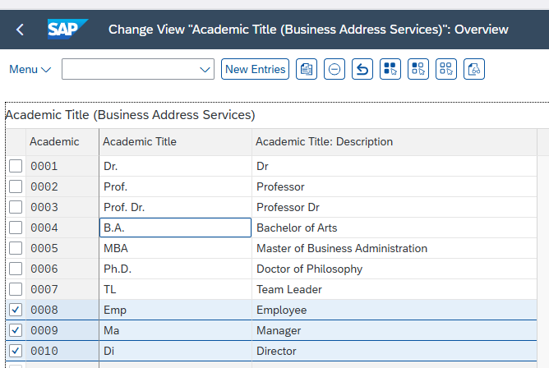
 |  |  |  |  |  |  |  | Academic | Position (Academic Title) | Academic Title: Description
 |  |  |  |  |  |  |  | 0008 | Emp | Employee
 |  |  |  |  |  |  |  | 0009 | Ma | Manager
 |  |  |  |  |  |  |  | 0010 | Di | Director

 | Create Cost Center ( Department )
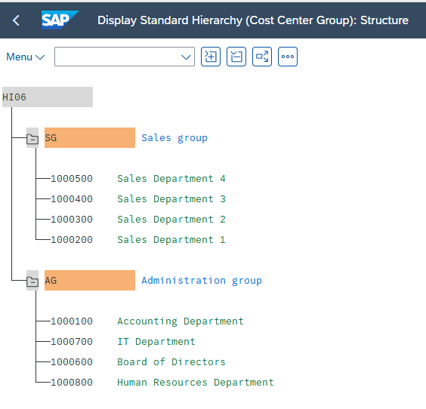
 |  |  |  |  |  |  |  | Cost Center | Department
 |  |  |  |  |  |  |  | 1000100 | Accounting Department
 |  |  |  |  |  |  |  | 1000200 | Sales Department 1
 |  |  |  |  |  |  |  | 1000300 | Sales Department 2
 |  |  |  |  |  |  |  | 1000400 | Sales Department 3
 |  |  |  |  |  |  |  | 1000500 | Sales Department 4
 |  |  |  |  |  |  |  | 1000600 | Board of Directors
 |  |  |  |  |  |  |  | 1000700 | IT Department
 |  |  |  |  |  |  |  | 1000800 | Human Resources Department

 | Create Bank
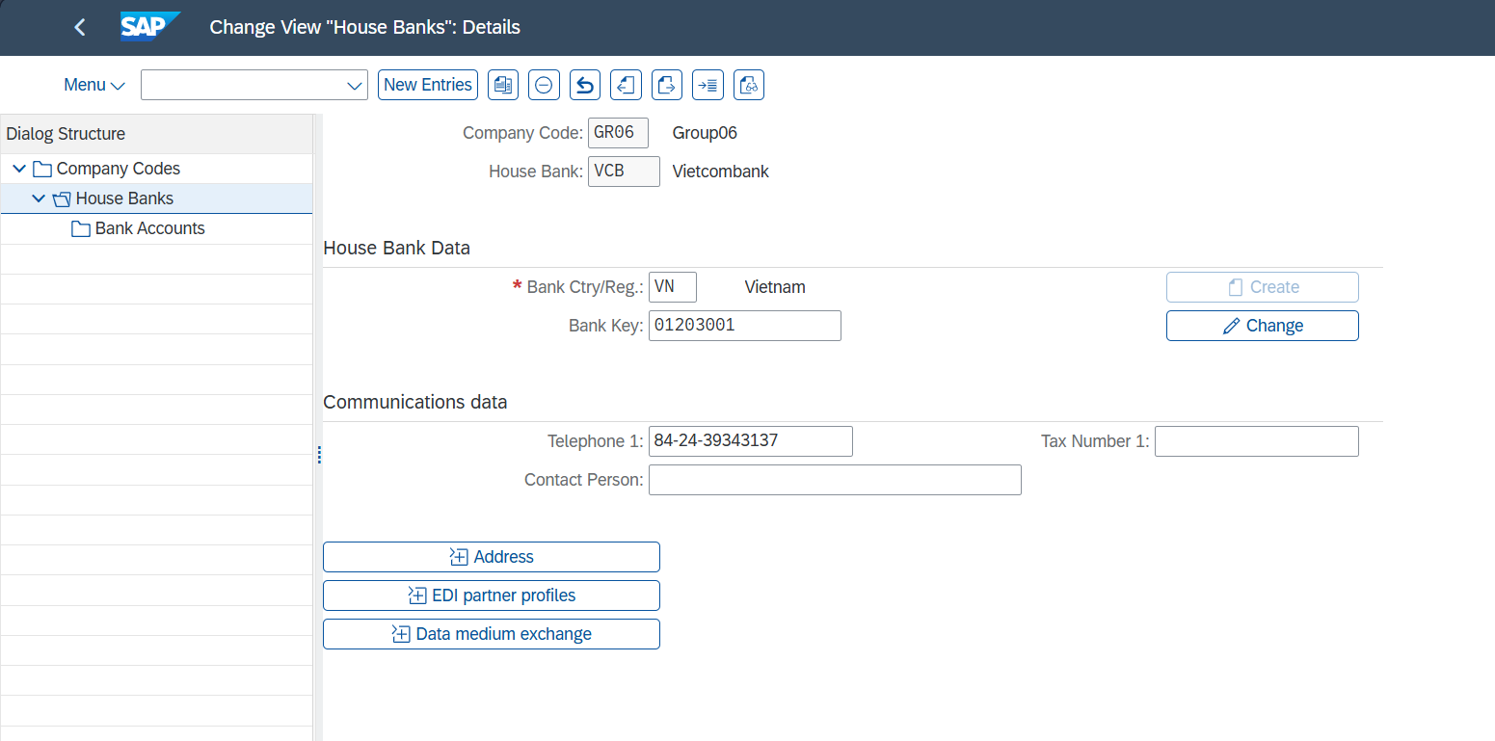

 |  |  |  |  |  |  |  | House Bank | Company Code | Bank Ctry/Reg | Bank Key | Telephone 1
 |  |  |  |  |  |  |  | VCB | GR06 | VN | 1203001 | 84►24►39343137

 | Define Category Tax Number

 |  |  |  |  |  |  |  |  |  |  | Category | Name
 |  |  |  |  |  |  |  |  |  |  | VN1 | Vietnam: Tax Identification Number

 | Configuration Tax Code

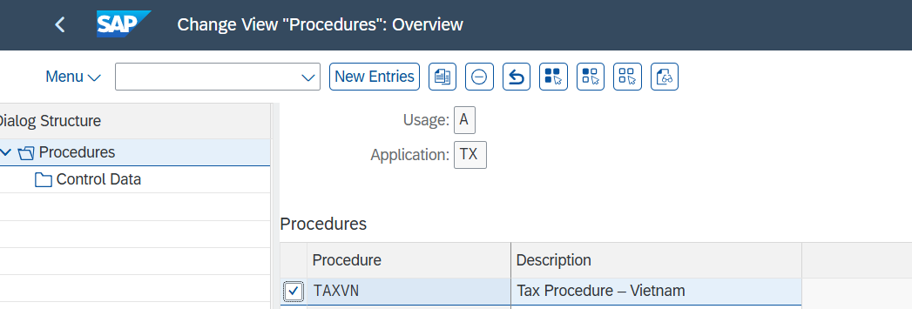
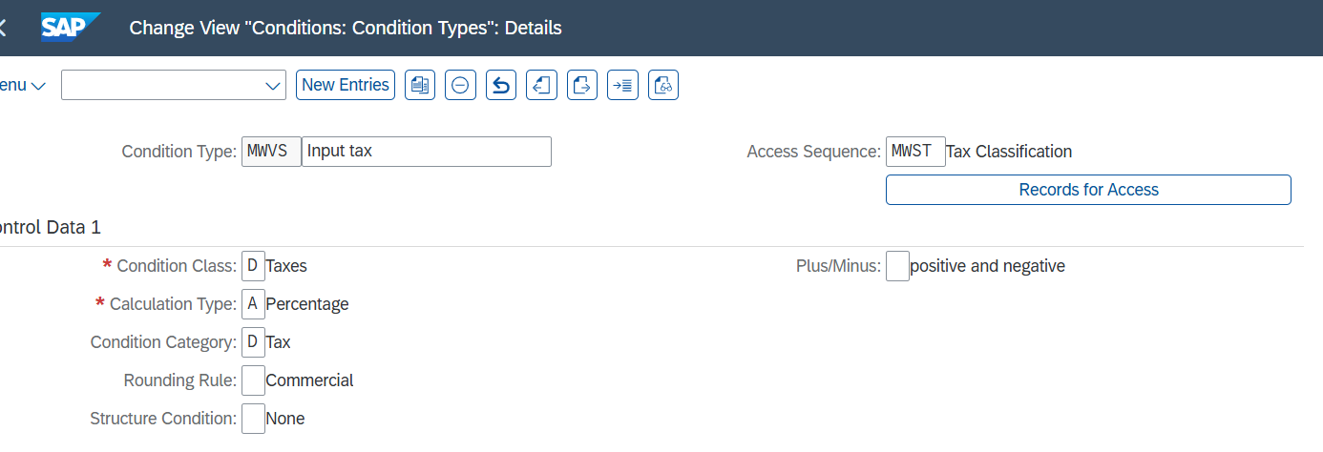

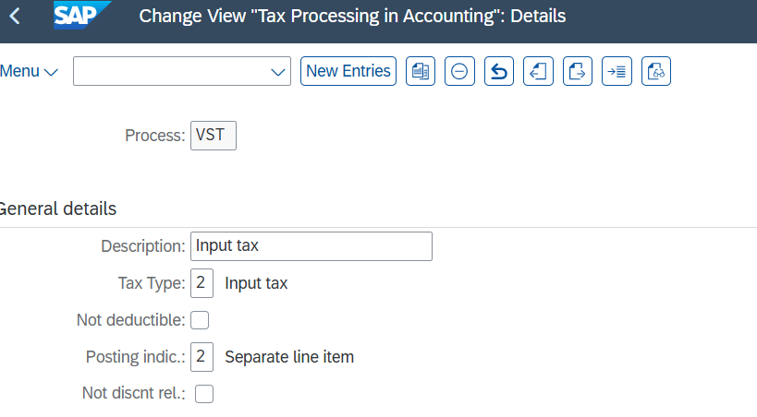

 | Country/Region Key | Tax code | Procedure | Tax percent rate(%) | Tax Type | Chart of Accounts | Process | G/L Account
 | VN | V0 | TAXVN | 0% | V (Input) | SFPT | VST | 1330000000
 | VN | V1 | TAXVN | 10% | V (Input) | SFPT | VST | 1330000000
 | VN | V2 | TAXVN | 8% | V (Input) | SFPT | VST | 1330000000

FI03
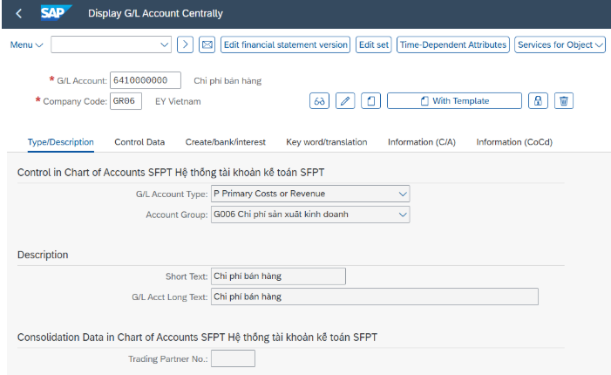
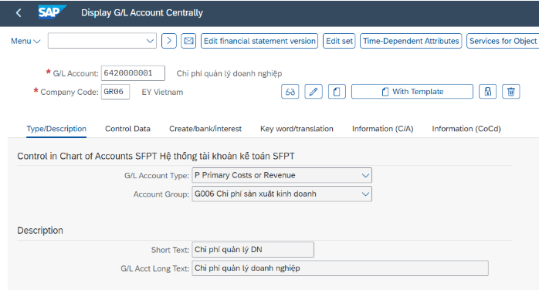
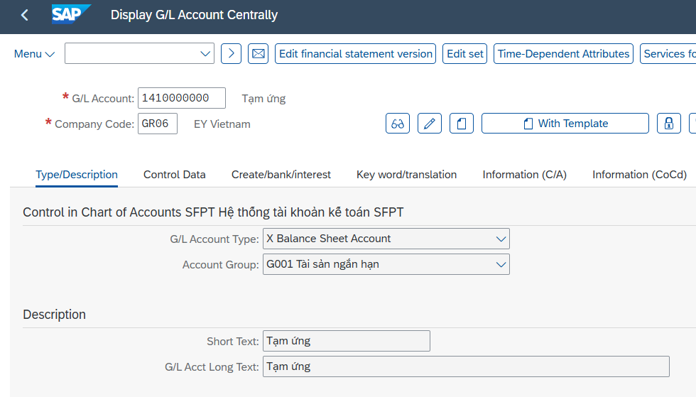
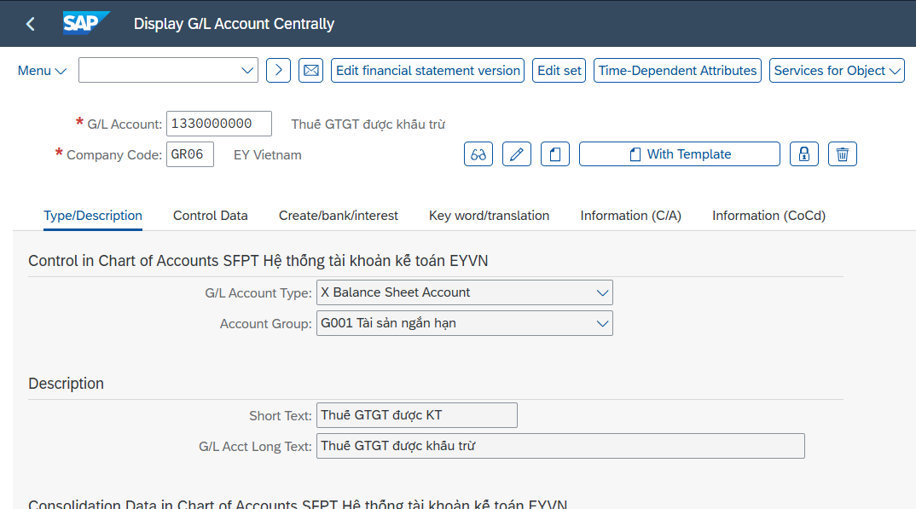
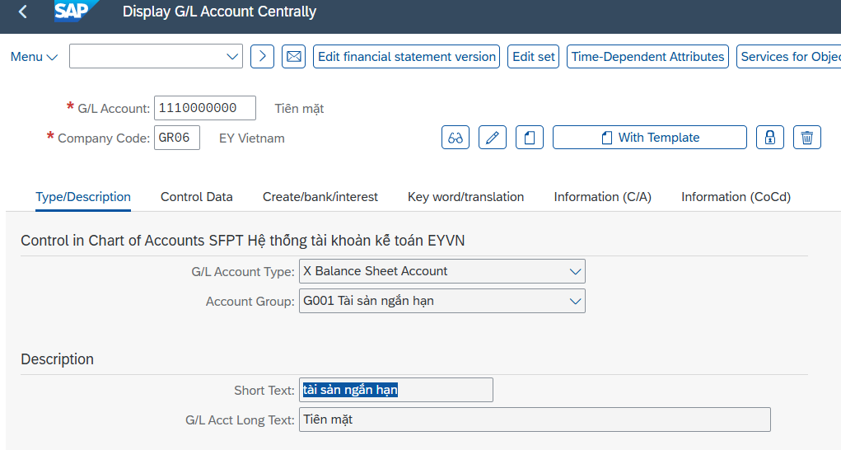
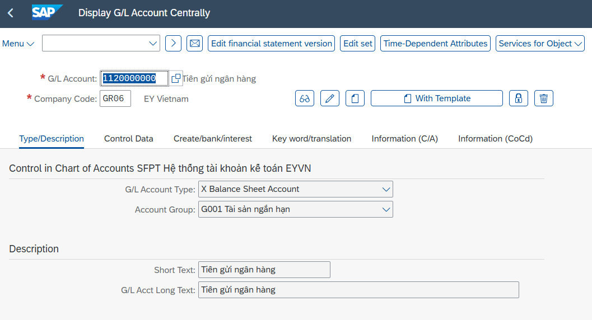
Customizing Guide |  |  |  | Release | System |  | Category |  |  |  | Created by | Nguyễn Thịnh Khang | Date
 |  |  |  |  |  |  |  |  |  |  | Revised by |  | Date
 |  |  |  |  |  |  |  |  |  |  | Reviewed by |  | Date
Tax Procedure
Menu Path |  | SAP Customizing Implementation Guide ► Financial Accounting ►Financial Accounting Global Settings ► Document ► Tolerance Groups ► Define Tolerance Groups for Employees SPRO►Cross-Application Components►SAP Business Partner►Business Partner►Basic Settings►Number Ranges and Groupings►Define Groupings and Assign Number Ranges SPRO►Financial Accounting►Accounts Receivable and Accounts Payable►Supplier Accounts►Master Data►Preparations for Creating Supplier Master Data►Define Account Groups with Screen Layout (Vendors) SPRO►Financial Accounting►Accounts Receivable and Accounts Payable►Supplier Accounts►Master Data►Preparations for Creating Supplier Master Data►Assign Number Ranges to Vendor Account Groups SPRO►Cross-Application Components►Master Data Synchronization►Customer/Vendor Integration►Business Partner Settings►Settings for Vendor Integration►Field Assignment for Vendor Integration►Assign Keys►Define Number Assignment for Direction BP to Vendor Tcode FBKP Maintain Accounting Configuration SAP menu ► Logistics ► Materials Management ► Purchasing ►Master Data ► Vendor ► Central ► Create SPRO ► Financial Accounting ► General Ledger Accounting Master Data►G/L Account ► G/L Account creation and processing ► Edit G/L account ► Edit G/L account centrally

 | Define Tolerance Groups for Employees
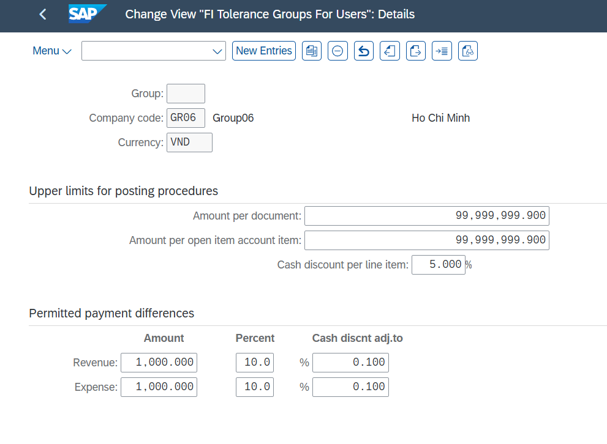

 | Define Grouping and Assign Number Ranges

 | Define Account Group with Screen layout (Vendor)

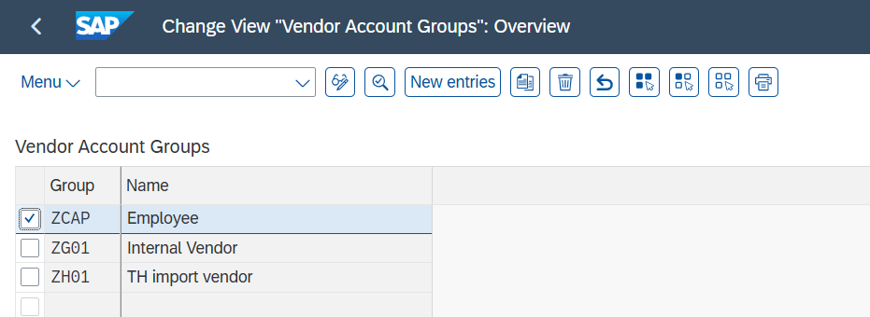

 | Assign Number Ranges to Vendor Account Groups

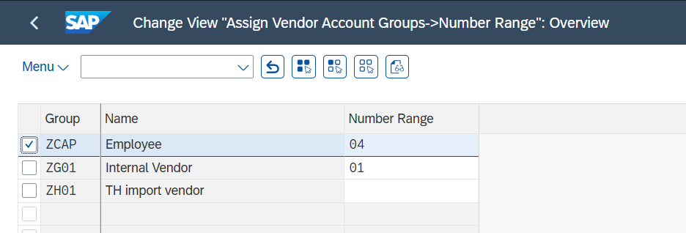

 | Define Number Assignment for Direction BP to Vendor

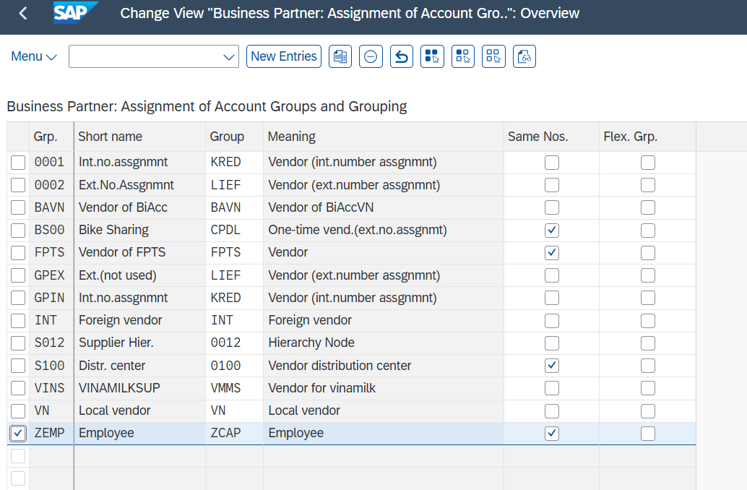

 | Maintain Accounting Configuration
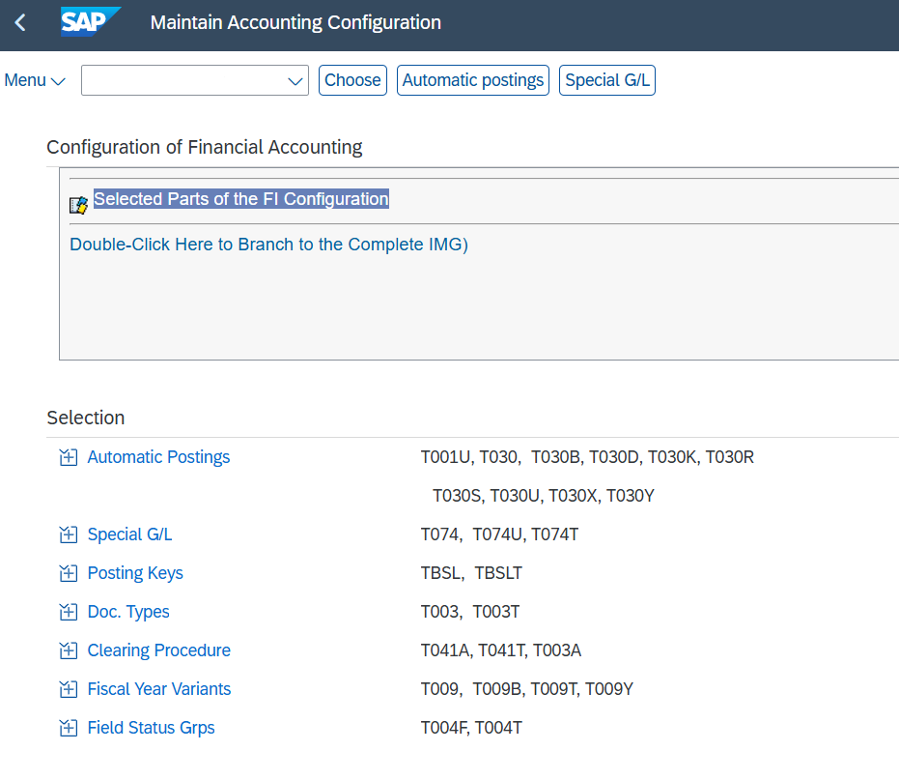
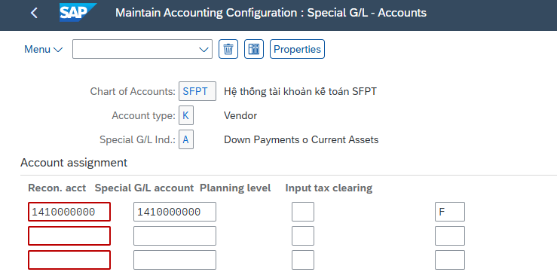

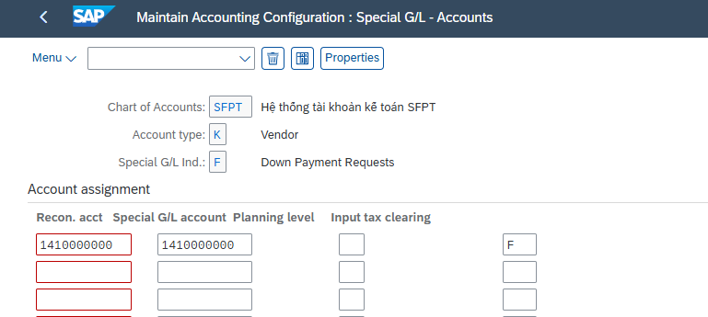

 | Create Master data of Vendor (Employee)

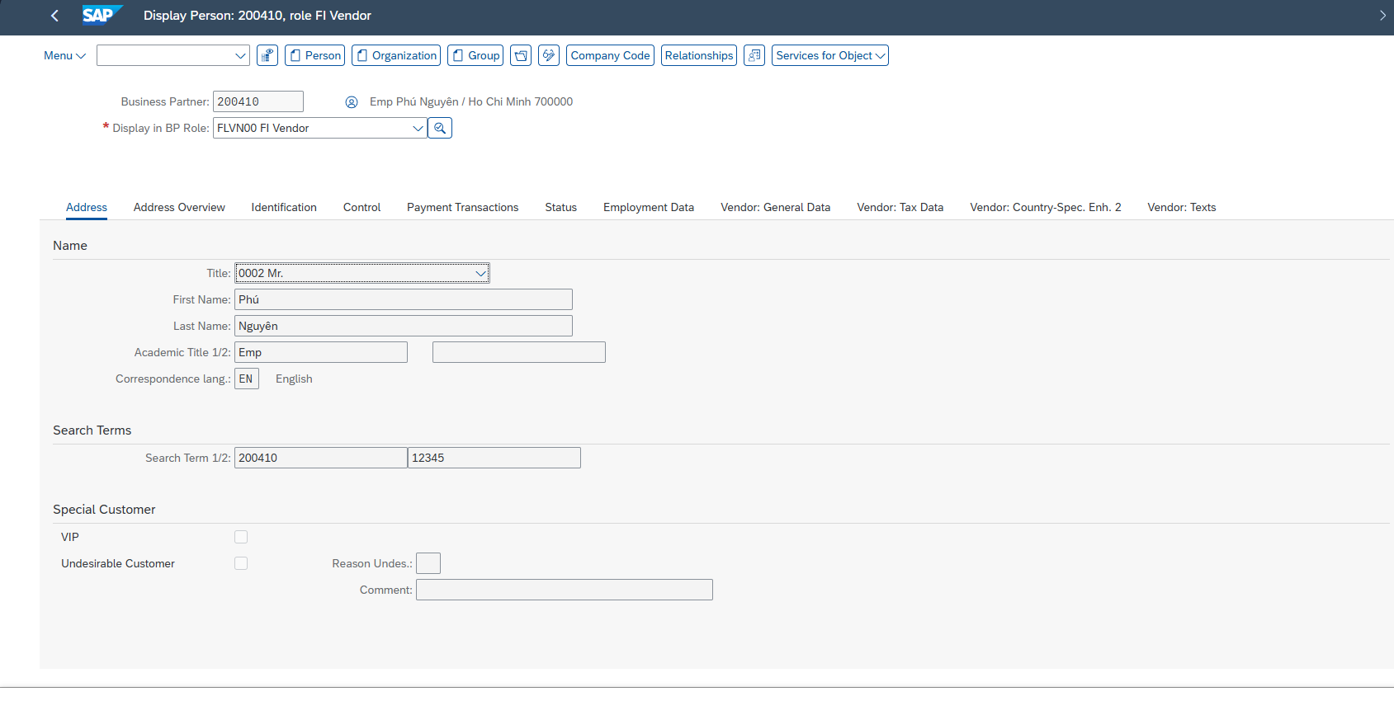
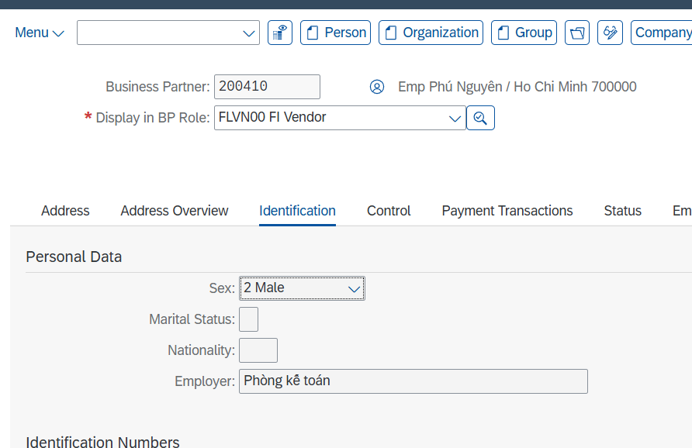

 | Business Partner | First name | Last name | Academic Title ( Position) | Employer(Department) | Language | Search Term 1 | Street | House Number | Postal code | City | Country | Region | Time zone | Telephone | Cellphone | Fax | Email | Tax Identification Number | Monthly Net Income
 | 200423 | Thái | Thư | Employee | Phòng Kế Toán | EN | 200423 | Nguyễn Thị Minh Khai, Quận 1 | 15 | 700000 | Ho Chi Minh | VN | HCM | UTC +7 | (028) 3821 1234 | 0912 345 678 | (028) 3821 5678 | thaithu22@gmail.com | 1234567890 | 20,000,000 ₫
 | 200424 | Hoàng | Nam | Manager | Phòng Kế Toán | EN | 200424 | Lý Chính Thắng, Phường 8, Quận 3 | 12 | 700000 | Ho Chi Minh | VN | HCM | UTC +7 | (028) 3940 1122 | 0918 234 567 | (028) 3940 3344 | hoangnam22@gmail.com | 9876543210 | 40,000,000 ₫
 | 200425 | Thanh | Nga | Employee | Phòng Sales 1 | EN | 200425 | Trường Sa, Phường 17, Quận Bình Thạnh | 123 | 700000 | Ho Chi Minh | VN | HCM | UTC +7 | (028) 3511 2233 | 0932 789 654 | (028) 3511 5566 | thanhnga33@gmail.com | 4567891230 | 20,000,000 ₫
 | 200426 | Dung | Ngư | Employee | Phòng Sales 1 | EN | 200426 | Lê Văn Việt, Phường Tăng Nhơn Phú A | 78 | 700000 | Ho Chi Minh | VN | HCM | UTC +7 | (028) 3765 9988 | 0909 123 456 | (028) 3765 2233 | dungngu444@gmail.com | 1122334455 | 20,000,000 ₫
 | 200427 | Hái | Thăng | Manager | Phòng Sales 1 | EN | 200427 | Nguyễn Ảnh Thủ, Phường Hiệp Thành, Quận 12 | 120 | 700000 | Ho Chi Minh | VN | HCM | UTC +7 | (028) 3620 4455 | 0987 654 321 | (028) 3620 6677 | thaithang1@gmai.com | 6655443322 | 45,000,000 ₫
 | 200428 | Hùng | Vĩ | Director | Ban Giám Đốc | EN | 200428 | Phan Đăng Lưu, Phường 5, Quận Phú Nhuận | 222 | 700000 | Ho Chi Minh | VN | HCM | UTC +7 | (028) 3865 7788 | 0966 888 123 | (028) 3865 9900 | hungvidirec@gmail.com | 7788990011 | 80,000,000 ₫

 | Reconciliation Account and Expenses G/L Account

 | Attribute | Data value |  | Reconciliation Account | Description
 | G/L account | 64* |  | 6410000000 | Chi phí bán hàng
 | Company code | GR06 |  | 6420000001 | Chi phí quản lý doanh nghiệp
 | G/L Account Type | P Primary Costs or Revenue
 | Account group | G006 Chi phí sản xuất kinh doanh
 |  |  |  | Attribute | Data value |  | Attribute | Data value |  | Attribute | Data value
 | Attribute | Data value |  | G/L account | 1330000000 |  | G/L account | 1120000000 |  | G/L account | 1110000000
 | G/L account | 1410000000 |  | Company code | GR06 |  | Company code | GR06 |  | Company code | GR06
 | Company code | GR06 |  | G/L Account Type | X Balance sheet Account |  | G/L Account Type | X Balance sheet Account |  | G/L Account Type | X Balance sheet Account
 | G/L Account Type | X Balance sheet Account |  | Account group | G001 Tài sản ngắn hạn |  | Account group | G001 Tài sản ngắn hạn |  | Account group | G001 Tài sản ngắn hạn
 | Account group | G001 Tài sản ngắn hạn |  | Short Text | Thuế GTGT được KT |  | Short Text | Tiền gửi ngân hàng |  | Short Text | tài sản ngắn hạn
 | Short Text | Tạm ứng |  | G/L Acct Long Text | Thuế GTGT được khấu trừ |  | G/L Acct Long Text | Tiền gửi ngân hàng |  | G/L Acct Long Text | Tiền mặt
 | G/L Acct Long Text | Tạm ứng

