Process Flow
Function Flow |  |  |  | Created by:Nguyễn Thịnh Khang Trần Phú Nguyên | Created date: | 2025-03-04
Function ID | ZFIECAP | Function Name | Employee Cash Advance Process | Modified by: | Modified date:
 |  |  |  | Reviewed by: Lê Thị Thu Hiền | Reviewed date: 10/3/2025
Screen Flow

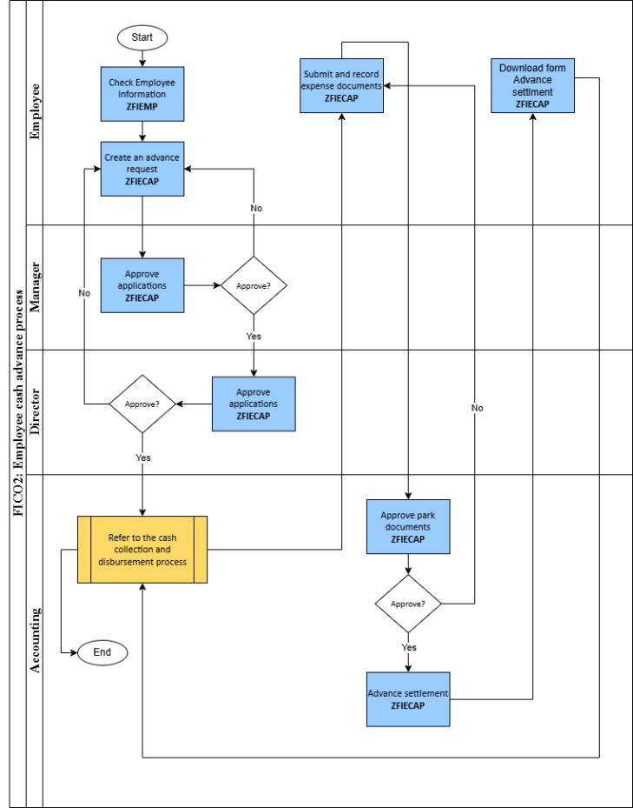
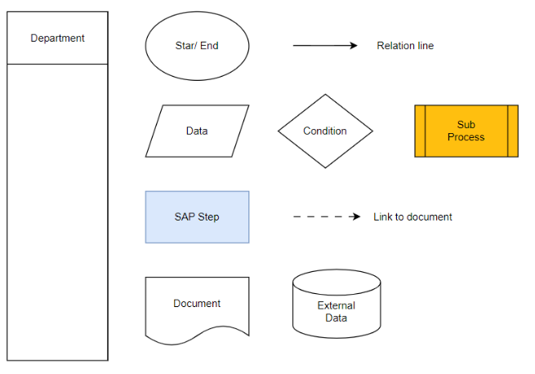

Supplement

Screen Layout
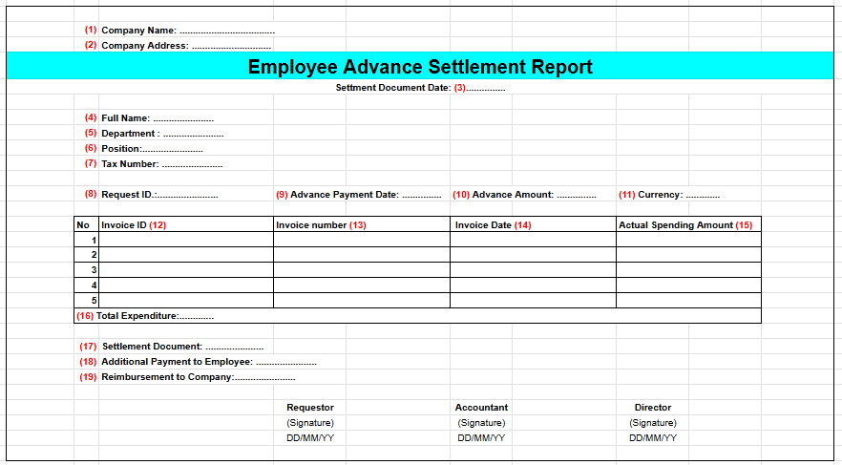
Function Flow |  |  |  |  |  |  |  |  |  |  |  | Created by:Nguyễn Thịnh Khang Trần Phú Nguyên | Created date: | 2025-03-04
 |  |  |  |  |  |  |  |  |  |  |  | Modified by: | Modified date:
Screen |  |  |  |  |  |  |  |  |  |  |  | Reviewed by: Lê Thị Thu Hiền | Reviewed date: 10/3/2025

 | 1. Parameter

 | Employee selection
 |  | (1) | Company Code |  | To:
 |  | (2) | Employee ID |  | To:
 | Additional selection
 |  | (3) | Empoyee Position |  | To:
 |  | (4) | Department |  | To:
 |  | (5) | Advance Settlement Status |  | To:
 |  | (6) | Approval Status |  | To:
 |  | (7) | Document Submission Status |  | To:
 |  | (8) | Payment Due Date |  | To:

 | 2. ALV overview

 | Company Code | Request ID | Employee ID | Employee Name | Position | Department | Request Date | Advance Reason | Description | Payment Method
 | (1) | (2) | (3) | (4) | (5) | (6) | (7) | (8) | (9) | (10)
 | GR06 | 41 | 200417 | Lê Nguyên | Employee | Sales 1 | 17/03/2025 | Business Trip | Travel and accommodation expenses in HaNOi from 20/03 to 23/03 | Bank Transfer
 | GR06 | 8 | 200416 | Minh Nhật | Employee | Sales | DD/MM/YY | Client Reception | Hospitality expenses for client reception on 12/03 | NOt Available

 | Advance Amount | Total amount of Expenses | Additional Payment to Employee | Reimbursement to Company | Currency | Advance Return Due Date | Advance Return Due Status (Overdue /On Time) | Approval Status (Pending/Approved/Rejected) | Rejection Reason (If Any) | Approver | Approval/Rejection Date
 | (11) | (12) | (13) | (14) | (15) | (16) | (17) | (18) | (19) | (20) | (21)
 | 7,000,000 |  | 0 |  | VND | 31/03/2025 | On Time | Approved |  | Department Head | 17/03/2025
 | 8.000.000 |  | 0 |  | VND | DD/MM/YY |  | Rejected | Exceeds Budget | Accountant | DD/MM/YY

 | Payment Due Date | Payment Date | Payment Document | Invoice Document Submission Link | Document Submission Status (YES/NO) | Settlement Document | Settlement Document Date | Advance Settlement Status (Cleared/Open)
 | (22) | (23) | (24) | (25) | (26) | (27) | (28) | (31)
 | 19/03/2025 | 17/03/2025 | 2000000016 | documentsumit/trip/123123 |  |  |  | Cleared
 | DD/MM/YY | DD/MM/YY | 5000001236 | documentsumit/clientreception/789789

 | 3. ALV detail

 | Request ID | Invoice ID | Invoice Symbol | Invoice Number | Supplier Name | Address | Invoice Date | Posting Date
 | c | (2) | (3) | (4) | (5) | (6) | (7) | (8)
 | 41 | 42 |  |  |  |  | 17/03/2025
 | 8 |  |  |  |  |  | DD/MM/YY

 | Vat Registration No | Actual Spending Amount | Currency | Tax Code | Tax Percent. Rate (%) | Tax Amount | Total Amount
 | (9) | (10) | (11) | (12) | (13) | (14) | (15)
 |  | 6,000,000 | VND
 |  | 0 | VND

 | Cost Type | Cost Name | Text | Reason of Reject invoice | Invoice Approver | Invoice Approval Date | Invoice Approval Status (YES/ NO)
 | (16) | (17) | (18) | (19) | (20) | (21) | (22)
 | Business Trip | 200417 |  |  | Accountant A | 17/03/2025 | YES
 | Client Reception | 642300 |  |  | Accountant A | DD/MM/YY | NO

 | 1.4 Advance request tool : When selecting 'Create Advance Request' on the ALV General screen

 | (1) | Request Date
 | (2) | Company Code
 | (3) | Currency
 | (4) | Advance Reason
 | (5) | Description
 | (6) | Employee ID
 | (7) | Advance Amount
 | (8) | Payment due date
 | (9) | Payment Method

 | 1.5 Submit and record expense document : Choose a advance request line and Click 'Invoice submit' on the ALV General screen

 | Company code | Employee ID | Request ID | Request Date | Invoice Symbol | Invoice Number | Supplier name | Address | Invoice date | Posting date | Vat registration NO
 | (1) | (2) | (3) | (4) | (5) | (6) | (7) | (8) | (9) | (10) | (11)

 | Amount | Currency | Tax code | Tax Percent. Rate (%) | Tax Amount | Total amount | Cost Type | Cost name | Text | Document number | Document submit link
 | (12) | (13) | (14) | (15) | (16) | (17) | (18) | (19) | (20) | (21) | (22)

 | 1.6 Advance settlement: Choose a advance request line and Click 'advance settlement' on the ALV General screen Call với Tcode F-44

 | 1.7 Smart form advance request : When selecting 'Print the request" on the ALV General screen
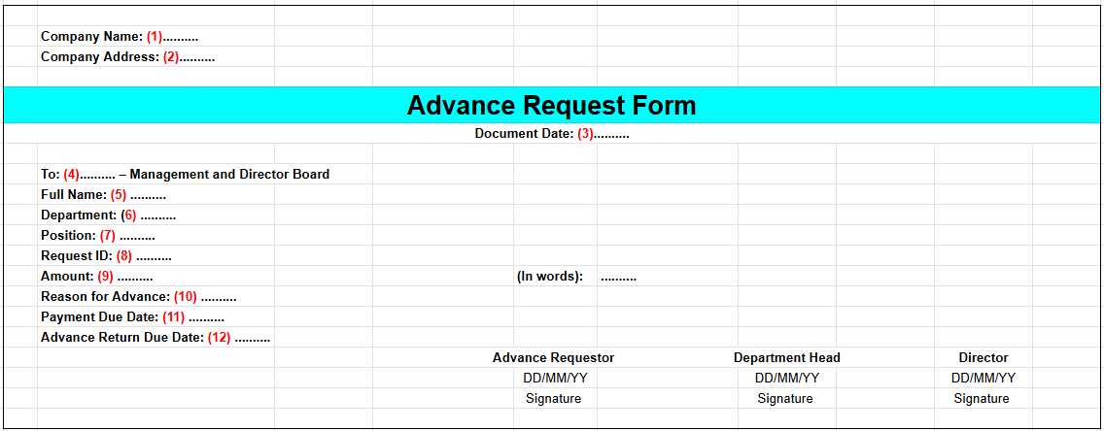

 | 1.8 Smart form Advance Settlement report : When selecting 'Print the report" on the ALV General screen

