Process Flow
Function Flow |  |  |  | Created by:Nguyễn Thịnh Khang Trần Phú Nguyên | Created date: | 2025-03-04
Function ID | ZFIEMP | Function Name | Employee Infomation | Modified by: | Modified date:
 |  |  |  | Reviewed by: Lê Thị Thu Hiền | Reviewed date: 10/3/2025
Screen Flow

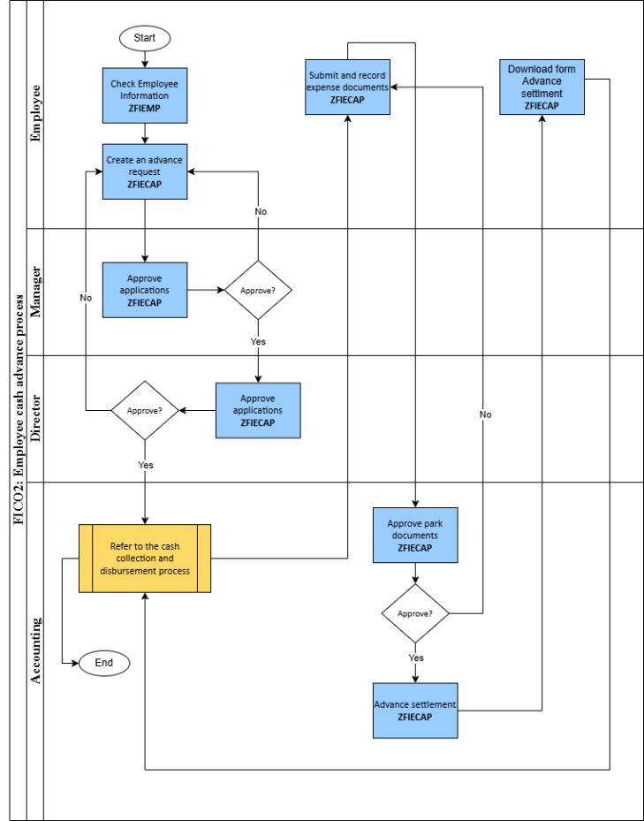
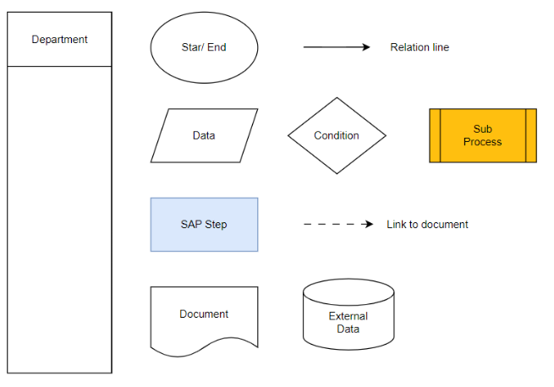

Supplement

