Evidence
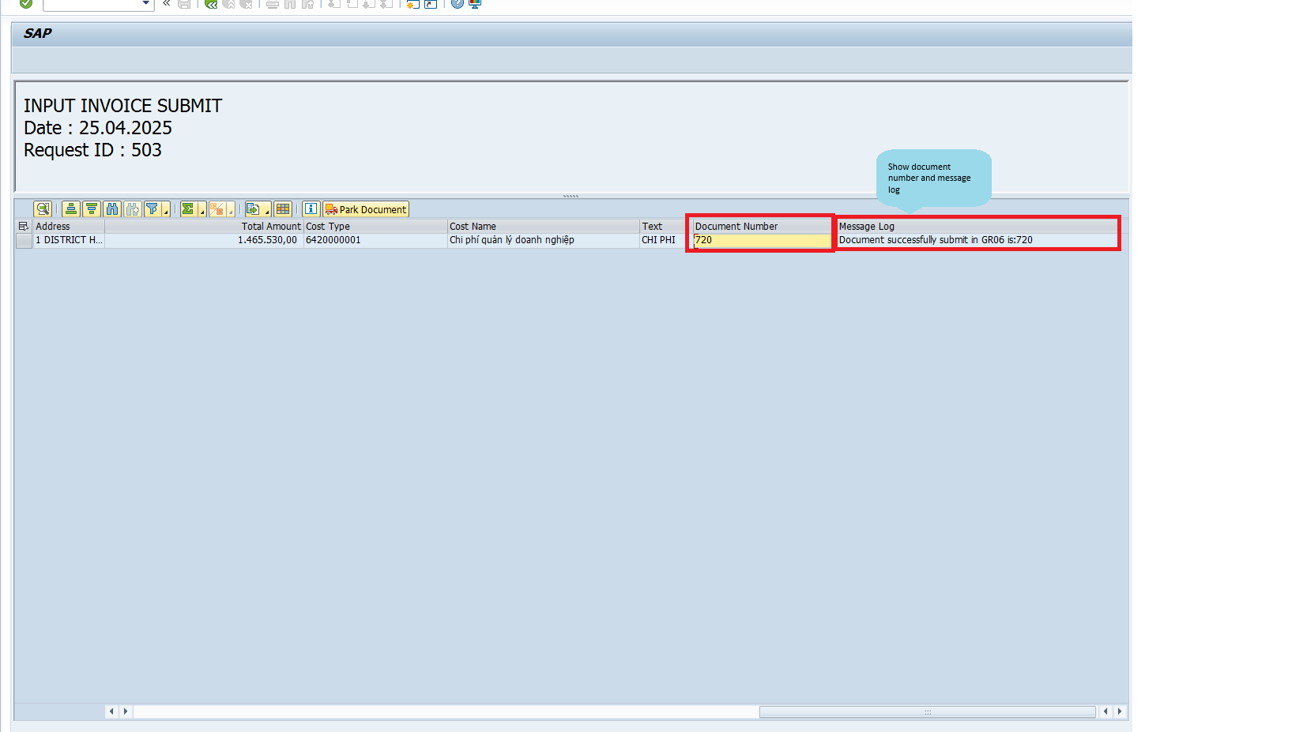
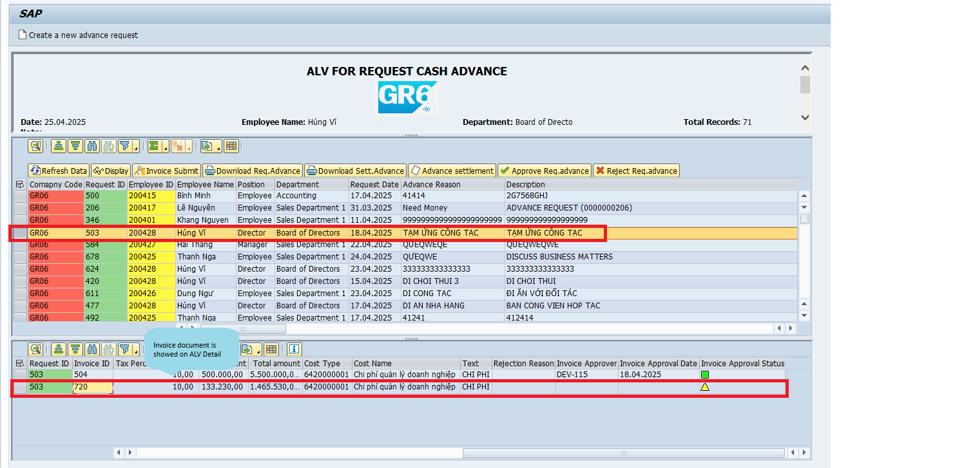
 | 1 | UI Testing
001 | Check selection screen. | Display selection-screen as requirement of functional specification.

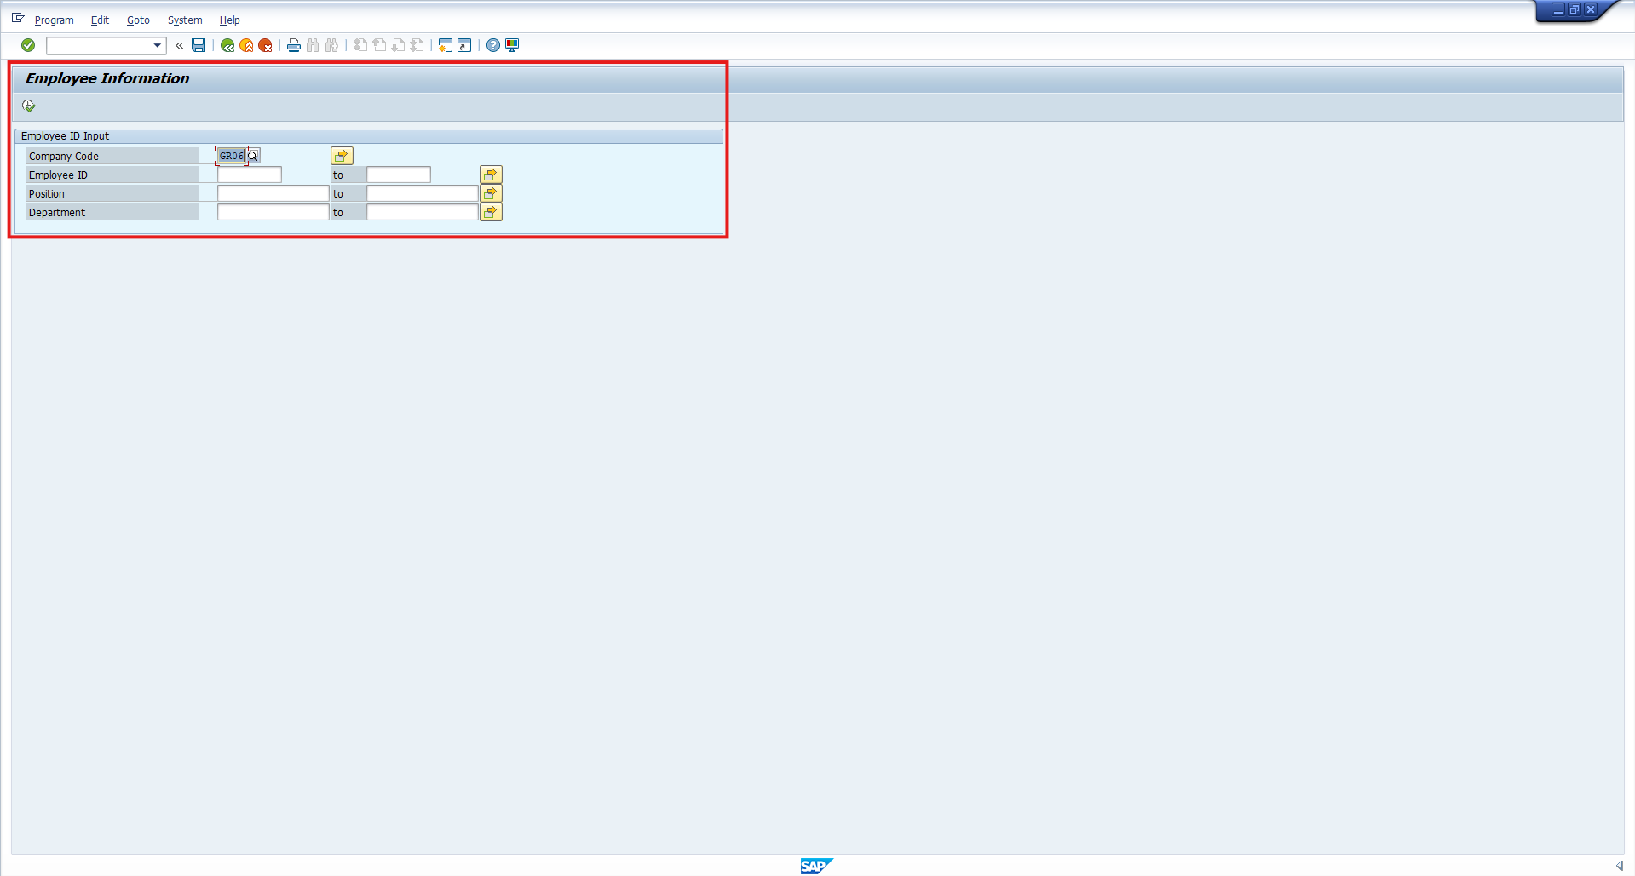

002 | 2 | UI Testing
 |  | Display top of page for role of account is using
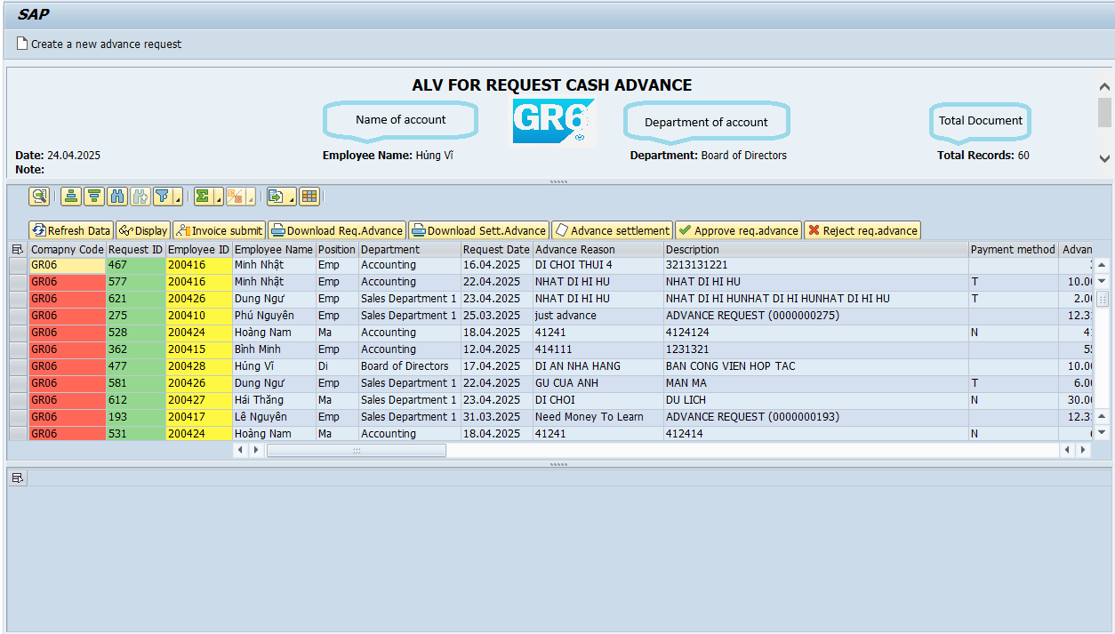

003 | 3 | UI Testing
 | Check ALV Overview | Display data of the advanced cash document for each role
 | 3.1 | Role Director
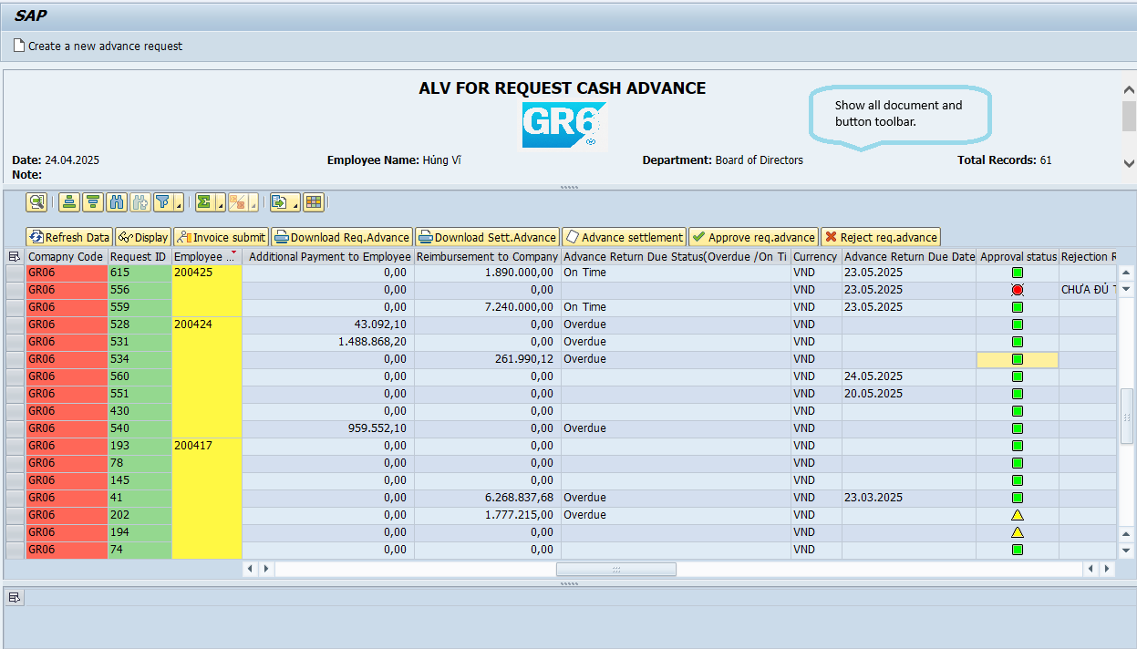
 | 3 | UI Testing
 | Check ALV Overview | Display data of the advanced cash document for each role
 | 3.2 | Role Director
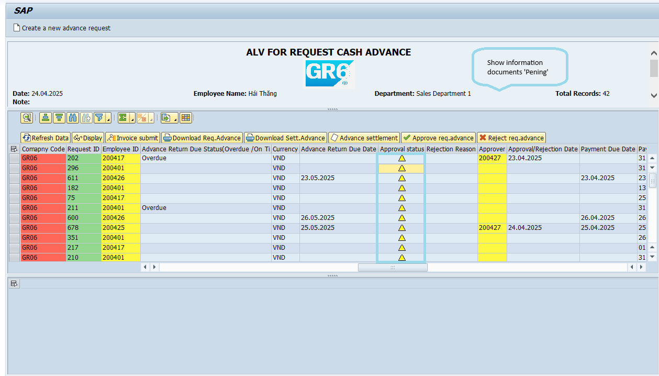
 | 3 | UI Testing
 | Check ALV Overview | Display data of the advanced cash document for each role
 | 3.3 | Employee position, accounting department
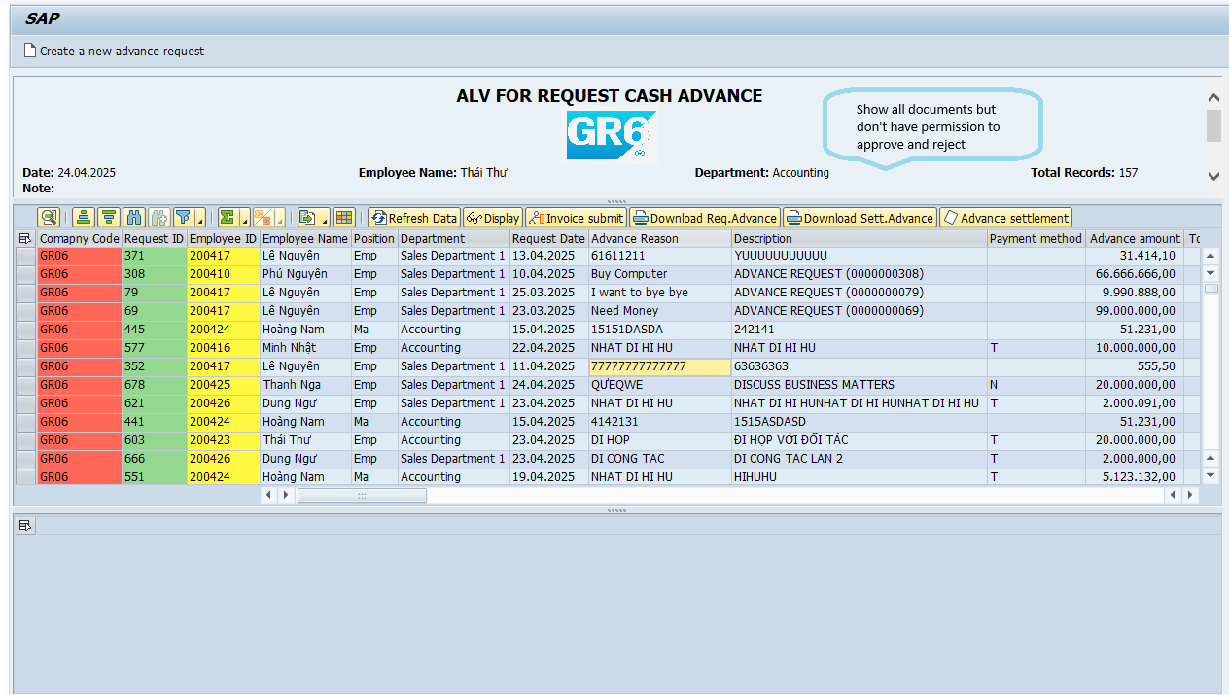
 | 3 | UI Testing
 | Check ALV Overview | Display data of the advanced cash document for each role
 | 3.4 | Employee position, accounting department
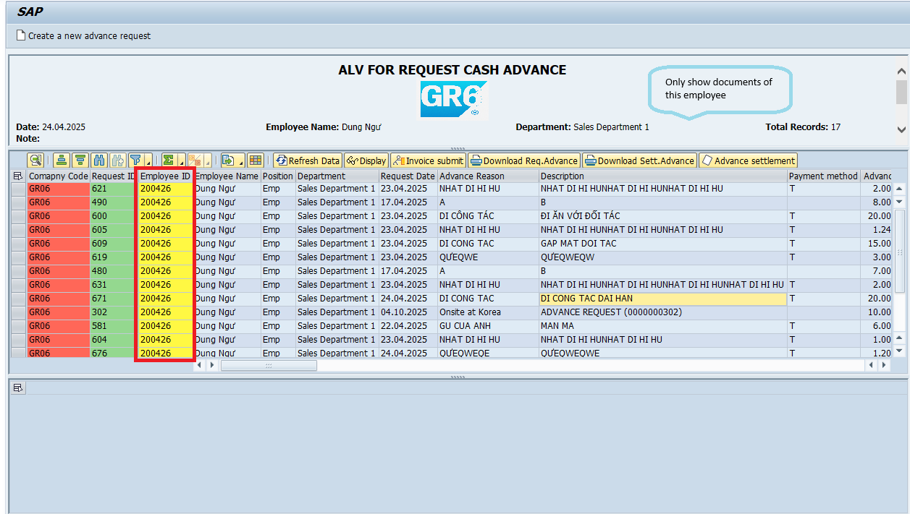
004 | 4 | UI Testing
 | Check ALV Details | Display data of the Invoice submit of each document

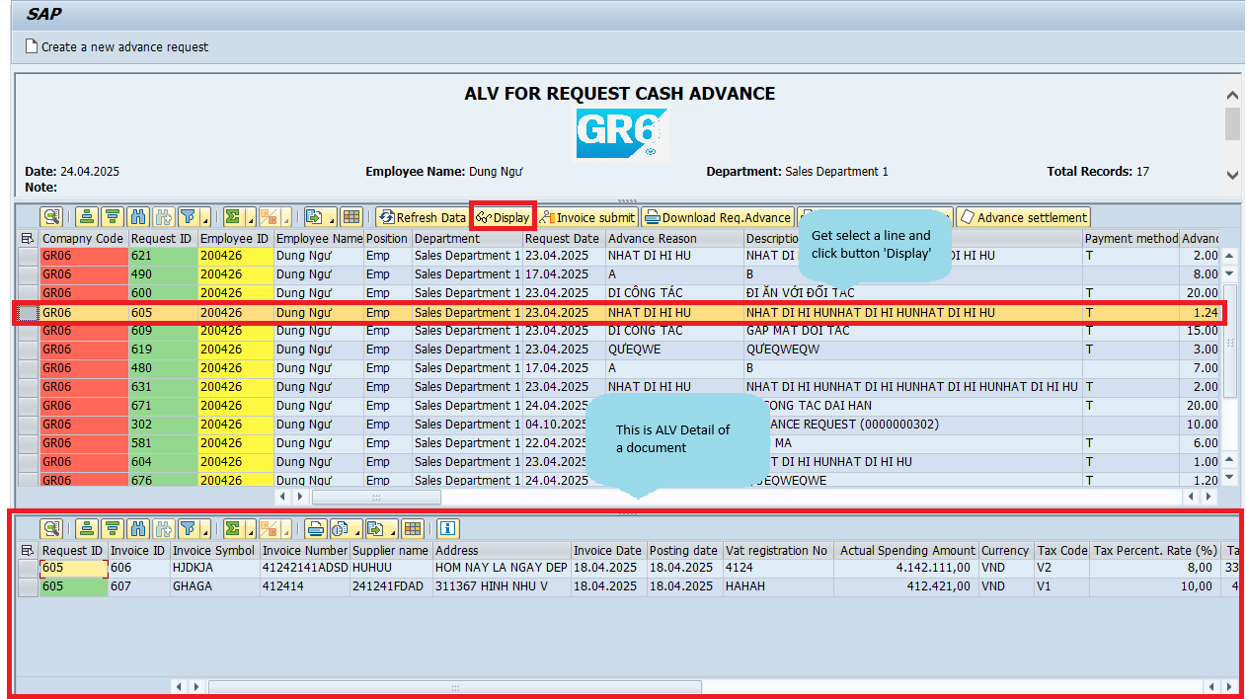
005 | 5 | Function Testing
 | Click 'Refresh Data' button. | Refresh latest data
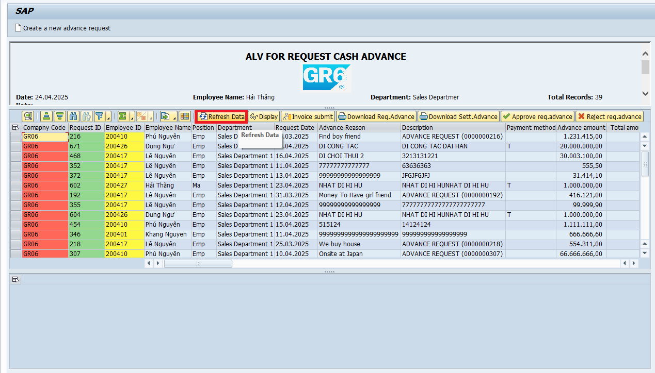

006 | 6 | Function Testing
 | 'Display' button. | Display data of the Invoice submit of each document
 | 6.1 | Document don't have Invoice
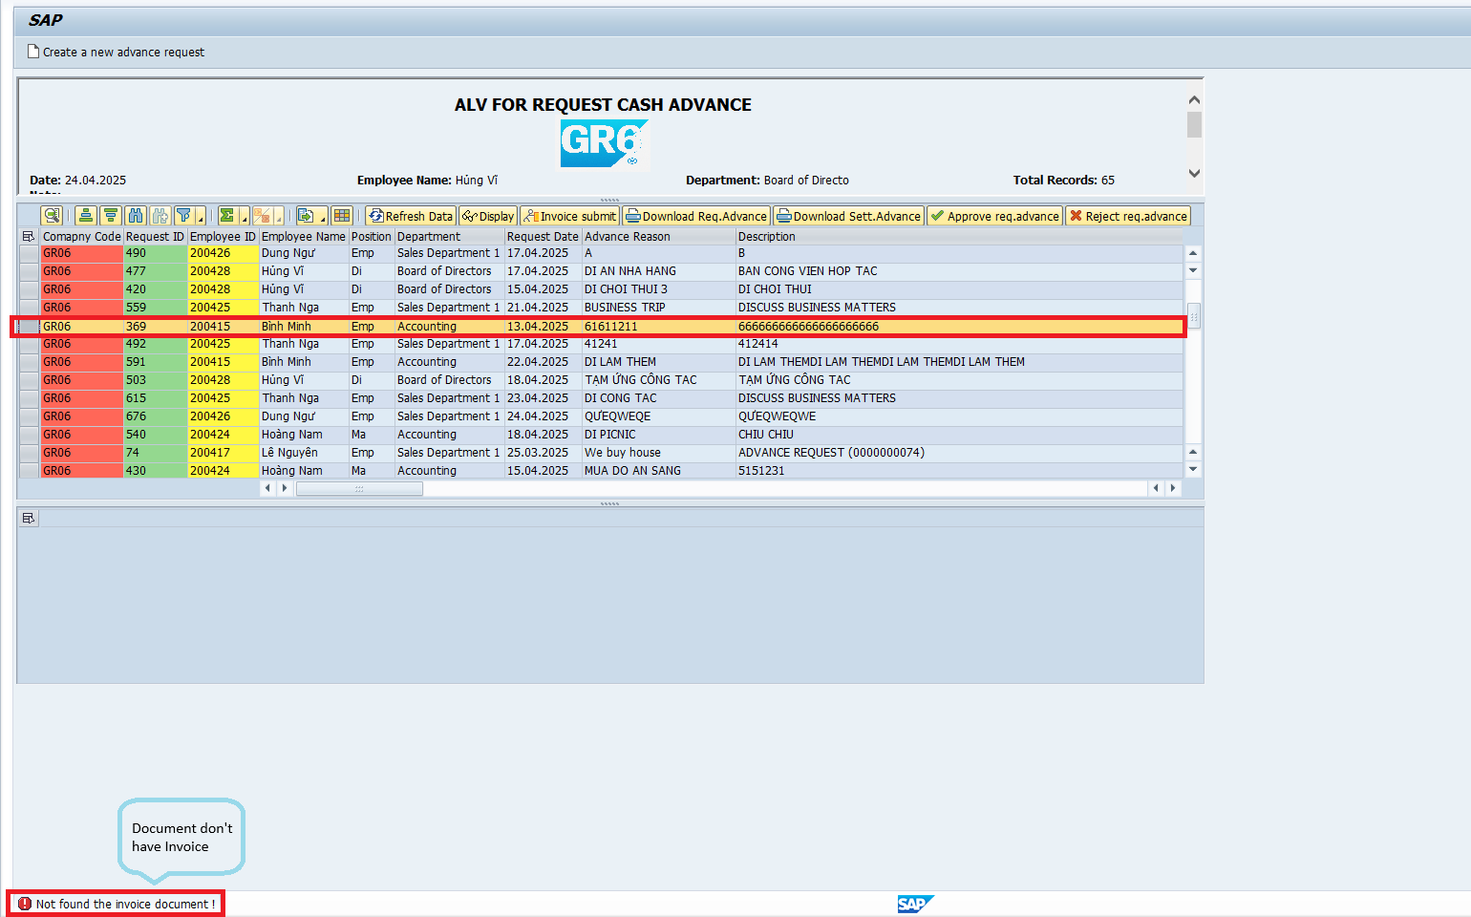
 | 6 | Function Testing
 | 'Display' button. | Display data of the Invoice submit of each document
 | 6.2 | Reference 4.1

007 | 7 | Function Testing
 | 'Create a new advance request' button. | Allow user create an advance cash document by input information necessary.

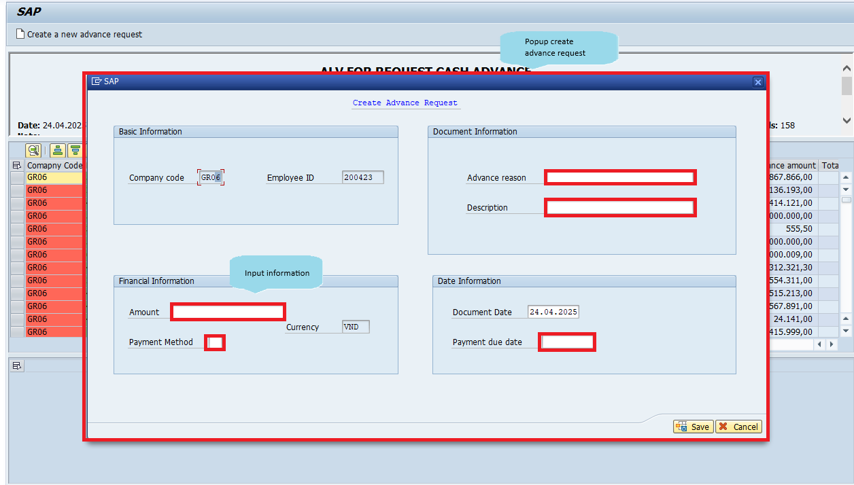
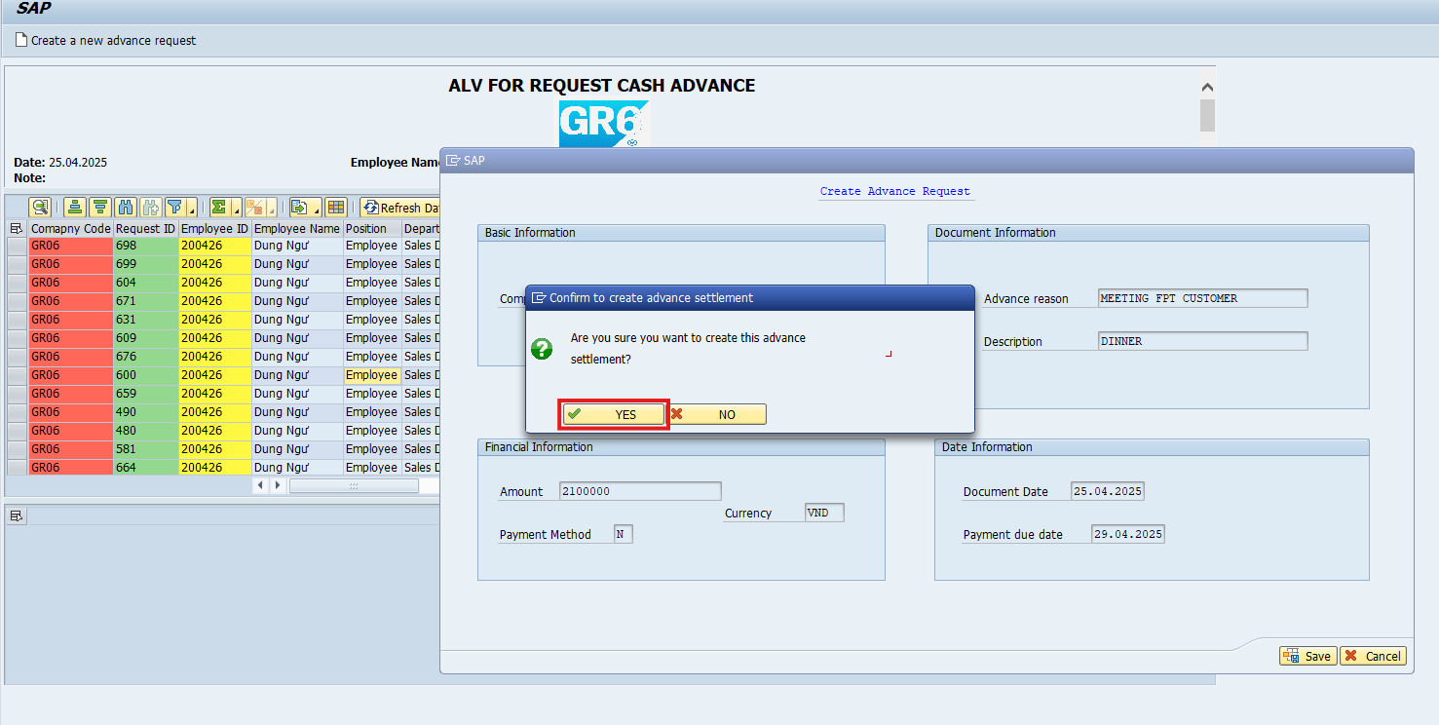

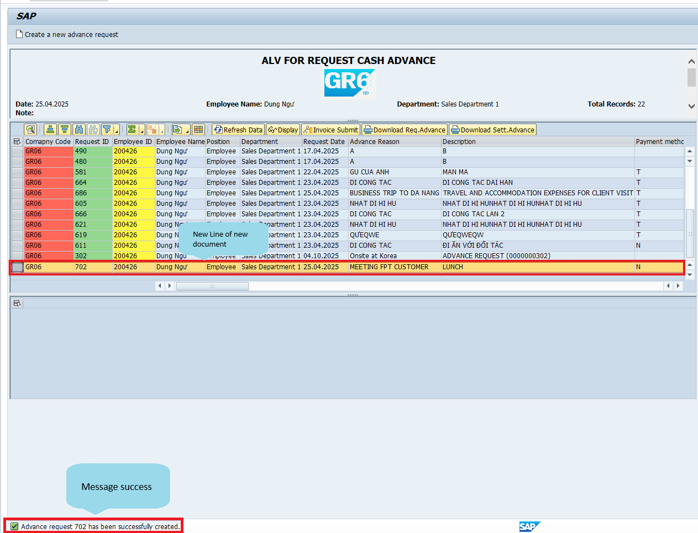

008 | 8 | Function Testing
 | 'Approve req.advance' button | Change status a document from 'Pending' to 'Approved'
 |  | This button is authorized for Director's role and Manager's role
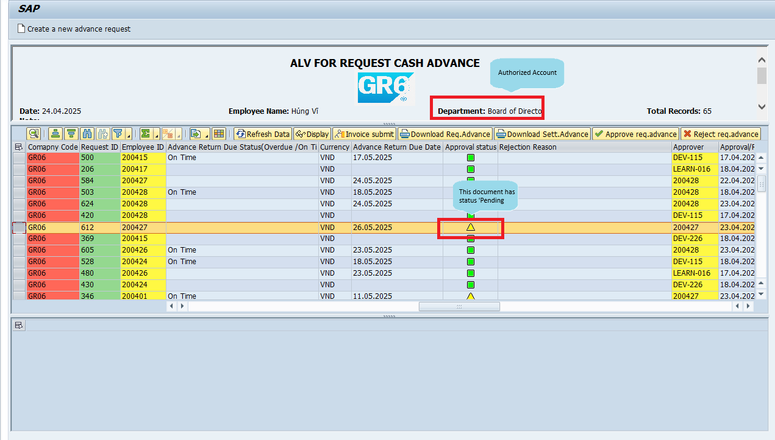
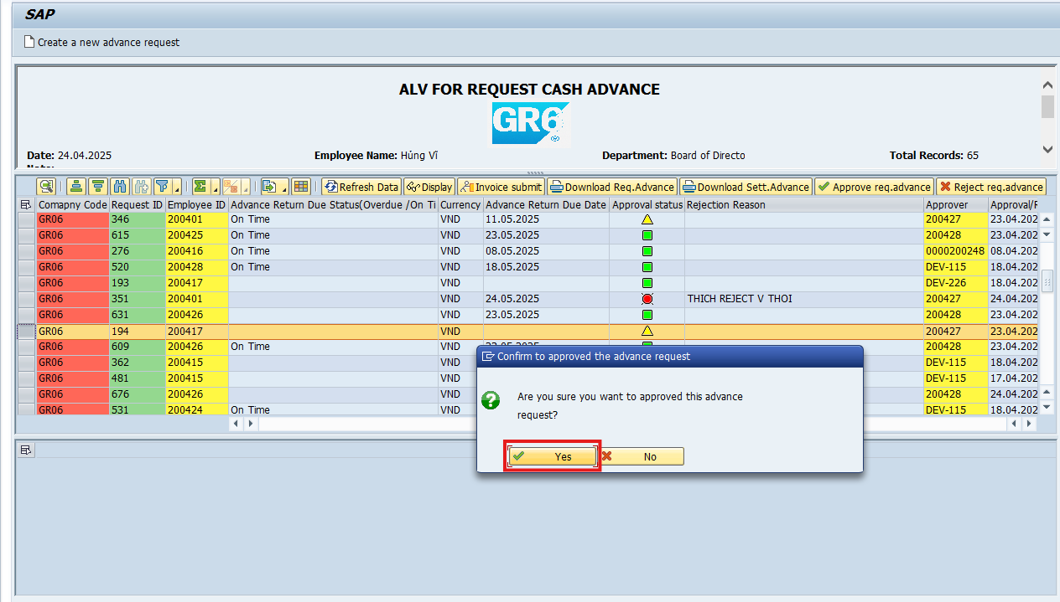

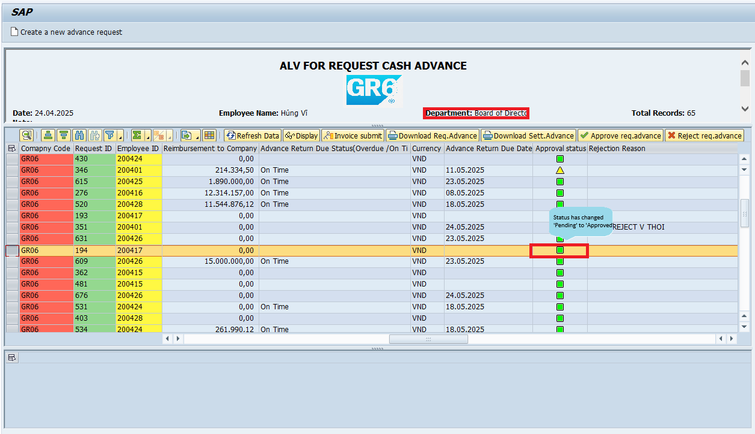
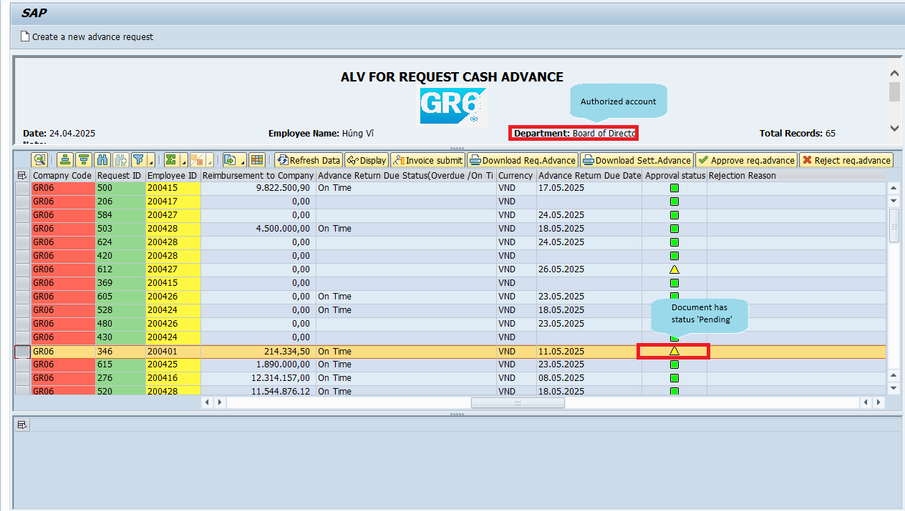
009 | 9 | Function Testing
 | 'Reject req.advance' button | Change status a document from 'Pending' to 'Reject'
 |  | This button is authorized for Director's role and Manager's role
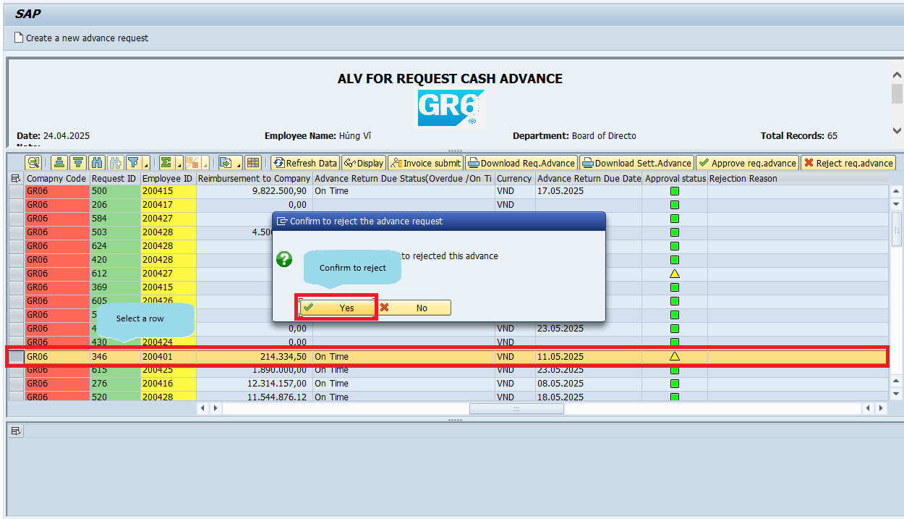
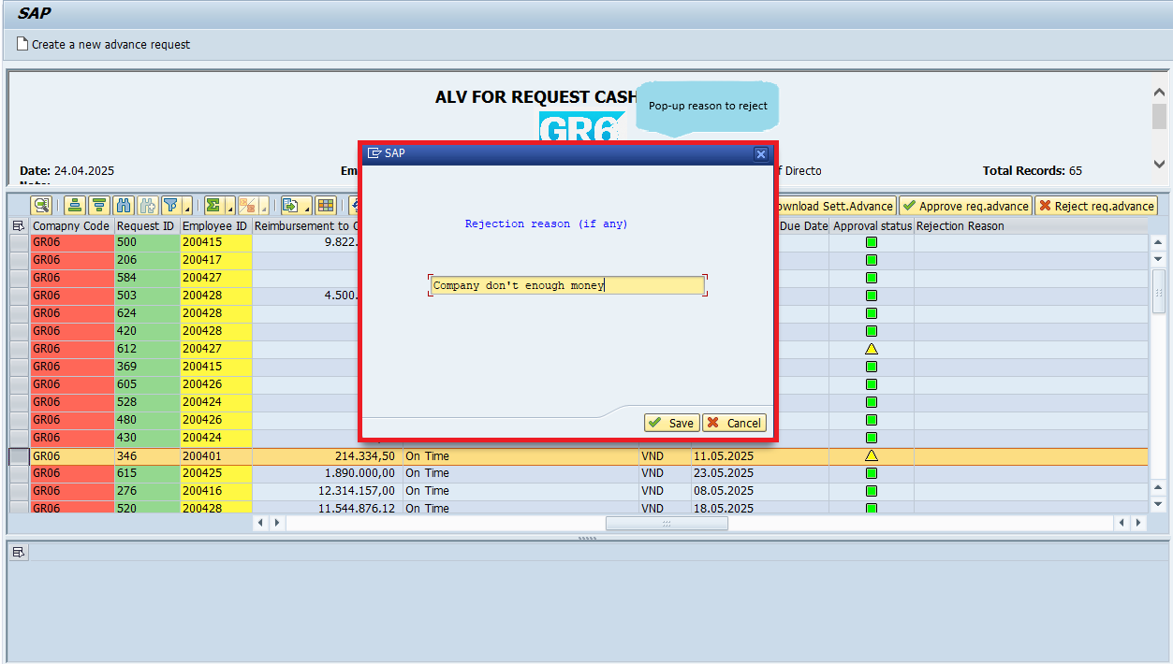

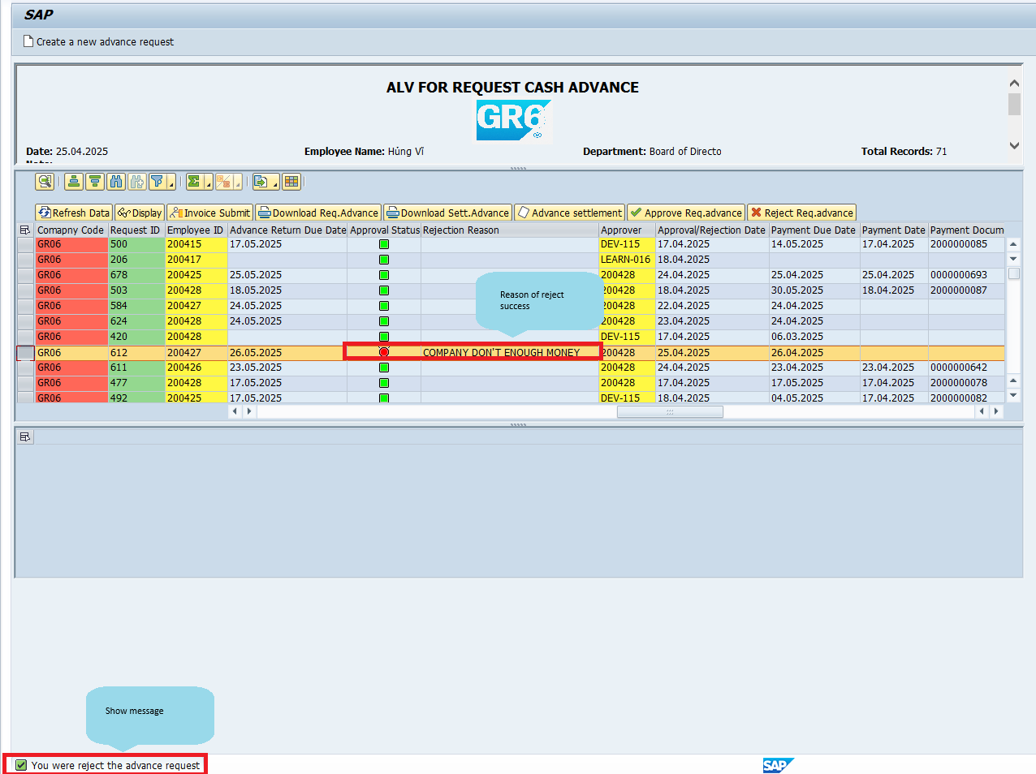
010 | 10 | Function Testing
 | 'Invoice Submit' button | Show another screen perform an ALV to allow user to input information for one or more invoices have been spent to report work done
 | 10.1 | Select a document not owned to submit by Director's role.
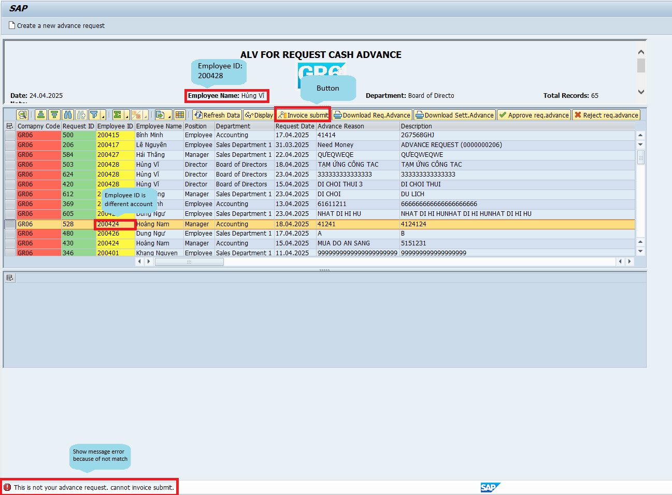
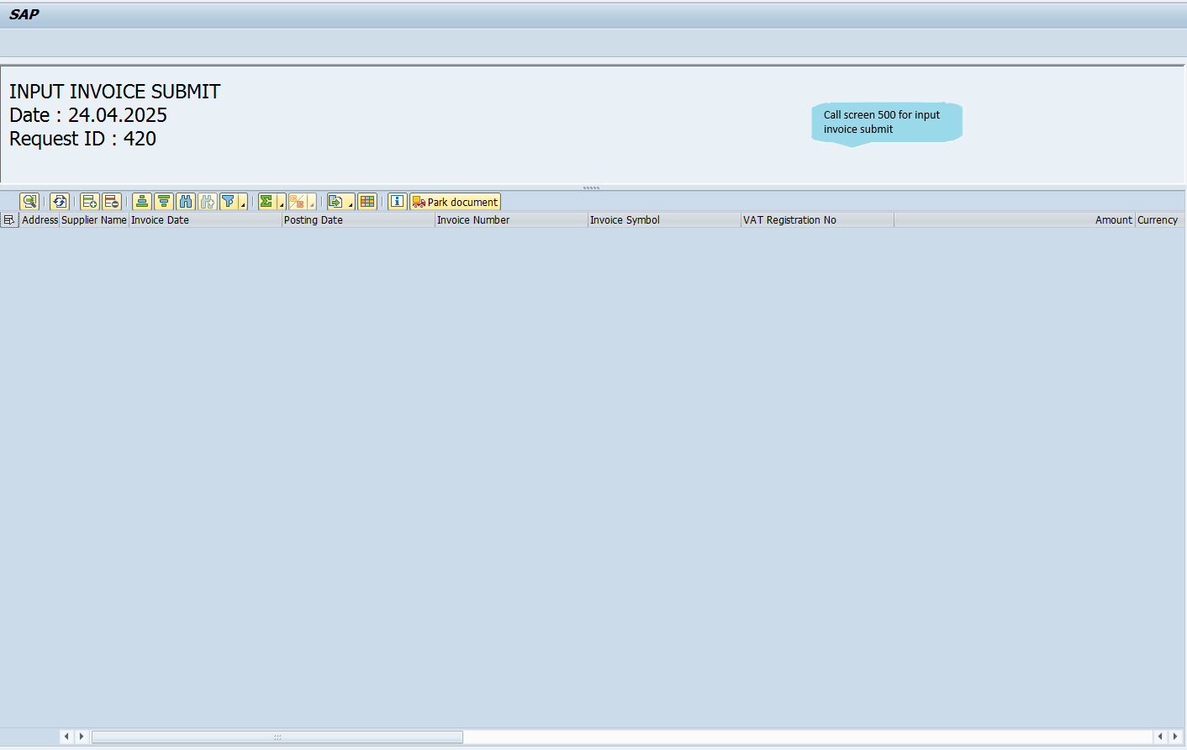
 | 10 | Function Testing
 | 'Invoice Submit' button | Show another screen perform an ALV to allow user to input information for one or more invoices have been spent to report work done
 | 10.2

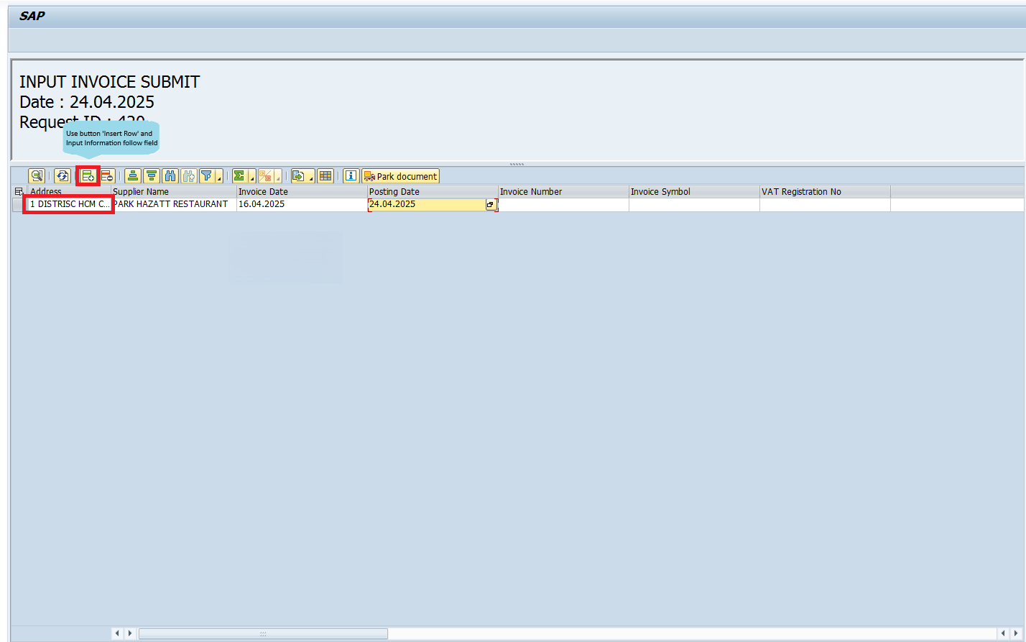
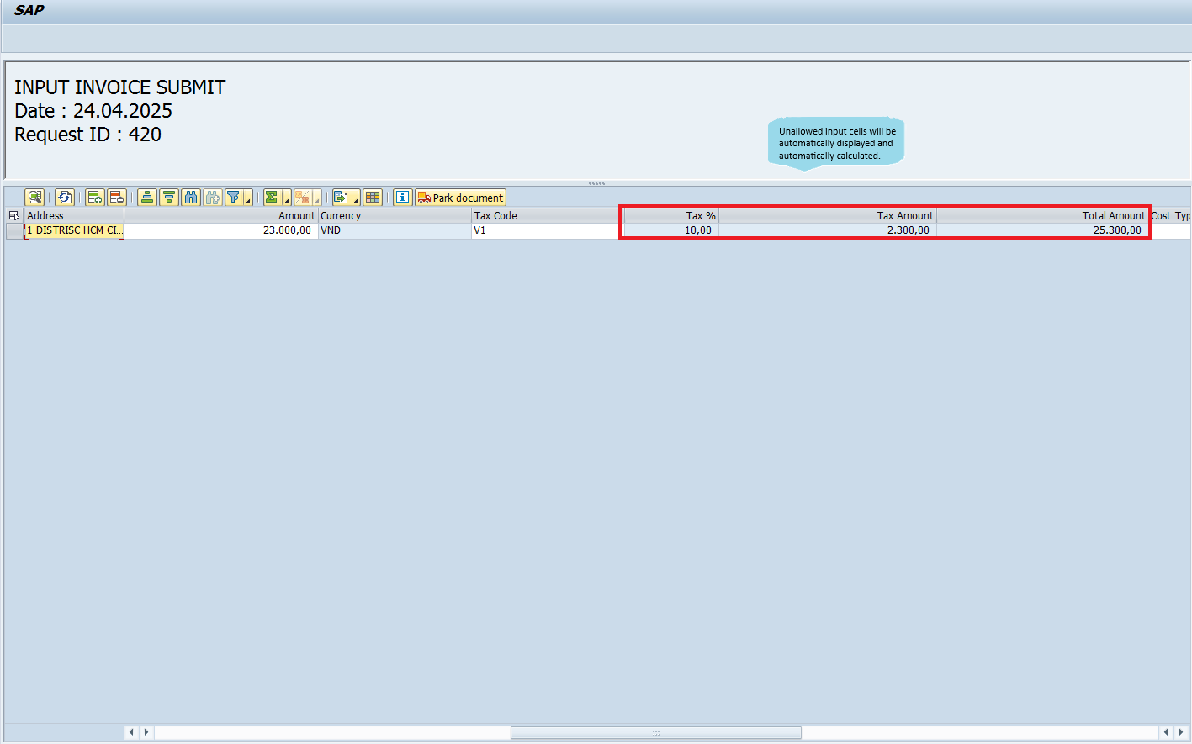

011 | 11 | Function Testing
 | 'Park Document' button | A park document is created for each selected invoice. The system displays a pop-up confirm and pop-up to submit link invoice.

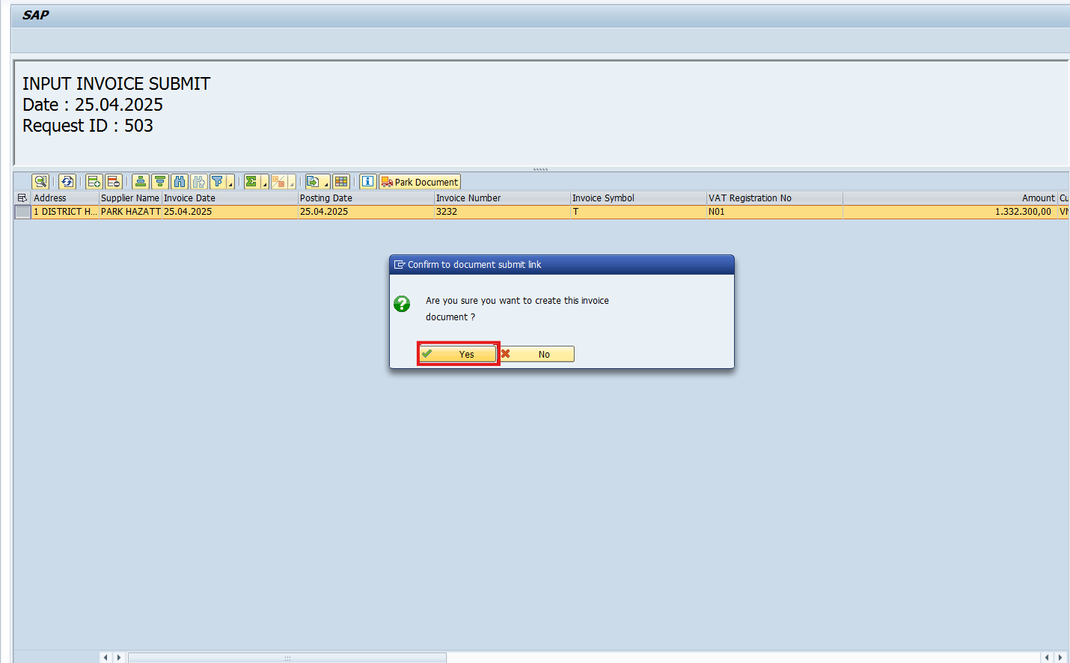
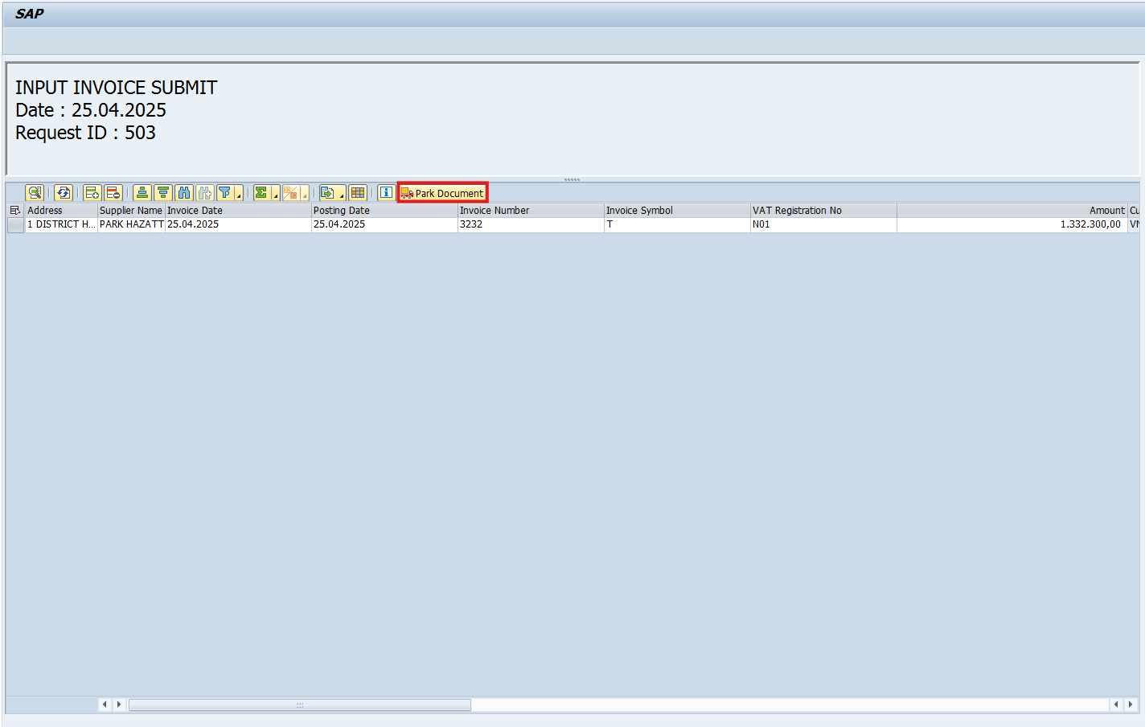
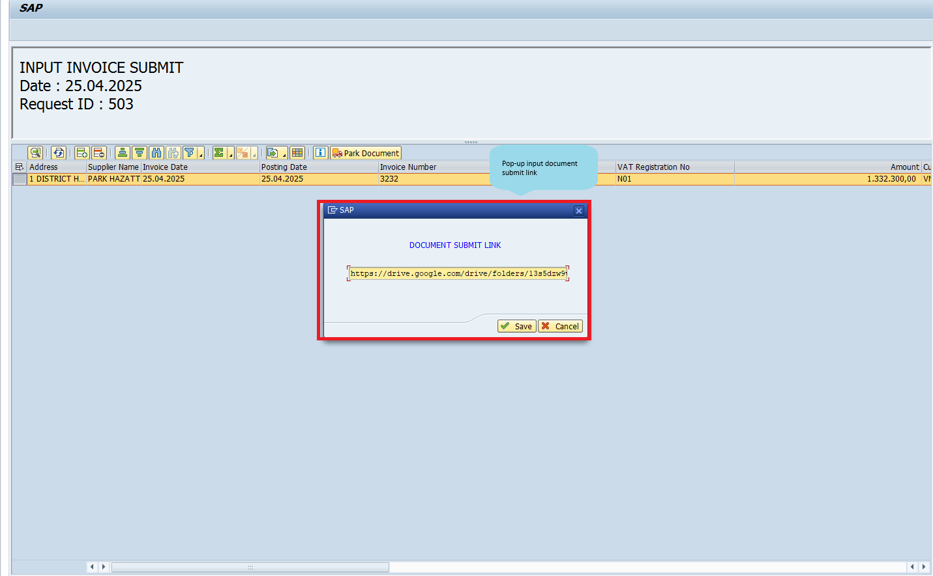

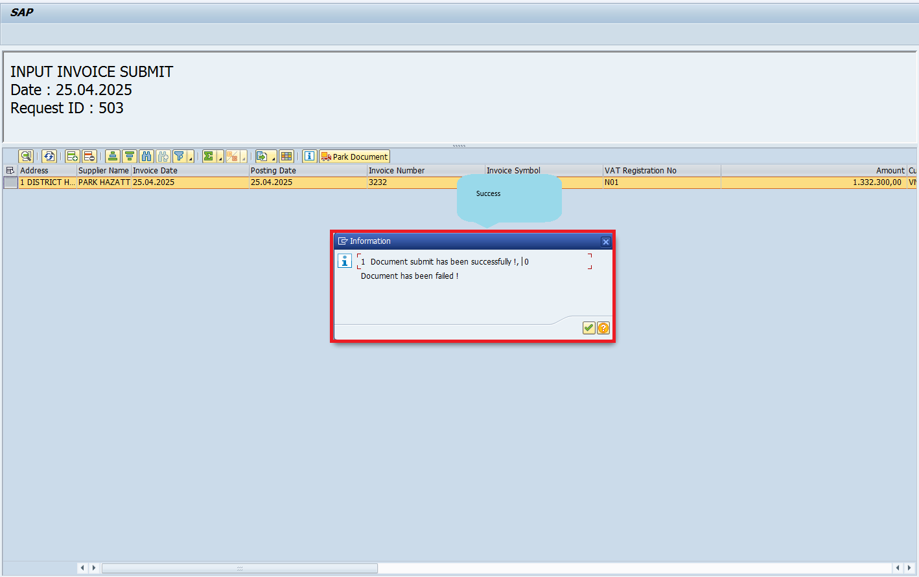

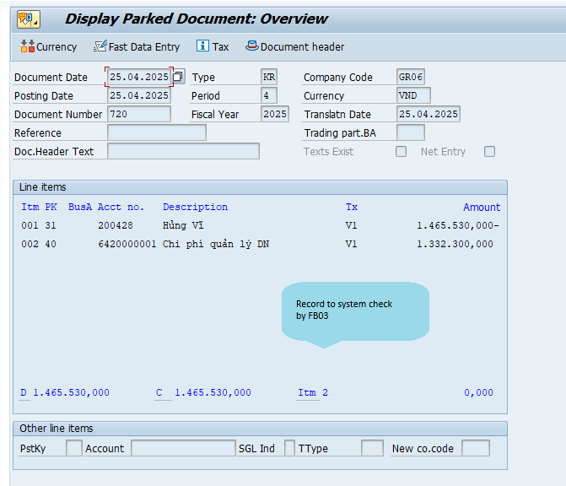

012 | 12 | Function Testing
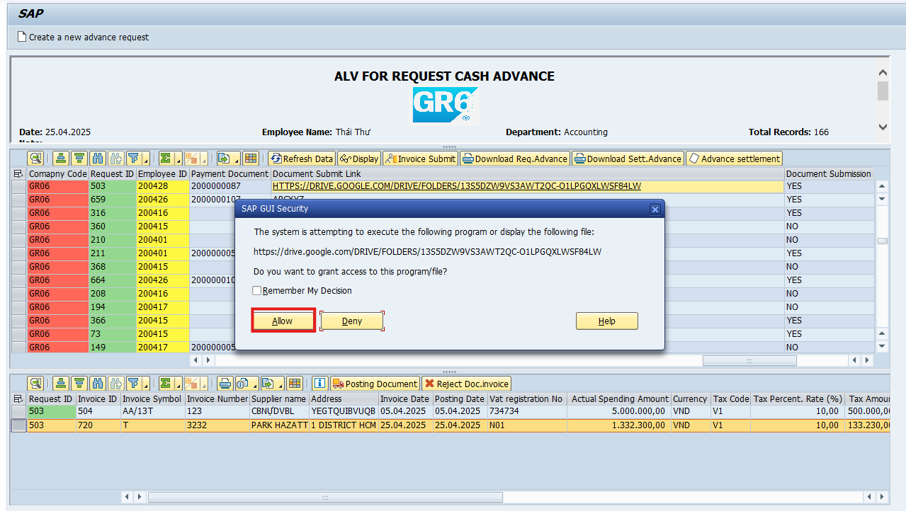 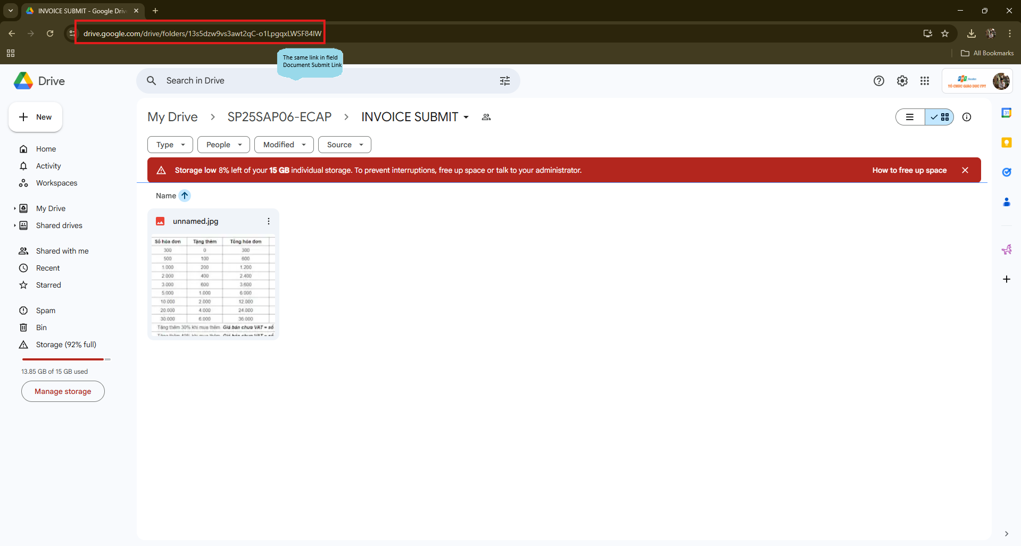 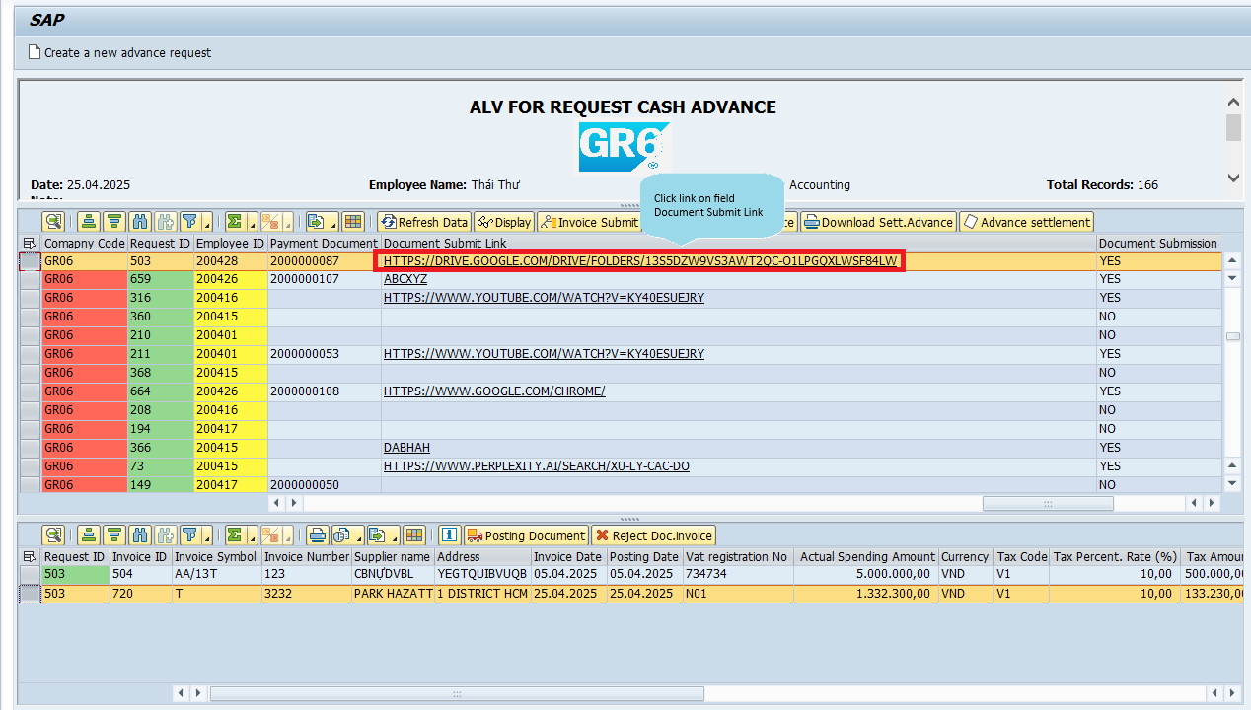 | Click link on field 'Document Submit Link'. | Open the link on the field document submit link on the device's default browser

013 | 13 | Function Testing
 | 'Reject Doc.invoice' button | Change status Invoice Approval Status from 'Pending' to 'Rejected'
 |  | Reference 009

014 | 14 | Function Testing
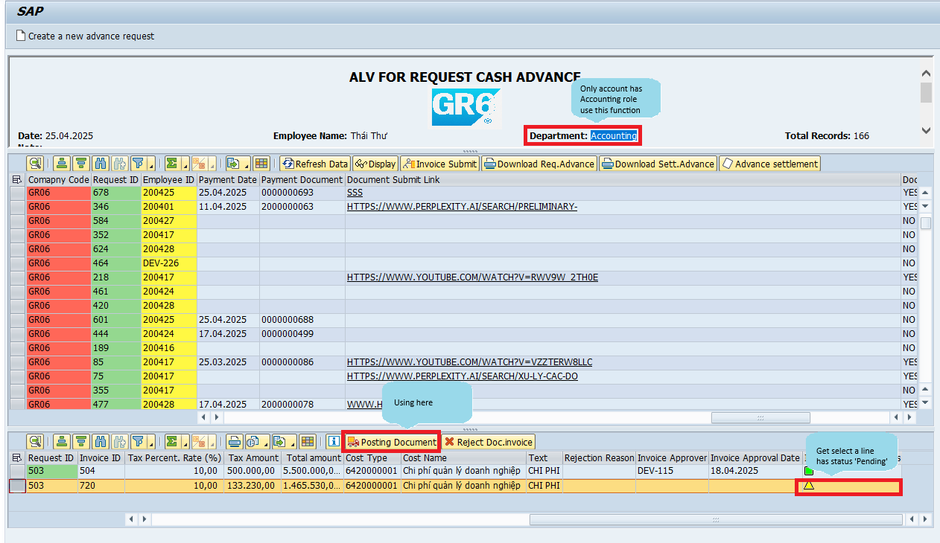 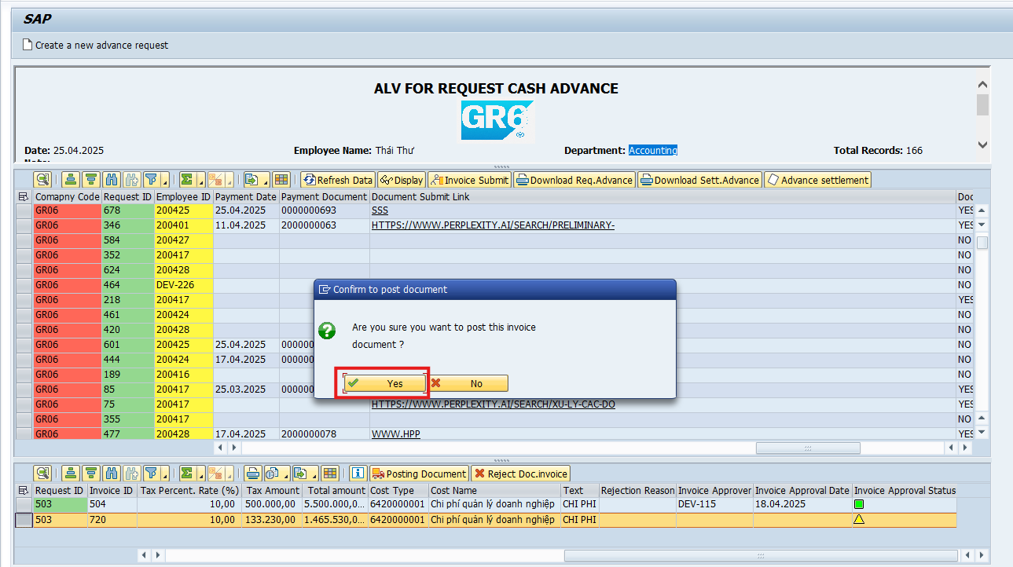 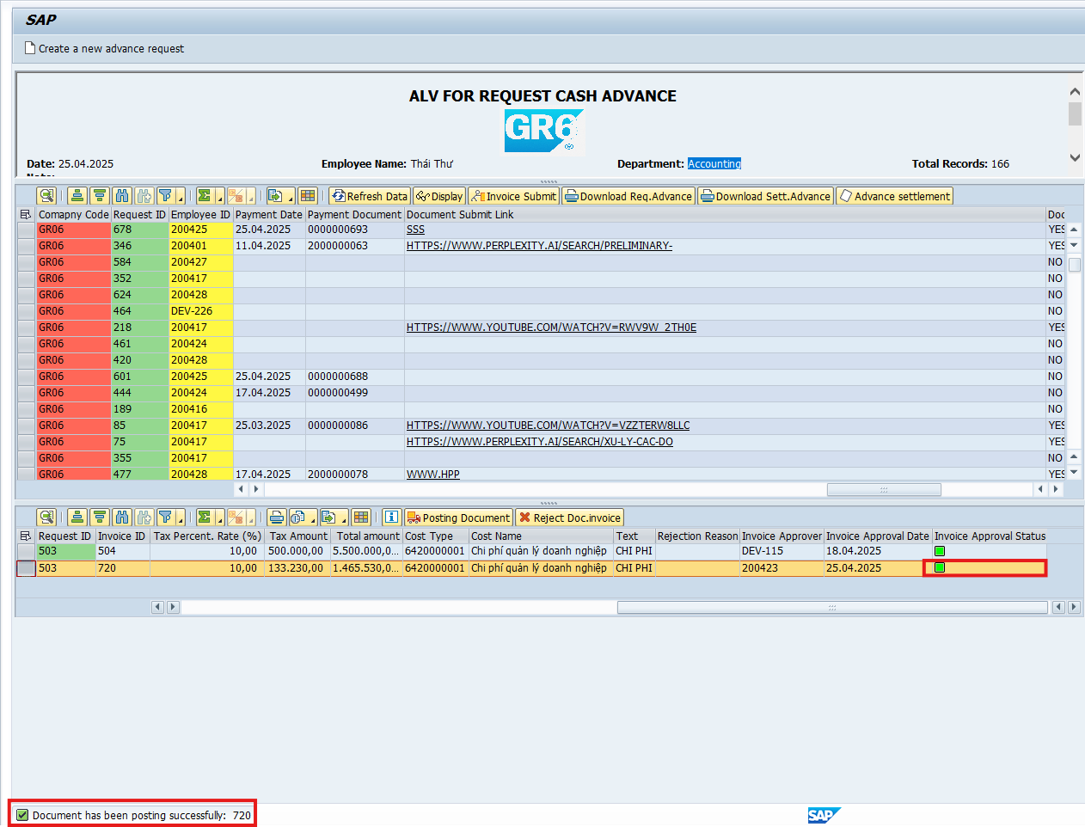 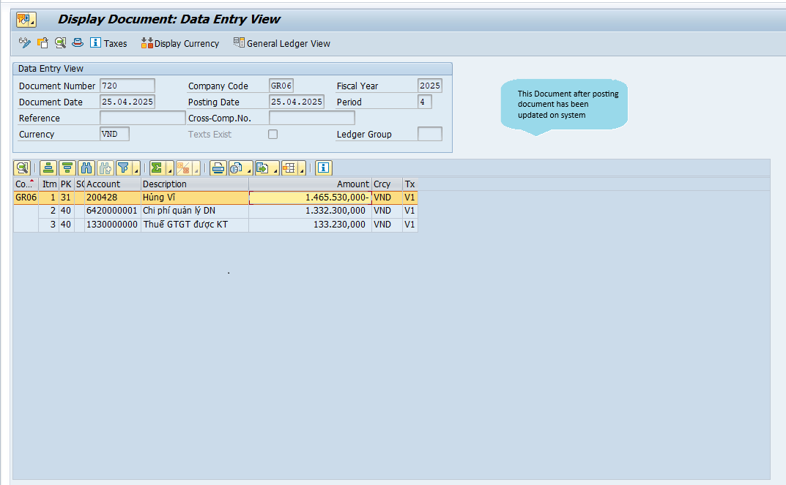 | 'Posting Document' button | The system posts each selected parked document successfully. A success message with the posted document numbers is displayed. The status of the selected invoices changes from "Parked" to "Posted" in the system.

015 | 15 | Function Testing
 | 'Posting Document' button | The system automatically clears the selected vendor invoices. Clearing document is posted without user interaction. A new clearing document is generated and posted successfully.

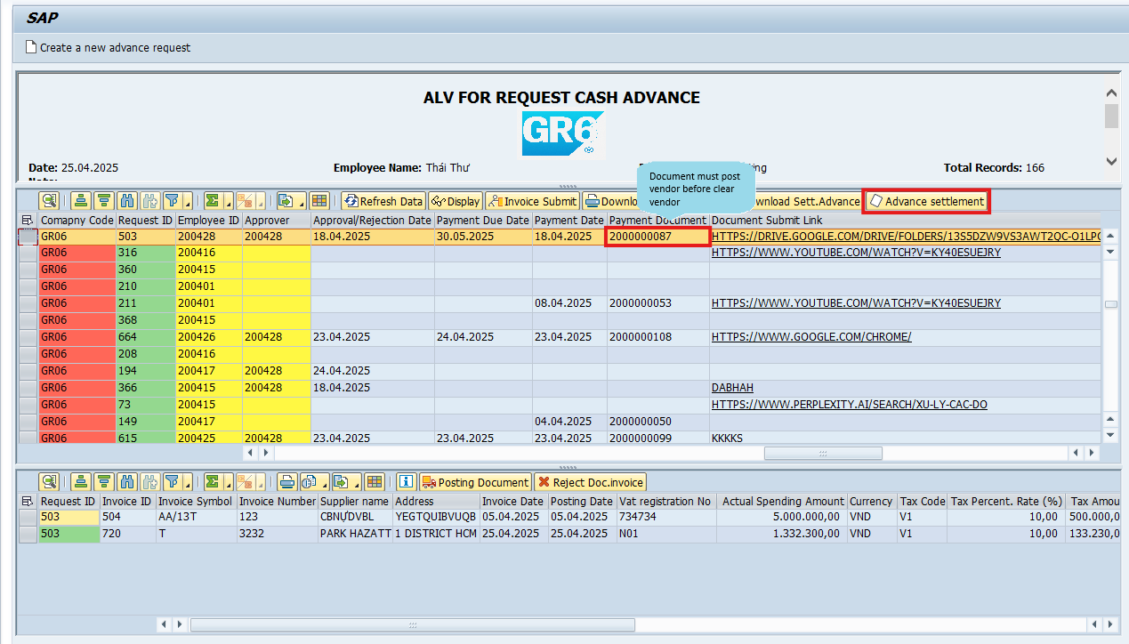
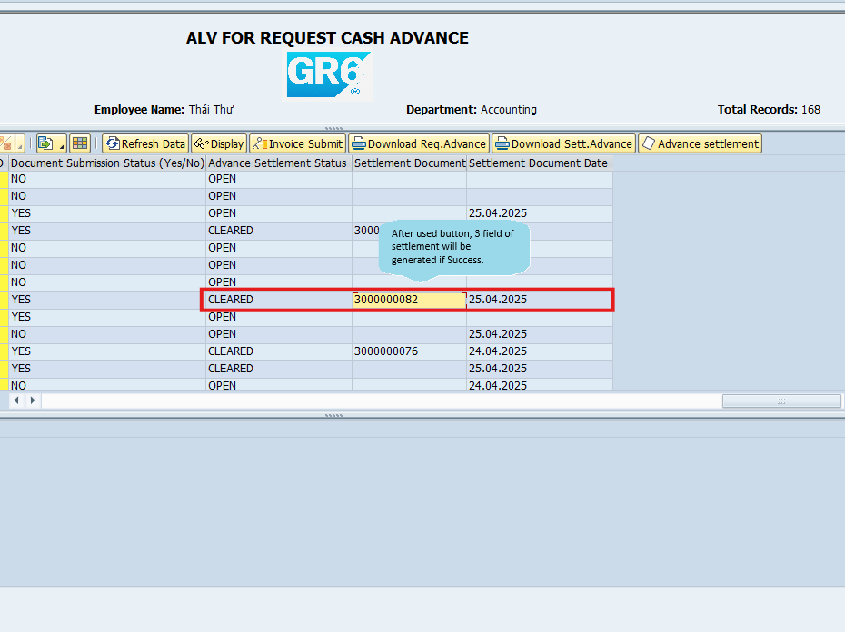

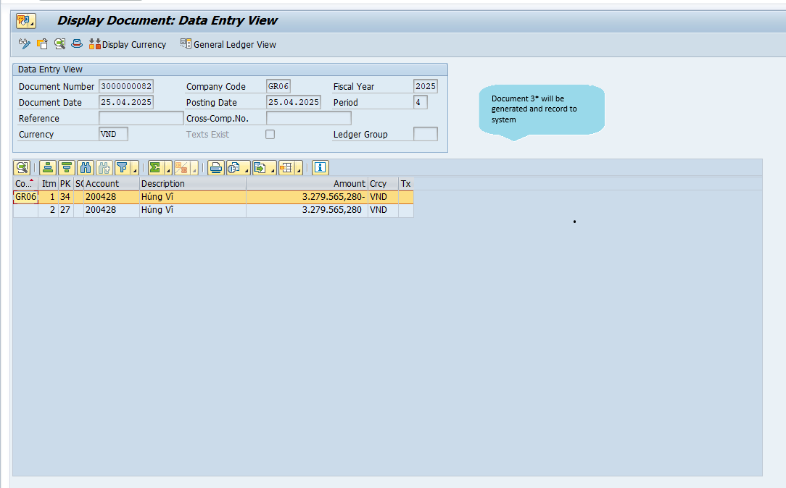

016 | 16 | Function Testing, UI Testing
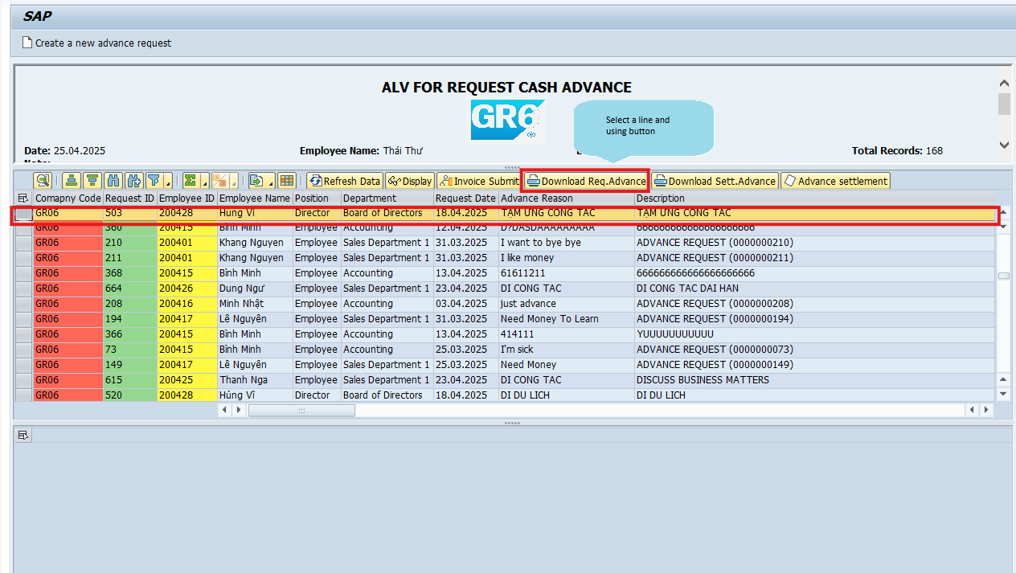 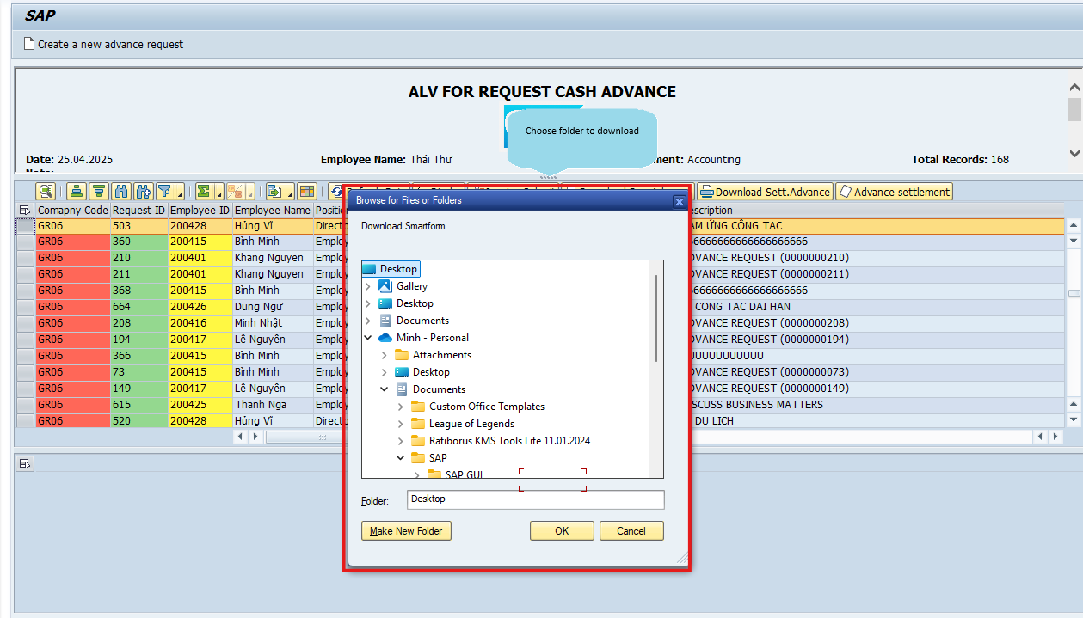 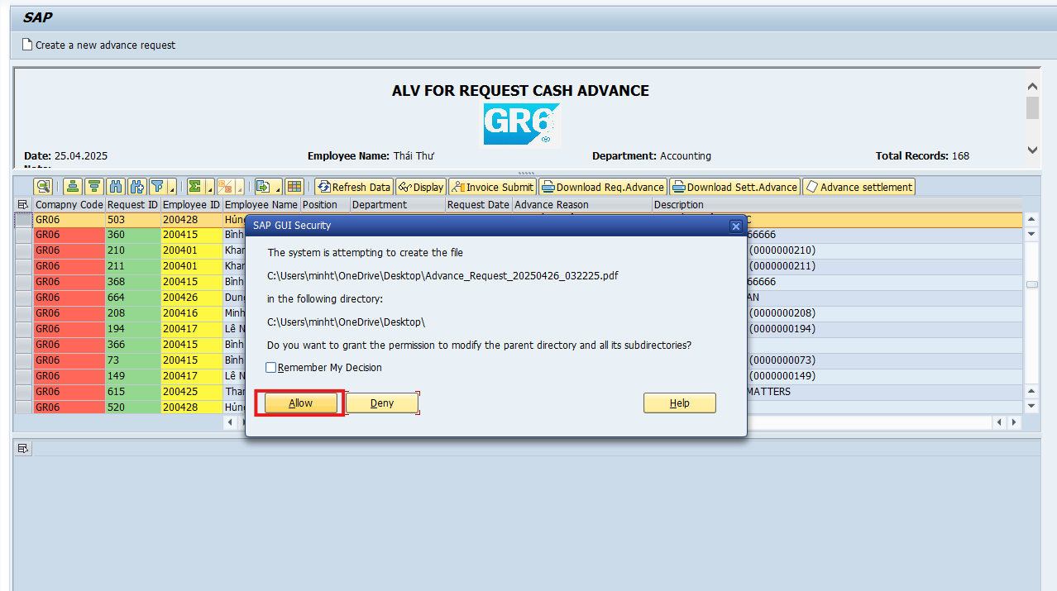 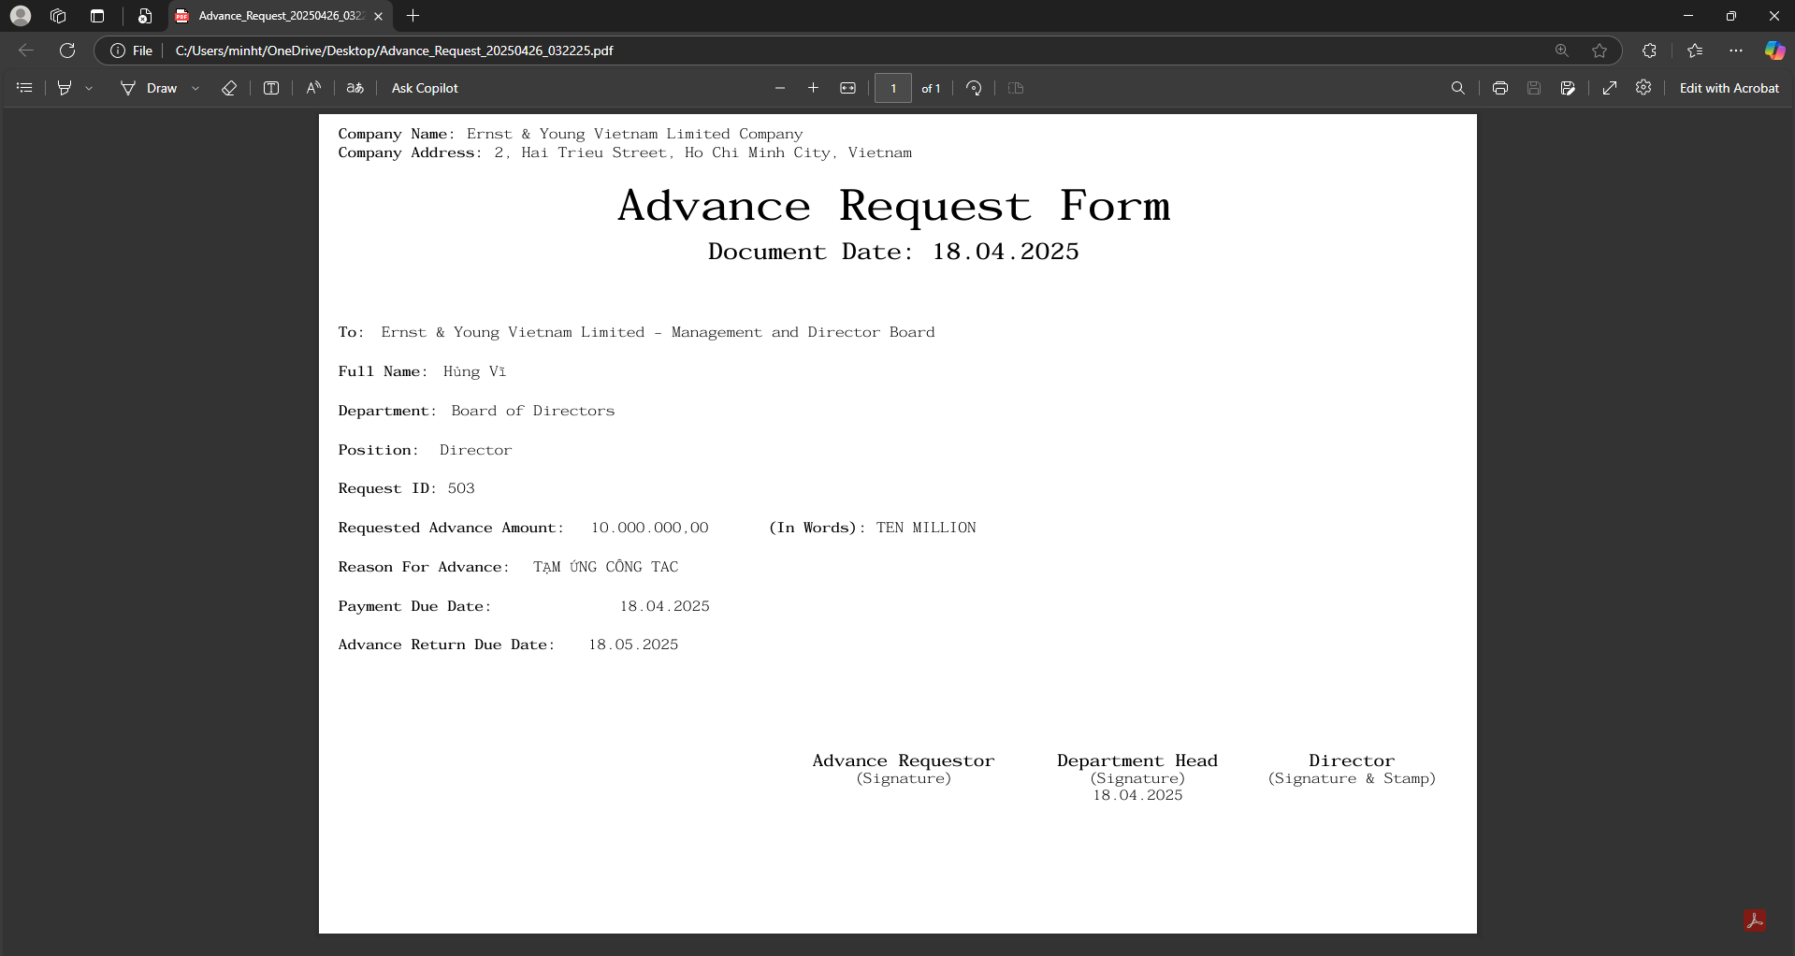 | 'Download Req.Advance' button | Smart form Advance Request : When selecting 'Download Req.Advance" on the ALV General screen

 |  |  | Check Condition Document status must be 'Approved'

017 | 17 | Function Testing, UI Testing
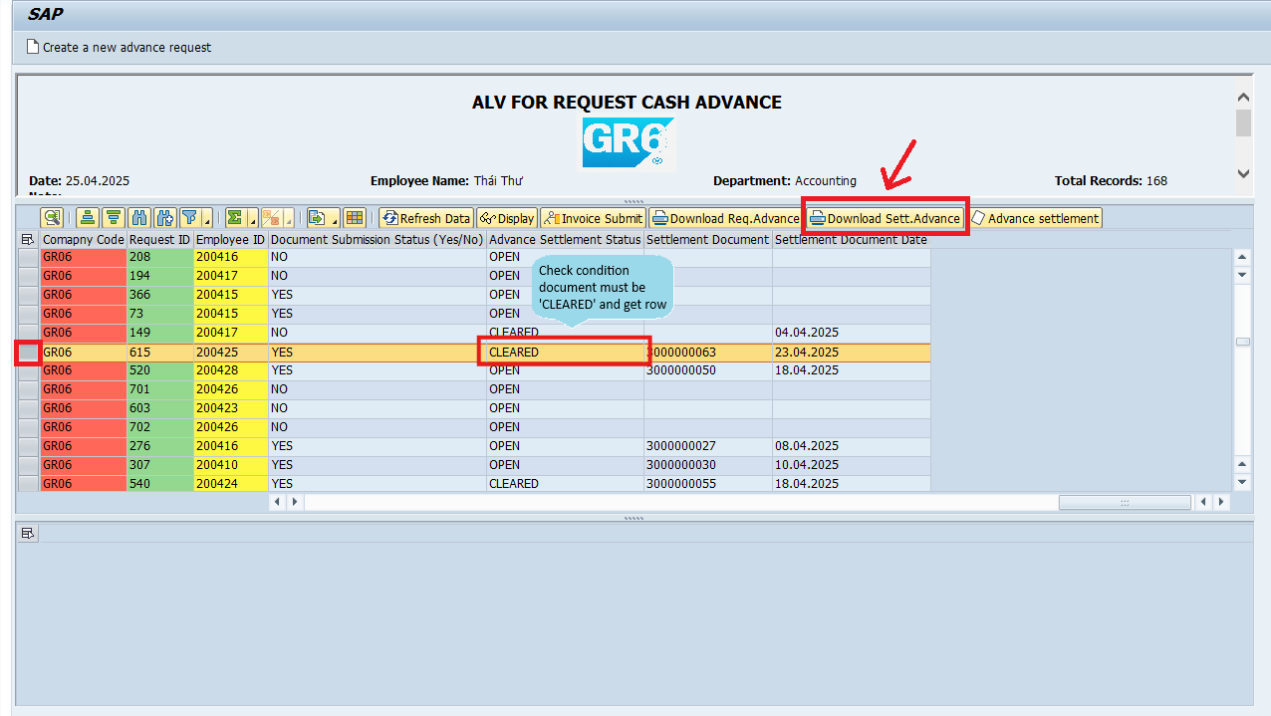 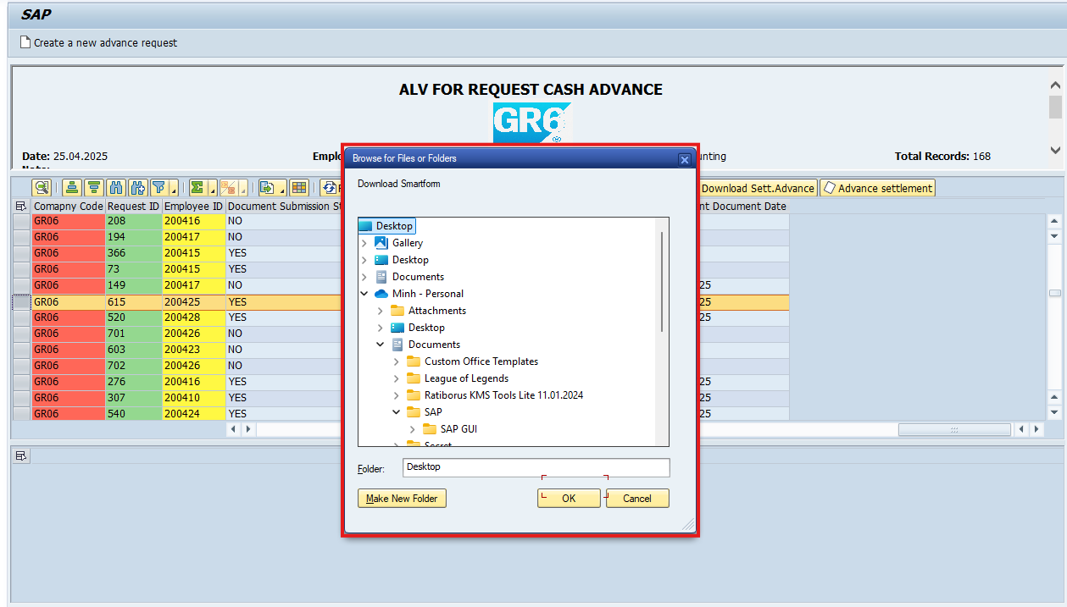 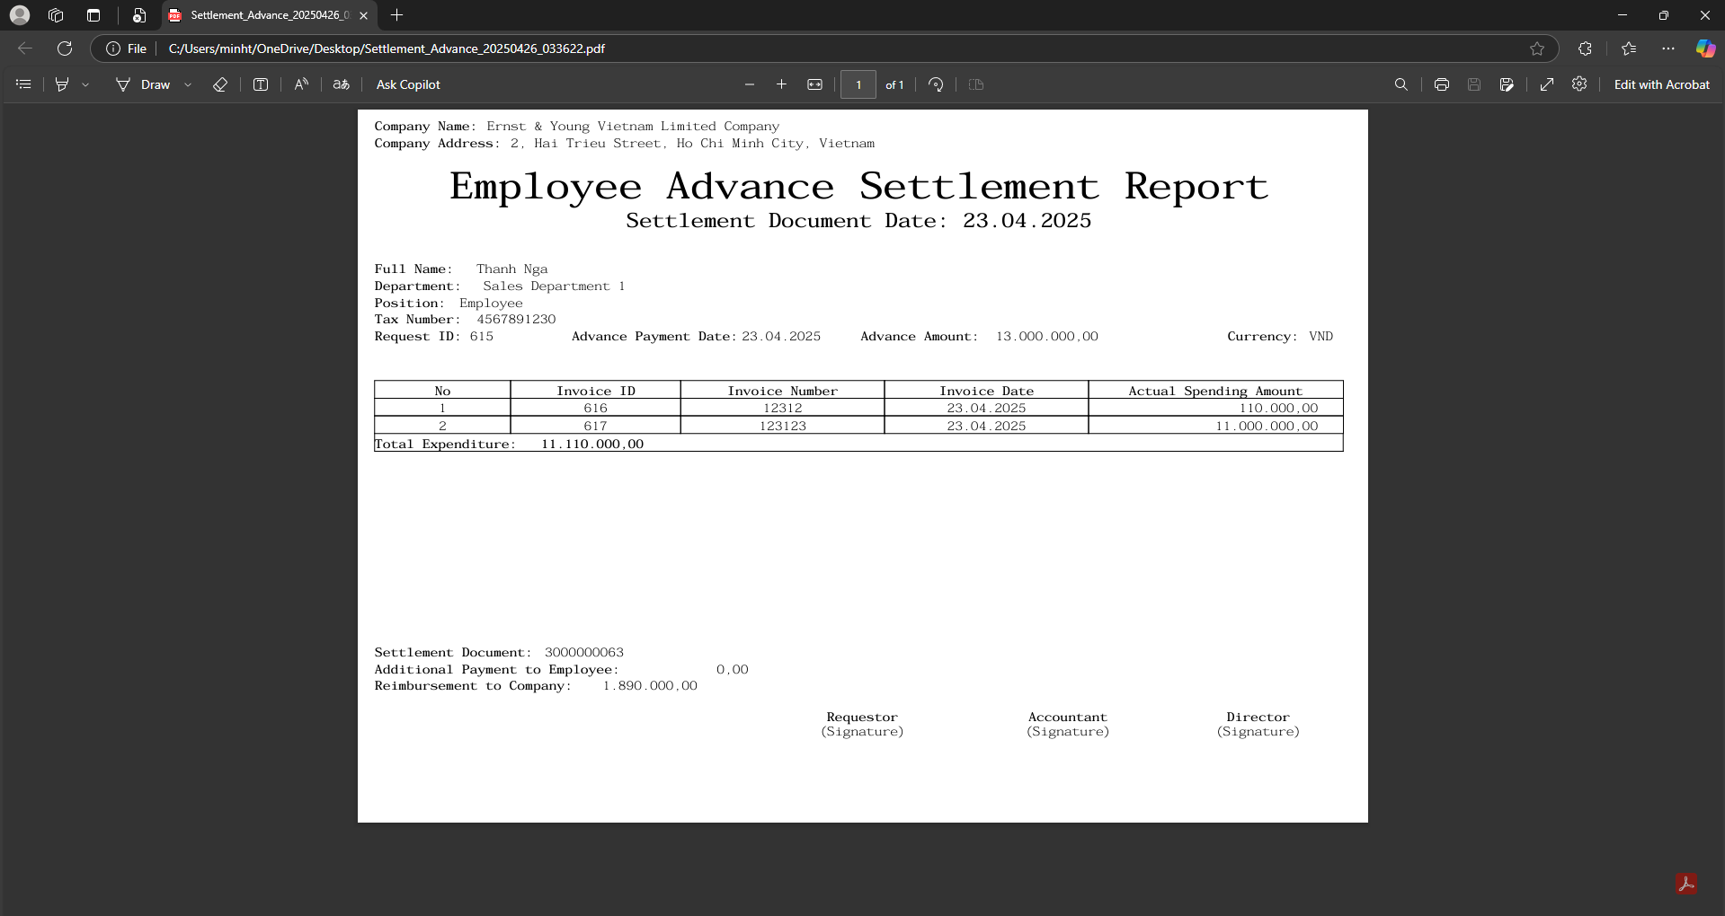 | 'Download Sett.Advance' button | Smart form Advance Settlement report : When selecting 'Download Sett.Advance" on the ALV General screen

 | 