Evidence
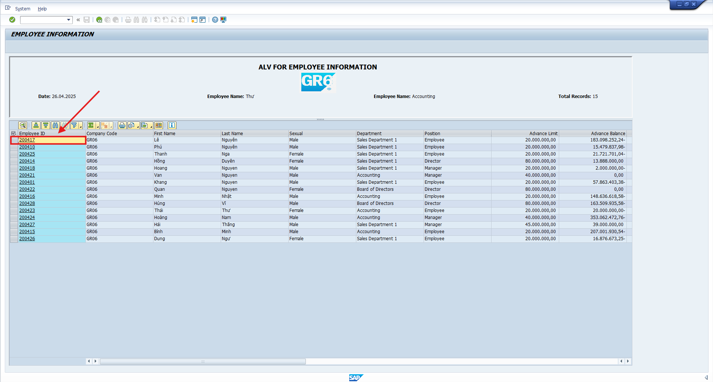
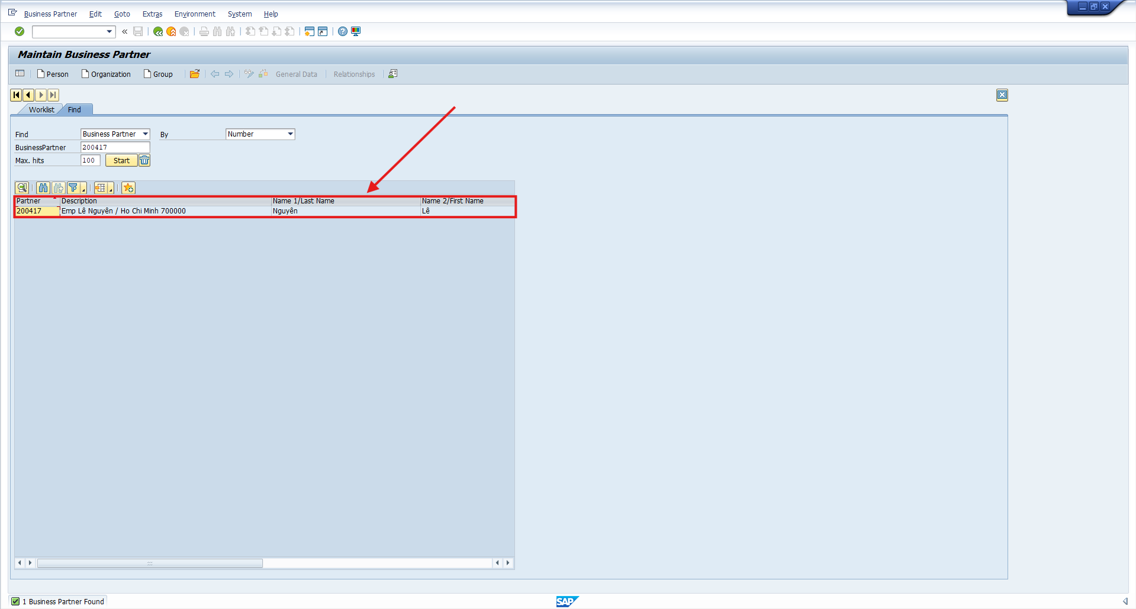
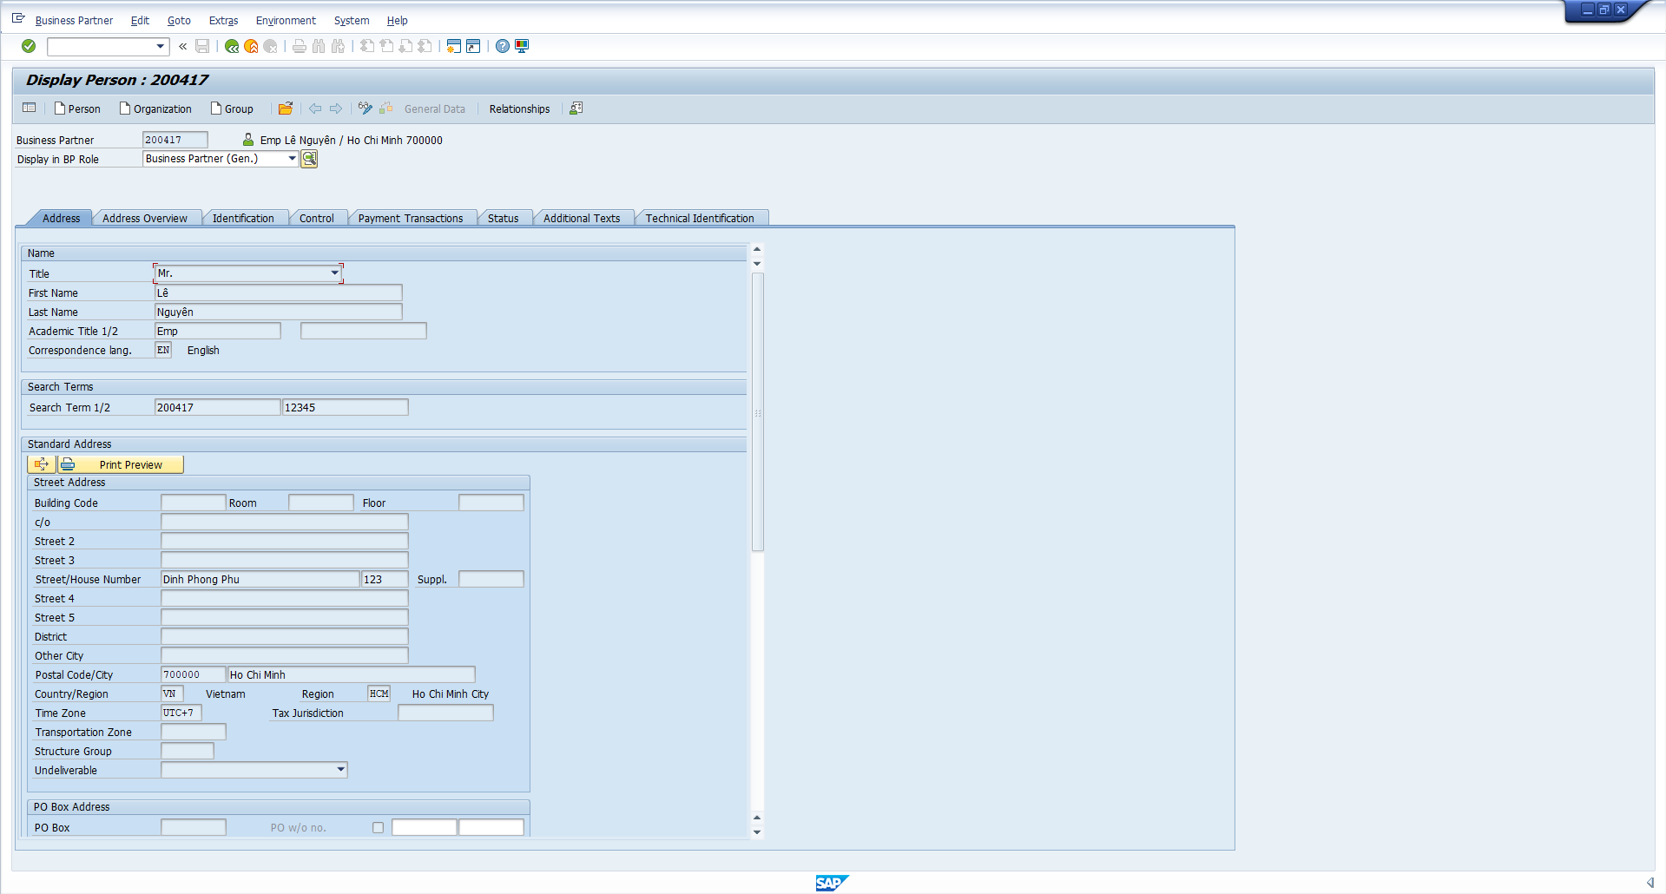
 | 1 | UI Testing
001 | Check selection screen. | Display selection-screen as requirement of functional specification.
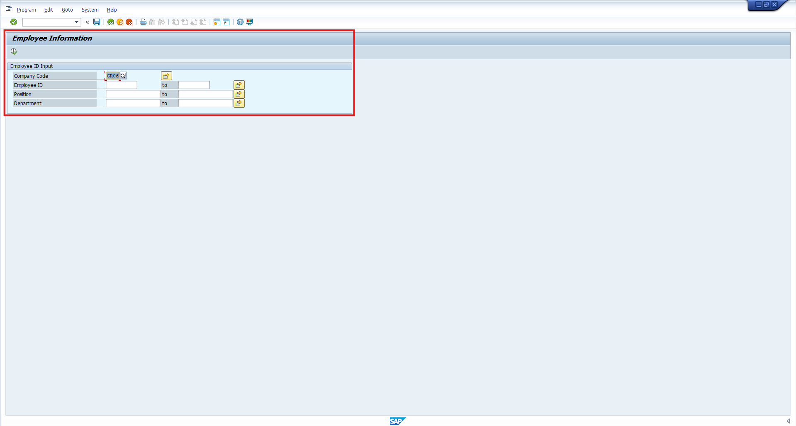

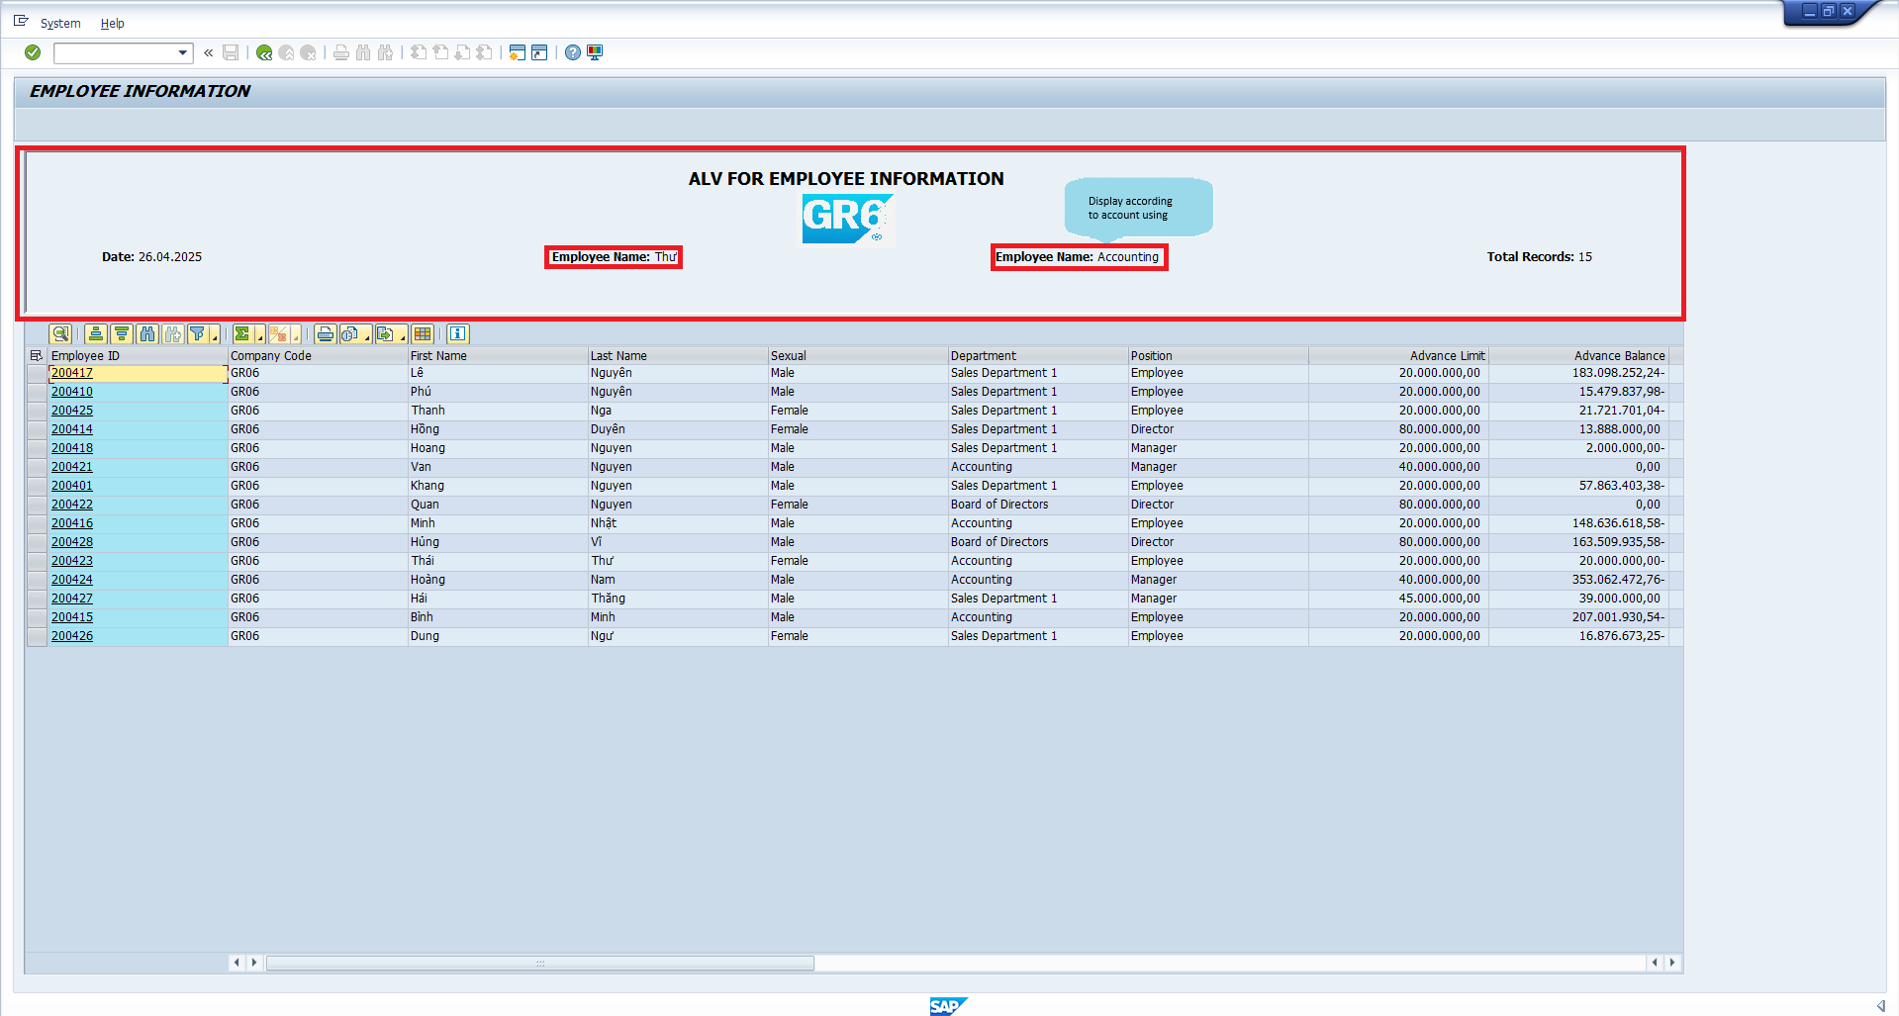
002 | 2 | UI Testing
 | Check Top Of Page of Alv | Display top of page for role of account is using
 |  | Role Accounting

003 | 3 | UI Testing
 | Check ALV Overview | Display data of the employee

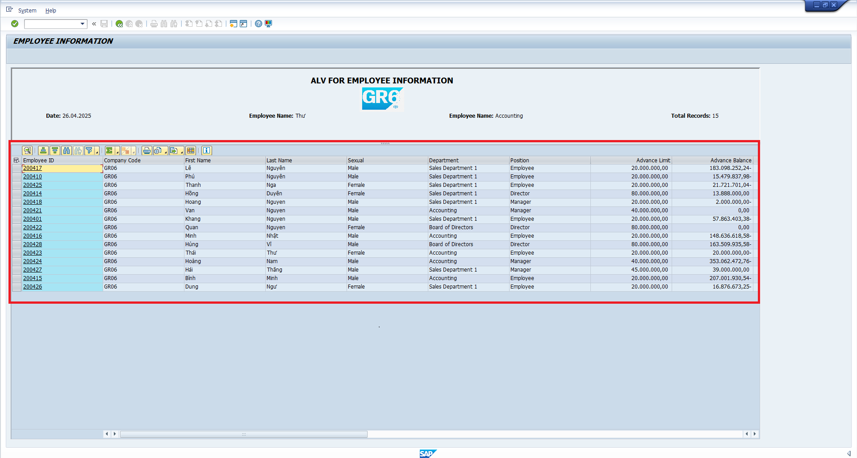
004 | 4 | Function Testing
 | Click 'Refresh Data' button. | Refresh latest data

