Sheet1
https://www.jawhm.or.jp/seminar/seminar

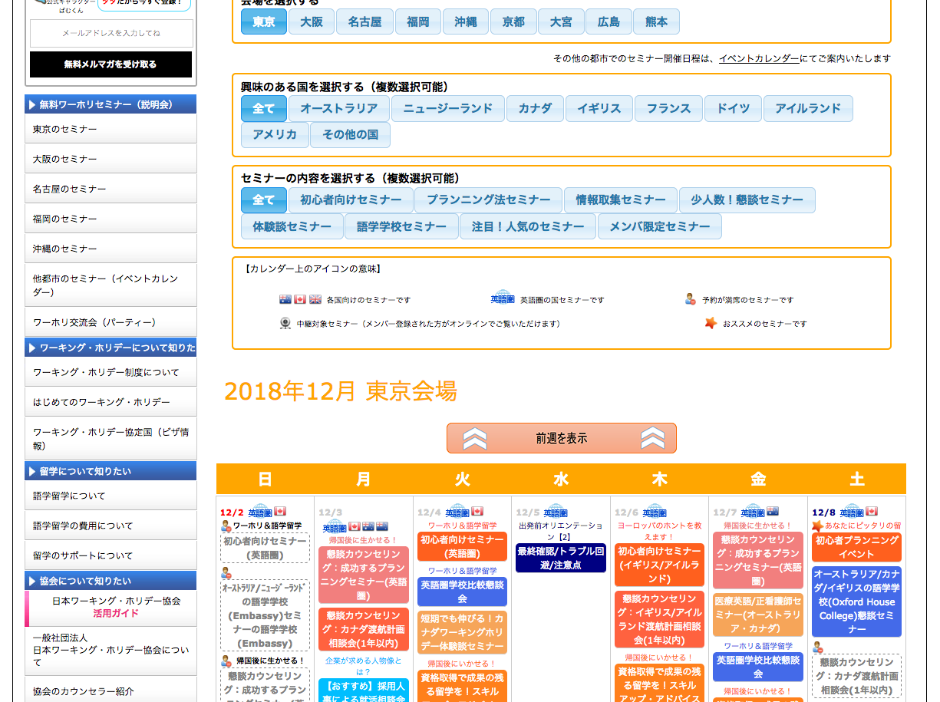

削除 Xóa bỏ

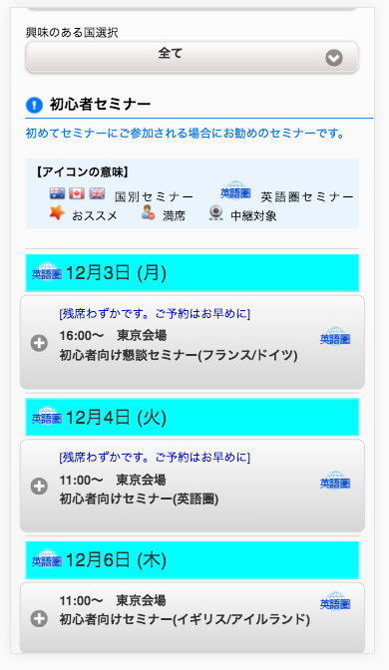

削除 Xóa bỏ

