Hamburger
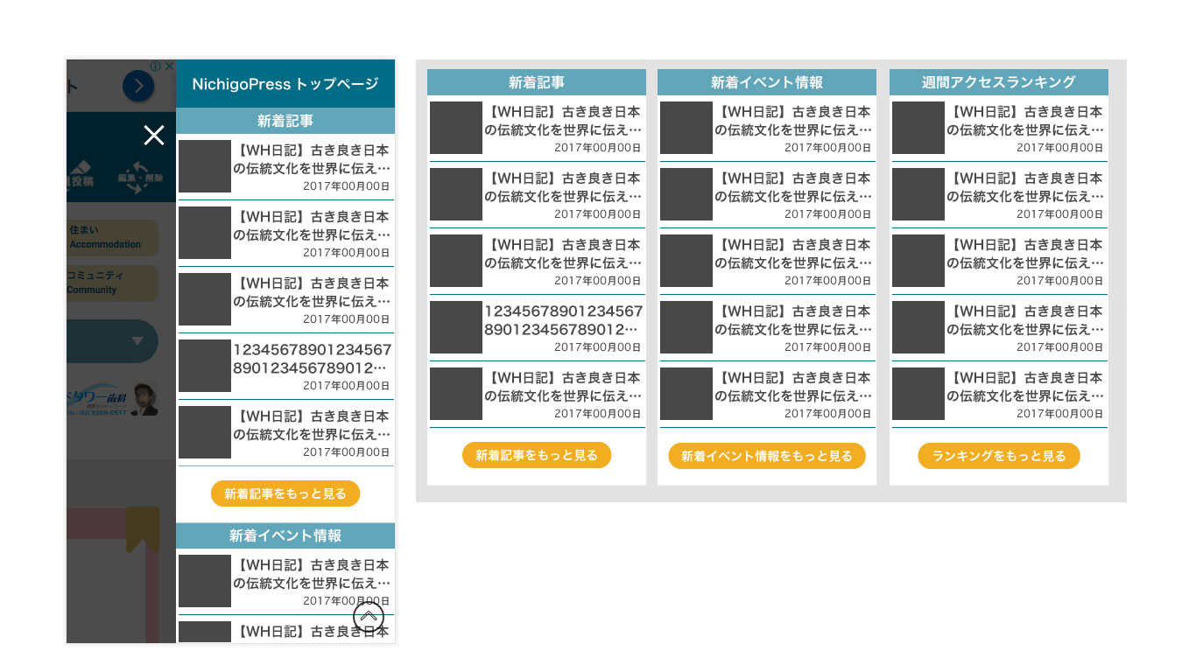
Link to http://nichigopress.jp/
Title area 250x30

Thumbnail 60x60

Article area 250x76
Click and go to each articles

1
2
3

1

Detail link area 250x65

Link to
http://nichigopress.jp/all_posts/
Link to
http://nichigopress.jp/all_events/
Link to
http://nichigopress.jp/all_popular_posts/

Scroll down and display
the lists 1, 2, 3

3

2

