Introduce
1. Technology used
 | MySQL server
 | Spring boot 2.1.3.RELEASE
 | MyBatis
 | IDE: Spring tool suite 4

2.Functional details
 | User authorization: Authenticate user when entering the system
 | Get all users: Select all users (non-deleted) from DB
 |  | Methods: Get
 |  | Url: http://localhost:8080/api/users
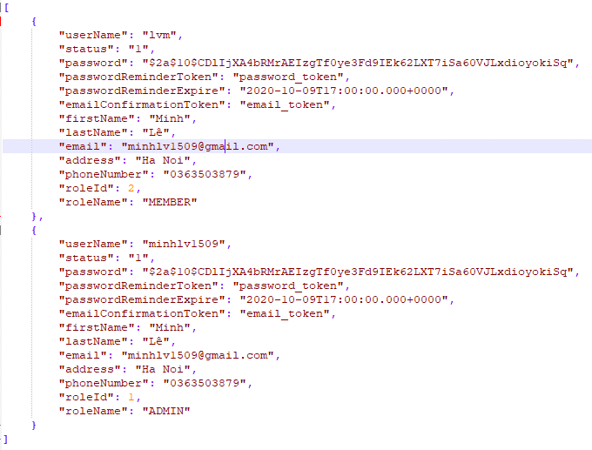
 |  | Result:

 | Get user by userName: Select user (non-deleted) by userName (primary key)
 |  | Methods: Get
 |  | Url: http://localhost:8080/api/user/{id}
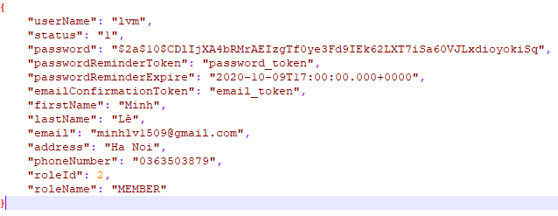
 |  | Result:

 | Save, update, delete (logic) user and role of user
 |  | Methods: Post
 |  | Url: http://localhost:8080/api/user
 |  | Request body: {"userName":"minhlv12345","status":"2","password":"passwordpassword","passwordReminderToken":"passwordReminderToken","passwordReminderExpire":"2020-10-10T05:05:55","emailConfirmationToken":"emailConfirmationToken","firstName":"Minh","lastName":"Lee","email":"email","address":"address","phoneNumber":"1234567890","roleId":"2"}
 |  | Result:

 |  | Methods: Put
 |  | Url: http://localhost:8080/api/user
 |  | Request body: {"userName":"minhlv12345","status":"2","password":"password","passwordReminderToken":"passwordToken","passwordReminderExpire":"2020-10-11T05:05:55","emailConfirmationToken":"emailToken","firstName":"Minh","lastName":"Lee","email":"email@gmail.com","address":"HaNoi","phoneNumber":"0123456789","roleId":"1"}
 |  | Result:

 |  | Methods: Delete
 |  | Url: http://localhost:8080/api/user/minhlv12345
 |  | Result:

 | Get all roles: Select all roles (non-delete) from DB
 |  | Methods: Get
 |  | Url: http://localhost:8080/api/roles
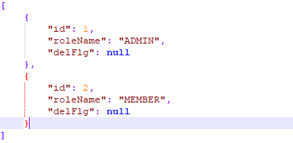
 |  | Result:

 | Get role by id: Select role (non-delete) by id (primary key)
 |  | Methods: Get
 |  | Url: http://localhost:8080/api/role/1
 |  | Result:

 | Save, update, delete (logic) role
 |  | Methods: Post
 |  | Url: http://localhost:8080/api/role
 |  | Request body: {"id":"","roleName":"STAFF"}
 |  | Result:

 |  | Methods: Put
 |  | Url: http://localhost:8080/api/role
 |  | Request body: {"id":"3","roleName":"LEADER"}
 |  | Result:

 |  | Methods: Delete
 |  | Url: http://localhost:8080/api/role/3
 |  | Result:

Building
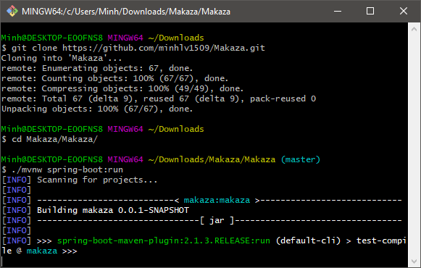
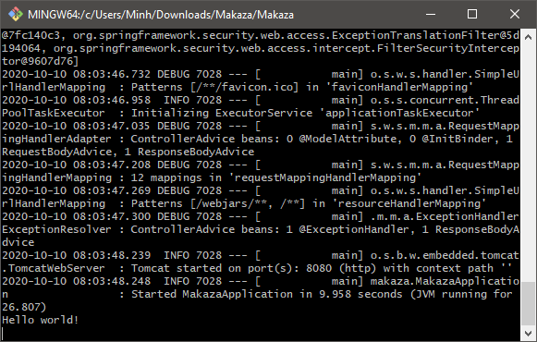
The system is built based on Windows 10 operating system and MySQL server.
1
 | Clone source code form github: git clone https://github.com/minhlv1509/Makaza.git
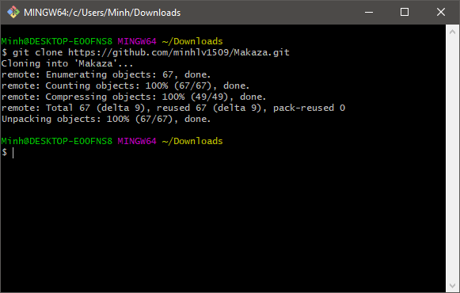

2
 | Create DB from Makaza/db/data.sql

3
 | Run command
 |  | cd Makaza/Makaza/
 |  | ./mvnw spring-boot:run

Test
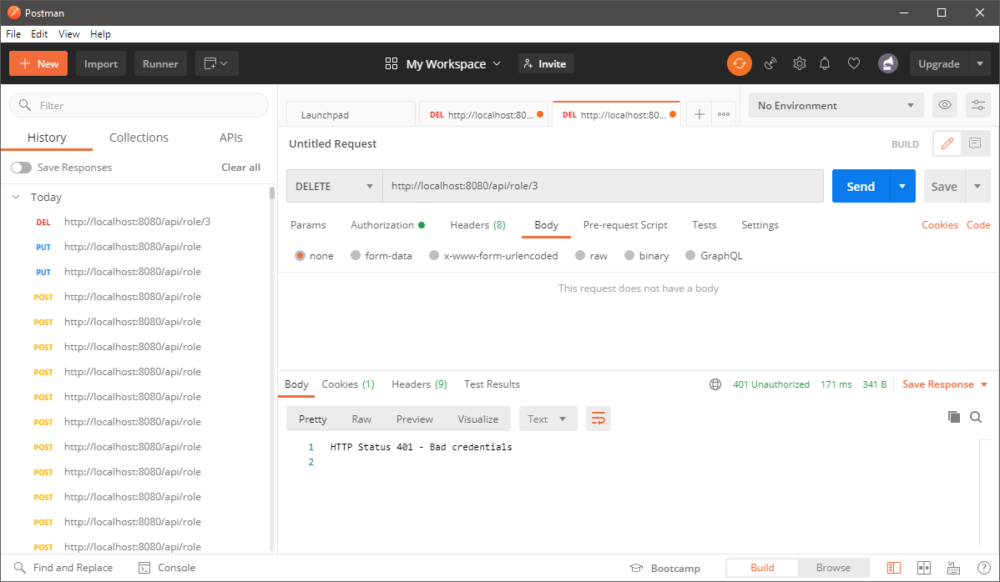
1
 | Download and install Postman
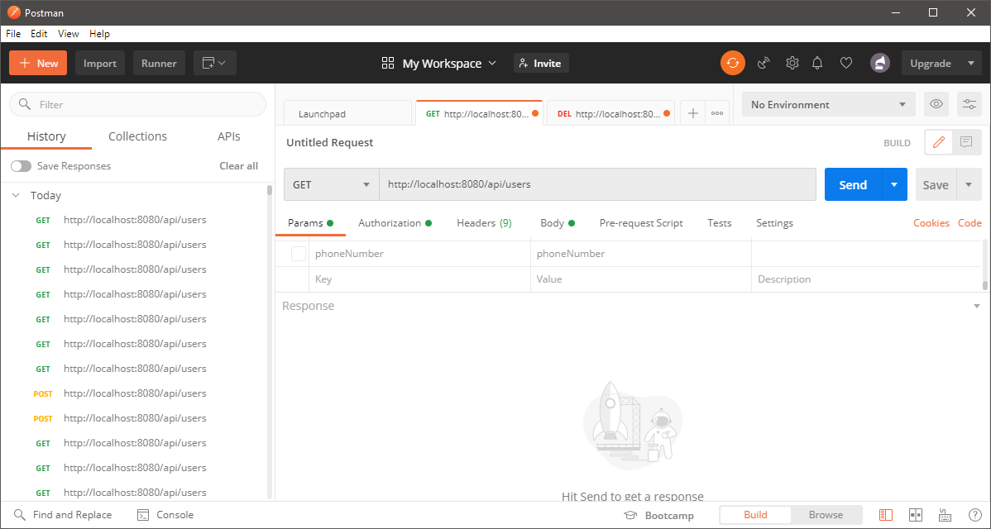

2
 | Select authorization => Basic auth
 | Account admin: All methods
 |  | username: minhlv1509
 |  | password: 12345678

 | Account member: Only get method (view)
 |  | username: lvm
 |  | password: 12345678

3
Test admin account
 | Test get all users
 |  | Methods: Get
 |  | Url: http://localhost:8080/api/users
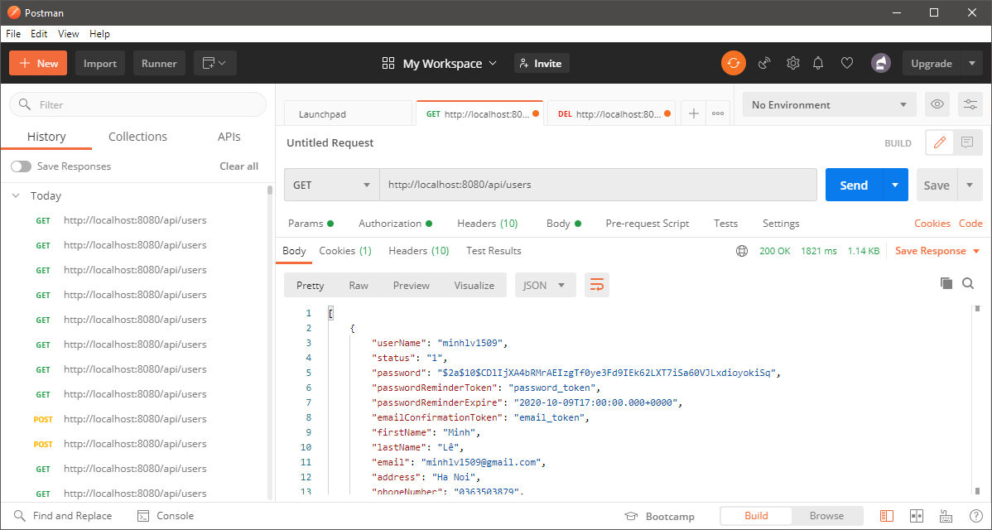

 | Test get user by userName
 |  | Methods: Get
 |  | Url: http://localhost:8080/api/user/lvm
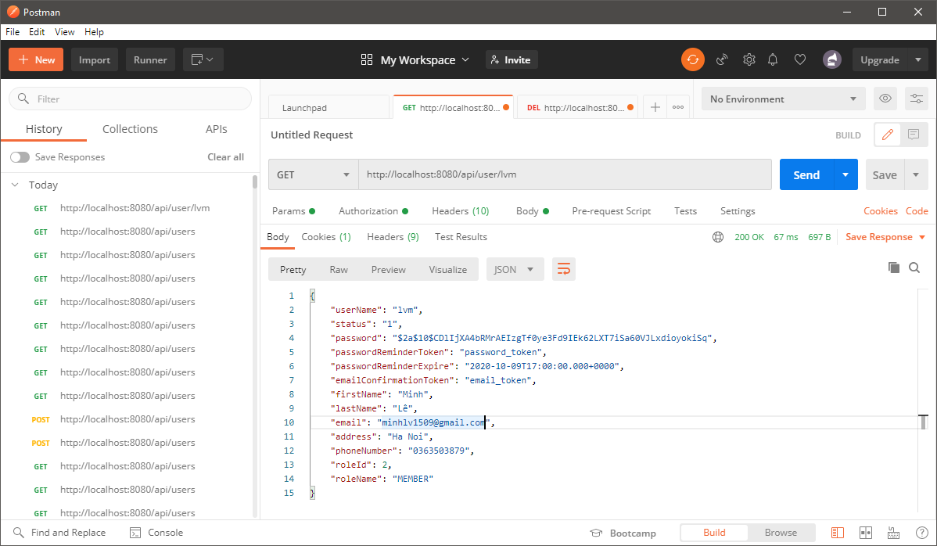

 | Test add new user
 |  | Methods: Post
 |  | Url: http://localhost:8080/api/user
 |  | Request body: {"userName":"minhlv12345","status":"2","password":"passwordpassword","passwordReminderToken":"passwordReminderToken","passwordReminderExpire":"2020-10-10T05:05:55","emailConfirmationToken":"emailConfirmationToken","firstName":"Minh","lastName":"Lee","email":"email","address":"address","phoneNumber":"1234567890","roleId":"2"}
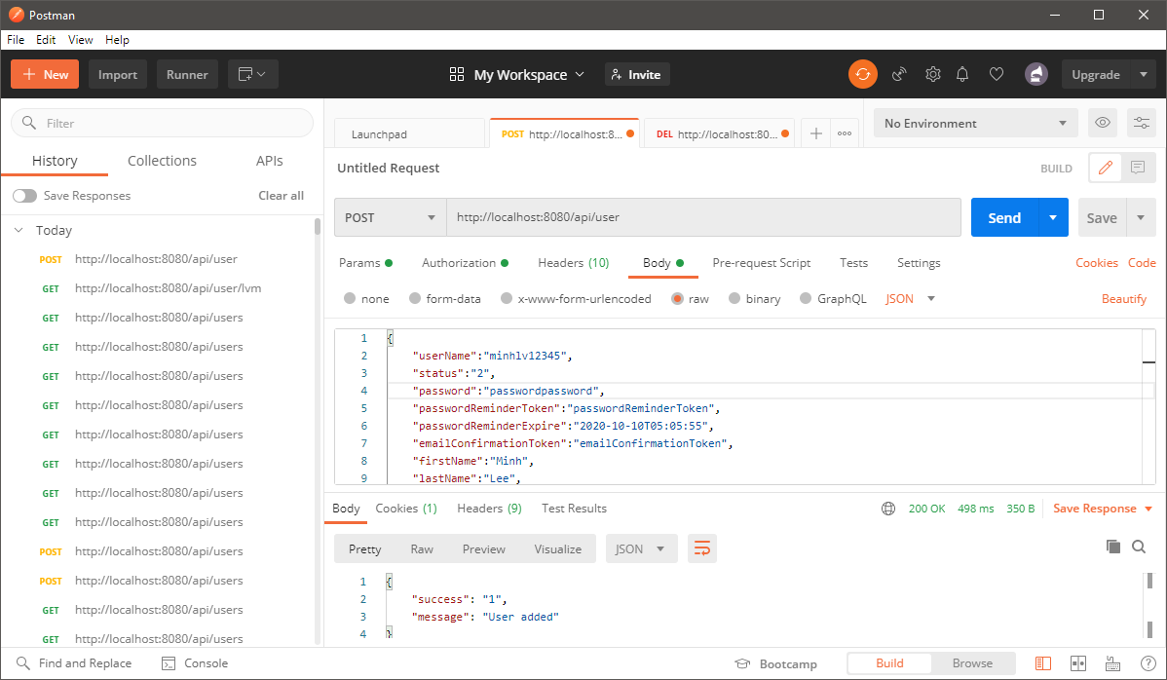

 | Test update user
 |  | Methods: Put
 |  | Url: http://localhost:8080/api/user
 |  | Request body: {"userName":"minhlv12345","status":"2","password":"password","passwordReminderToken":"passwordToken","passwordReminderExpire":"2020-10-11T05:05:55","emailConfirmationToken":"emailToken","firstName":"Minh","lastName":"Lee","email":"email@gmail.com","address":"HaNoi","phoneNumber":"0123456789","roleId":"1"}
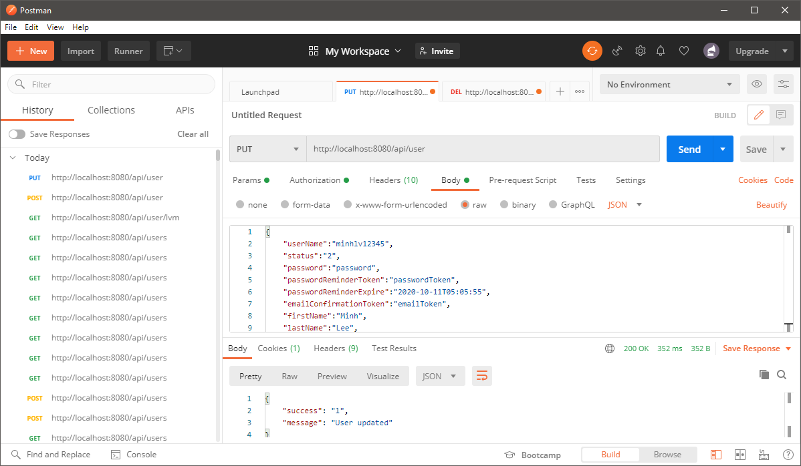

 | Test delete user
 |  | Methods: Delete
 |  | Url: http://localhost:8080/api/user/minhlv12345
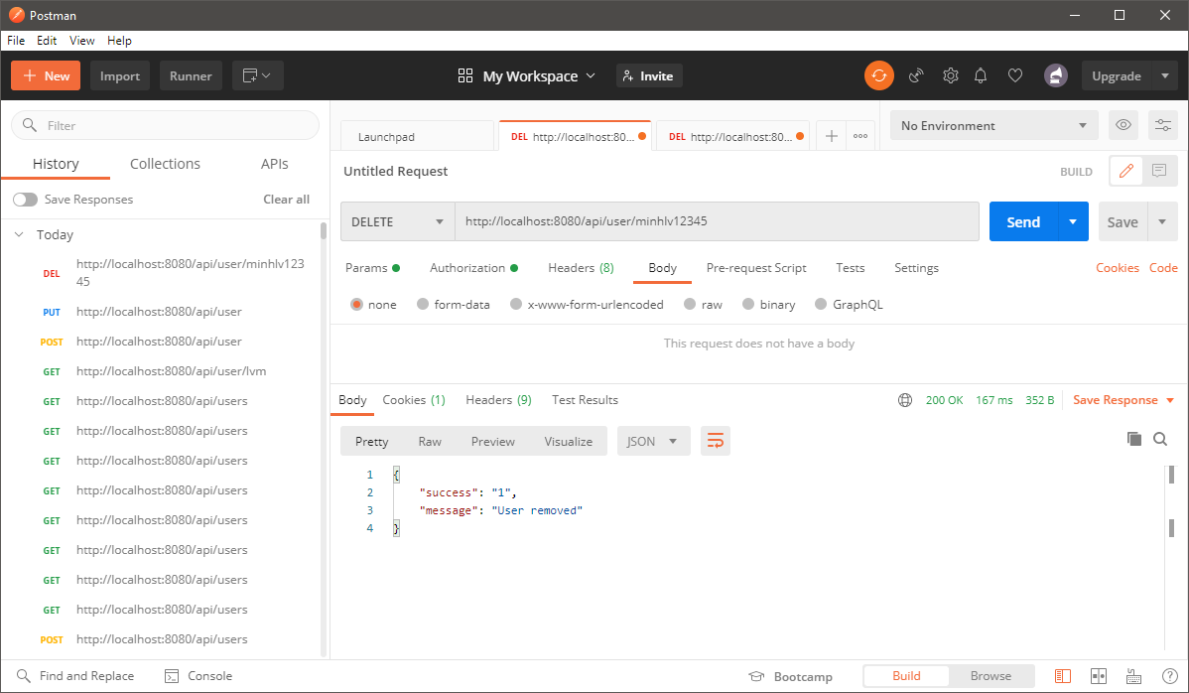

 | Test get all roles
 |  | Methods: Get
 |  | Url: http://localhost:8080/api/roles
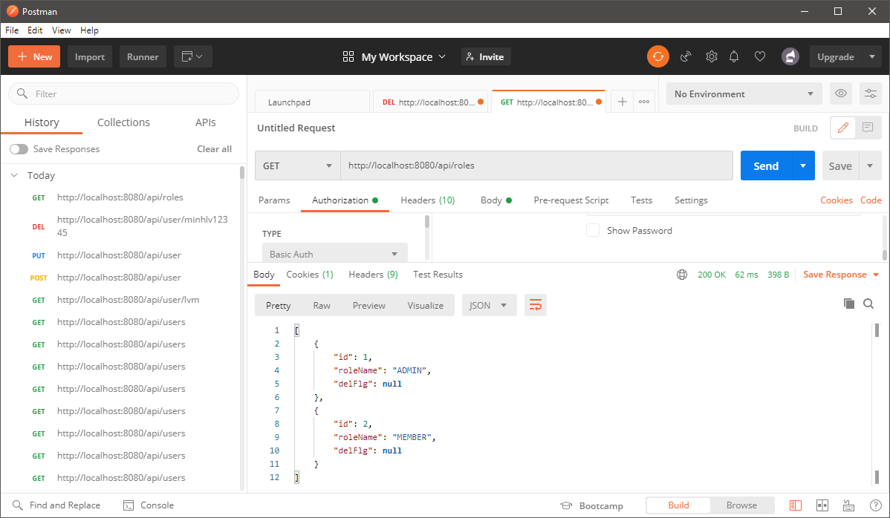

 | Test get role by id
 |  | Methods: Get
 |  | Url: http://localhost:8080/api/role/1
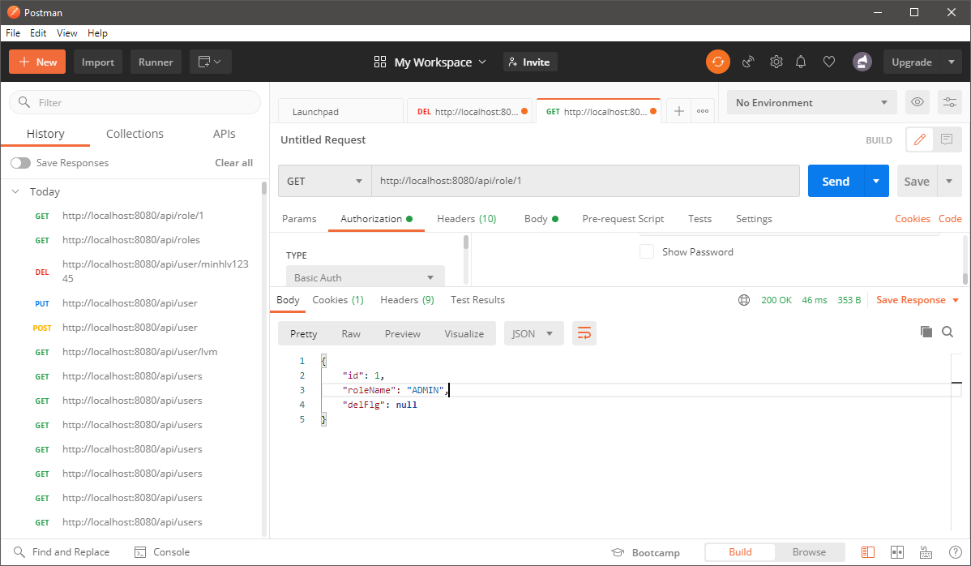

 | Test add new role
 |  | Methods: Post
 |  | Url: http://localhost:8080/api/role
 |  | Request body: {"id":"","roleName":"STAFF"}
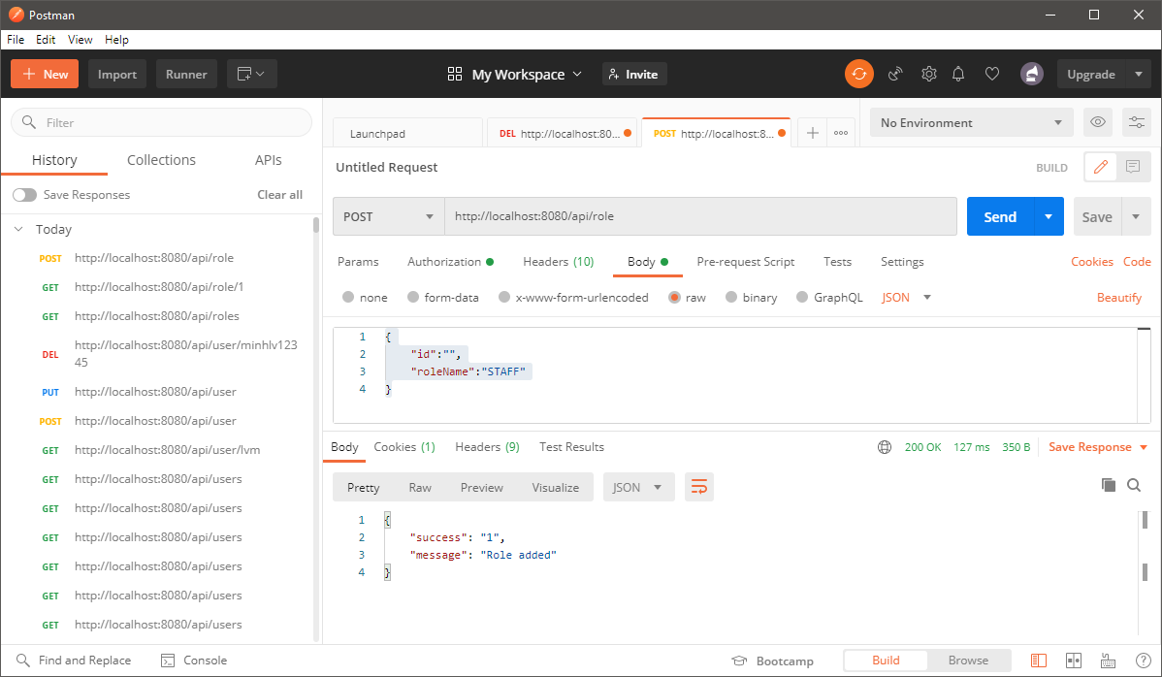

 | Test update role
 |  | Methods: Put
 |  | Url: http://localhost:8080/api/role
 |  | Request body: {"id":"3","roleName":"LEADER"}
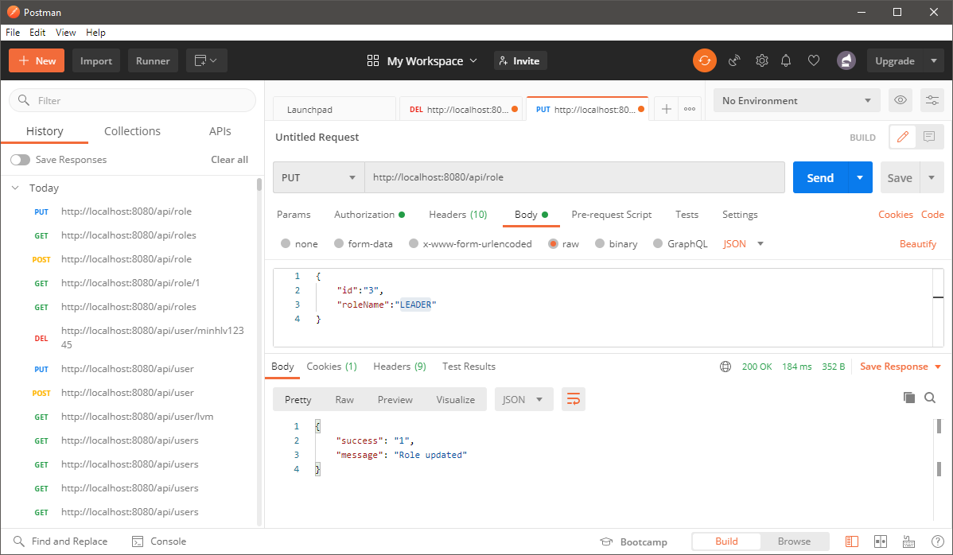

 | Test delete role
 |  | Methods: Delete
 |  | Url: http://localhost:8080/api/role/3
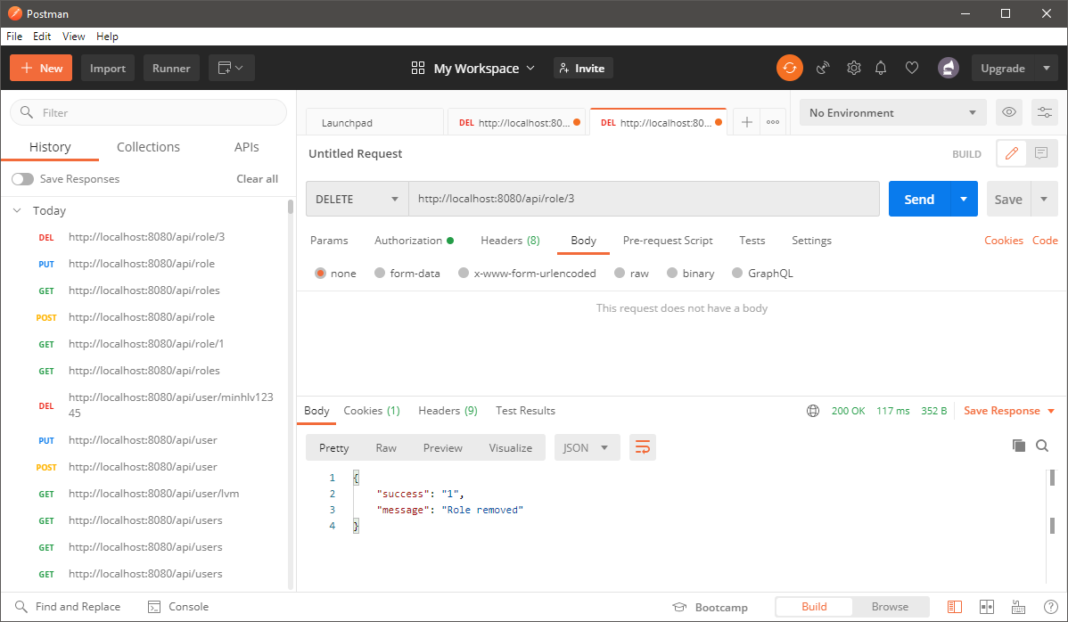

Test member account
 | Test get all users
 |  | Methods: Get
 |  | Url: http://localhost:8080/api/users
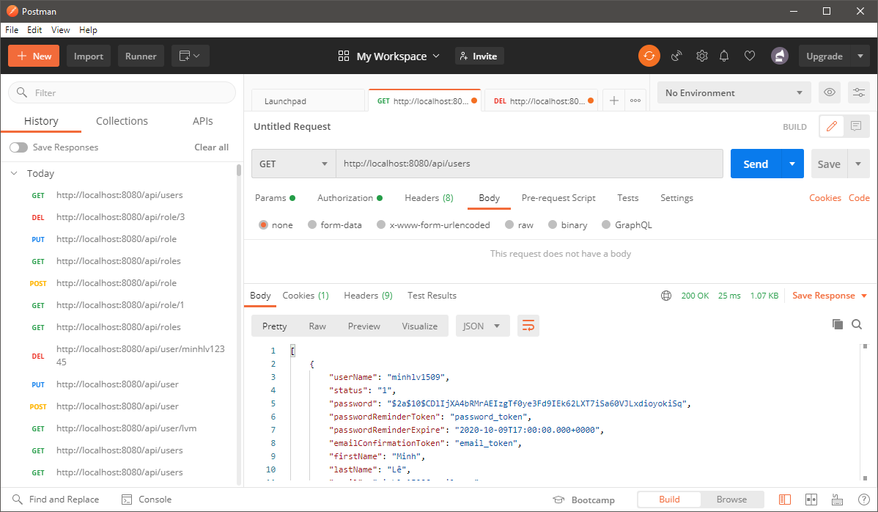

 | Test get user by userName
 |  | Methods: Get
 |  | Url: http://localhost:8080/api/user/lvm


 | Test add new user
 |  | Methods: Post
 |  | Url: http://localhost:8080/api/user
 |  | Request body: {"userName":"minhlv123456","status":"2","password":"passwordpassword","passwordReminderToken":"passwordReminderToken","passwordReminderExpire":"2020-10-10T05:05:55","emailConfirmationToken":"emailConfirmationToken","firstName":"Minh","lastName":"Lee","email":"email","address":"address","phoneNumber":"1234567890","roleId":"2"}
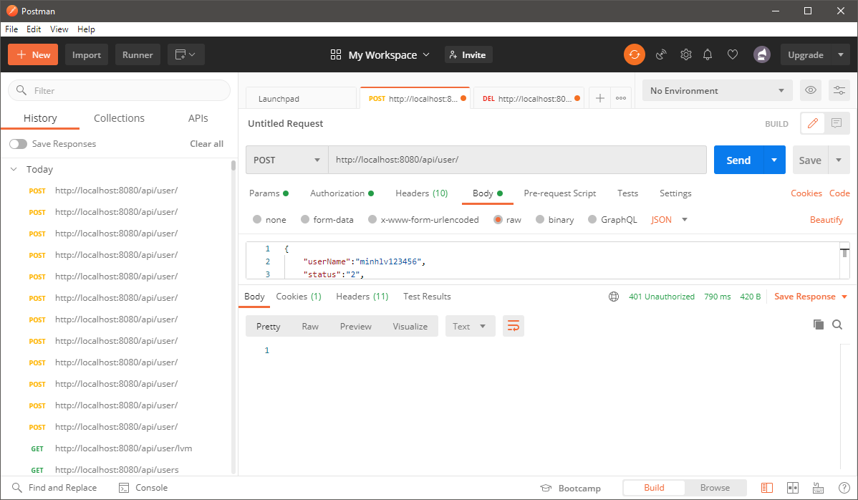

 | Test update user
 |  | Methods: Put
 |  | Url: http://localhost:8080/api/user
 |  | Request body: {"userName":"minhlv12345","status":"2","password":"password","passwordReminderToken":"passwordToken","passwordReminderExpire":"2020-10-11T05:05:55","emailConfirmationToken":"emailToken","firstName":"Minh","lastName":"Lee","email":"email@gmail.com","address":"HaNoi","phoneNumber":"0123456789","roleId":"1"}
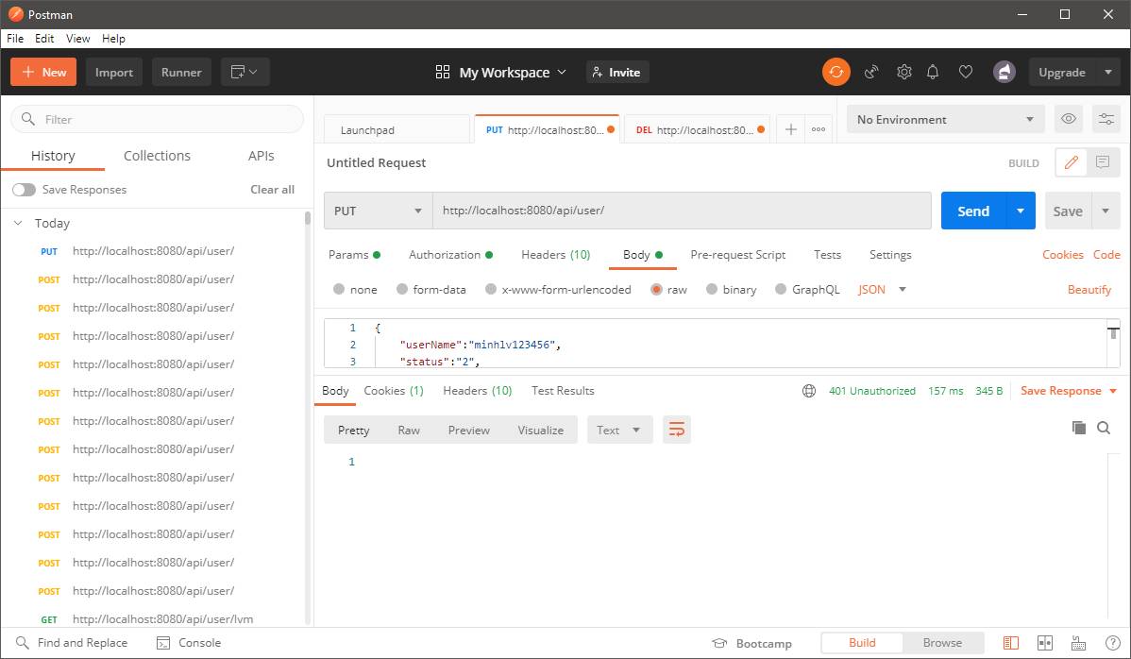

 | Test delete user
 |  | Methods: Delete
 |  | Url: http://localhost:8080/api/user/minhlv12345
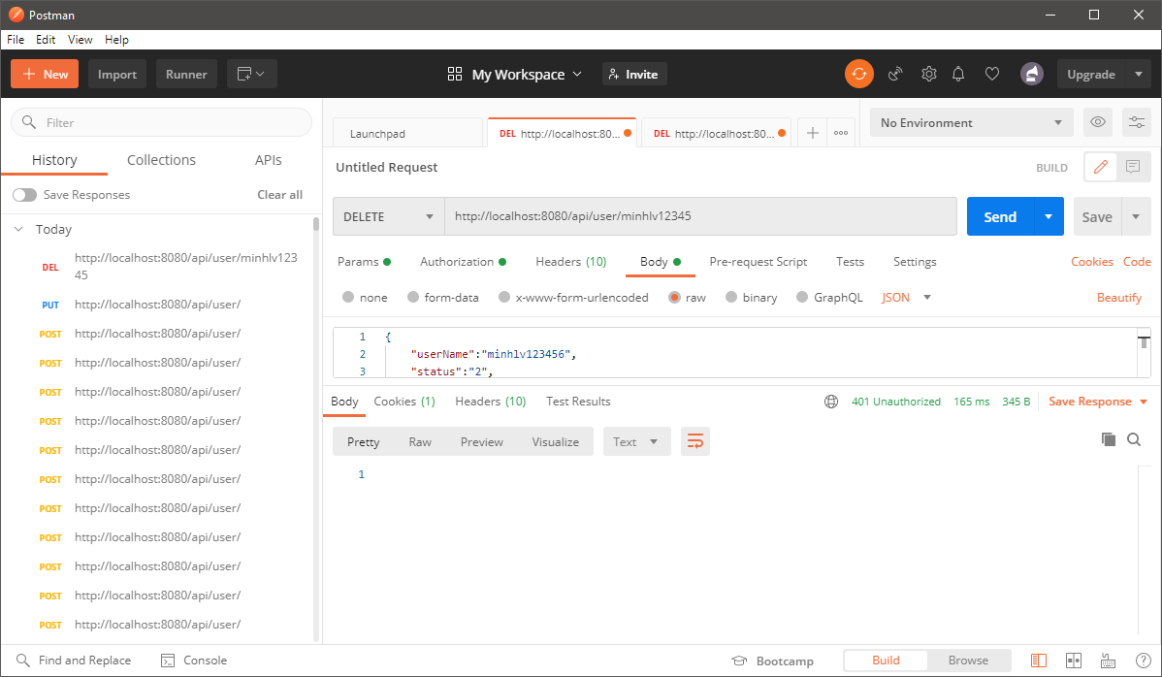

 | Test get all roles
 |  | Methods: Get
 |  | Url: http://localhost:8080/api/roles
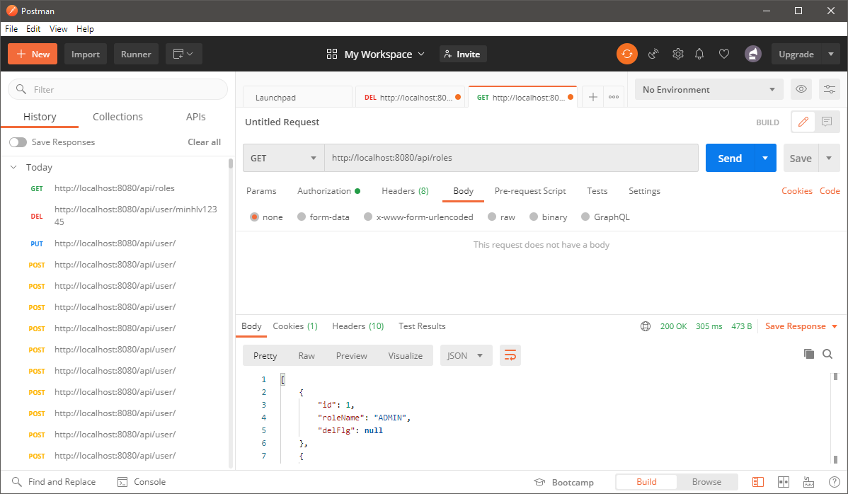

 | Test get role by id
 |  | Methods: Get
 |  | Url: http://localhost:8080/api/role/1
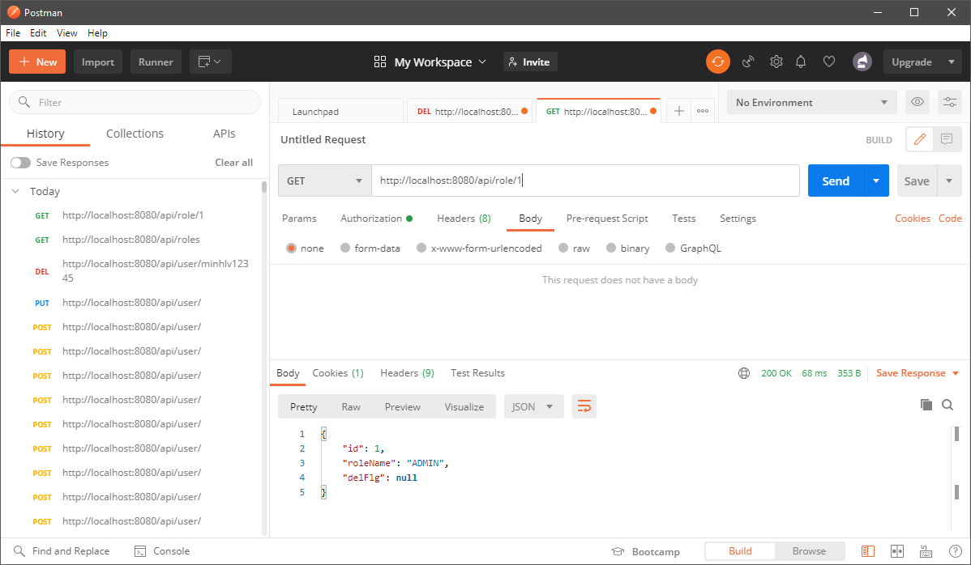

 | Test add new role
 |  | Methods: Post
 |  | Url: http://localhost:8080/api/role
 |  | Request body: {"id":"","roleName":"STAFF"}
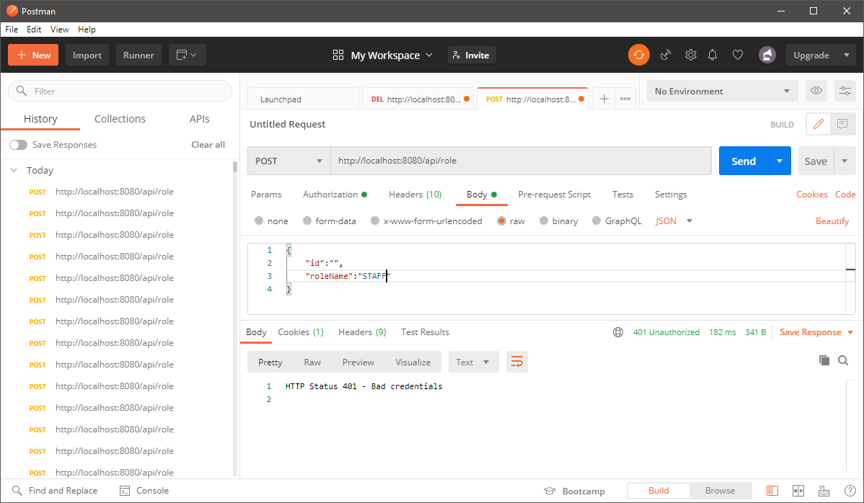

 | Test update role
 |  | Methods: Put
 |  | Url: http://localhost:8080/api/role
 |  | Request body: {"id":"3","roleName":"LEADER"}


 | Test delete role
 |  | Methods: Delete
 |  | Url: http://localhost:8080/api/role/3

