GNU-Toolchain
GNU Toolchain
 | Toolchain overview
 |  | - | What is toolchain and Why do we need toolchain?
 |  | - | Components of a toolchain
 |  | - | Achievement

 | GNU toolchain overview
 |  | - | What is GNU toolchain?
 |  | - | Components

 | GCC overview
 |  | - | What is GCC?
 |  | - | Major features of GCC
 |  | - | Design

 |  |  |  | Toolchain overview:
 |  |  |  |  |  | - | What is toolchain and Why do we need toolchain?
 |  |  |  |  |  |  | + | In Software, A toolchain or toolset is a set of programming tools that is used to perform a complex software development task or to create a software product,
 |  |  |  |  |  |  |  | which is typically another computer program or a set of related programs.
 |  |  |  |  |  |  | + | In embedded linux term, a toolchain is a set of distinct software development tools that are linked (or chained) together by specific stages such as GCC, binutils and glibc (a portion of the GNU Toolchain).
 |  |  |  |  |  |  |  | Optionally, a toolchain may contain other tools such as debugger, compiler, assembler, linker, libraries for a specific programming language, such as C, C++.
 |  |  |  |  |  |  | + | The purpose of a software toolchain is to have a group of software tools linked together and optimized for a specific programming process.
 |  |  |  |  |  |  |  | The output generated by one tool in the chain is used by the next tool in the chain as the input.

 |  |  |  |  |  | - | Components of a toolchain
 |  |  |  |  |  |  |  | Toolchains may vary depending on the team using them and the product being delivered.
 |  |  |  |  |  |  |  | However, very basic toolchains often include the following:
 |  |  |  |  |  |  |  |  | - | Compiler | used to generate executable code from the source code of program.
 |  |  |  |  |  |  |  |  | - | Assembler | converts assembly language code.
 |  |  |  |  |  |  |  |  | - | Linker | links a set of program files together into a single program.
 |  |  |  |  |  |  |  |  | - | Runtime libraries | used to interface with an operating system. It allows the program to reference external function and resources
 |  |  |  |  |  |  |  |  | - | Debugger | used to test and debug programs
 |  |  |  |  |  |  |  |  |  | …

 |  |  |  |  |  | - | Achievement
 |  |  |  |  |  |  |  | Before we talk about building toolchain, let distinguish three different machines:
 |  |  |  |  |  |  |  |  | - | The build machine, on which the toolchain is built.
 |  |  |  |  |  |  |  |  | - | The host machine, on which the toolschain is executed.
 |  |  |  |  |  |  |  |  | - | The target machine, for which the toolchain generates code.

 |  |  |  |  |  |  |  | There are several ways to get a toolchain:
 |  |  |  |  |  |  |  |  | - | Get a prebuilt toolchain, either from a vendor or probably inside the Package shipped with hardware platform by the vendor.
 |  |  |  |  |  |  |  |  |  | This is the easiest solution, such as the toolchain is already built, and has supposedly been tested by the vendor.
 |  |  |  |  |  |  |  |  | - | Self-Build a toolchain.
 |  |  |  |  |  |  |  |  | - | Build a toolchain using an automated tool.

 |  |  |  |  |  |  |  | Some of these Toolchain building systems:
 |  |  |  |  |  |  |  |  | - | Buildroot |  | is a complete build system based on the Linux kernel configuration system and supports a wide range of target architectures. It generates root file system images ready to be written to flash
 |  |  |  |  |  |  |  |  | - | OpenADK |  | is a complete build system based on the Linux kernel configuration system and supports a wide range of target architectures.
 |  |  |  |  |  |  |  |  | - | Crossdev (Gentoo) |  | is specific to developers using Gentoo for their development PCs. It is a script which generates a cross toolchain using the portage build scripts for GCC, etc.
 |  |  |  |  |  |  |  |  | - | Crosstool-NG |  | is a well-maintained fork of crosstool, targeted at easier configuration, re-factored code, and a learning base on how toolchains are built, with support for both uClibc and glibc, for debug tools (gdb, strace, dmalloc, etc.), and a wide range of versions for each tools
 |  |  |  |  |  |  |  |  | - | Crossdev/tsrpm (Timesys) |  | is a project sponsored by Timesys, completely unrelated to the Gentoo cross toolchain generation system.
 |  |  |  |  |  |  |  |  | - | EmbToolkit |  | is the first toolchain building system giving the choice to generate GCC or llvm/clang based toolchain.
 |  |  |  |  |  |  |  |  | - | OSELAS.Toolchain() |  | project aims at supplying a complete build system for recent GNU toolchains. It uses the PTXdist build system, a userland build system based on Kconfig
 |  |  |  |  |  |  |  |  | - | Bitbake |  | is the tool used by OpenEmbedded. The best way to get started is probably by just building an existing distribution that uses openembedded

 |  |  |  | GNU toolchain overview:
 |  |  |  |  |  | - | What is GNU?
 |  |  |  |  |  |  | + | GNU or GNU Project is a free software, mass collaboration project that Richard Stallman announced on September 27, 1983.
 |  |  |  |  |  |  | + | Its goal is to give computer users freedom and control in their use of their computers and computing devices
 |  |  |  |  |  |  |  | by collaboratively developing and publishing software that gives everyone the rights to freely run the software, copy and distribute it, study it, and modify it.

 |  |  |  |  |  | - | What is GNU toolchain?
 |  |  |  |  |  |  |  | The GNU toolchain is a broad collection of programming tools produced by the GNU Project. These tools form a toolchain used for developing software applications and operating system.

 |  |  |  |  |  | - | Component
 |  |  |  |  |  |  |  | Projects included in the GNU toolchain are:
 |  |  |  |  |  |  |  | + | GNU make |  |  |  | an automation tool for compilation and build.
 |  |  |  |  |  |  |  | + | GNU Compile Collection (GCC) |  |  |  | a suite of compilers for several programming languages.
 |  |  |  |  |  |  |  | + | GNU C library (glibc) |  |  |  | core C library including headers, libraries, and dynamic loader.
 |  |  |  |  |  |  |  | + | GNU Binutils |  |  |  | a suite of tools including linker, assembler and other tools.
 |  |  |  |  |  |  |  | + | GNU Bison |  |  |  | a parser generator, ofter used with the Flex lexical analyser.
 |  |  |  |  |  |  |  | + | GNU m4 |  |  |  | an m4 macro processor.
 |  |  |  |  |  |  |  | + | GNU Debugger (GDB) |  |  |  | a code debugging tool.
 |  |  |  |  |  |  |  | + | GNU Autotools (GNU Build System) |  |  |  | Autoconf, Automake and Libtool.
 |  |  |  |  |  |  |  |  | …
 |  |  |  | GCC overview:
 |  |  |  |  |  |  | What is compile and compiler?
 |  |  |  |  |  |  | - | What does "compile" mean?
 |  |  |  |  |  |  |  | + | Compile refers to the act of converting programs written in high level programming language, which is understandable and written by humans,
 |  |  |  |  |  |  |  |  | into a lower level binary language understood only by the computer.
 |  |  |  |  |  |  |  | + | To compile, we need a compiler, which is a software program that converts high level programming language code into machine code.
 |  |  |  |  |  |  | - | In computing, a compiler is a computer program that translates computer code written in one programming language (the source language) into another language (the target language)

 |  |  |  |  |  | - | What is GCC?
 |  |  |  |  |  |  | + | GCC or GNU Compiler Collection is an optimizing compiler produced by the GNU Project supporting various programming languages, hardware architecture and operating system.
 |  |  |  |  |  |  | + | GCC is a key component of the GNU toolchain and the standard compiler for most projects related to GNU and the Linux kernel.

 |  |  |  |  |  | - | Major features of GCC
 |  |  |  |  |  |  | + | GCC is a portable compiler. it runs on most platforms available today, and can produce output for many types of processors.
 |  |  |  |  |  |  | + | GCC is not only a native compiler. it can also cross-compile any program, producing executable files for a different system from the one used by GCC itself.
 |  |  |  |  |  |  | + | GCC has multiple language frontends, for parsing different languages, not only for C.
 |  |  |  |  |  |  | + | GCC has a modular design, allowing support for new languages and architectures to be added.
 |  |  |  |  |  |  | + | GCC is free software, distributed under the GNU General Public License (GNU GPL).

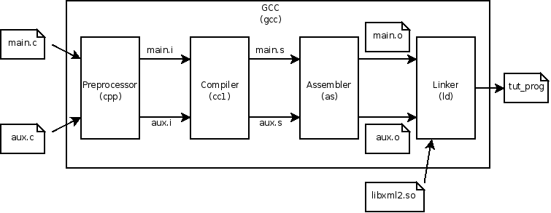
 |  |  |  |  |  | - | Design
 |  |  |  |  |  |  | + | Process
 |  |  |  |  |  |  |  |  |  |  |  |  |  | - | GCC's external interface follows Unix conventions. Users invoke a language-specific driver
 |  |  |  |  |  |  |  |  |  |  |  |  |  |  | program (gcc for C, g++ for C++, etc.), which interprets command arguments, calls the actual
 |  |  |  |  |  |  |  |  |  |  |  |  |  |  | compiler, runs the assembler on the output, and then optionally runs the linker to produce
 |  |  |  |  |  |  |  |  |  |  |  |  |  |  | a complete executable binary.
 |  |  |  |  |  |  |  |  |  |  |  |  |  | - | GCC follows the architecture below to product a complete executable binary.

 |  |  |  |  | Overview of GCC's extended compilation pipeline, including specialized programs like the preprocessor, assembler and linker.

 |  |  |  |  |  |  | + | Architecture

 |  |  |  |  |  |  |  |  | - | In Front end, it uses a parser to produce the abstract syntax tree of a given source file. Due to the syntax tree abstraction,
 |  |  |  |  |  |  |  |  |  | source files of any of the different supported languages can be processed by the same back end.
 |  |  |  |  |  |  |  |  | - | In Middle end, it includes GENERIC, an intermediate representation language used as a "middle end" while compiling source code into executable binaries
 |  |  |  |  |  |  |  |  |  | The middle stage of GCC does all of the code analysis and optimization, working independently of both the compiled language and the target architecture.
 |  |  |  |  |  |  |  |  | - | In Back end, the machine code is built by calling a small snippet of code, associated with each pattern,
 |  |  |  |  |  |  |  |  |  | to generate the real instructions from the target's instruction set, using the final registers, offsets, and addresses chosen during the reload phase.

GCC-Process
GCC Compilation Process
 | (How many steps are there, in order to compile a C/C++ program into executable? What does it do in those steps?)

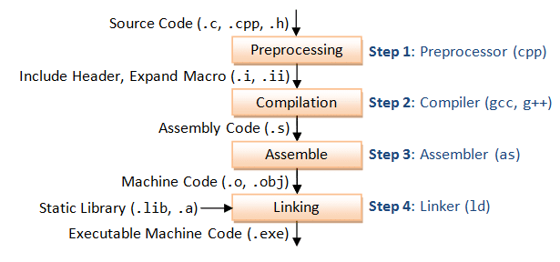

 |  |  |  | - | In step 1, The Preprocessor handles the preprocess directives, which are substituted with their original values and create file has an extension .i.
 |  |  |  |  | In this step, the comments in source code are removed also.

 |  |  |  | - | In step 2, The Compiler handles the output of the Preprocessor. It translates the .i file to assembly code. The extension of assembly code is .s or .as.
 |  |  |  |  | The assembly code is a low-level language that can be translated to an object file using an assembler.

 |  |  |  | - | In step 3, the actual instructions on the machine level are generated from the assembly code by the Assembler.
 |  |  |  |  | The assembler generates a relocatable object file with .o extension from the assembly code.

 |  |  |  | - | In step 4, the Linker combines/links the generated relocateble object files to create another object file that is executable.

 | (What is GNU Binutils? Please list down the main ones)
 | What is GNU Binutils?
 | - | The GNU Binary Utilities, or binutils, are a set of programming tools for creating and managing binary programs, object files, libraries, profile data, and assembly source code.
 | - | The GNU Binutils are typically used in conjunction with compilers such as the GNU Compiler Collection (gcc), build tools like make, and the GNU Debugger (gdb) to create final file.
 | There are some of main tools of GNU Binutils:
 | - | ld - the GNU linker.
 | - | as - the GNU assembler.
 | - | addr2line - Converts addresses into filenames and line numbers.
 | - | ar - A utility for creating, modifying and extracting from archives.
 | - | c++filt - Filter to demangle encoded C++ symbols.
 | - | dlltool - Creates files for building and using DLLs.
 | - | gold - A new, faster, ELF only linker, still in beta test.
 | - | gprof - Displays profiling information.
 | - | nlmconv - Converts object code into an NLM.
 | - | nm - Lists symbols from object files.
 | - | objcopy - Copies and translates object files.
 | - | objdump - Displays information from object files.
 | - | ranlib - Generates an index to the contents of an archive.
 | - | readelf - Displays information from any ELF format object file.
 | - | size - Lists the section sizes of an object or archive file.
 | - | strings - Lists printable strings from files.
 | - | strip - Discards symbols.
 | - | windmc - A Windows compatible message compiler.
 | - | windres - A compiler for Windows resource files.
 | The first and second ones are the most important tools in GNU Binutils

 | (What are Native compile & Cross compile?)
 | Following to the toolchain, we have two types of compile:
 | - | Native compile | means compiling codes for the same Platform on which it runs. Example: The gcc in Linux for compiling c source that runs on itself
 | - | Cross compile | means compiling codes for the different Platforms. Example: a compiler that running on Linux is building a program which will run on ARM.

 | Useful options when using GCC:
 |  | Overall Options:
 |  | Warning Options:
 |  | Link Options:
 |  | Directory Options:

Project
Native-Compile
 | Using Native compile: Build & Host machine are Ubuntu x86

Build and Target platform x86_64

Source code
Libs

Native Compiler
(gcc)

Binary x86_64

 | hello.c | hello.h |  |  |  | main.c

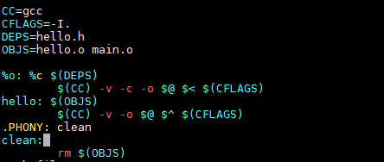
 | Makefile
 |  |  | - | CC | compiler gcc
 |  |  | - | CFLAGS | include header file in current directory
 |  |  | - | DEPS | dependency
 |  |  | - | OBJS | object files
 |  |  | - | $@ | output of rules(in the left of ":")
 |  |  | - | $< | the first file in the right of ":"
 |  |  | - | $^ | all files in the left of ":" in current rule
 |  |  | - | c option | compile but not link
 |  |  | - | o option | output with file in the right $@
 |  |  | - | v option | print (on standard error output) the commands executed to run the stages of compilation
 |  |  | Note: | clean for removing object file by make clean command.

Cross-Compile

 | Using Cross complie: Build machine is Ubuntu x86, Host machine is Linux aarch64
Build platform
Ubuntu x86
Host platform
Linux aarch64

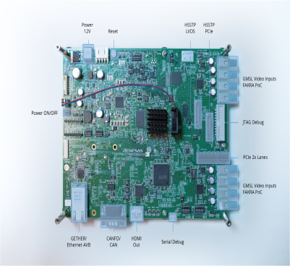
Source code
Libs

Cross Compiler
(aarch64-linux-gcc)

Binary aarch64

 | hello.c | hello.h |  |  |  | main.c
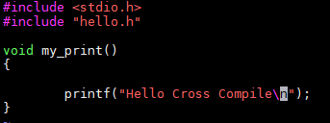
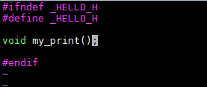
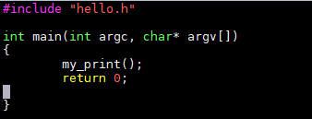

 | Makefile
 |  |  |  |  |  | - | CC | cross-compiler aarch64-poky-linux-gcc
 |  |  |  |  |  | - | SYSROOT | directory of libraries for aarch64 system
 |  |  |  |  |  | - | --sysroot option | the logical root directory for headers and libraries
 |  |  |  |  |  | - | v option | print (on standard error output) the commands executed to run the stages of compilation

 |  |  |  |  |  | Note: | clean for removing object file by make clean command.

