Note
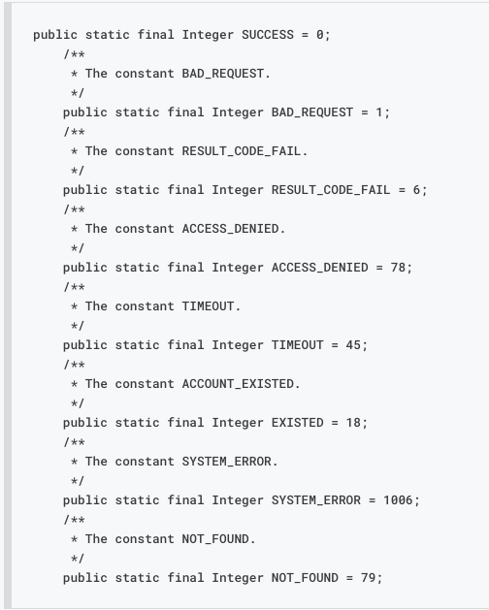
 | https://docs.google.com/spreadsheets/d/152yMFjokevRzeIKKm2auwUAVmNUwLugL2_N3nYN2VEY/edit?pli=1#gid=0

quy tắc tạo username và password. Username: gồm 6 ký tự chữ thường (a-z) và số từ 0 đến 9. Thứ tự sắp xếp: 3 chữ, sau đó là 3 số. Ví dụ: abc123 Mật khẩu: số điện thoại liên hệ mà khách hàng nhập.

