Dimension Tables

1 | Year / Month Sales Trends Visualization
2 | Region Sales Totals by Year and % Change. Report for Count Transactions too.
3 | Average Month Sales by Product
4 | Year by Supplier Sales Cross Tab

 | dProduct = Lookup Table / Dimension Table |  |  |  |  | dSalesRep = Lookup Table / Dimension Table

 | ProductID | Product | Supplier | Cost | Price | SalesRepID | SalesRep | Region
 | 1 | Quad | Gel Booms | 23.75 | 43.95 | 1 | Siox | CA
 | 2 | Carlota | Gel Booms | 13.52 | 29.95 | 2 | Chantel | CA
 | 3 | Aspen | Colorado Booms | 12.48 | 25.95 | 3 | Gigi | WA
 | 4 | Yanaki | Colorado Booms | 11.67 | 23.95 | 4 | Mo | WA

 |  |  |  | fSales = Fact Table

Covers
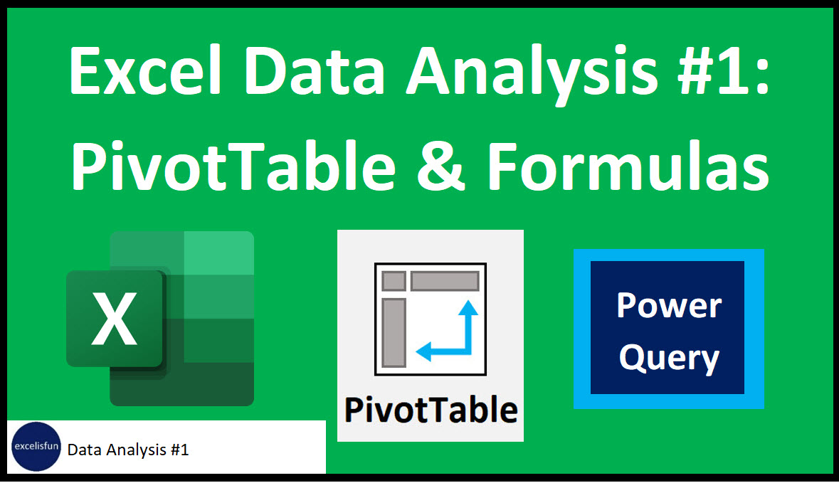

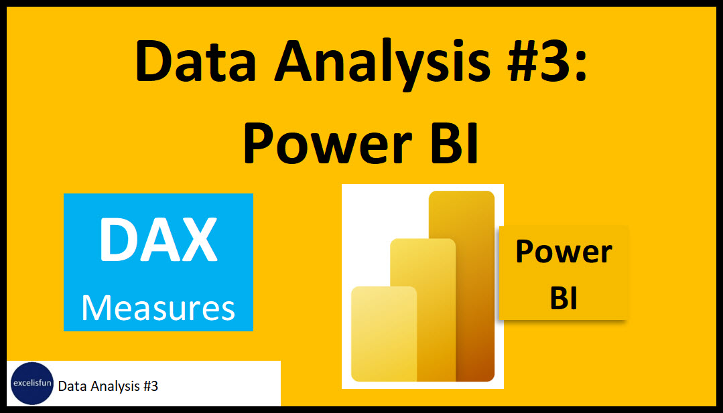

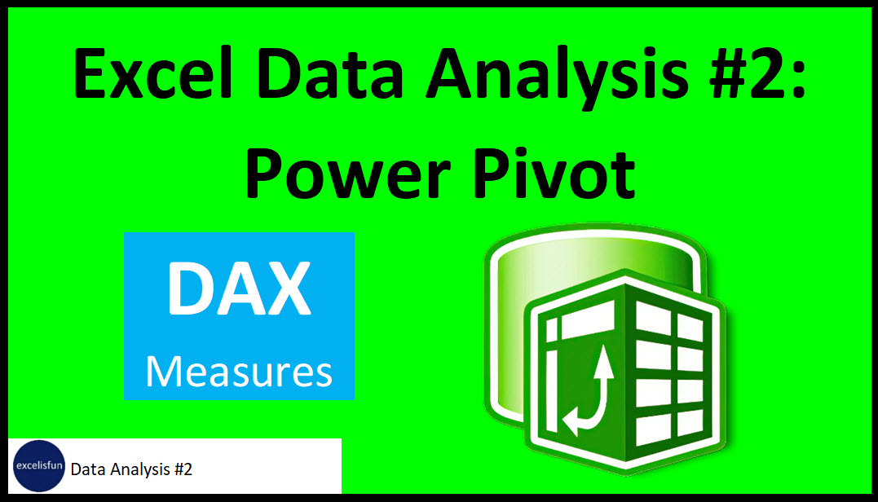

Compare SPT-PPDMPT-PowerBI
Some Advantages of each tool:

Standard PivotTable (SPT) Advantages: | Power Pivot Data Model PivotTable (PPDMPT) Advantages: | Power BI (Desktop or Online)
Fast & Easy when you have < about 50,000 rows of data | Number formatting attached to formulas | Power BI Desktop is a free download!
Grouping feature is fast and easy for dates, times and numbers | Consistent name attached to formula | Interactive Visualizations
Show Values As has many calculations that are easier than the parallel DAX Solution | Avoid 2 step calculation process (Helper Column then Aggregation) with one step Measures like with SUMX | With Power BI Online (Pro license or higher: $ cost): Share Easily
Don't have to spend time building Data Model with DAX and Date Table | Some complex calculations can be easier | Can store single source of truth: Data Model, Reports, Dashboards
Some Reports such as Frequency Distributions for Text Data are super fast & easy with SPT | Iterating over a table to pre-aggregate numbers before an aggregate calculation | Works faster on BIG DATA than Power Pivot. Behind the scenes, Power Pivot uses MDX language, Power BI uses DAX language.
 | Relationships can replace VLOOKUP & XLOOKUP | DAX Table function can deliver table to Data Model
 | You can have multiple tables in PivotTable Field task pane | You can NOT share & send Data Model to Excel
 | You can have BIG DATA data sets | Same as Power Pivot:
 | You can share & send Data Model to Power BI | Number formatting attached to formulas
 | DAX Measures can be re-used. | Consistent name attached to formula
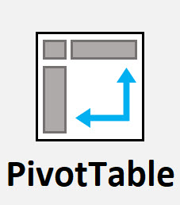
 |  | Avoid 2 step calculation process (Helper Column then Aggregation) with one step Measures like with SUMX
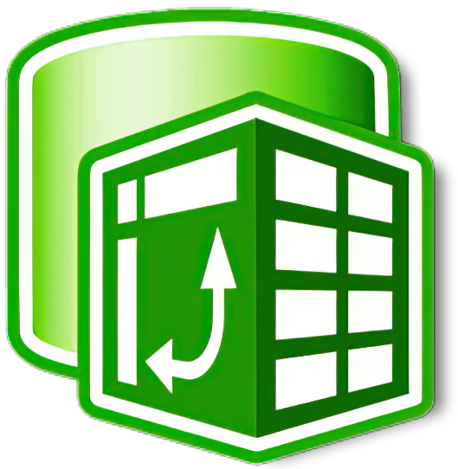
 |  | Some complex calculations can be easier
 |  | Iterating over a table to pre-aggregate numbers before an aggregate calculation
 |  | Relationships can replace VLOOKUP & XLOOKUP
 |  | You can have multiple tables in PivotTable Field task pane
 |  | You can have BIG DATA data sets
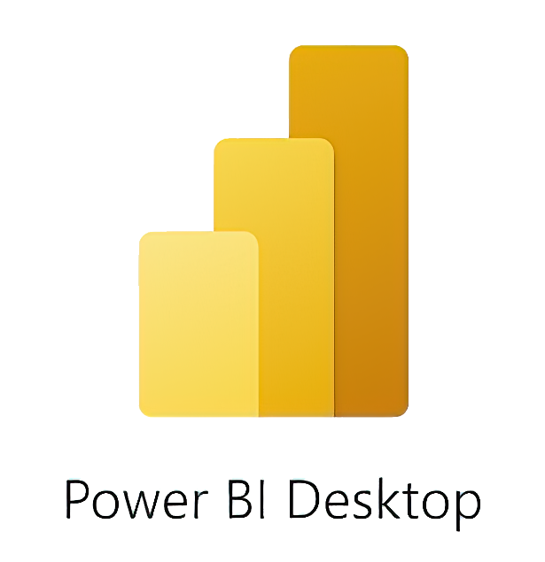
 |  | DAX Measures can be re-used

