Reference
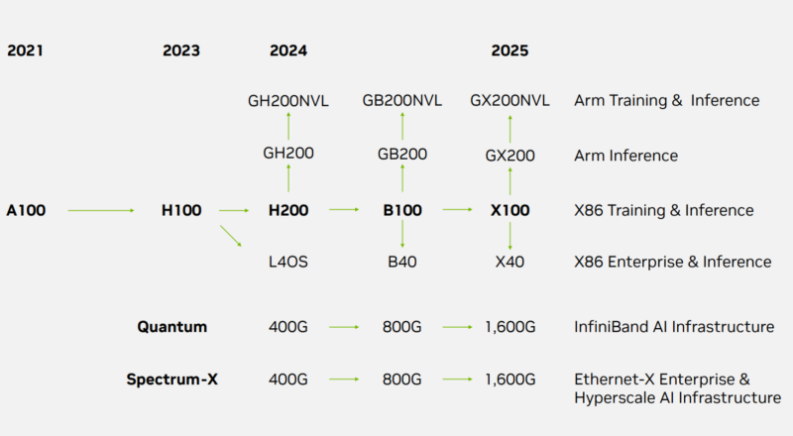
NVIDIA Product Division
DGX | Deep learning
HGX | Hyperscale and data center | Training and inference
EGX | Edge computing
IGX | High-precision AI
AGX | Autonomous machines

Check out Earth 2

