Financial Statement
 | Year | units | 2018 | 2019 | 2020 | 2021 | 2022 | 2023 | 2024 | 24Q1 | 24Q2 | 24Q3 | 24Q4 | 2025 | 2026 | 2027 | 2028 | 2029

x | IFS R&D Schedule Assumptions
 | Manufacturing Ready |  | 10nm | 10nm | 10nm | 7nm | 4nm | 3m | 20A | 20A | 20A | 20A | 20A | 18A | 18A | 14A | 14A | 14A
 | HVM |  | - | - | - | - | - | 7nm | 4nm | 4nm | 4nm | 4nm | 4nm | 3nm | 20A | 18A | 14A | 14A
 | FET |  | - | - | SuperFin | SuperFin | SuperFin | FinFET | RibbonFet | RibbonFet | RibbonFet | RibbonFet | RibbonFet | RibbonFet | RibbonFet | RibbonFet | RibbonFet | RibbonFet
 | PowerVia |  | No | No | No | No | No | No | Yes | Yes | Yes | Yes | Yes | Yes | Yes | Yes | Yes | Yes

 | Foundry Constructions in the US (CHIPS Act) | count
 | Intel | 6
 | Arizona |  |  |  |  |  |  | x
 | Ohio 1 |  |  |  |  |  |  |  |  |  |  |  |  | x
 | Ohio 2 |  |  |  |  |  |  |  |  |  |  |  |  | x
 | Oregon |  |  |  |  |  |  |  |  |  |  |  |  |  |  |  | x
 | New Mexico |  |  |  |  |  |  |  |  |  |  |  |  |  |  |  | x
 | Germany |  |  |  |  |  |  |  |  |  |  |  |  |  |  | x
 | Samsung | 1
 | Texas |  |  |  |  |  |  |  |  |  |  |  |  | x
 | TSMC | 1
 | Phoenix |  |  |  |  |  |  |  |  |  |  |  |  | x
 | Global Foundries | 1
 | Singapore |  |  |  |  |  |  | x

 | Revenue by Segment | %
 | Client Computing Group | % | - | - | - | - | 50% | 54% | 54% |  |  |  |  | 46% | 42% | 39% | 34% | 35%
 | Data Center and AI | % | - | - | - | - | 31% | 29% | 26% |  |  |  |  | 21% | 19% | 17% | 14% | 14%
 | Network and Edge | % | - | - | - | - | 14% | 11% | 10% |  |  |  |  | 8% | 7% | 6% | 5% | 4%
 | MobilEye | % | - | - | - | - | 3% | 4% | 4% |  |  |  |  | 3% | 3% | 2% | 2% | 2%
 | Accelerated Computing and Graphics | % | - | - | - | - | 1% | 0% | 0% |  |  |  |  | 0% | 0% | 0% | 0% | 0%
 | Intel Foundry Services (IFS) | % | - | - | - | - | 1% | 2% | 5% |  |  |  |  | 22% | 29% | 35% | 45% | 45%

 | Revenue by Region | %
 | China | % | - | - | - | 29% | 27% | 27% | ? |  |  |  |  | ? | ? | ? | ? | ?
 | US | % | - | - | - | 18% | 26% | 26% | ? |  |  |  |  | ? | ? | ? | ? | ?
 | Singapore | % | - | - | - | 23% | 15% | 16% | ? |  |  |  |  | ? | ? | ? | ? | ?
 | Taiwan | % | - | - | - | 14% | 13% | 13% | ? |  |  |  |  | ? | ? | ? | ? | ?
 | Other regions | % | - | - | - | 15% | 18% | 18% | ? |  |  |  |  | ? | ? | ? | ? | ?

 | Revenue % Change
 | Client Computing Group | Growth % | - | - | - | - | - | -7% | 10% |  |  |  |  | 10% | 10% | 10% | 10% | 10% | Could only go up from here. AMD forgot to run their CCG operations.
 | Data Center and AI | Growth % | - | - | - | - | - | -21% | 2% |  |  |  |  | 5% | 5% | 5% | 5% | 5% | On the assumption that OneAPI could run binary with NVIDIA. And Gaudi 3 will cater to the excess demand. Not to mention Gaudi could even beat H100.
 | Network and Edge | Growth % | - | - | - | - | - | -35% | 2% |  |  |  |  | 2% | 2% | 2% | 2% | 2% | Some humble forecast. On the even that Gaudi would pull in more demand for HPC networking
 | MobilEye | Growth % | - | - | - | - | - | 10% | 8% |  |  |  |  | 2% | 2% | 2% | 2% | 2% | MobilEye seems to do well and continue. Keeping a modest assumption
 | Accelerated Computing and Graphics | Growth % | - | - | - | - | - | -100% | 15% |  |  |  |  | 15% | 15% | 15% | 15% | 15% | Accelerated computing will be split into DCAI and CCG**
 | Other | Growth % | - | - | - | - | - | - | 0% |  |  |  |  | 0% | 0% | 0% | 0% | 0%

x | Net Revenue | USDmm |  |  | 77,867.00 | 79,024.00 | 63,054.00 | 54,228.00 | 59,929.12 |  |  |  |  | 77,739.45 | 92,424.30 | 108,846.52 | 137,455.01 | 147,620.26
 | Client Computing Group | USDmm |  |  |  |  | 31,527.00 | 29,258.00 | 32,183.80 |  |  |  |  | 35,402.18 | 38,942.40 | 42,836.64 | 47,120.30 | 51,832.33
 | Data Center and AI | USDmm |  |  |  |  | 19,546.74 | 15,521.00 | 15,831.42 |  |  |  |  | 16,622.99 | 17,454.14 | 18,326.85 | 19,243.19 | 20,205.35
 | Network and Edge | USDmm |  |  |  |  | 8,827.56 | 5,774.00 | 5,889.48 |  |  |  |  | 6,007.27 | 6,127.41 | 6,249.96 | 6,374.96 | 6,502.46
 | MobilEye | USDmm |  |  |  |  | 1,891.62 | 2,079.00 | 2,245.32 |  |  |  |  | 2,290.23 | 2,336.03 | 2,382.75 | 2,430.41 | 2,479.01
 | IFS | USDmm |  |  |  |  | 469.00 | 952.00 | 3,135.10 |  |  |  |  | 16,772.79 | 26,920.32 | 38,406.32 | 61,642.15 | 65,957.10 | Pat is saying IFS is on track to get +US$15B contract in the next 5 years (a lifetime of TSMC fab is depreciated over 5 years)
 | Other | USDmm |  |  |  |  | 1,089.00 | 644.00 | 644.00 |  |  |  |  | 644.00 | 644.00 | 644.00 | 644.00 | 644.00 | Modest revenue guestimate for Intel's "Other" revenue
 | Cost of sales | USDmm |  |  | 34,255.00 | 35,209.00 | 36,188.00 | 32,517.00 | 32,961.02 |  |  |  |  | 42,756.70 | 50,833.37 | 59,865.59 | 75,600.26 | 81,191.14
 | Cost of Sales % |  |  |  | 44% | 45% | 57% | 60% | 55% |  |  |  |  | 55% | 55% | 55% | 55% | 55% | AMD and historical Intel operates within the 45-47% COGS margin range. TSMC operates at 53%. NVIDIA operates with historical COGS % of 33% now 2%.
 | Gross margin | USDmm |  |  | 43,612.00 | 43,815.00 | 26,866.00 | 21,711.00 | 26,968.10 |  |  |  |  | 34,982.75 | 41,590.94 | 48,980.94 | 61,854.75 | 66,429.12 | I'm putting INTC at 60% to give it the worse case possible to see at what price would it be attractive.
 | Research and development | USDmm |  |  | 13,556.00 | 15,190.00 | 17,528.00 | 16,046.00 | 13,814.49 |  |  |  |  | 17,920.02 | 21,305.09 | 25,090.63 | 31,685.29 | 34,028.52 | Making expenses historic high to factor in the quick D&A expense and copy Amazon's AWS and TSMC fab depreciation style
 | Marketing, general and administrative | USDmm |  |  | 6,180.00 | 6,543.00 | 7,002.00 | 5,634.00 | 5,468.88 |  |  |  |  | 7,094.18 | 8,434.26 | 9,932.88 | 12,543.57 | 13,471.21
 | Restructuring and other charges | USDmm |  |  | 198.00 | 2,626.00 | 2.00 | (62.00) | 1,392.00 |  |  |  |  | 1,392.00 | 1,392.00 | 1,392.00 | 415.93 | 415.93 | Restructuring charges rises during Q1 * 4 = estimated cost for the year
 | Operating expenses | USDmm |  |  | 19,934.00 | 24,359.00 | 24,532.00 | 21,618.00 | 20,675.38 |  |  |  |  | 26,406.20 | 31,131.34 | 36,415.52 | 44,644.80 | 47,915.66
 | Operating income | USDmm |  |  | 23,678.00 | 19,456.00 | 2,334.00 | 93.00 | 6,292.73 |  |  |  |  | 8,576.55 | 10,459.59 | 12,565.42 | 17,209.96 | 18,513.45
 | Gains (loss) on equity investments, net | USDmm |  |  | 1,904.00 | 2,729.00 | 4,268.00 | 40.00 | - |  |  |  |  | - | - | - | - | -
 | Interest and other, net | USDmm |  |  | (504.00) | (482.00) | 1,166.00 | 629.00 | (3,264.91) |  |  |  |  | (6,833.99) | (2,735.54) | (5,179.91) | (4,781.53) | (5,085.76)
 | Interest income | USDmm |  |  |  | 144.00 | 589.00 | 1,335.00 | - |  |  |  |  | - | - | - | - | -
 | Interest expense | USDmm |  |  |  | (597.00) | (496.00) | (878.00) | (3,264.91) |  |  |  |  | (6,833.99) | (2,735.54) | (5,179.91) | (4,781.53) | (5,085.76)
 | Minh's Issued Bonds Interest |  |  |  |  |  |  |  | (234.20) |  |  |  |  | (468.39) | (702.59) | (936.78) | (1,170.98) | (1,405.18)
 | Bond Interest Schedule | USDmm |  |  |  |  |  |  | (3,030.71) |  |  |  |  | (6,365.60) | (2,032.95) | (4,243.12) | (3,610.55) | (3,680.59)
 | Other, net | USDmm |  |  |  | (29.00) | 1,073.00 | 172.00 | - |  |  |  |  | - | - | - | - | -
 | Income before taxes | USDmm |  |  | 25,078.00 | 21,703.00 | 7,768.00 | 762.00 | 3,027.82 |  |  |  |  | 1,742.56 | 7,724.06 | 7,385.51 | 12,428.43 | 13,427.69
 | Provision for (benefit from) taxes | USDmm |  |  | 4,179.00 | 1,835.00 | (249.00) | (913.00) | 504.56 |  |  |  |  | 290.38 | 1,287.14 | 1,230.72 | 2,071.07 | 2,237.59
 | Tax rate |  |  |  | 16.66% | 8.46% | -3.21% | -119.82% | 16.66% |  |  |  |  | 16.66% | 16.66% | 16.66% | 16.66% | 16.66% | Keeping a historical high for modest assumption of tax
 | Net income | USDmm |  |  | 20,899.00 | 19,868.00 | 8,017.00 | 1,675.00 | 2,523.26 |  |  |  |  | 1,452.18 | 6,436.92 | 6,154.79 | 10,357.35 | 11,190.10
 | Less: Net income attributable to non-controlling interests | USDmm |  |  | - | - | 3.00 | (14.00) | - |  |  |  |  | - | - | - | - | -
 | Net income attributable to Intel | USDmm |  |  | 20,899.00 | 19,868.00 | 8,014.00 | 1,689.00 | 2,523.26 |  |  |  |  | 1,452.18 | 6,436.92 | 6,154.79 | 10,357.35 | 11,190.10

 | Changes in other comprehensive income (loss), net of tax:
 | Net unrealized holding gains (losses) on derivatives | USDmm |  |  |  | (520.00) | (510.00) | 272.00 | - |  |  |  |  | - | - | - | - | -
 | Actuarial valuation and other pension benefits (expenses), net | USDmm |  |  |  | 451.00 | 855.00 | 66.00 | - |  |  |  |  | - | - | - | - | -
 | Translation adjustments and other | USDmm |  |  |  | (60.00) | (27.00) | 9.00 | - |  |  |  |  | - | - | - | - | -
 | Other comprehensive income (loss) | USDmm |  |  |  | (129.00) | 318.00 | 347.00 | - |  |  |  |  | - | - | - | - | -
 | Total comprehensive income | USDmm |  |  |  | 19,739.00 | 8,335.00 | 2,022.00 | 2,523.26 |  |  |  |  | 1,452.18 | 6,436.92 | 6,154.79 | 10,357.35 | 11,190.10
 | Less: comprehensive income (loss) attributable to non-controlling interests | USDmm |  |  |  | - | 3.00 | (14.00) | - |  |  |  |  | - | - | - | - | -
 | Total comprehensive income attributable to Intel | USDmm |  |  |  | 19,739.00 | 8,332.00 | 2,036.00 | 2,523.26 |  |  |  |  | 1,452.18 | 6,436.92 | 6,154.79 | 10,357.35 | 11,190.10

x | Cash and cash equivalents | USDmm |  |  | 5,865.00 | 4,827.00 | 11,144.00 | 7,079.00 | 14,787.25 |  |  |  |  | 5,003.00 | 5,262.50 | 9,247.00 | 30,144.00 | 61,016.00
 | Short-term investments | USDmm |  |  | 2,292.00 | 24,426.00 | 17,194.00 | 17,955.00 | 5,391.00 |  |  |  |  | 2,875.25 | - | - | - | - | Sell everything not necessary
 | Accounts receivable, net | USDmm |  |  | 22,520.00 | 9,457.00 | 4,133.00 | 3,402.00 | 3,402.00 |  |  |  |  | 3,402.00 | 3,402.00 | 3,402.00 | 3,402.00 | 3,402.00 | Keeping a historical low or modest assumption of CCG and NEX SKUs
 | Inventories | USDmm |  |  | 8,427.00 | 10,776.00 | 13,224.00 | 11,127.00 | 11,127.00 |  |  |  |  | 11,127.00 | 11,127.00 | 11,127.00 | 11,127.00 | 11,127.00 | Keeping a historical low or modest assumption of CCG and NEX SKUs
 | Assets held for sale | USDmm |  |  | 5,400.00 | 6,942.00 | - | - | - |  |  |  |  | - | - | - | - | -
 | Other current assets | USDmm |  |  | 2,745.00 | 2,130.00 | 4,712.00 | 3,706.00 | 3,706.00 |  |  |  |  | 3,706.00 | 3,706.00 | 3,706.00 | 3,706.00 | 3,706.00
 | Total current assets | USDmm |  |  | 47,249.00 | 58,558.00 | 50,407.00 | 43,269.00 | 38,413.25 |  |  |  |  | 26,113.25 | 23,497.50 | 27,482.00 | 48,379.00 | 79,251.00

 | Property, plant and equipment, net | USDmm |  |  | 56,584.00 | 63,245.00 | 80,860.00 | 96,647.00 | 110,043.75 |  |  |  |  | 125,493.75 | 139,012.50 | 150,600.00 | 153,000.00 | 154,275.00
 | Property, plant and equipment | USDmm |  |  | 56,584.00 | 63,245.00 | 80,860.00 | 96,647.00 | 115,959.50 |  |  |  |  | 135,272.00 | 154,584.50 | 173,897.00 | 185,147.00 | 196,397.00
 | Contra Account | USDmm |  |  |  |  |  |  | 5,915.75 |  |  |  |  | 9,778.25 | 15,572.00 | 23,297.00 | 32,147.00 | 42,122.00 |  | -
 | Equity investments | USDmm |  |  | 5,152.00 | 6,298.00 | 5,912.00 | 5,829.00 | - |  |  |  |  | - | - | - | - | - | Sell everything not necessary
 | Goodwill | USDmm |  |  | 26,971.00 | 26,963.00 | 27,591.00 | 27,591.00 | 27,591.00 |  |  |  |  | 27,591.00 | 27,591.00 | 27,591.00 | 27,591.00 | 27,591.00
 | Identified intangible assets, net | USDmm |  |  | 9,026.00 | 7,270.00 | 6,018.00 | 4,589.00 | 4,589.00 |  |  |  |  | 4,589.00 | 4,589.00 | 4,589.00 | 4,589.00 | 4,589.00
 | Other long-term assets | USDmm |  |  | 8,109.00 | 6,072.00 | 11,315.00 | 13,647.00 | 13,647.00 |  |  |  |  | 13,647.00 | 13,647.00 | 13,647.00 | 13,647.00 | 13,647.00

 | Less: Cash needed to finance CAPEX and balance
 | Total assets | USDmm |  |  | 153,091.00 | 168,406.00 | 182,103.00 | 191,572.00 | 194,284.00 |  |  |  |  | 197,434.00 | 208,337.00 | 223,909.00 | 247,206.00 | 279,353.00

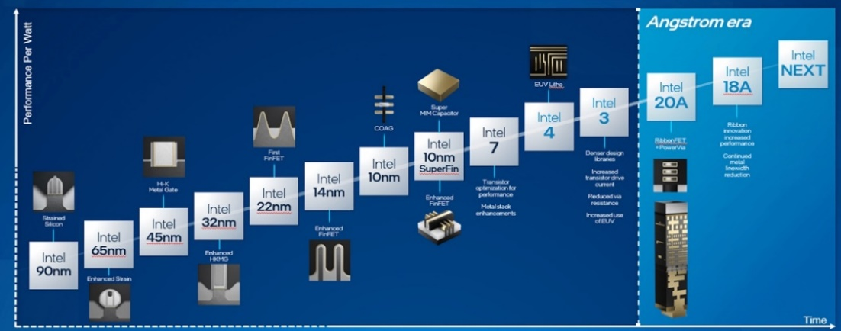
 | Liabilities and stockholders' equity:
 | Current liabilities:
 | Revolver | USDmm |  |  | - | - | - | - | - |  |  |  |  | - | - | - | - | -
 | Short-term debt | USDmm |  |  | 2,504.00 | 4,591.00 | 4,367.00 | 2,288.00 | 1,850.00 |  |  |  |  | 5,250.00 | 1,000.00 | 5,000.00 | 5,000.00 | 5,000.00 | +1 or longer year debt
 | Accounts payable | USDmm |  |  | 5,581.00 | 5,747.00 | 9,595.00 | 8,578.00 | 8,578.00 |  |  |  |  | 8,578.00 | 8,578.00 | 8,578.00 | 8,578.00 | 8,578.00
 | Accrued compensation and benefits | USDmm |  |  | 3,999.00 | 4,535.00 | 4,084.00 | 3,655.00 | 3,655.00 |  |  |  |  | 3,655.00 | 3,655.00 | 3,655.00 | 3,655.00 | 3,655.00
 | Income taxes payable | USDmm |  |  | - | 1,076.00 | 2,251.00 | 1,107.00 | 1,107.00 |  |  |  |  | 1,107.00 | 1,107.00 | 1,107.00 | 1,107.00 | 1,107.00
 | Other accrued liabilities | USDmm |  |  | 12,670.00 | 11,513.00 | 11,858.00 | 12,425.00 | 12,425.00 |  |  |  |  | 12,425.00 | 12,425.00 | 12,425.00 | 12,425.00 | 12,425.00
 | Total current liabilities | USDmm |  |  | 24,754.00 | 27,462.00 | 32,155.00 | 28,053.00 | 27,615.00 |  |  |  |  | 31,015.00 | 26,765.00 | 30,765.00 | 30,765.00 | 30,765.00

 | Debt | USDmm |  |  | 33,897.00 | 33,510.00 | 37,684.00 | 46,978.00 | 50,128.00 |  |  |  |  | 49,878.00 | 53,878.00 | 53,878.00 | 53,878.00 | 53,878.00
 | Long-term income taxes payable | USDmm |  |  | 5,945.00 | 4,305.00 | - | - | 0 |  |  |  |  | 0 | 0 | 0 | 0 | 0
 | Deferred income taxes | USDmm |  |  | 3,843.00 | 2,667.00 | - | - | 0 |  |  |  |  | 0 | 0 | 0 | 0 | 0
 | Other long-term liabilities | USDmm |  |  | 3,614.00 | 5,071.00 | 8,978.00 | 6,576.00 | 6,576.00 |  |  |  |  | 6,576.00 | 6,576.00 | 6,576.00 | 6,576.00 | 6,576.00
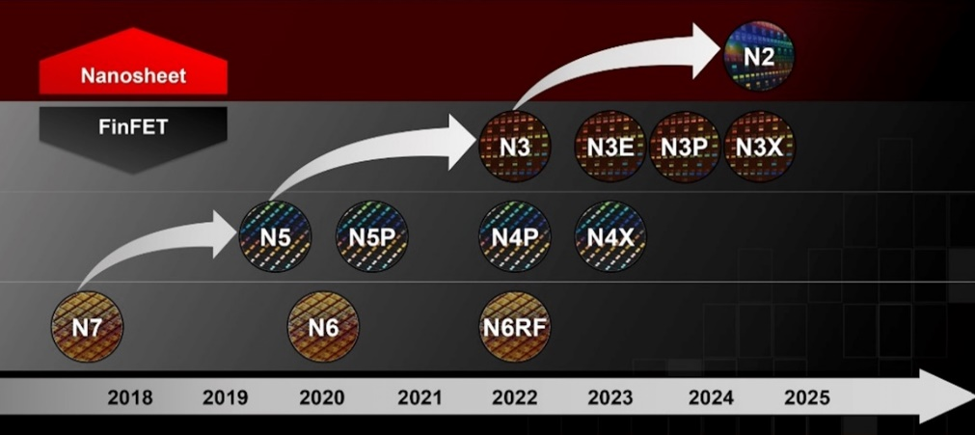
 | Total Liabilities |  |  |  | 72,053.00 | 73,015.00 | 78,817.00 | 81,607.00 | 84,319.00 |  |  |  |  | 87,469.00 | 87,219.00 | 91,219.00 | 91,219.00 | 91,219.00

 | Retained earnings as revenue | % |  |  | 269.07% | 60.56% | 26.69% | 0.00% | 0.00% |  |  |  |  | 0.00% | 0.00% | 0.00% | 0.00% | 0.00% | Pat said no more dividends

 | Total Intel stockholders' equity | USDmm |  |  | 81,038.00 | 95,391.00 | 101,423.00 | 105,590.00 | 105,590.00 |  |  |  |  | 105,590.00 | 105,590.00 | 105,590.00 | 105,590.00 | 105,590.00
 | Non-controlling interests | USDmm |  |  | - | - | 1,863.00 | 4,375.00 | 4,375.00 |  |  |  |  | 4,375.00 | 4,375.00 | 4,375.00 | 4,375.00 | 4,375.00
 | Total stockholders' equity | USDmm |  |  | 81,038.00 | 95,391.00 | 103,286.00 | 109,965.00 | 109,965.00 |  |  |  |  | 109,965.00 | 109,965.00 | 109,965.00 | 109,965.00 | 109,965.00
 | Total liabilities and stockholders' equity | USDmm |  |  | 153,091.00 | 168,406.00 | 180,240.00 | 191,572.00 | 194,284.00 |  |  |  |  | 197,434.00 | 208,337.00 | 223,909.00 | 247,206.00 | 279,353.00

 | Net Working Capital | USDmm |  |  | 25,366.00 | 14,486.00 | 7,762.00 | 5,951.00 | 5,951.00 |  |  |  |  | 5,951.00 | 5,951.00 | 5,951.00 | 5,951.00 | 5,951.00

x | Cash and cash equivalents, beginning of period | USDmm |  |  | 4,194.00 | 5,865.00 | 4,827.00 | 11,144.00 | 2,523.26 |  |  |  |  | 1,452.18 | 6,436.92 | 6,154.79 | 10,357.35 | 11,190.10
 | Cash flows provided by (used for) operating activities:
 | Net income | USDmm |  |  | 20,899.00 | 19,868.00 | 8,017.00 | 1,675.00 | 2,523.26 |  |  |  |  | 1,452.18 | 6,436.92 | 6,154.79 | 10,357.35 | 11,190.10
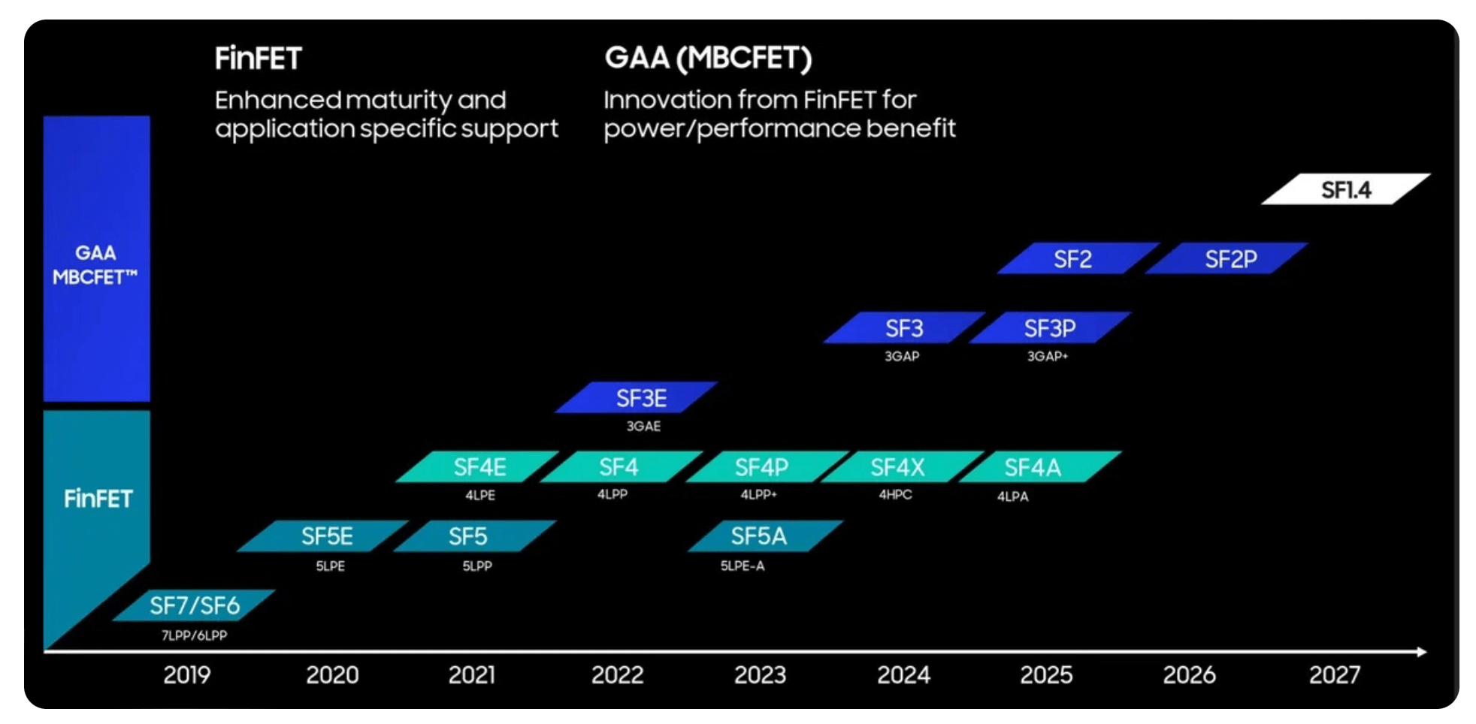
 | Adjustments to reconcile net income to net cash provided by operating activities:
 | Depreciation | USDmm |  |  | 10,482.00 | 9,953.00 | 11,128.00 | 7,847.00 | 5,915.75 |  |  |  |  | 9,778.25 | 15,572.00 | 23,297.00 | 32,147.00 | 42,122.00
 | Share-based compensation | USDmm |  |  | 1,854.00 | 2,036.00 | 3,128.00 | 3,229.00 |  |  |  |  |  |  |  |  |  |  | 8 years now
 | Restructuring and other charges | USDmm |  |  | 198.00 | 2,626.00 | 1,074.00 | (424.00)
 | Amortization of intangibles | USDmm |  |  | 1,757.00 | 1,839.00 | 1,907.00 | 1,755.00
 | (Gains) losses on equity investments, net | USDmm |  |  | (1,757.00) | (1,458.00) | (4,254.00) | (42.00)
 | (Gains) losses on divestitures | USDmm |  |  | (30.00) | - | (1,059.00) | -
 | Changes in assets and liabilities:
 | Accounts receivable | USDmm |  |  | 883.00 | (2,674.00) | 5,327.00 | 731.00
 | Inventories | USDmm |  |  | (687.00) | (2,339.00) | (2,436.00) | 2,097.00
 | Accounts payable | USDmm |  |  | 405.00 | 1,190.00 | (29.00) | (801.00)
 | Accrued compensation and benefits | USDmm |  |  | 348.00 | 515.00 | (1,533.00) | (614.00) |  |  |  |  |  |  |  |  |  |  | People are not leaving anymore! Pat will save the day!
 | Prepaid customer supply agreements | USDmm |  |  | (181.00) | (1,583.00) | (24.00) | -
 | Income taxes | USDmm |  |  | 1,620.00 | (441.00) | (4,535.00) | (3,531.00)
 | Other assets and liabilties | USDmm |  |  | 73.00 | (76.00) | (1,278.00) | (451.00)
 | Total adjustments | USDmm |  |  | 14,965.00 | 9,588.00 | 7,416.00 | 9,796.00 | 5,915.75 |  |  |  |  | 9,778.25 | 15,572.00 | 23,297.00 | 32,147.00 | 42,122.00
 | Net cash provided by operating activities | USDmm |  |  | 35,864.00 | 29,456.00 | 15,433.00 | 11,471.00 | 8,439.01 |  |  |  |  | 11,230.43 | 22,008.92 | 29,451.79 | 42,504.35 | 53,312.10
 | Cash flows provided by (used for) investing activities: |  |  |  |  |  |  |  |  |  |  |  |  |  |  |  |  |  | Each fabs cost 25B
 | Additions to property, plant and equipment | USDmm |  |  | (14,259.00) | (18,733.00) | (24,844.00) | (25,750.00) | (25,750.00) |  |  |  |  | (25,750.00) | (25,750.00) | (25,750.00) | (15,000.00) | (15,000.00) | I left the assumption for cash to fund 5 plants upfront and then to use a historical high after
 | Proceeds from capital related government incentives | USDmm |  |  | - | - | 246.00 | - | 6,437.50 |  |  |  |  | 6,437.50 | 6,437.50 | 6,437.50 | 3,750.00 | 3,750.00 | The CHIPS and EU chips act grants a 25% per plant (Link)
 | Additions to held for sale NAND property, plant and equipment | USDmm |  |  | (194.00) | (1,596.00) | (206.00) | 1,011.00
 | Purchases of short-term investments | USDmm |  |  | (29,239.00) | (40,554.00) | (43,647.00) | (44,414.00)
 | Maturities and sales of short-term investments | USDmm |  |  | 22,158.00 | 35,299.00 | 48,730.00 | 44,077.00 | 17,955.00 |  |  |  |  |  |  |  |  |  | Maximizing cash utilization
 | Purchases of equity investments | USDmm |  |  | (720.00) | (613.00) | (510.00) | (399.00)
 | Sales of equity investments | USDmm |  |  | 910.00 | 581.00 | 4,961.00 | 472.00
 | Proceeds from divestitures | USDmm |  |  | 123.00 | - | 6,579.00 | -
 | Other investing | USDmm |  |  | (303.00) | 1,167.00 | (1,540.00) | 962.00
 | Net cash used for investing activities | USDmm |  |  | (21,524.00) | (24,449.00) | (10,231.00) | (24,041.00) | (1,357.50) |  |  |  |  | (19,312.50) | (19,312.50) | (19,312.50) | (11,250.00) | (11,250.00)
 | Cash flows provided by (used for) financing activities:
 | Issuance of commercial paper, net of issuance costs | USDmm |  |  | - | - | 3,945.00 | (3,944.00)
 | Payments on financial leases | USDmm |  |  | - | - | (345.00) | (96.00)
 | Partner contributions | USDmm |  |  | - | - | 874.00 | 1,511.00
 | Proceeds from Mobileye IPO | USDmm |  |  | - | - | 1,032.00 | 2,959.00
 | Issuance of term debt, net of issuance costs | USDmm |  |  | 10,247.00 | 4,974.00 | 6,548.00 | 11,391.00 | 5,000.00 |  |  |  |  | 5,000.00 | 5,000.00 | 5,000.00 | 5,000.00 | 5,000.00 | I just used the same level as the previous year since it is going to need financing
 | Repayment of term debt and debt conversions | USDmm |  |  | (4,525.00) | (2,500.00) | (4,984.00) | (423.00) | (1,850.00) |  |  |  |  | (5,250.00) | (1,000.00) | (5,000.00) | (5,000.00) | (5,000.00)
 | Proceeds from sales of common stock through employee equity incentive plans | USDmm |  |  | 897.00 | 1,020.00 | 977.00 | 1,042.00
 | Repurchase of common stock | USDmm |  |  | (14,229.00) | (2,415.00) | - | - |  |  |  |  |  |  |  |  |  |  | Pat says no more stock re-purchase
 | Payment of dividends to stockholders | USDmm |  |  | (5,568.00) | (5,644.00) | (5,997.00) | (3,088.00) |  |  |  |  |  |  |  |  |  |  | Pat says no more dividends
 | Other financing | USDmm |  |  | 509.00 | (1,480.00) | (935.00) | (847.00)
 | Net cash provided by (used for) financing activities | USDmm |  |  | (12,669.00) | (6,045.00) | 1,115.00 | 8,505.00 | 3,150.00 |  |  |  |  | (250.00) | 4,000.00 | - | - | -
 | Net increase (decrease) in cash and cash equivalents | USDmm |  |  | 1,671.00 | (1,038.00) | 6,317.00 | (4,065.00) | 7,708.25 |  |  |  |  | (9,784.25) | 259.50 | 3,984.50 | 20,897.00 | 30,872.00
 | Cash and cash equivalents, end of period | USDmm |  |  | 5,865.00 | 4,827.00 | 11,144.00 | 7,079.00 | 14,787.25 |  |  |  |  | 5,003.00 | 5,262.50 | 9,247.00 | 30,144.00 | 61,016.00
 | Supplemental disclosures
 | Cash paid during the year for:
 | Interest, net of capitalized interest | USDmm |  |  | 594.00 | 545.00 | 459.00 | 613.00
 | Income taxes, net of refunds | USDmm |  |  | 2,436.00 | 2,263.00 | 4,282.00 | 2,621.00
 | Memo: Competitive dividend amount | USDmm |  |  | - | - | - | -
x | Memo: ROIC | % |  |  | 13.15% | 11.47% | 4.19% | 0.84% | 1.21% |  |  |  |  | 0.72% | 3.01% | 2.64% | 3.73% | 3.29%
 | Memo: Gross Income / Interest Expense | % |  |  |  |  |  | 0.11 | 1.93 |  |  |  |  | 1.25 | 3.82 | 2.43 | 3.60 | 3.64
 | Memo: Current Ratio | % |  |  |  |  |  | 1.54 | 1.39 |  |  |  |  | 0.84 | 0.88 | 0.89 | 1.57 | 2.58

