Overview
 |  |  |  |  |  |  |  |  |  |  |  |  |  |  |  |  |  |  | (US$mm, unless stated otherwise)
 |  |  | 2019 | 2020 | 2021 | 2022 | 2023 | 2024 | 2025 | 2026 | 2027 | 2028 | 2029 | 2030 | 2031 | 2032 | 2033 | 2034 | 2035
Revenue by Brands: |  |  |  |  | 1,292 | 1,493 | 1,905
 | Ermenegildo Zegna |  |  |  | 1,029 | 1,163 | 1,291
 |  | ZEGNA |  |  | 847 | 924 | 1,109
 |  | Textiles |  |  | 102 | 137 | 151
 |  | Third Party Brands |  |  | 75 | 98 | 25
 |  | Other |  |  | 4 | 4 | 5
 | Thom Browne |  |  |  | 263 | 330 | 378
 | Tom Ford |  |  |  | - | - | 236

Revenue by Regions: |  |  |  |  | 1,292 | 1,493 | 1,905
 | APAC |  |  |  | 696 | 645 | 788
 |  | Greater China Region |  |  | 589 | 494 | 596
 |  | Japan |  |  | 55 | 65 | 85
 |  | Asia (Other) |  |  | 52 | 85 | 108
 | EMEA |  |  |  | 380 | 520 | 659 |  |  |  |  |  |  |  |  |  |  |  |  | Russia is currently worth 0.1% of revenue and historically was worth 1.5%
 | North America |  |  |  | 191 | 295 | 417
 | Other (+LATAM) |  |  |  | 25 | 33 | 40

Revenue by Regions:
 | APAC |  |  |  | 54% | 43% | 41%
 |  | Greater China Region |  |  | 46% | 33% | 31%
 |  | Japan |  |  | 4% | 4% | 4%
 |  | Asia (Other) |  |  | 4% | 6% | 6%
 | EMEA |  |  |  | 29% | 35% | 35%
 | North America |  |  |  | 15% | 20% | 22%
 | Other (+LATAM) |  |  |  | 2% | 2% | 2%

Revenue by Sales Method:
 | Direct to Consumer |  |  |  | 851 | 918 | 1,265
 |  | Ermenegildo Zegna |  |  | 713 | 773 | 945
 |  | Thom Browne |  |  | 139 | 146 | 183
 |  | Tom Ford |  |  | - | - | 136
 | Wholesale |  |  |  | 436 | 570 | 635
 |  | Ermenegildo Zegna |  |  | 312 | 386 | 341
 |  | ZEGNA |  |  | 134 | 151 | 164
 |  | Textiles |  |  | 177 | 235 | 176
 |  | Third Party Brands |  |  | - | - | -
 |  | Other |  |  | - | - | -
 |  | Thom Browne |  |  | 125 | 184 | 195
 |  | Tom Ford |  |  | - | - | 99

Directly Operated Stores: |  |  |  |  |  | 239 | 729
 | Ermenegildo Zegna |  |  |  |  | 239 | 253
 |  | APAC |  |  |  |  | 123
 |  | EMEA |  |  |  |  | 71
 |  | North America |  |  |  |  | 59
 | Thom Browne |  |  |  |  | - | 86
 |  | APAC |  |  |  |  | 70
 |  | EMEA |  |  |  |  | 9
 |  | North America |  |  |  |  | 7
 | Tom Ford |  |  |  |  |  | 51
 |  | APAC |  |  |  |  | 35
 |  | EMEA |  |  |  |  | 4
 |  | North America |  |  |  |  | 12

Wholesale POS: |  |  |  |  |  | - | 382
 | Ermenegildo Zegna |  |  |  |  |  | 151
 |  | APAC |  |  |  |  | 33
 |  | EMEA |  |  |  |  | 55
 |  | North America |  |  |  |  | 63
 | Thom Browne |  |  |  |  |  | 25
 |  | APAC |  |  |  |  | 15
 |  | EMEA |  |  |  |  | 7
 |  | North America |  |  |  |  | 3
 | Tom Ford |  |  |  |  |  | 30
 |  | APAC |  |  |  |  | 6
 |  | EMEA |  |  |  |  | 14
 |  | North America |  |  |  |  | 10
Note:
1. Zegna has manufacturing and logistical hubs in Italy, Switzerland, Turkey, China, Japan and the United States.
2. Zegna sells wholesales to franchisees, specialty stores and online retailers/department stores.
3. Collection pricing to sale takes 18 months to set and can be affected by foreign exchange rates (USD, JPY, HKD, EUR, RMB)
4. Zegna's debt is 71% floating rate loans. (EUR284.6mm)
5. Zegna has EUR295mm floating rate revolver facility
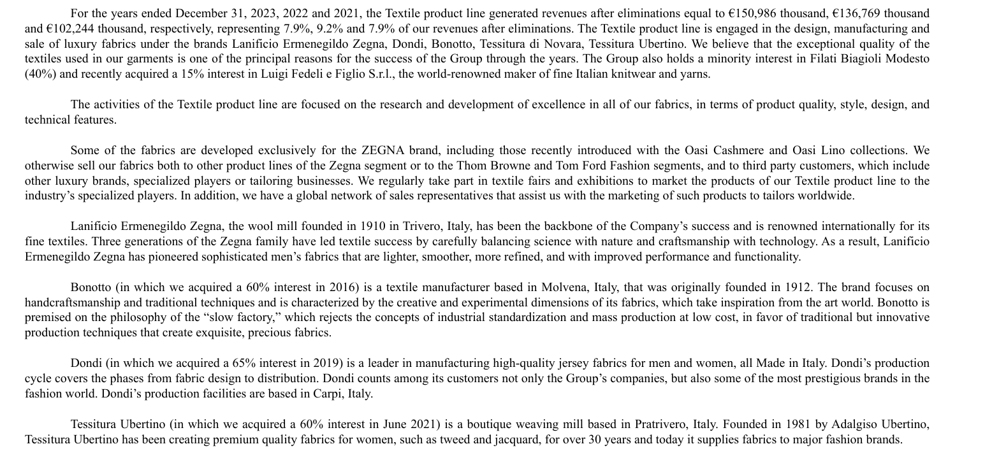
Luxury Textile Platform:
 | Lanificio Zegna |  |  |  |  |  | Fully owned
 | Tessitura Novara |  |  |  |  |  | Fully owned
 | Pettinatura di Verone |  |  |  |  |  | 15.00%
 | Bonotto |  |  |  |  |  | 60.00%
 | Cappellificio Cervo |  |  |  |  |  | 51.00%
 | Dondo |  |  |  |  |  | 65.00%
 | Tessitura Ubertino |  |  |  |  |  | 60.00%
 | Filati Biagioli Modesto |  |  |  |  |  | 40.00%
 | Luigi Fedeli e Figlio |  |  |  |  |  | 15.00%

