CV
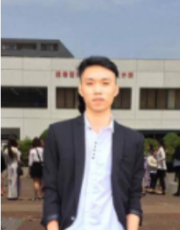
 | CURRICULUM VITAE
PERSONAL DETAIL
Name | Ngo Thach Anh
Nationality | Vietnamese
DOB | 11/02/1994
Sex | Male
Seniority | 2 years

ABOUT
+ 2 year of experience in Operation System + Know how to use SQL in query + Perform update an environment staging, support dev collect log. + Handle security-related situations + Log bug and job management on Redmine.

EDUCATIONAL BACKGROUND
Now |  | Nam Dinh Industrial College - Nicol Major: Electronics and Communication Industry

LANGUAGE
Vietnamese |  | Native
Japanese |  | Base
English |  | Base

TECHNICAL SKILL
Domain |  | Monitoring, Operation System

Tool |  | Redmine, Grafana, IntelliJ, Visual Studio Code, Github, Gitlab, Figma...
OS |  | Windows, Linux
Database |  | My SQL, Oracle

EXPERIENCE
FCCL (9/2023 - now)
Customer |  | Japanese Customer
Description |  | Monitoring system for Japanese Customer
Team Size |  | 10
My Position |  | Operation Monitoring
My Responsibilites |  | - Write document and guiline task. - Monitoring the fluency of the system - Doing daily task & task that required the correct date to execute - Log ticket on Redmine when problems occurs - Daily report
Technologies Used |  | - Redmine, MS Office, MS SQL

VTI (12/2022 ~ 8/2023)
Customer |  | VTI
Description |  | - Support development team to deploy applications on Unix/Linux systems - Monitor and troubleshoot financial system incidents according to the checklist. - Contact lead when encountering problems and respond to requests from customers - Perform tasks according to weekly, monthly, and yearly plans (Data backup, server maintenance)
Team Size |  | 9
My Position |  | Operation Monitoring
Technologies Used |  | - SQL Server, AWS, CentOS - Redmine

Hotel Cocktail Stay Naha (12/2021 ~ 11/2022)
Customer |  | Japanese Customer
Description |  | - Operate and monitor the monitoring system - Respond to customer requests and provide customer assistance if requested by the customer - On-call system 24/7
Team Size |  | 4
My Position |  | Helpdesk
Technologies Used |  | WAF, DDOS, SOAR, SIEM, EDR

I declare that the above information is accurate.

