CV
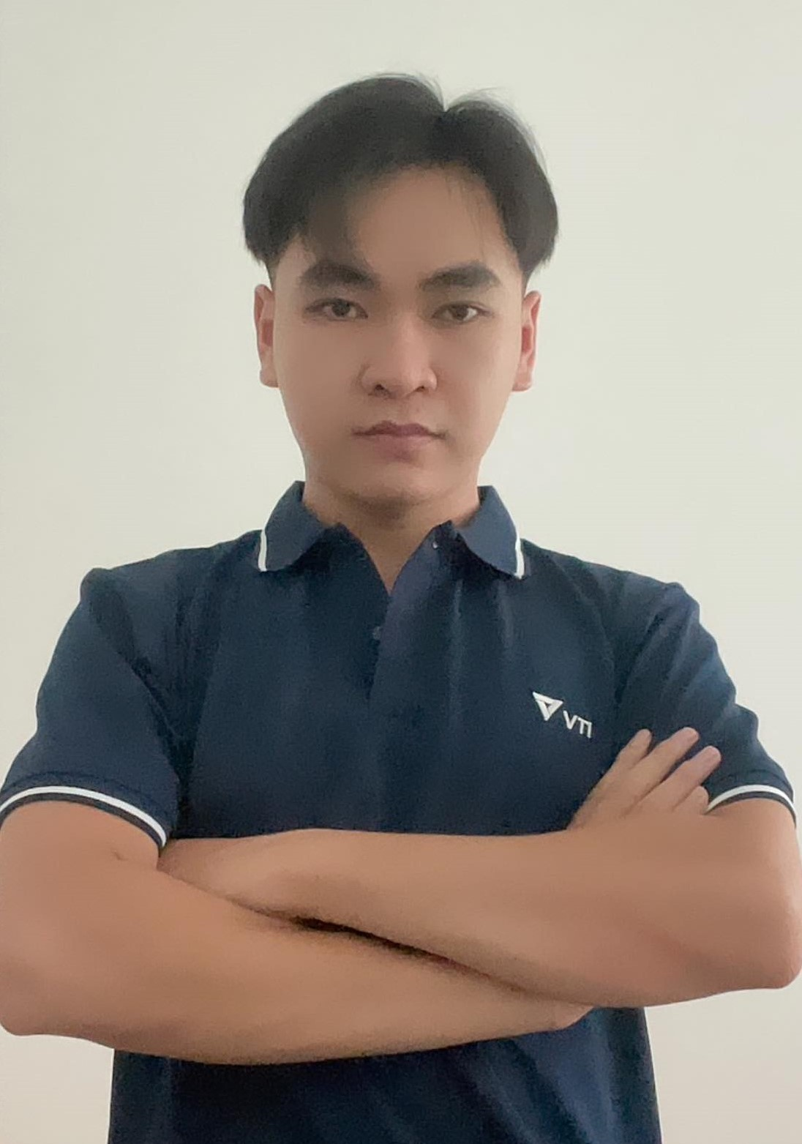
CURRICULUM VITAE
PERSONAL DETAIL
Name | Hoang Dang Khoa
National | Vietnam
DOB | 8/July/1997
Sex | Male
Seniority | 5 years

PROFESSIONAL SUMMARY
- Seasoned Database Administrator offering 3+ years of expertise in maintaining, migrating, and implementing enterprise-level database systems. - 5 years of experience in the software industry. - 4 years in Cloud Computing and Devops. - Proficient in optimizing, upgrading, and automating database systems to ensure high availability (HA) and disaster recovery (DR). - Extensive knowledge of AWS services, enabling the recommendation and implementation of optimal tools based on project and business requirements. - Proficiency in containerization technologies such as Docker and Kubernetes for scalable and efficient deployment of applications. - Expertise in continuous integration and continuous deployment (CI/CD) pipelines, utilizing tools like GitLab CI or Jenkins for automated build, test, and deployment processes. - Strong understanding of infrastructure as code (IaC) principles with tools like Terraform or CloudFormation to provision and manage cloud resources. - Skilled in crafting compelling proposals that meet the unique business needs of clients and facilitate effective communication between stakeholders.

EDUCATIONAL BACKGROUND
2017 ~ 2021 |  | Ha Noi vocational college of technology

TECHNICAL SKILL
Program Languages |  | PHP, Python
Program Tools |  | Visual Studio Code
Frameworks |  | Laravel, Django
Database |  | PostgreSQL, Redis, MySQL
Cloud |  | Docker, Kubernetes, Helm Chart, AWS Services: EKS, EC2, S3, ALB, RDS, CloudFront .., Gitlab CI/CD, Ansible, Terraform
Application Server/Middleware |  | Nginx, RabbitMQ, Microservice, Linux OS
Source Management Tool |  | Gitlab
Version Control Systems |  | Git

CERIFICATION
04/2024 - 04/2027 |  | AWS Certified Solutions Architect – Associate

LANGUAGE
English |  | Immediately

EXPERIENCE
APC Devops (11/2023 ~ 05/2024)
Customer |  | Singapore customer
Description |  | Migrate applications from on-premises to the AWS cloud
Team Size |  | 11
My Position |  | Cloud engineer
My Responsibilites |  | - Consulting on cost-saving solutions on AWS - Create infrastructure resources on AWS - Support developers to fix errors during deployment as well as system-related issues. - Use ansible to automate the process of building, testing, and deploying software applications. - Conduct security assessments, scan vulnerabilities and perform performance testing.
Technologies Used |  | AWS, Ansible, Bash script.

SYMPHONY (03/2023 ~ 11/2023)
Customer |  | Singapore customer
Description |  | Blockchain trading brokerage platform
Team Size |  | 6
My Position |  | DevOps engineer
My Responsibilites |  | - Working with NodeJS - Creating infrastructure resources on AWS - Configuring CI/CD for project services - Assisting developers with errors during deployment as well as system-related issues. - Deploying and managing infrastructure resources on cloud platforms tools like Terraform or CloudFormation. - Implementing and maintaining CI/CD pipelines to automate the build, test, and deployment processes for software applications. - Conducting security assessments, vulnerability scanning, and implementing security controls. - Responding to and resolving production incidents, identifying root causes, and implementing preventive measures
Technologies Used |  | AWS, NodeJs, PostgreSQL, Redis, Kubernetes, Gitlab CICD.

Vinhuni (01/2022 ~ 02/2023)
Customer |  | Vietnam customer
Description |  | Managing university's services, assets and resources
Team Size |  | 11
My Position |  | DevOps engineer
My Responsibilites |  | - Configuring CI/CD for project services - Assisting developers with errors during deployment as well as system-related issues. - Implementing and maintaining CI/CD pipelines to automate the build, test, and deployment processes for software applications. - Manage server cluster configuration with ansible. - Conducting security assessments, vulnerability scanning, and implementing security controls. - Monitoring and logging along with prometheus, ELK-stack. - Responding to and resolving production incidents, identifying root causes, and implementing preventive measures
Technologies Used |  | .NET, Angular, MS SQL server, Docker, Traefik, Linux.

I declare that the above information is accurate.

