Sheet1
PROJECT TITLE | 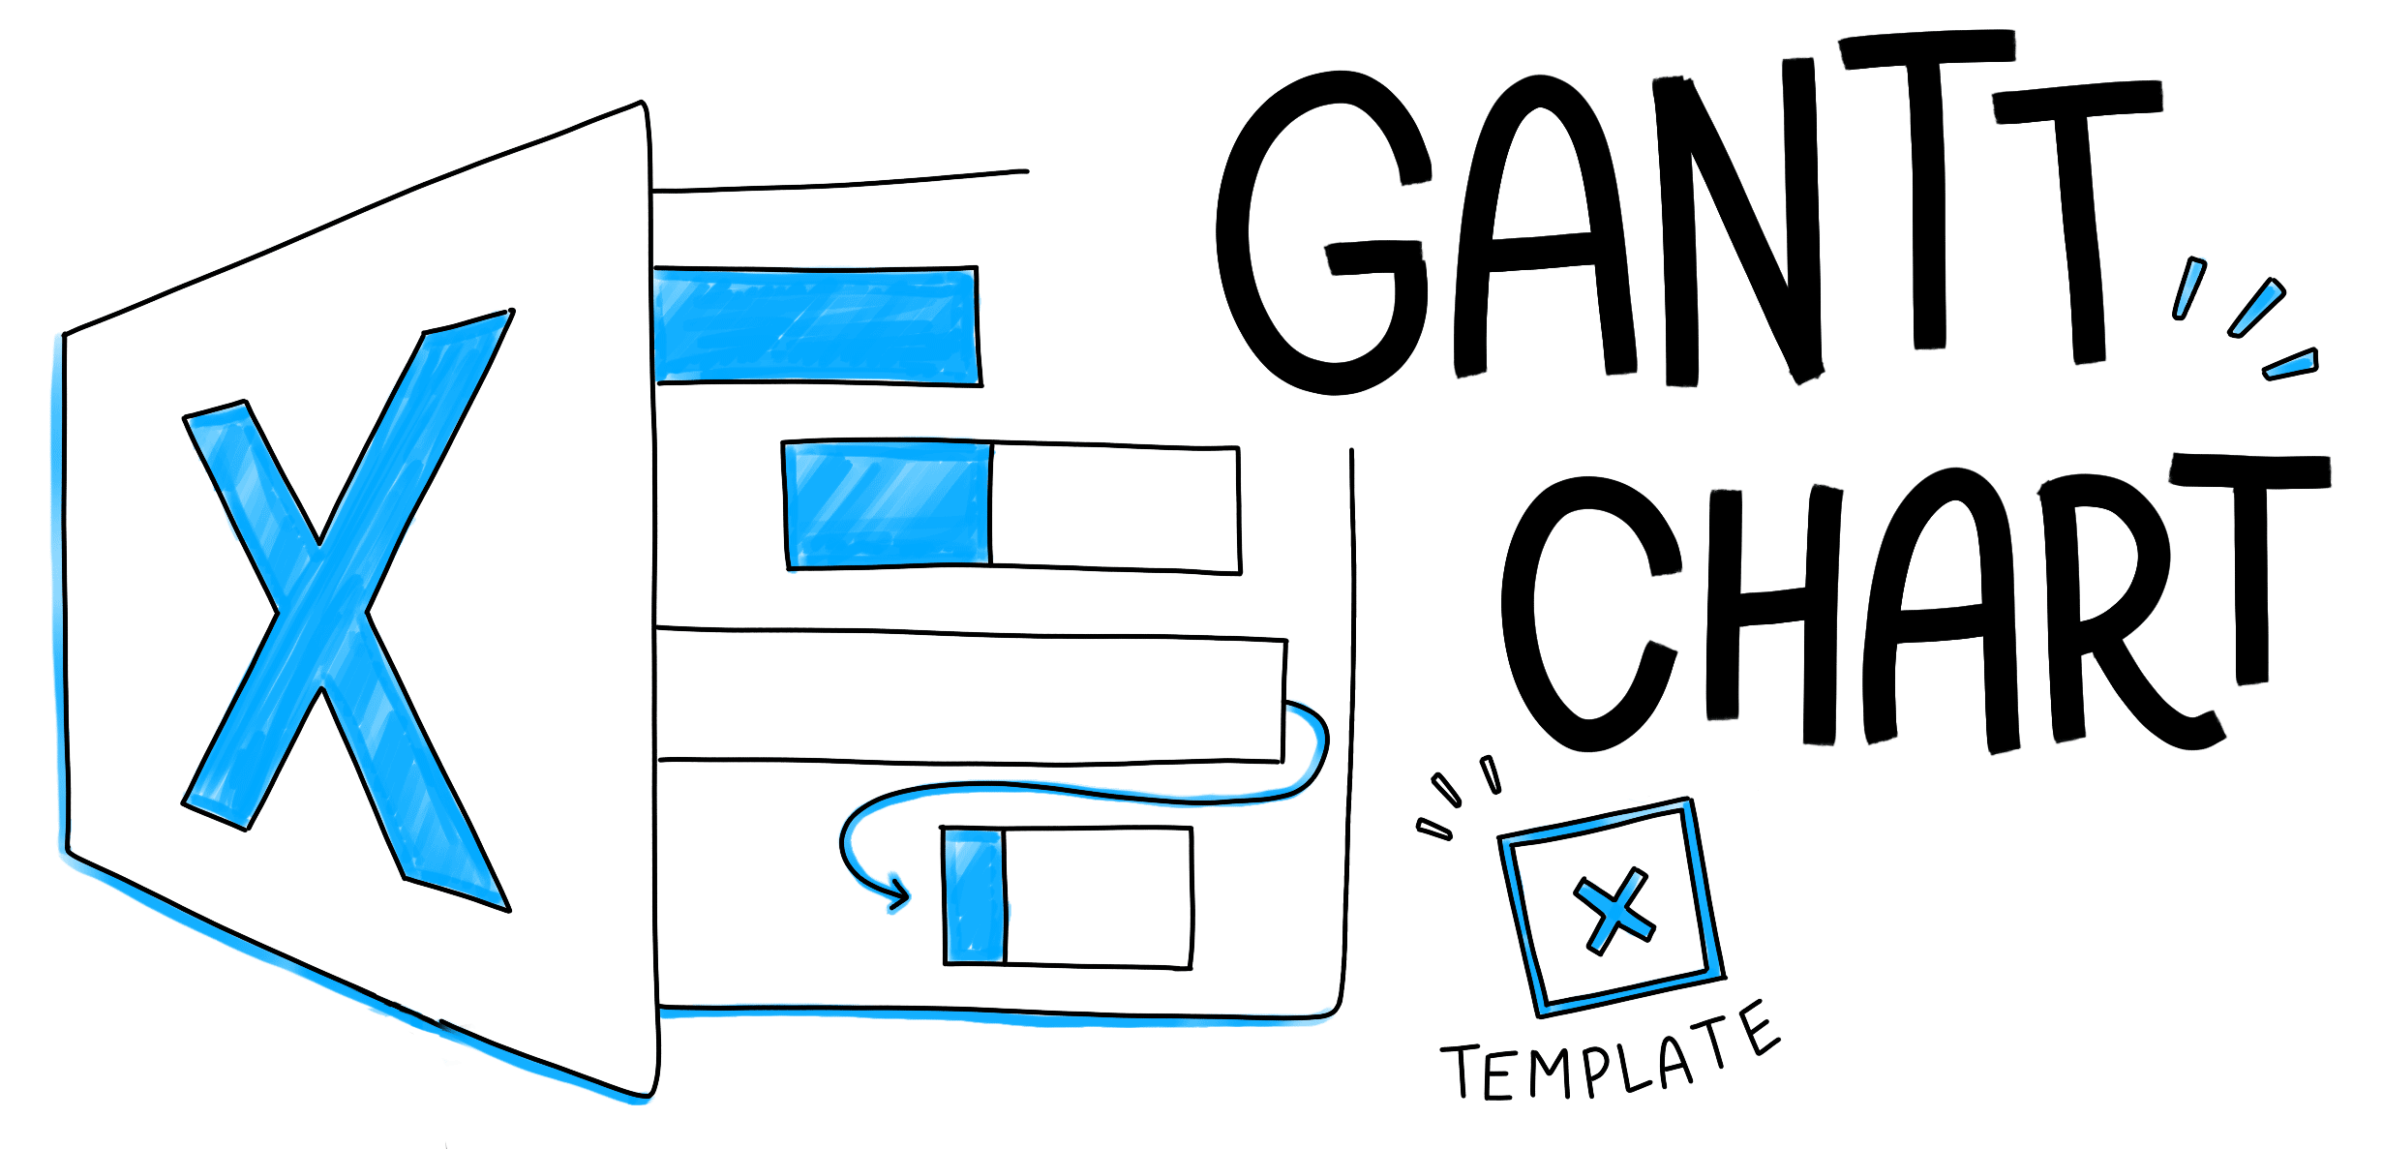
Company Name
Project Lead
Sample Project Gantt Chart
TASK NAME | ASSIGNED TO | START DATE | DUE DATE | DURATION | % DONE | DESCRIPTION | PRIORITY | SPRINT/MILESTONE
Collect materials relating to research’s question and objectives |  | 2020-09-10 | 2020-09-17 | 7 |  |  |  | Phase 1
Complete research proposal |  | 2020-09-17 | 2020-09-22 | 5 |  |  |  | Phase 1
Get feedback from the Tutor about the research proposal |  | 2020-09-23 | 2020-09-25 | 2 |  |  |  | Phase 1
Produce project plan |  | 2020-09-26 | 2020-10-05 | 9 |  |  |  | Phase 1
prepare and survey |  | 2020-10-05 | 2020-10-14 | 9 |  |  |  | Phase 1
prepare and interview |  | 2020-10-15 | 2020-10-22 | 7 |  |  |  | Phase 2
primary research |  | 2020-10-23 | 2020-10-30 | 7 |  |  |  | Phase 2
clarify the questions might arise after the literature review) |  | 2020-10-31 | 2020-11-05 | 5 |  |  |  | Phase 2
Get feedback from the Tutor about the result of survey and interview |  | 2020-11-06 | 2020-11-13 | 7 |  |  |  | Phase 2
Get feedback from the Tutor about the result of primary research |  | 2020-11-14 | 2020-11-20 | 6 |  |  |  | Phase 2
Conducting the primary research |  | 2020-11-20 | 2020-11-25 | 5 |  |  |  | Phase 3
Represent the findings in primary research and get feedback from tutor |  | 2020-11-26 | 2020-12-03 | 7 |  |  |  | Phase 3
 |  | 2020-12-04 | 2020-12-09 | 5 |  |  |  | Phase 3
Submit assignment 1 |  | 2020-12-14 | 2020-12-16 | 2 |  |  |  | Phase 3
Writing Assignment 2 which contain LO3, LO4 |  | 2020-12-17 | 2020-12-25 | 8 |  |  |  | Phase 4
Presentation. |  | 2020-12-25 | 2020-12-29 | 4 |  |  |  | Phase 4
Submit assignment 2 |  | 2020-12-29 | 2020-12-31 | 2 |  |  |  | Phase 4

