DBM_INFD_SECTIONLOG
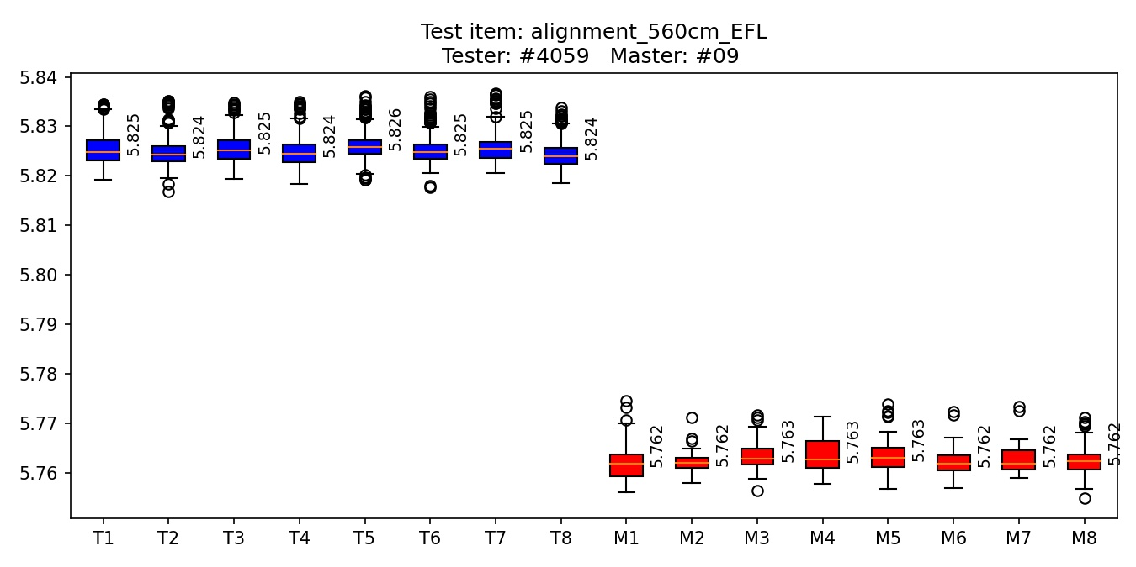
Socket | 1 | 2 | 3 | 4 | 5 | 6 | 7 | 8
Median tester | 5.8248 | 5.8243 | 5.8252 | 5.8244 | 5.8257 | 5.8247 | 5.8254 | 5.8239
Median master | 5.7619 | 5.762 | 5.7629 | 5.7627 | 5.763 | 5.7618 | 5.7619 | 5.7624
Delta | -0.0629 | -0.0623 | -0.0623 | -0.0617 | -0.0627 | -0.063 | -0.0635 | -0.0615
delta = master_value - tester_value

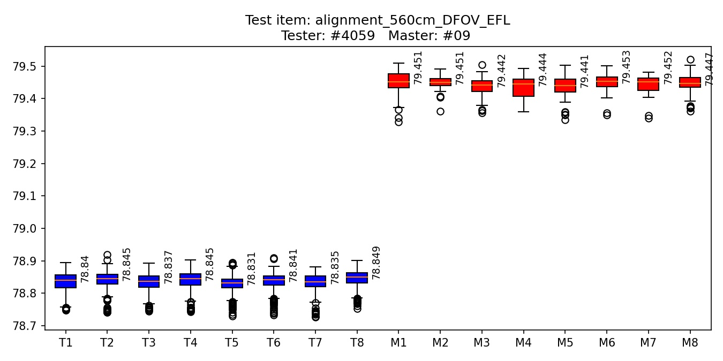
Socket | 1 | 2 | 3 | 4 | 5 | 6 | 7 | 8
Median tester | 78.8404 | 78.845 | 78.8369 | 78.8445 | 78.8314 | 78.8412 | 78.8345 | 78.8491
Median master | 79.4515 | 79.4505 | 79.4419 | 79.4441 | 79.4406 | 79.4528 | 79.4517 | 79.4467
Delta | 0.6111 | 0.6056 | 0.605 | 0.5996 | 0.6092 | 0.6116 | 0.6172 | 0.5976
delta = master_value - tester_value

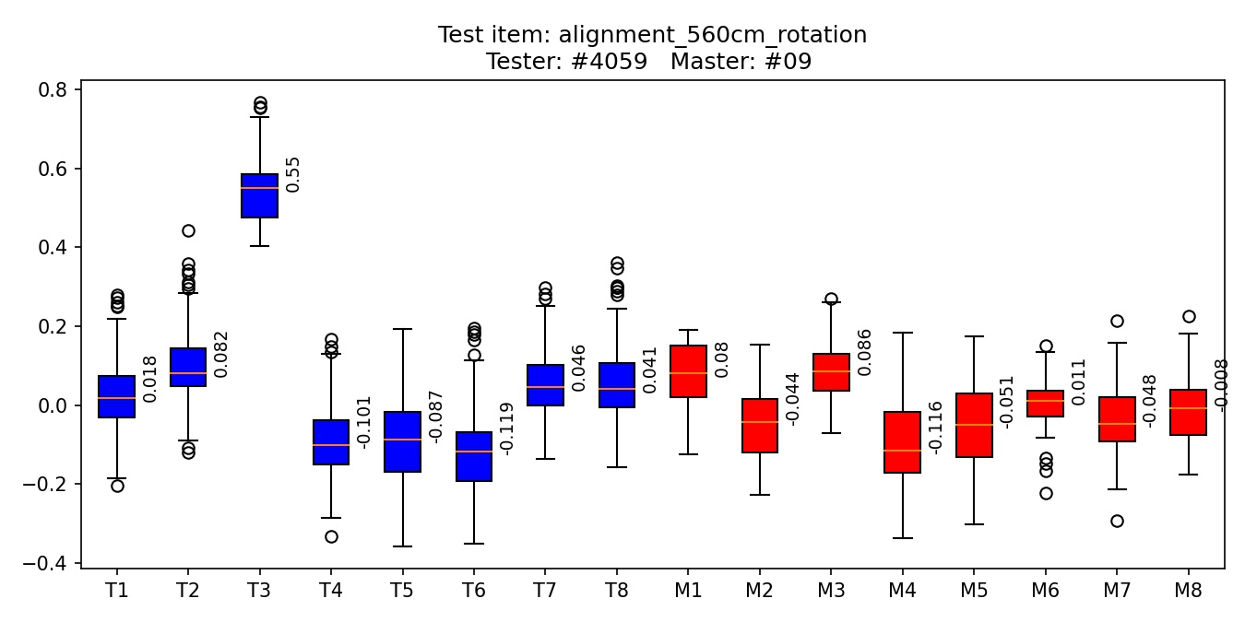
Socket | 1 | 2 | 3 | 4 | 5 | 6 | 7 | 8
Median tester | 0.0182 | 0.0817 | 0.5497 | -0.1015 | -0.0868 | -0.1185 | 0.0461 | 0.0411
Median master | 0.0801 | -0.0438 | 0.0858 | -0.1161 | -0.0506 | 0.011 | -0.0483 | -0.0085
Delta | 0.0619 | -0.1255 | -0.464 | -0.0147 | 0.0362 | 0.1296 | -0.0944 | -0.0496
delta = master_value - tester_value

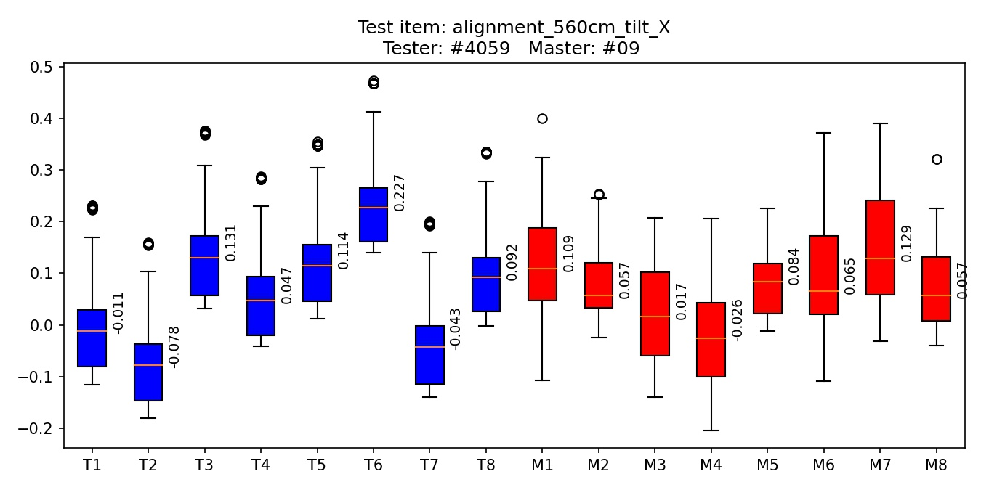
Socket | 1 | 2 | 3 | 4 | 5 | 6 | 7 | 8
Median tester | -0.0112 | -0.0775 | 0.1306 | 0.0465 | 0.1144 | 0.227 | -0.0427 | 0.0917
Median master | 0.1095 | 0.0566 | 0.0169 | -0.0261 | 0.0836 | 0.0649 | 0.1288 | 0.0566
Delta | 0.1207 | 0.1342 | -0.1137 | -0.0726 | -0.0308 | -0.1621 | 0.1714 | -0.035
delta = master_value - tester_value

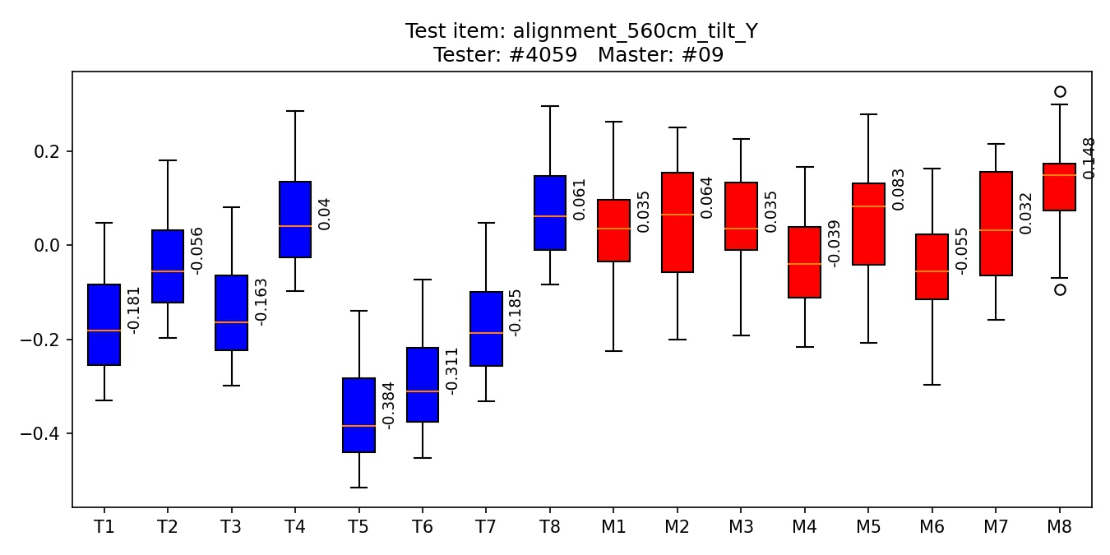
Socket | 1 | 2 | 3 | 4 | 5 | 6 | 7 | 8
Median tester | -0.1806 | -0.056 | -0.1631 | 0.0404 | -0.3841 | -0.3108 | -0.1855 | 0.0609
Median master | 0.0348 | 0.0644 | 0.0348 | -0.0387 | 0.0835 | -0.0552 | 0.0323 | 0.1485
Delta | 0.2155 | 0.1204 | 0.198 | -0.0791 | 0.4676 | 0.2555 | 0.2177 | 0.0876
delta = master_value - tester_value

AIchartMacroUpCircularAlignment
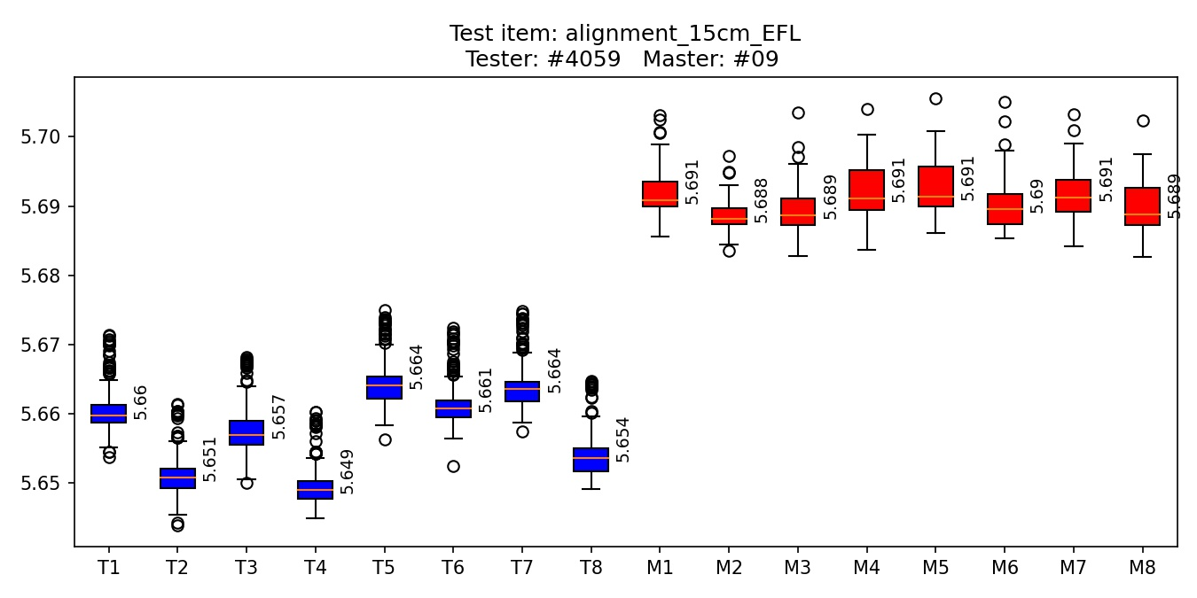
Socket | 1 | 2 | 3 | 4 | 5 | 6 | 7 | 8
Median tester | 5.6597 | 5.6508 | 5.657 | 5.649 | 5.6641 | 5.6607 | 5.6635 | 5.6536
Median master | 5.6908 | 5.6881 | 5.6887 | 5.6911 | 5.6914 | 5.6896 | 5.6912 | 5.6888
Delta | 0.0311 | 0.0373 | 0.0317 | 0.0421 | 0.0272 | 0.0289 | 0.0276 | 0.0353
delta = master_value - tester_value

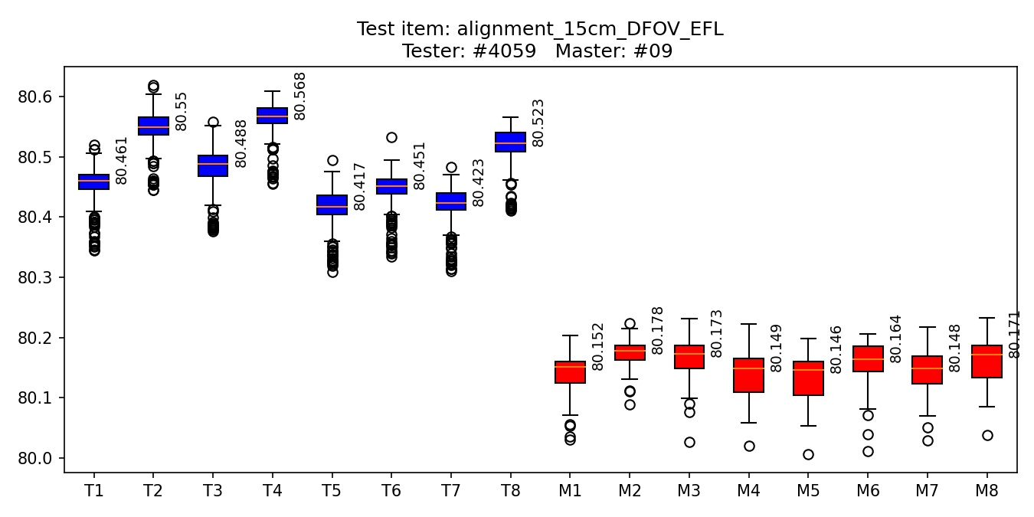
Socket | 1 | 2 | 3 | 4 | 5 | 6 | 7 | 8
Median tester | 80.4608 | 80.5498 | 80.4883 | 80.5678 | 80.4172 | 80.451 | 80.4228 | 80.5225
Median master | 80.1516 | 80.1783 | 80.1727 | 80.1488 | 80.1461 | 80.1637 | 80.1482 | 80.1714
Delta | -0.3092 | -0.3715 | -0.3156 | -0.419 | -0.271 | -0.2873 | -0.2746 | -0.3511
delta = master_value - tester_value

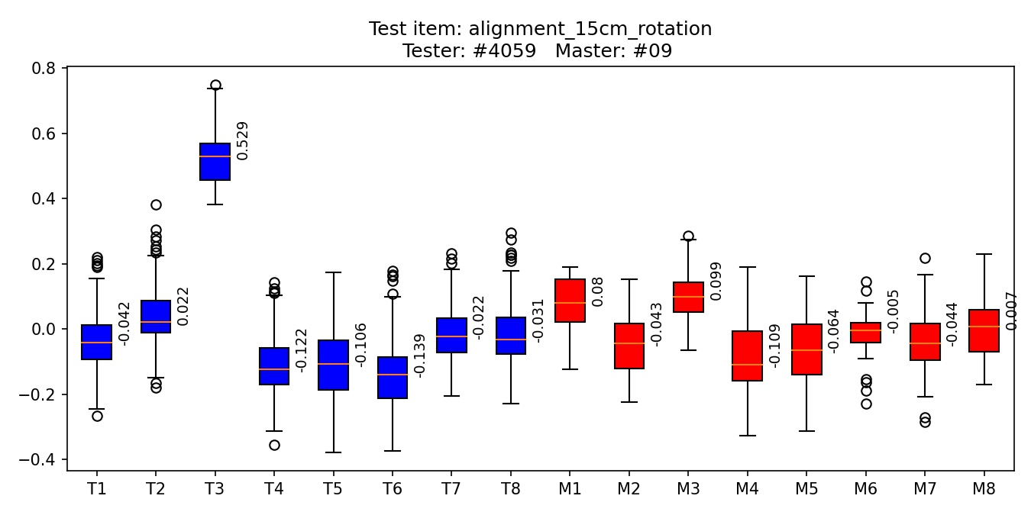
Socket | 1 | 2 | 3 | 4 | 5 | 6 | 7 | 8
Median tester | -0.0423 | 0.0219 | 0.5289 | -0.1224 | -0.106 | -0.1387 | -0.022 | -0.0312
Median master | 0.0796 | -0.0429 | 0.0991 | -0.1093 | -0.0639 | -0.0051 | -0.044 | 0.0071
Delta | 0.1219 | -0.0648 | -0.4299 | 0.0131 | 0.0421 | 0.1336 | -0.022 | 0.0383
delta = master_value - tester_value

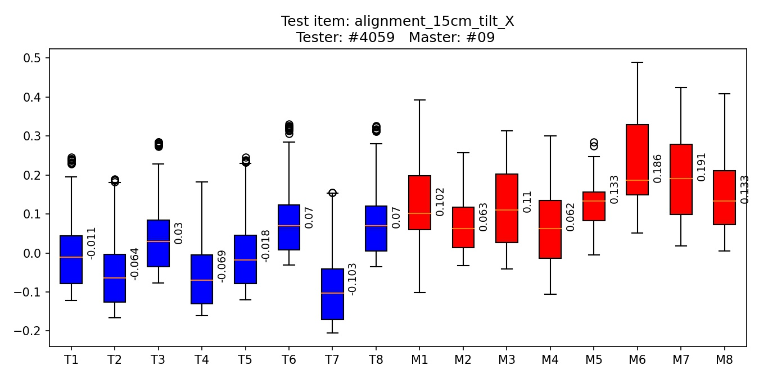
Socket | 1 | 2 | 3 | 4 | 5 | 6 | 7 | 8
Median tester | -0.0113 | -0.0642 | 0.0303 | -0.0693 | -0.0185 | 0.0698 | -0.1035 | 0.0703
Median master | 0.1019 | 0.0626 | 0.11 | 0.0622 | 0.1334 | 0.186 | 0.1909 | 0.1329
Delta | 0.1133 | 0.1267 | 0.0797 | 0.1315 | 0.1518 | 0.1162 | 0.2943 | 0.0626
delta = master_value - tester_value

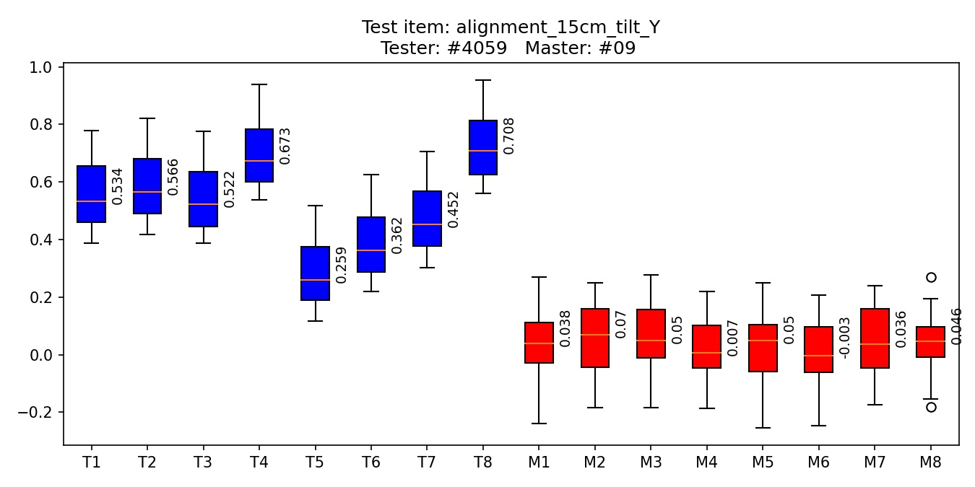
Socket | 1 | 2 | 3 | 4 | 5 | 6 | 7 | 8
Median tester | 0.5342 | 0.5656 | 0.5225 | 0.6735 | 0.2588 | 0.3621 | 0.4517 | 0.7083
Median master | 0.0383 | 0.07 | 0.0504 | 0.0065 | 0.0504 | -0.0032 | 0.0355 | 0.0457
Delta | -0.4959 | -0.4955 | -0.4721 | -0.667 | -0.2085 | -0.3653 | -0.4162 | -0.6626
delta = master_value - tester_value

DBM_COLLIMATOR_SECTIONLOG
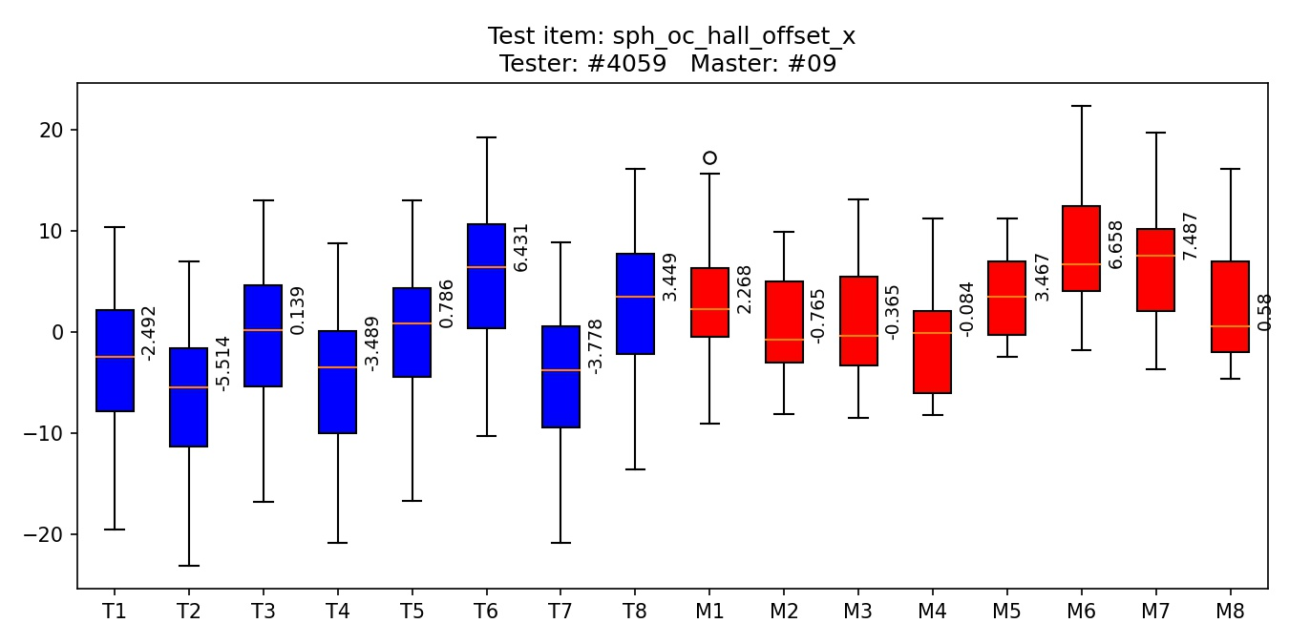
Socket | 1 | 2 | 3 | 4 | 5 | 6 | 7 | 8
Median tester | -2.4916 | -5.5136 | 0.1387 | -3.4889 | 0.7861 | 6.431 | -3.7781 | 3.4495
Median master | 2.2675 | -0.7653 | -0.3654 | -0.0839 | 3.4673 | 6.6582 | 7.4873 | 0.5798
Delta | 4.7591 | 4.7483 | -0.5041 | 3.405 | 2.6812 | 0.2272 | 11.2654 | -2.8696
delta = master_value - tester_value

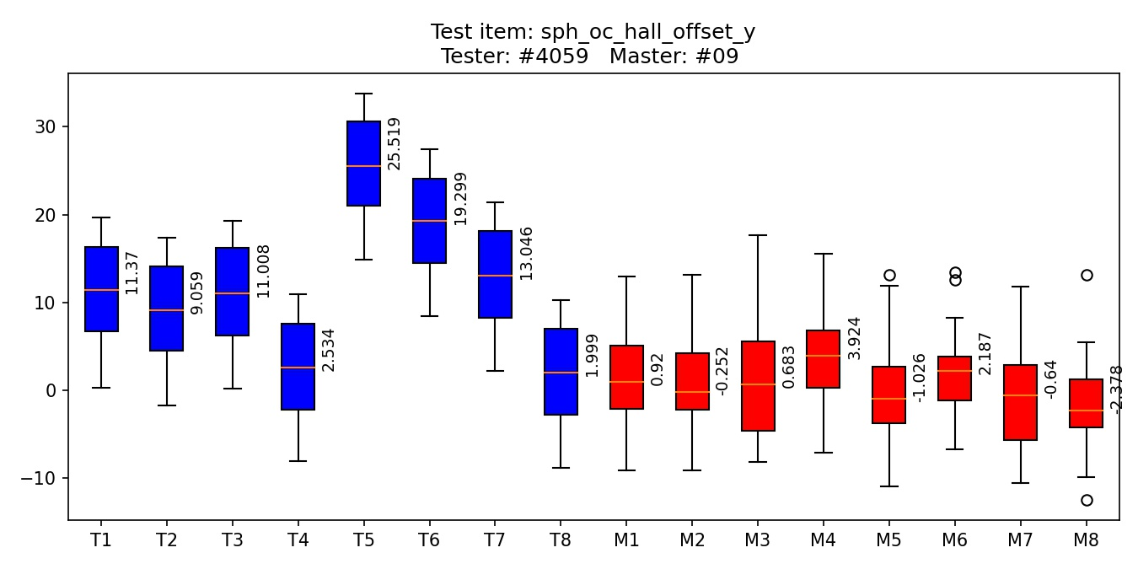
Socket | 1 | 2 | 3 | 4 | 5 | 6 | 7 | 8
Median tester | 11.3696 | 9.0587 | 11.008 | 2.5342 | 25.5186 | 19.2987 | 13.046 | 1.9991
Median master | 0.9197 | -0.2515 | 0.6828 | 3.924 | -1.0264 | 2.1873 | -0.6404 | -2.3776
Delta | -10.4499 | -9.3102 | -10.3252 | 1.3898 | -26.545 | -17.1114 | -13.6863 | -4.3768
delta = master_value - tester_value

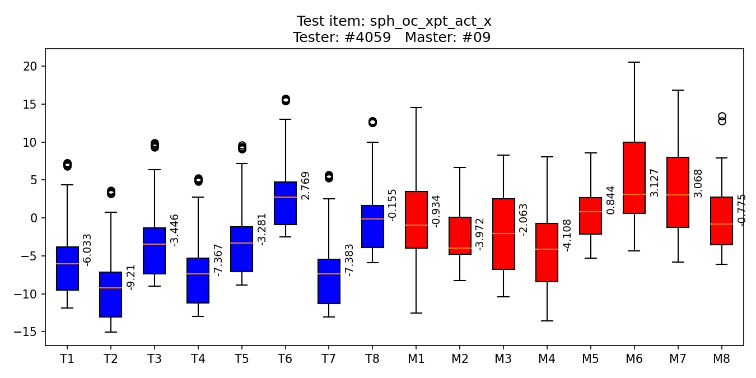
Socket | 1 | 2 | 3 | 4 | 5 | 6 | 7 | 8
Median tester | -6.0327 | -9.2104 | -3.4458 | -7.3672 | -3.281 | 2.7692 | -7.3829 | -0.1549
Median master | -0.9336 | -3.9715 | -2.0627 | -4.1083 | 0.8436 | 3.1267 | 3.0681 | -0.7747
Delta | 5.0991 | 5.2388 | 1.3831 | 3.259 | 4.1246 | 0.3574 | 10.451 | -0.6198
delta = master_value - tester_value

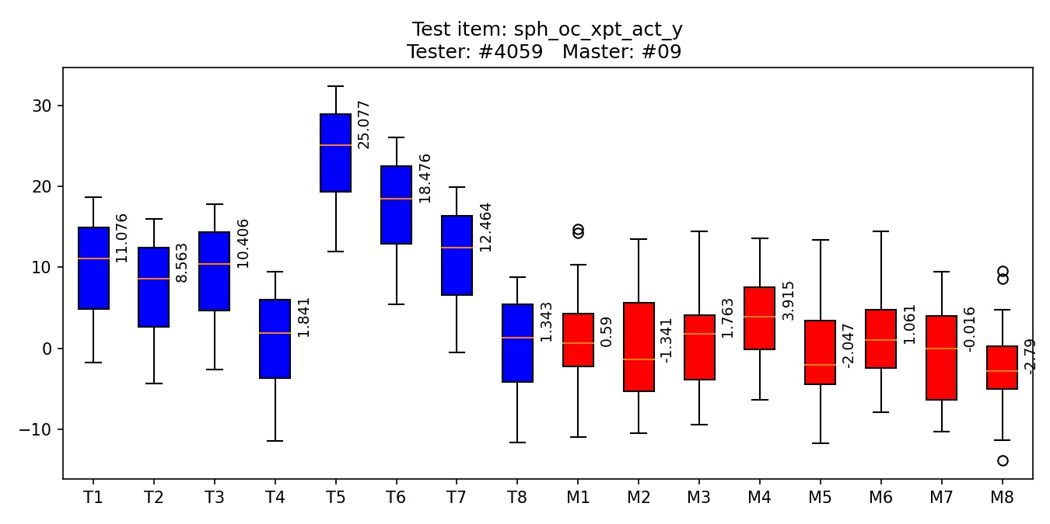
Socket | 1 | 2 | 3 | 4 | 5 | 6 | 7 | 8
Median tester | 11.0756 | 8.5632 | 10.4065 | 1.8406 | 25.0773 | 18.4758 | 12.4642 | 1.3427
Median master | 0.5899 | -1.3412 | 1.7627 | 3.9154 | -2.047 | 1.0609 | -0.0159 | -2.7899
Delta | -10.4857 | -9.9044 | -8.6438 | 2.0748 | -27.1242 | -17.4148 | -12.4801 | -4.1326
delta = master_value - tester_value

DBM_D50_SECTIONLOG
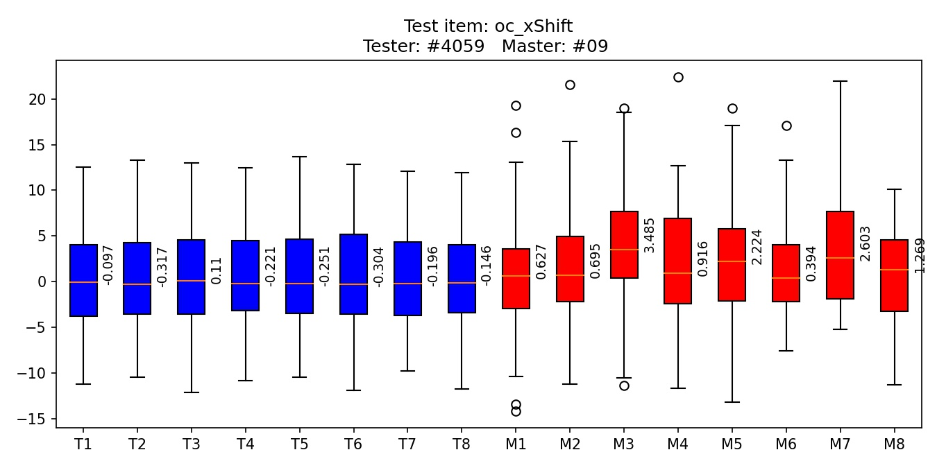
Socket | 1 | 2 | 3 | 4 | 5 | 6 | 7 | 8
Median tester | -0.0968 | -0.3173 | 0.1105 | -0.2209 | -0.2507 | -0.304 | -0.1956 | -0.1456
Median master | 0.6272 | 0.6953 | 3.4847 | 0.916 | 2.2239 | 0.3943 | 2.6033 | 1.2689
Delta | 0.724 | 1.0126 | 3.3743 | 1.1369 | 2.4745 | 0.6984 | 2.7989 | 1.4145
delta = master_value - tester_value

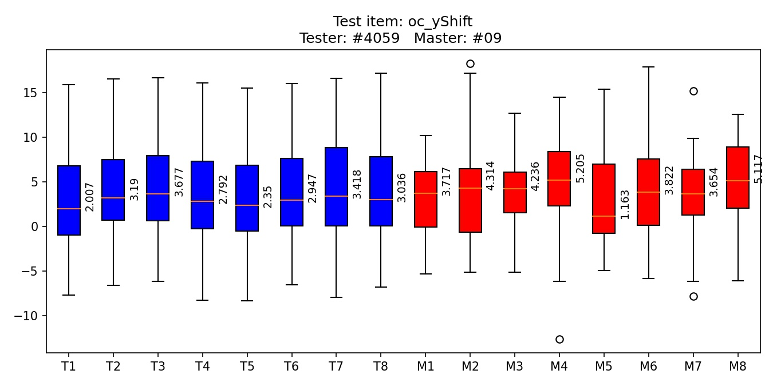
Socket | 1 | 2 | 3 | 4 | 5 | 6 | 7 | 8
Median tester | 2.0069 | 3.1899 | 3.677 | 2.7921 | 2.3502 | 2.9466 | 3.418 | 3.0363
Median master | 3.7169 | 4.3138 | 4.236 | 5.205 | 1.1633 | 3.8223 | 3.6539 | 5.1166
Delta | 1.71 | 1.1239 | 0.559 | 2.4128 | -1.1869 | 0.8757 | 0.2358 | 2.0802
delta = master_value - tester_value

