Help
1. For consistent update/maintain among these sheets (signal source update), I added formular to copy all project info columns of 1st sheet to remaining sheets. | Project Status
i> For new project, please don’t insert in middle, only add new line. | Not-Started
ii> If we have new project, it Must add with project ID & info in the “BL1_FromSW_PCM” first. | In-Progress
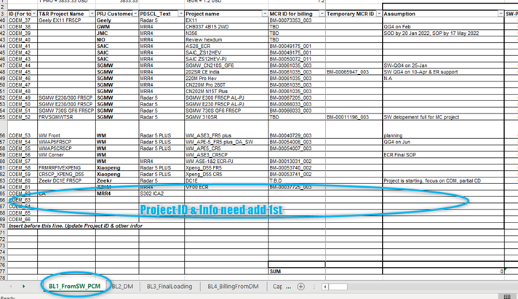
 | Closed
 | Acquisition
 | Planned
 | Transferred
 | Cancelled

iii> In another sheets, need copy the last line & change the project ID (column A) match with above step. Other info from column B to H will be copied.
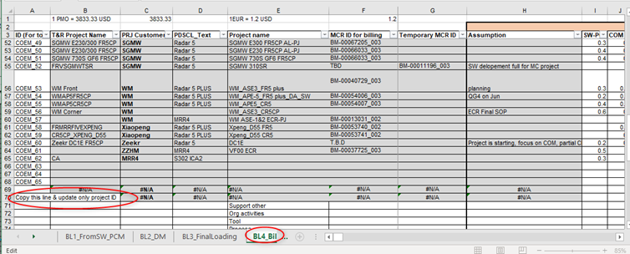

2. BL2_DM sheet. Need update by DMs monthly. Initially, estimation from BL1_FromSW_PCM is auto fill to BL2_DM sheet for whole year estimation.
DMs need overwrite these value when doing monthly estimation

