Main Analysis
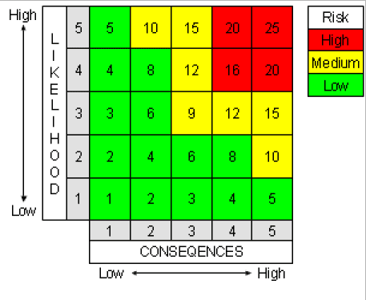
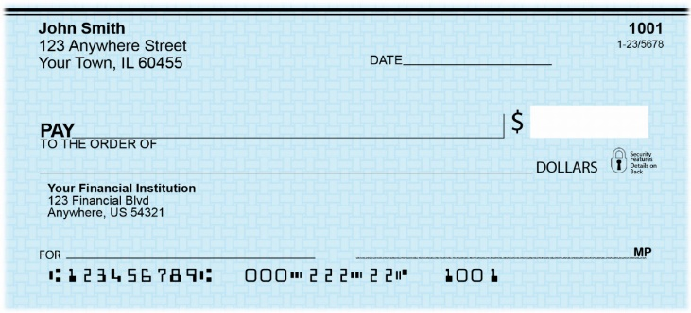
Risk number | Capability | Undesirable event | Risk Description (Briefly describe what may happen if the Undesired event materializes. | Group member name who worked on the risk | Likelihood Score | Conseq Score | Risk Score | Net Score | Justification for the Likelihood score | Justification for the Consequence score | Mitigation (hardware, Hybrid, or software) | 1. Q1- What the system is supposed to do? "Desired Behavior" | 2. Q2- What the system is not supposed to do "Preventative Behavior" | 3. Q3- How the system will respond if there is an undesired condition "Responsive Behavior" | Functional requirements as per Q1 | Preventative requirements as per Q2 | Responsive requirements for Q3
R1 | Checkout & Order Placement | Race condition allows duplicate order submission | If two concurrent requests submit the same checkout session (e.g., the user double-clicks "Place Order", or the browser retries after a slow network response), the system may create two separate order records from a single cart. This causes incorrect inventory deduction and, if payment capture is tied to order creation, a potential duplicate charge to the customer. | Min Hsuan Wu | 3 | 4 | 3x4 | 12 | Rated 3 (Moderate) because double-submission from double-clicks or slow network retries is a common occurrence in web checkout flows, and the current implementation does not yet enforce an idempotency key across the full checkout request path. | Rated 4 (High) because a duplicate order causes incorrect inventory counts and a possible duplicate payment capture, directly affecting customer trust and financial reconciliation. | Software Mitigation. Generate a unique idempotency key per checkout session and require it on the order-creation request. Wrap order creation in a database transaction with a unique constraint on (CartId, IdempotencyKey). Disable the "Place Order" button immediately after the first click until a response is received. This mitigation reduces the likelihood of duplicate orders and lowers the risk from its current score. | The system shall accept exactly one order per completed checkout session, even if the checkout request is submitted more than once. | The system shall not create more than one order record for the same cart/session, and shall not process a second submission while the first is still being processed. | If a duplicate submission is detected, the system shall reject the duplicate request and return the existing order's confirmation instead of creating a new order. | FR-1.1: OrderService shall generate a unique idempotency key for each checkout session. FR-1.2: CheckoutController shall attach the idempotency key to every order-creation request. | FR-1.3: OrderRepository shall enforce a unique database constraint preventing two orders from being created with the same idempotency key. FR-1.4: CheckoutController shall disable resubmission while an order-creation transaction is in progress. | FR-1.5: CheckoutController shall detect a duplicate submission and return the existing order's confirmation page instead of creating a new order. FR-1.6: AuditLogger shall log every detected duplicate-submission attempt with cart ID and timestamp.
R2 | User Session Management | Session expires mid-checkout | If a user's authentication session expires while they are in the middle of checkout (entering shipping or payment details), the in-progress cart state may be lost, or a request may be processed against an invalid session context, causing the transaction to fail. | Min Hsuan Wu | 4 | 3 | 4x3 | 12 | Rated 4 (High) because checkout can take several minutes when a customer compares shipping options or looks up payment information, and the default ASP.NET Core Identity session/cookie timeout is short relative to that. | Rated 3 (Moderate) because the result is a failed transaction and a frustrated customer, but it does not corrupt data or expose a security vulnerability. | Software Mitigation. Persist cart contents to the database keyed by user ID rather than only in the session/cookie, so the cart survives session expiry. Use sliding expiration during active checkout. Prompt re-authentication without discarding the cart. | The system shall preserve the user's cart and checkout progress even if their authentication session expires during checkout. | The system shall not allow an order to be finalized using an expired or invalid authentication session. | If the session expires mid-checkout, the system shall prompt the user to re-authenticate and resume checkout with the cart intact, rather than discarding it. | FR-2.1: CartService shall persist cart contents to the database keyed by user ID, independent of session state. | FR-2.2: CheckoutController shall verify a valid, non-expired authentication token before finalizing any order. FR-2.3: PaymentService shall reject order-finalization requests carrying an expired session token. | FR-2.4: AuthenticationMiddleware shall redirect to re-login while preserving the return URL to the checkout page. FR-2.5: CartService shall restore the persisted cart automatically after successful re-authentication.
R3 | Admin Order Management (Version 2) | Privilege escalation on admin routes | If role-based authorization is not enforced correctly on the upcoming Admin Order Management Dashboard, a non-admin (customer) user could reach admin-only routes and view or modify other customers' orders, including changing order status without authorization. | Min Hsuan Wu | 2 | 5 | 2x5 | 10 | Rated 2 (Low) because ASP.NET Core's role-based [Authorize] attribute is a well-established mechanism, but the risk exists whenever a new controller or route is added and a role check is accidentally omitted or misconfigured. | Rated 5 (Severe) because a successful privilege escalation would expose all customers' order and personal data and allow unauthorized changes to order status — a severe confidentiality and integrity failure. | Software Mitigation. Enforce [Authorize(Roles="Admin")] at the controller level, not just by hiding UI elements client-side. Add automated integration tests asserting HTTP 403 responses for non-admin roles on every admin route. Centralize the authorization policy rather than relying on per-action checks. | The system shall allow only users with the Admin role to access order-management routes and to view or modify any customer's order. | The system shall not allow a non-admin, authenticated customer to reach admin order-management routes, even by direct URL access. | If a non-admin user attempts to access an admin route, the system shall deny the request, return an appropriate error, and log the attempt. | FR-3.1: AdminOrderController shall require the Admin role via [Authorize(Roles="Admin")] on every action. FR-3.2: AdminOrderService shall verify the caller's role server-side before returning or mutating any order. | FR-3.3: AuthorizationMiddleware shall reject any request to an /Admin/* route lacking the Admin role, regardless of client-side navigation state. FR-3.4: Automated integration tests shall assert that all admin routes return HTTP 403 for non-admin roles. | FR-3.5: AdminOrderController shall return HTTP 403 Forbidden for unauthorized access attempts. FR-3.6: AuditLogger shall record the user ID, attempted route, and timestamp for every denied admin-access attempt.
R4 | Order Status Lifecycle (Version 2) | Invalid order status transition | The planned order lifecycle (Pending → Processing → Shipped → Delivered) could be bypassed if the system does not validate transitions server-side, allowing an order to move to an invalid state (e.g., Delivered directly from Pending, or backward from Shipped to Pending), corrupting order history and the customer-facing status. | Min Hsuan Wu | 3 | 3 | 3x3 | 9 | Rated 3 (Moderate) because without an explicit server-side state machine, a direct API call or a UI bug could set an arbitrary status value. | Rated 3 (Moderate) because the result is an inconsistent order record and customer-facing confusion, recoverable via manual admin correction, without exposing sensitive data. | Software Mitigation. Implement a server-side state machine that defines the allowed transitions and rejects any transition outside that set. Route all status changes through a single controlled service method rather than direct field writes. | The system shall allow an order's status to move only along the defined sequence: Pending → Processing → Shipped → Delivered. | The system shall not allow an order status to skip a required stage or move backward in the lifecycle. | If an invalid status transition is requested, the system shall reject the change, leave the order's current status unchanged, and notify the admin of the invalid attempt. | FR-4.1: OrderStatusService shall expose a single UpdateStatus method that is the only path for changing an order's status. FR-4.2: OrderStatusService shall validate the requested transition against a defined allowed-transitions table before applying it. | FR-4.3: OrderStatusService shall reject any transition not present in the allowed-transitions table. FR-4.4: AdminOrderController shall not permit direct writes to the OrderStatus field outside of OrderStatusService. | FR-4.5: AdminOrderController shall return a validation error describing why the transition was rejected. FR-4.6: AuditLogger shall record every rejected status-transition attempt with the attempted from/to states.

