item
item_Number | item_desc | storage_strategy | pick_strategy | item_type | war_lvl | price | weight | length | width | height | lot_flag | serial_flag | image
1402863754296 | IPhone 15 Pro Max | 10 | 1010 | Phones | 3 | 1,199 | 0.586 | 18 | 9.5 | 5 | N | Y | 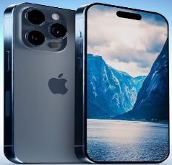
1628437592043 | Samsung Galaxy S24 Ultra | 10 | 1010 | Phones | 3 | 1,299 | 0.823 | 14 | 21 | 5 | N | Y | 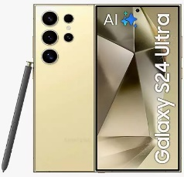
1709285634216 | Google Pixel 8 Pro | 10 | 1010 | Phones | 3 | 999 | 0.741 | 15 | 22 | 5 | N | Y | 
1954876304623 | OnePlus 12 | 10 | 1010 | Phones | 3 | 799 | 1.038 | 16 | 23 | 5 | N | Y | 
2185479360316 | Xiaomi 14 Ultra | 10 | 1010 | Phones | 3 | 999 | 0.654 | 12 | 18 | 5 | N | Y | 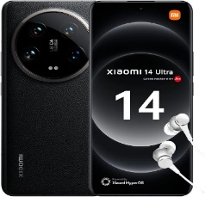
3826547190315 | Oppo Find X7 Ultra | 10 | 1010 | Phones | 3 | 1,099 | 0.527 | 13 | 19 | 5 | N | Y | 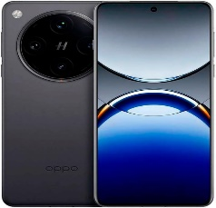
4236508179158 | Vivo X100 Pro | 10 | 1010 | Phones | 3 | 899 | 0.972 | 14 | 21 | 5 | N | Y | 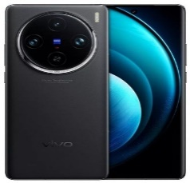
4376128501969 | Asus ROG Phone 8 | 10 | 1010 | Phones | 3 | 999 | 0.49 | 15 | 22 | 5 | N | Y | 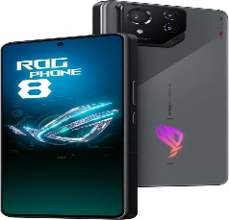
5139678402157 | Sony Xperia 1 V | 10 | 1010 | Phones | 3 | 1,199 | 0.689 | 13.5 | 20 | 5 | N | Y | 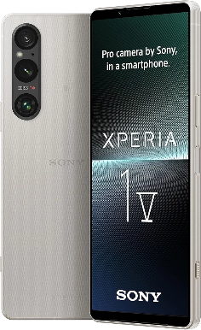
6437085219169 | Motorola Edge+ (2024) | 10 | 1010 | Phones | 3 | 799 | 0.995 | 15 | 23 | 5 | N | Y | 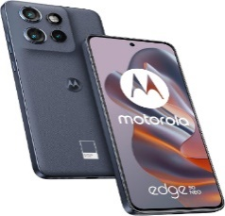
6583921074951 | Iphone13 128GB | 10 | 1010 | Phones | 3 | 599 | 0.775 | 14.5 | 22 | 5 | N | Y | 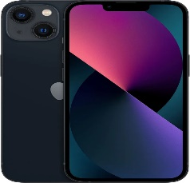
7026814395746 | Samsung Galaxy Book4 Pro Laptop (2024) | 20 | 1020 | Laptops | 3 | 1548 | 0.463 | 15.5 | 24 | 7 | N | Y | 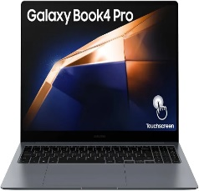
7953140862754 | MSI Stealth AI Studio16 | 20 | 1020 | Laptops | 3 | 1949 | 0.843 | 14 | 21.5 | 7 | N | Y | 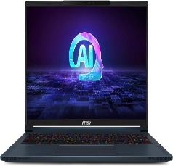
8672051943162 | Razer Blade 16 (2024) | 20 | 1020 | Laptops | 3 | 21.5 | 0.679 | 13.2 | 20.5 | 7 | N | Y | 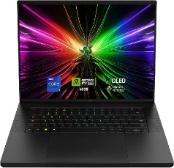
8715246309132 | Microsoft Surface Laptop 5 | 20 | 1020 | Laptops | 3 | 6.99 | 0.552 | 13.8 | 21 | 7 | N | Y | 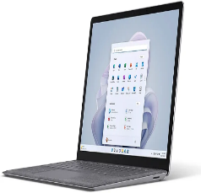
9213854760968 | acer Swift Edge SFE16 | 20 | 1020 | Laptops | 3 | 884 | 0.816 | 14.5 | 22 | 7 | N | Y | 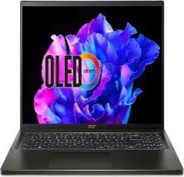
9421863057291 | ASUS ROG Zephyrus G14 OLED | 20 | 1020 | Laptops | 3 | 1699 | 0.945 | 15 | 23 | 7 | N | Y | 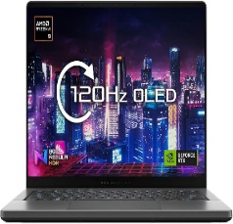
9892822958918 | Apple 2023 MacBook Pro laptop M3 | 20 | 1020 | Laptops | 3 | 1899 | 0.711 | 12.5 | 19 | 7 | N | Y | 
9892822966326 | Lenovo ThinkPad X1 Carbon | 20 | 1020 | Laptops | 3 | 809 | 0.503 | 15.2 | 23.5 | 7 | N | Y | 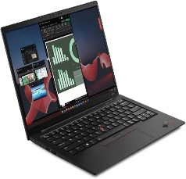
9892822975922 | HP Spectre x360 14inch | 20 | 1020 | Laptops | 3 | 1199 | 0.681 | 13 | 20 | 7 | N | Y | 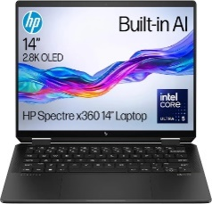
9892822997696 | Dell XPS 15 9530 15.6in | 20 | 1020 | Laptops | 3 | 1249 | 0.948 | 14 | 21.5 | 7 | N | Y | 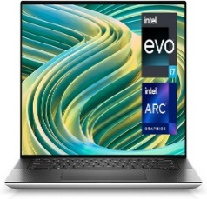
9892837050072 | Amazon Basics 33.8 cm Laptop Sleeve | 70 | 1070 | Cases | 3 | 8.99 | 0.603 | 13.5 | 20.5 | 7 | N | n | 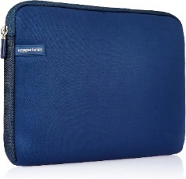
9892837050546 | bagasin 15.6 17.3 14 13.3 inch Laptop bag | 70 | 1070 | Cases | 3 | 7.99 | 1.02 | 15 | 22 | 7 | N | N | 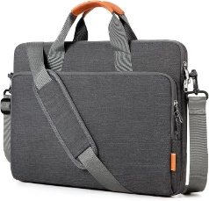
9892837052052 | HSEOK Laptop Sleeve | 70 | 1070 | Cases | 3 | 14.99 | 0.532 | 13 | 19 | 7 | N | N | 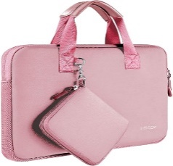
9892837052229 | VSNOON Laptop Backpack for Women | 70 | 1070 | Cases | 3 | 24.99 | 0.459 | 15.5 | 24 | 7 | N | N | 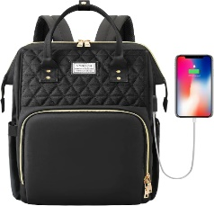
9892837053691 | HotTopStar 100W USB C Laptop Charger | 80 | 1080 | Chargers | 3 | 24.99 | 0.781 | 14 | 21.5 | 3.5 | N | N | 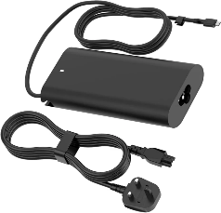
9892837054926 | 90W Universal Laptop Charger UK AC Power Adapter | 80 | 1080 | Chargers | 3 | 15.99 | 1.092 | 13.5 | 20.5 | 3.5 | N | N | 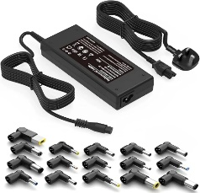
9892837055831 | USB C Charger, 440W USB Charger 8 Port | 80 | 1080 | Chargers | 3 | 45.99 | 0.585 | 15 | 23 | 5 | N | N | 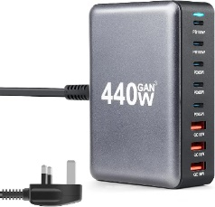
9892837055923 | 140W USB C Charger, Anker Laptop Charger | 80 | 1080 | Chargers | 3 | 89 | 0.896 | 14 | 21 | 5 | N | N | 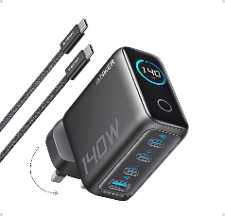
9892837056074 | UGREEN USB C Charger 100W Fast Charger MacBook | 80 | 1080 | Chargers | 3 | 49.99 | 0.68 | 15 | 22 | 5 | N | N | 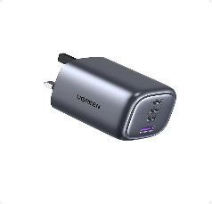
9892837056333 | ORICO 120W Charging Station for Multiple Devices | 80 | 1080 | Chargers | 3 | 62 | 0.743 | 13.8 | 21 | 7 | N | N | 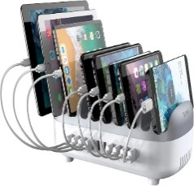
9892837056494 | Newest 56800mAh 65W Power Bank | 50 | 1050 | Batteries | 3 | 36.99 | 0.94 | 14 | 21.5 | 5 | N | N | 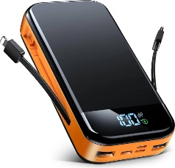
9892837057637 | Charmast Power Bank with Built in Cables X 4 | 50 | 1050 | Batteries | 3 | 17.99 | 0.674 | 13.5 | 20.5 | 5 | N | N | 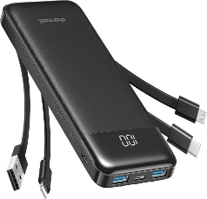
9892837059662 | V7 L-SB10F46465-V7E notebook spare part Battery | 50 | 1050 | Batteries | 3 | 293 | 0.906 | 19.5 | 11 | 4 | Y | N | 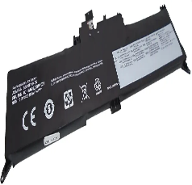
9892837059877 | BTI 01AV483- battery of Laptop | 50 | 1050 | Batteries | 3 | 223 | 0.757 | 19 | 8 | 4 | N | N | 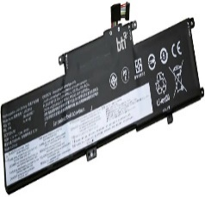
9892865400474 | VEGER Power Bank Fast Charger,10000mAh | 50 | 1050 | Batteries | 3 | 19.99 | 0.624 | 15.5 | 24 | 4 | N | N | 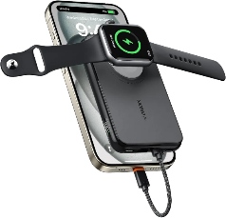
9892865401273 | INIU Portable Charger, Ultra Slim Qi2 | 50 | 1050 | Batteries | 3 | 37.99 | 0.75 | 10.5 | 8 | 4 | N | N | 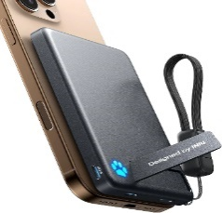
9892865420175 | A ADDTOP Portable Charger Power Bank - 26800mAh | 50 | 1050 | Batteries | 3 | 17.99 | 0.567 | 8.5 | 10.5 | 4 | N | N | 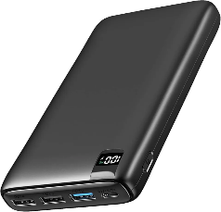
9892865426207 | Portable Charger Power Bank 27000mAh | 50 | 1050 | Batteries | 3 | 22.99 | 0.498 | 10.8 | 8 | 5 | N | N | 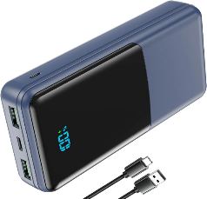
9892865438996 | 56800mAh & 65W Large Battery Pack Power Bank | 50 | 1050 | Batteries | 3 | 29.99 | 0.785 | 14.5 | 8 | 5 | N | N | 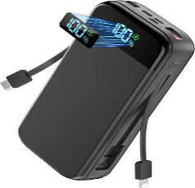
9892865439887 | Canon PIXMA TS3350 Series | 30 | 1030 | Printers | 3 | 48 | 4 | 43 | 32 | 15 | N | Y | 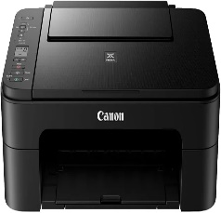
9892865443709 | HP Smart Tank 5105 All in One Printer | 30 | 1030 | Printers | 3 | 145.99 | 3.5 | 50 | 30 | 25 | N | Y | 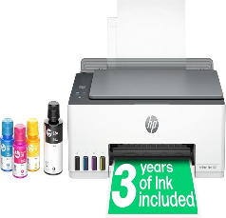
9892865450189 | HP OfficeJet Pro 8132e All-in-One Printer | 30 | 1030 | Printers | 3 | 126.99 | 4.5 | 50 | 40 | 25 | N | Y | 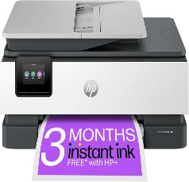
9892865457713 | Phomemo M834 Thermal Printer | 30 | 1030 | Printers | 3 | 99 | 1.5 | 35 | 14 | 10 | N | Y | 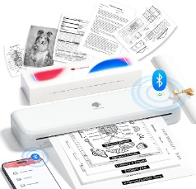
9892865457942 | Phomemo D520BT Shipping Label Printer | 30 | 1030 | Printers | 3 | 95.99 | 0.95 | 15 | 22 | 10 | N | Y | 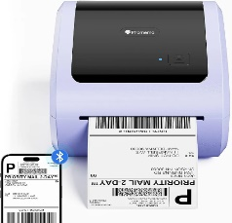
9892865460331 | Phomemo 4X6 Thermal Labels | 30 | 1030 | Printers | 3 | 29 | 0.97 | 7 | 7 | 7 | N | N | 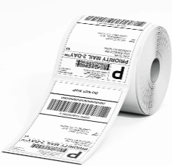
9892865465077 | ANYCUBIC Photon Mono M7 Resin 3D Printer | 30 | 1030 | Printers | 3 | 379 | 2.75 | 50 | 52 | 75 | N | Y | 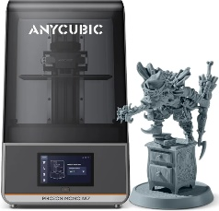
9892865469303 | MEGOFFICE DR243CL Drum Unit | 30 | 1030 | Printers | 3 | 59.99 | 1.139 | 59 | 21 | 15 | y | N | 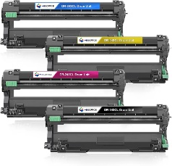
9892865479654 | Brother DCP-J1200W Wireless Colour Inkjet Printer | 30 | 1030 | Printers | 3 | 76 | 4.5 | 55 | 33 | 25 | N | Y | 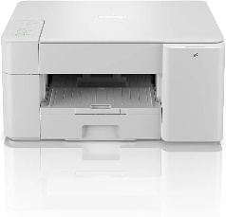
9892865485730 | BROTHER HL-L3220CWE Colour Wireless LED Printer | 30 | 1030 | Printers | 3 | 219.99 | 4.5 | 25 | 26 | 30 | N | Y | 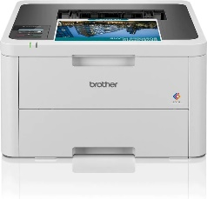
9892865494848 | Brother TN-421C Toner Cartridge, Cyan, Single Pack | 30 | 1030 | Printers | 3 | 99 | 0.862 | 52 | 10 | 13 | y | N | 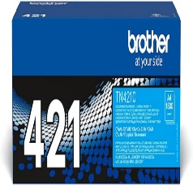
9892865498266 | Brother MFC-L2835DW All-in-one Mono Laser | 30 | 1030 | Printers | 3 | 268.99 | 6.5 | 60 | 45 | 60 | N | Y | 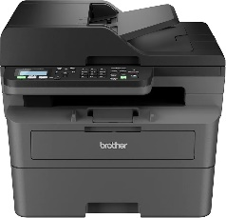
9892879019914 | Amazon Fire HD 10 Kids Pro tablet | 60 | 1060 | Tablets | 3 | 199 | 1.004 | 18 | 21 | 4.5 | N | Y | 
9892879036836 | JJGJ 10 inch Android Tablet | 60 | 1060 | Tablets | 3 | 109 | 1.1 | 15.5 | 14 | 6 | N | Y | 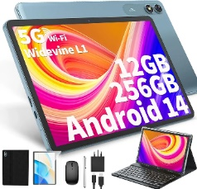
9892879045104 | Whitedeer 10 inch Tablet Android | 60 | 1060 | Tablets | 3 | 90 | 1.2 | 24 | 21.5 | 5.5 | N | Y | 
9892879056384 | Lxuemlu Micro Memory Card 1024GB | 40 | 1040 | Memories | 3 | 38 | 0.1 | 6.5 | 4.5 | 0.5 | N | N | 
9892879056704 | Memory Card 982GB | 40 | 1040 | Memories | 3 | 21.99 | 0.1 | 4.5 | 4 | 0.8 | N | N | 
9892879076108 | Samsung Galaxy Tab A9 Android Tablet, 64GB | 60 | 1060 | Tablets | 3 | 147.99 | 1 | 13.2 | 20.5 | 2.8 | N | Y | 
9892879112974 | XunyLyee 3-Pack, Screen Protector for Samsung glxy | 10 | 1010 | Phones | 3 | 8 | 0.257 | 14 | 12.5 | 2.5 | N | N | 
9892879138011 | Lenovo Tab M11 Android Tablet | 60 | 1060 | Tablets | 3 | 140.99 | 1.2 | 13.8 | 21 | 3.5 | N | Y | 
9892879138714 | Fivahiva Kids Tablet 7 inch Android 12 Tablets | 60 | 1060 | Tablets | 3 | 58.99 | 0.7 | 15 | 23 | 2.5 | N | Y | 
9892879143794 | Fusion5 10 inch Windows 11 Tablet PC | 60 | 1060 | Tablets | 3 | 219 | 0.521 | 14 | 21.5 | 5.5 | N | Y | 

