PipeData
Relative roughness is the ratio of absolute roughness (Δ) to the pipe internal diameter (D)
$$\text{Relative} \text{roughness}=\frac{Δ}{D}$$
On the Moody chart, relative roughness determines the friction factor λ (or f) in the fully rough regime, and influences the transition region.
From Idelchik’s perspective: A pipe is considered:
Hydraulically smooth if the viscous sublayer thickness (δ_v) is larger than the roughness elements, i.e. $\text{Re}⋅\frac{Δ}{D}⋅\sqrt{λ}<\text{constant}$ (usually < 5). In practice, for Δ/D < 10⁻⁴ (very small), many pipes behave as smooth.
Fully rough when $\text{Re}⋅\frac{Δ}{D}⋅\sqrt{λ}>70$, then λ depends only on Δ/D.
Quick classification using Δ/D: For typical industrial pipes (D = 50–500 mm):
Δ/D range Classification
< 0.0001 Hydraulically smooth (glass, drawn brass)
0.0001–0.001 Transitionally smooth
0.001–0.01 Transitionally rough
> 0.01 Fully rough (riveted, heavily corroded, concrete)
Type | Size | Sch | Do | Thk | D0 | D1 | Type2 | Roughness |  | 2-3. ROUGHNESS OF PIPES AND CHANNELS
801 | 2" | 80 | 60.3 | 5.54 | 49.22 | 49.22 | Smooth | 0.15 |  | TABLE 2-1
801 | 1.5" | 80 | 48.3 | 5.08 | 38.14 | 38.14 | Smooth | 0.15 |  | Group | Type of pipe and materials | State of pipe surface and conditions of use | Δ, mm | Reference
801 | 1.25" | 80 | 42.2 | 4.85 | 32.5 | 32.5 | Smooth | 0.15 |  | A | Metal pipes
801 | 1" | 80 | 33.4 | 4.55 | 24.3 | 24.3 | Smooth | 0.15 |  | I | Seamless pipes made from brass, copper, lead or aluminum | Commercially smooth | 0.0015–0.0100 | /2-61, 2-65/
801 | 0.75" | 80 | 26.7 | 3.91 | 18.88 | 18.88 | Smooth | 0.15 |  |  |  | The same | 0.015–0.06 | /2-61, 2-65/
801 | 0.5" | 80 | 21.3 | 3.73 | 13.84 | 13.84 | Smooth | 0.15 |  | II | Seamless steel pipes (commercial) | 1. New, unused | 0.02–0.10 | /2-22, 2-53, 2-63, 2-68/
801 | 0.375" | 80 | 17.1 | 3.2 | 10.7 | 10.7 | Smooth | 0.15 |  |  |  | 2. Cleaned after many years of use | Up to 0.04 | /2-65/
801 | 0.25" | 80 | 13.7 | 3.02 | 7.66 | 7.66 | Smooth | 0.15 |  |  |  | 3. Bituminized | Up to 0.04 | /2-65/
MS250 | 250 |  | 250 | 0 | 250 | 250 | Smooth | 0 |  |  |  | 4. Superheated‑steam pipes of heating systems and water pipes of heating systems with deaeration and chemical treatment of running water | 0.1 | /2-33/
 |  |  |  |  |  |  |  |  |  |  | 5. After one year of use in gas pipelines | 0.12 | /2-22/
 |  |  |  |  |  |  |  |  |  |  | 6. After several years of use as tubings in gas wells under various conditions | 0.04–0.20 | /2-7/
 |  |  |  |  |  |  |  |  |  |  | 7. After several years of use as casings in gas wells under various conditions | 0.06–0.022 | /2-7/
 |  |  |  |  |  |  |  |  |  |  | 8. Saturated‑steam pipes and water pipes of heating systems with insignificant water leakages (up to 0.5%) and deaeration of water added for making up leakage losses | 0.2 | /2-33/
 |  |  |  |  |  |  |  |  |  |  | 9. Heating‑system water pipes independent of their feed source | 0.2 | /2-18/
 |  |  |  |  |  |  |  |  |  |  | 10. Oil pipelines for medium conditions of operation | 0.2 | /2-33/
 |  |  |  |  |  |  |  |  |  |  | 11. Slightly corroded | ≈0.4 | /2-68/
 |  |  |  |  |  |  |  |  |  |  | 12. Small depositions of scale | ≈0.4 | /2-68/
 |  |  |  |  |  |  |  |  |  |  | 13. Steam pipes in intermittent operation, and condensate pipes in an open condensate system | 0.5 | /2-33/
 |  |  |  |  |  |  |  |  |  |  | 14. Compressed‑air ducts from piston compressors and turbocompressors | 0.8 | /2-7, 2-47, 2-65/
 |  |  |  |  |  |  |  |  |  |  | 15. After several years of use under various other conditions, i.e., corroded or with small scale deposits | 0.15–1.0 | /2-33/
 |  |  |  |  |  |  |  |  |  |  | 16. Condensate pipes working intermittently, and water‑heating pipes in the absence of deaeration and chemical treatment of the water, with large leakage (up to 1.5‑3%) | 1 | /2-53/
 |  |  |  |  |  |  |  |  |  |  | 17. Water pipelines in operation | 1.2–1.5 | /2-65/
 |  |  |  |  |  |  |  |  |  |  | 18. Large depositions of scale | ≈3.0 | /2-65/
 |  |  |  |  |  |  |  |  |  |  | 19. Pipe surface in poor state. Nonuniform overlapping of pipe joints | ≥5.0 | /2-60/
 |  |  |  |  |  |  |  |  | III | Welded steel pipes | 1. New or old pipes in satisfactory state; welded or riveted pipe joints | 0.04–0.10 | /2-61 and 2-68/
 |  |  |  |  |  |  |  |  |  |  | 2. New, bituminized pipes | ≈0.15 | /2-64/
 |  |  |  |  |  |  |  |  |  |  | 3. Used pipes, corroded bitumen partially dissolved | ≈0.10 | /2-68/
 |  |  |  |  |  |  |  |  |  |  | 4. Used pipes, uniform corrosion | ≈0.15 | /2-68/
 |  |  |  |  |  |  |  |  |  |  | 5. Without noticeable unevenness at the joints; lacquered on the inside (layer thickness about 10 mm); satisfactory state of surface | 0.3–0.4 | /2-62/
 |  |  |  |  |  |  |  |  |  |  | 6. Gas main after many years' use | ≈0.5 | /2-68/
 |  |  |  |  |  |  |  |  |  |  | 7. With simple or double transverse riveted joints; inside lacquered (layer thickness 10 mm) or without lacquer but not corroded | 0.6–0.7 | /2-61/
 |  |  |  |  |  |  |  |  |  |  | 8. Lacquer‑coated on the inside, but not rust‑free; soiled in the process of carrying water, but not corroded | 0.95–1.0 | /2-61/
 |  |  |  |  |  |  |  |  |  |  | 9. Layer deposits; gas mains after 20 years' use | 1.1 | /2-68/
 |  |  |  |  |  |  |  |  |  |  | 10. With double transverse riveted joints, not corroded; soiled by passage of water | 1.2–1.5 | /2-68, 2-53/
 |  |  |  |  |  |  |  |  |  |  | 11. Small deposits | 1.5 | /2-68/
 |  |  |  |  |  |  |  |  |  |  | 12. With double transverse riveted joint, heavily corroded | 2 | /2-61/
 |  |  |  |  |  |  |  |  |  |  | 13. Considerable deposits | 2.0–4.0 | /2-61/
 |  |  |  |  |  |  |  |  |  |  | 14. 25 years' use in municipal gas mains, uneven depositions of resin and naphthalene | 2.4 | /2-68/
 |  |  |  |  |  |  |  |  |  |  | 15. Pipe surface in poor state; uneven overlap of joints | >5.0 | /2-61/
 |  |  |  |  |  |  |  |  | IV | Riveted steel pipes | 1. Riveted along and across with one line of rivets; lacquered on the inside (layer thickness 10 mm); satisfactory state of the surface | 0.3–0.4 | /2-61/
 |  |  |  |  |  |  |  |  |  |  | 2. With double longitudinal riveted joints and simple transverse riveted joints lacquered on the inside (layer thickness 10 mm), or without lacquer but not corroded | 0.6–0.7 | /2-61/
 |  |  |  |  |  |  |  |  |  |  | 3. With simple transverse and double longitudinal riveted joints; coated on the inside with tar or lacquer (layer thickness 10 to 20 mm) | 1.2–1.3 | /2-61/
 |  |  |  |  |  |  |  |  |  |  | 4. With four to six longitudinal rows of rivets; long period of use | 2 | /2-61/
 |  |  |  |  |  |  |  |  |  |  | 5. With four transverse and six longitudinal rows of rivets; joints overlapped on the inside | 4 | /2-61/
 |  |  |  |  |  |  |  |  |  |  | 6. Pipe surface in very poor state; uneven overlap of the joints | >5.0 | /2-61/
 |  |  |  |  |  |  |  |  | V | Roofing steel sheets | 1. Not oiled | 0.02–0.04 | /2-43/
 |  |  |  |  |  |  |  |  |  |  | 2. Oiled | 0.10–0.15 | /2-43/
 |  |  |  |  |  |  |  |  | VI | Galvanized steel pipes | 1. Bright galvanization, new pipes | 0.07–0.10 | /2-68/
 |  |  |  |  |  |  |  |  |  |  | 2. Ordinary galvanization | 0.1–0.15 | /2-68/
 |  |  |  |  |  |  |  |  | VII | Galvanized sheet steel | 1. New pipes | 0.15 | /2-63/
 |  |  |  |  |  |  |  |  |  |  | 2. Used (in water pipelines) | 0.18 | /2-58/
 |  |  |  |  |  |  |  |  | VIII | Cast‑iron pipes | 1. New ones | 0.25–1.0 | /2-58/
 |  |  |  |  |  |  |  |  |  |  | 2. New, bituminized | 0.10–0.15 | /2-68/
 |  |  |  |  |  |  |  |  |  |  | 3. Asphalt‑coated | 0.12–0.30 | /2-63/
 |  |  |  |  |  |  |  |  |  |  | 4. Used water pipes | 1.4 | /2-53/
 |  |  |  |  |  |  |  |  |  |  | 5. Used and corroded pipes | 1.0–1.5 | /2-68/
 |  |  |  |  |  |  |  |  |  |  | 6. With deposits | 1.0–1.5 | /2-63 and 2-68/
 |  |  |  |  |  |  |  |  |  |  | 7. Considerable deposits | 2.0–4.0 | /2-65 and 2-68/
 |  |  |  |  |  |  |  |  |  |  | 8. Cleaned after many years of use | 0.3–1.5 | /2-68/
 |  |  |  |  |  |  |  |  |  |  | 9. Strongly corroded | Up to 3.0
 |  |  |  |  |  |  |  |  | B | Conduits made from concrete, cement or other materials
 |  |  |  |  |  |  |  |  | I | Concrete pipes | 1. Good surface, plaster finish | 0.3–0.8 | /2-68/
 |  |  |  |  |  |  |  |  |  |  | 2. Average conditions | 2.5 | /2-68/
 |  |  |  |  |  |  |  |  |  |  | 3. Coarse (rough) surface | 3–9 | /2-68/
 |  |  |  |  |  |  |  |  | II | Reinforced‑concrete pipes | — | 2.5 | /2-47/
 |  |  |  |  |  |  |  |  | III | Asbestos‑cement pipes | 1. New | 0.05–0.10 | /2-47/
 |  |  |  |  |  |  |  |  |  |  | 2. Average | ≈0.60 | /2-47/
 |  |  |  |  |  |  |  |  | IV | Cement pipes | 1. Smoothed surfaces | 0.3–0.8 | /2-65/
 |  |  |  |  |  |  |  |  |  |  | 2. Nonsmoothed surfaces | 1.0–2.0 | /2-47 and /2-65/
 |  |  |  |  |  |  |  |  |  |  | 3. Mortar in the joints not smoothed | 1.9–6.4 | /2-61/
 |  |  |  |  |  |  |  |  | V | Channel with a cement‑mortar plaster | 1. Good plaster from pure cement with smoothed connections; all unevennesses removed | 0.05–0.22 | /2-61/
 |  |  |  |  |  |  |  |  |  |  | 2. With steel‑troweling | 0.5 | /2-47/
 |  |  |  |  |  |  |  |  | VI | Plaster over a metallic grid | — | 10–15 | /2-18/
 |  |  |  |  |  |  |  |  | VII | Ceramic salt‑glazed channels | — | 1.4 | /2-47/
 |  |  |  |  |  |  |  |  | VIII | Slag‑concrete tiles | — | 1.5 | /2-18/
 |  |  |  |  |  |  |  |  | IX | Slag and alabaster‑filling tiles | Carefully finished plates | 1.0–1.5 | /2-18 and 2-58/
 |  |  |  |  |  |  |  |  | C | Wood, plywood, and glass pipes
 |  |  |  |  |  |  |  |  | I | Wooden pipes | Very thoroughly dressed boards | 0.15 | Tentatively
 |  |  |  |  |  |  |  |  |  |  | Dressed boards | 0.3 | /2-68/
 |  |  |  |  |  |  |  |  |  |  | Well‑fitted undressed boards | 0.7 | /2-47/
 |  |  |  |  |  |  |  |  |  |  | Undressed boards | 1
 |  |  |  |  |  |  |  |  |  |  | Wood‑stave pipes | 0.6 | /2-47/
 |  |  |  |  |  |  |  |  | II | Plywood pipes | From good‑quality birch plywood with transverse grain | 0.12 | /2-3/
 |  |  |  |  |  |  |  |  |  |  | From good‑quality birch plywood with longitudinal grain | 0.03–0.05 | /2-3/
 |  |  |  |  |  |  |  |  | III | Glass pipes | Plain glass | 0.0015–0.010 | /2-63/

Note
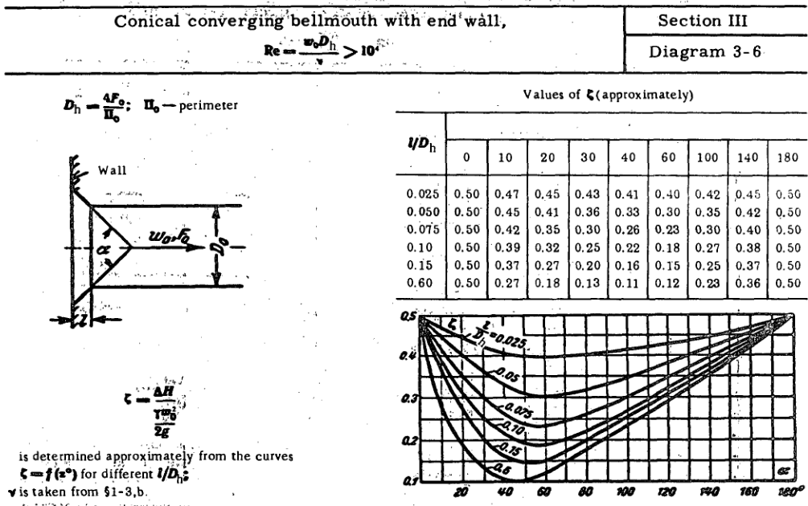
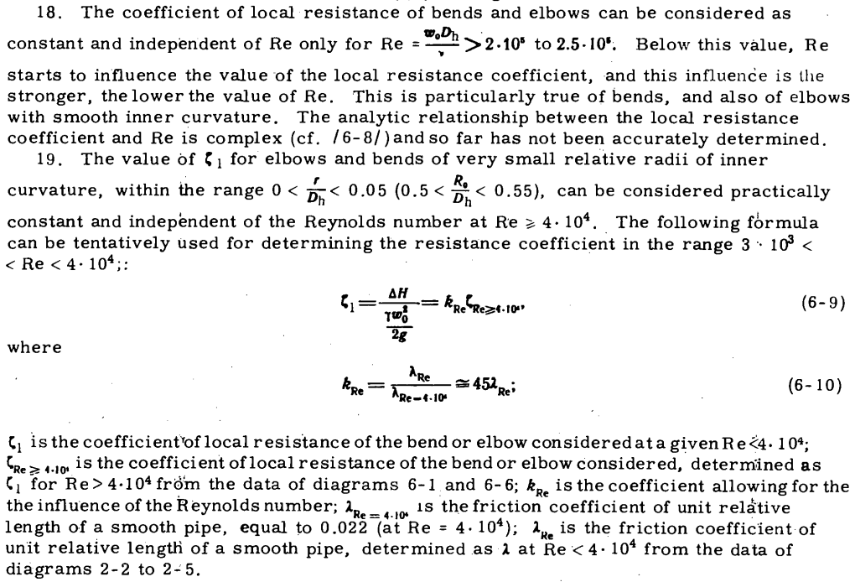
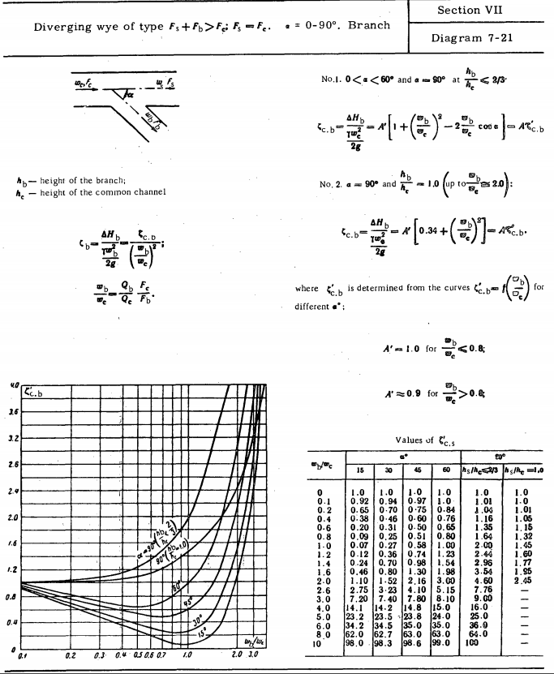
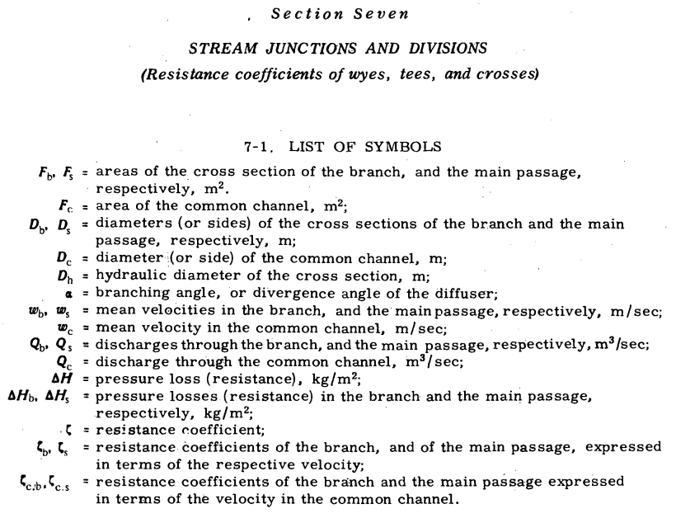
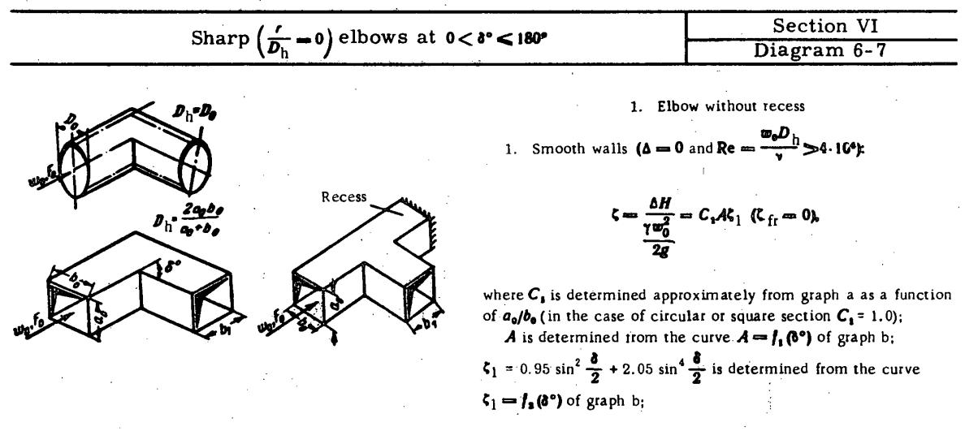
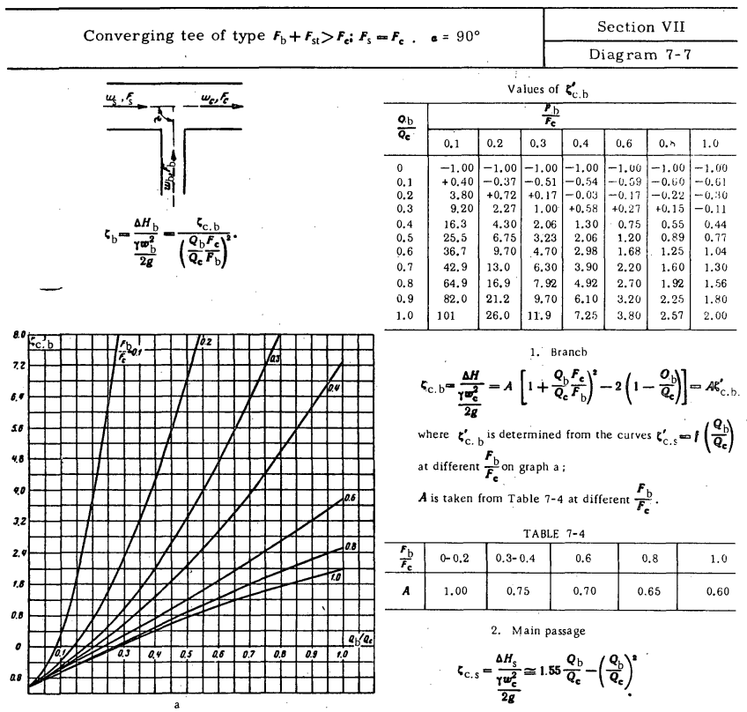

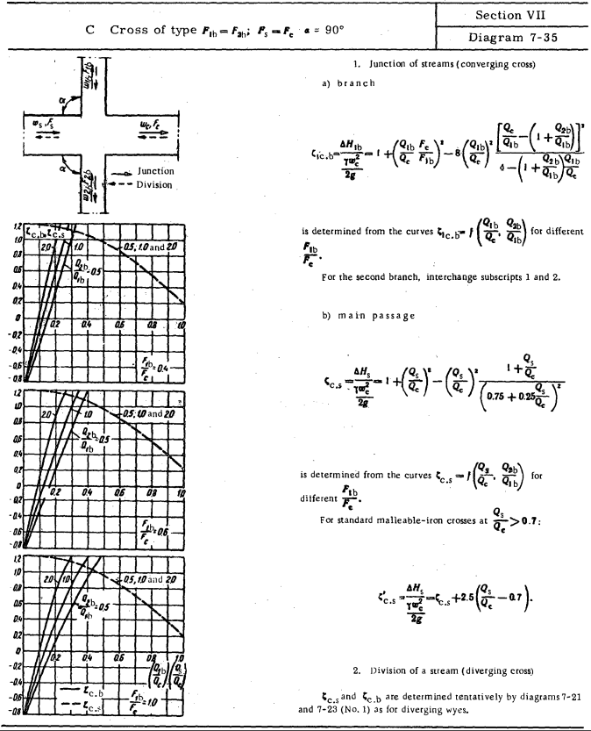

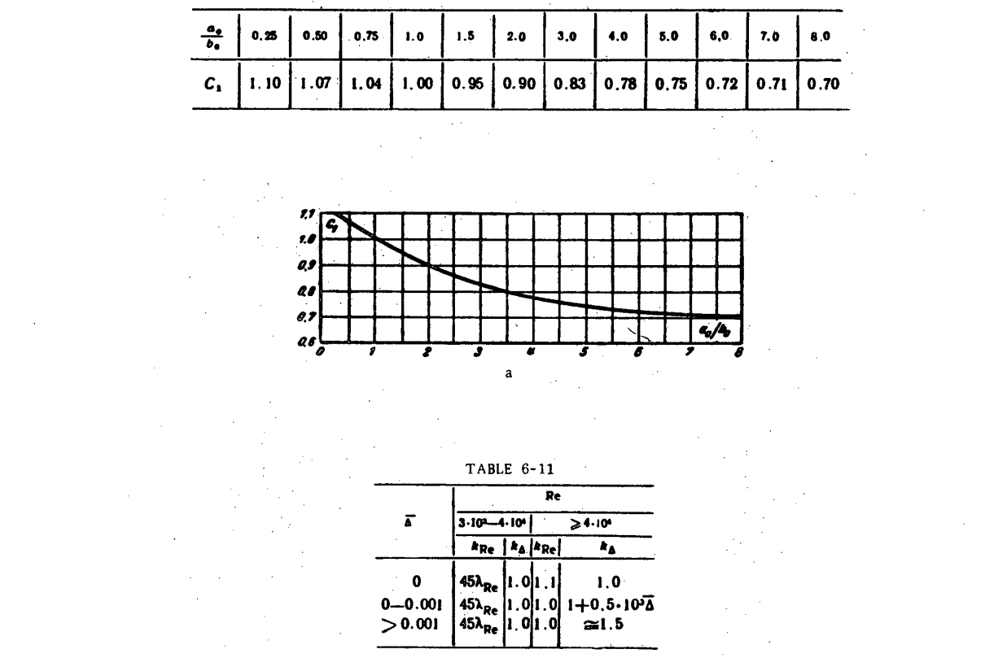

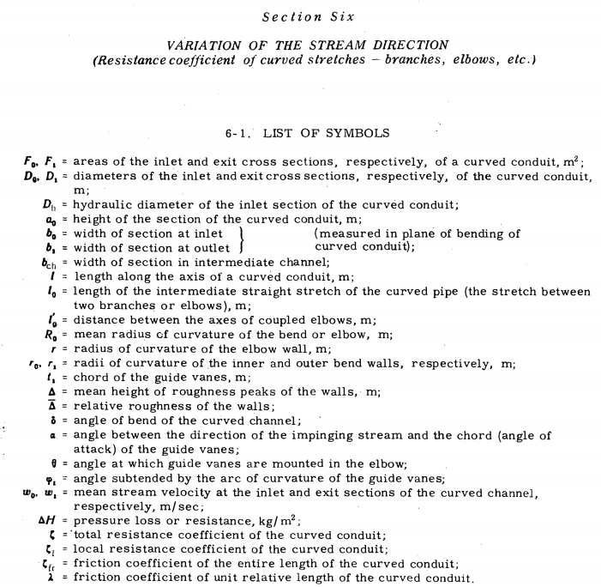

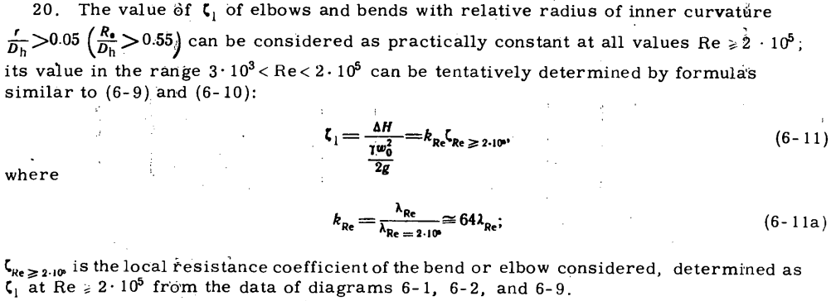

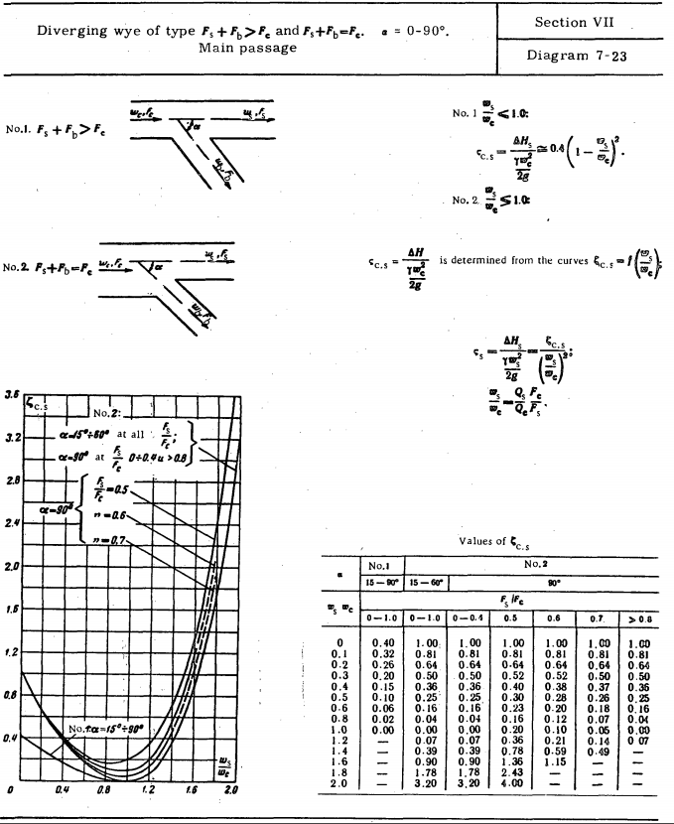

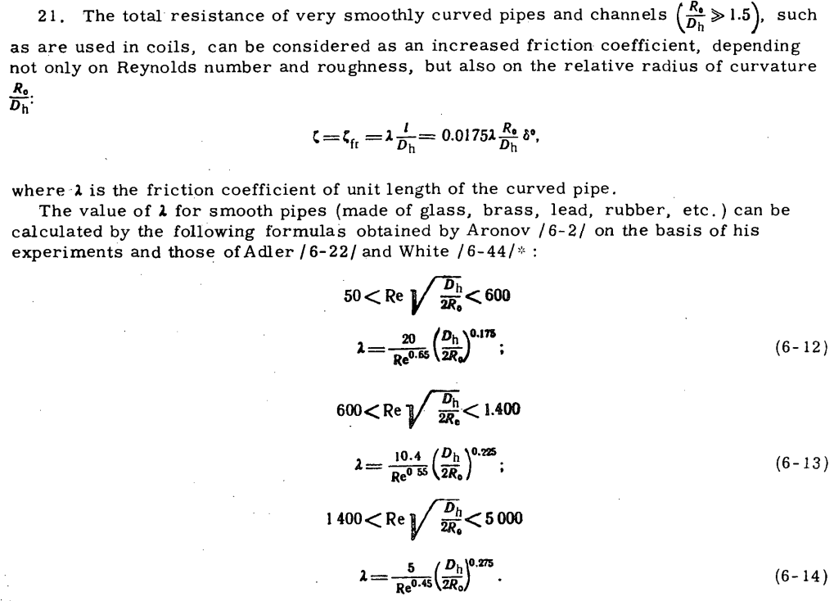

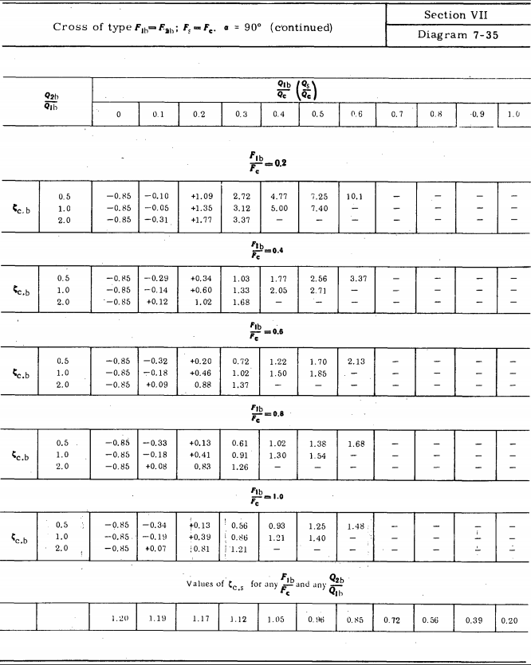

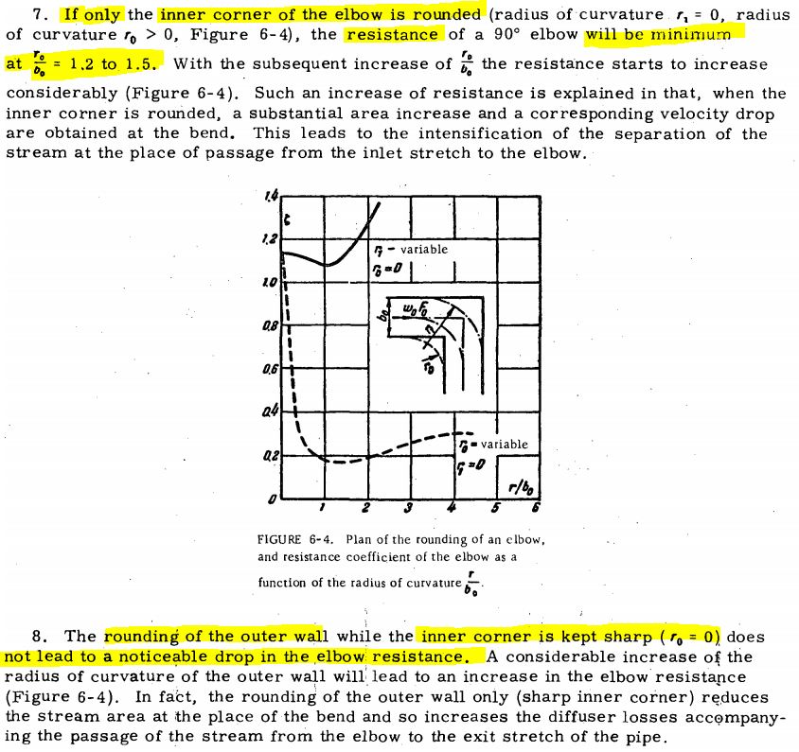
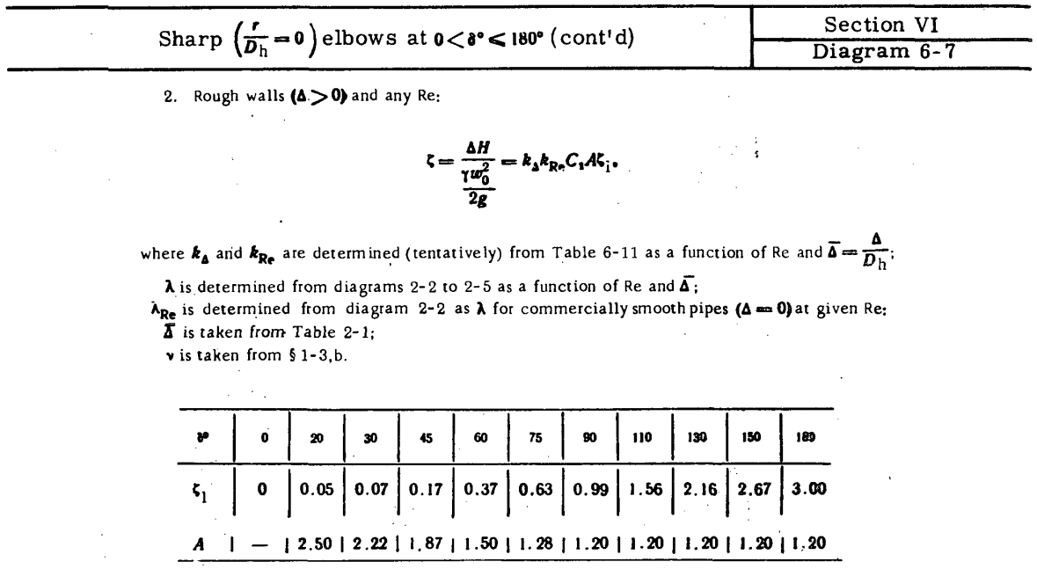

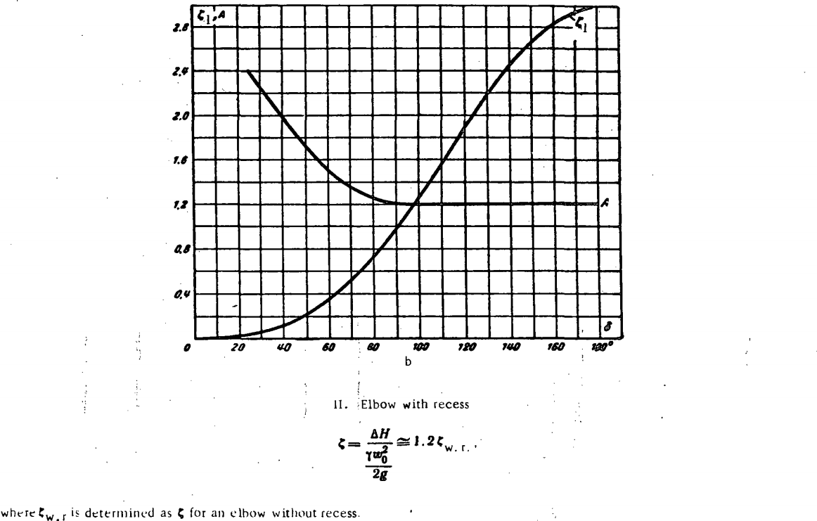


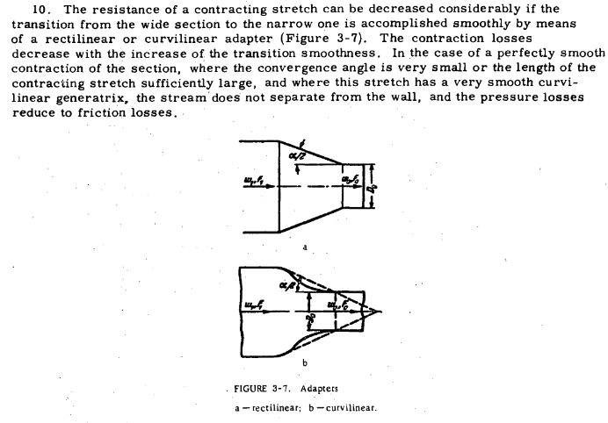

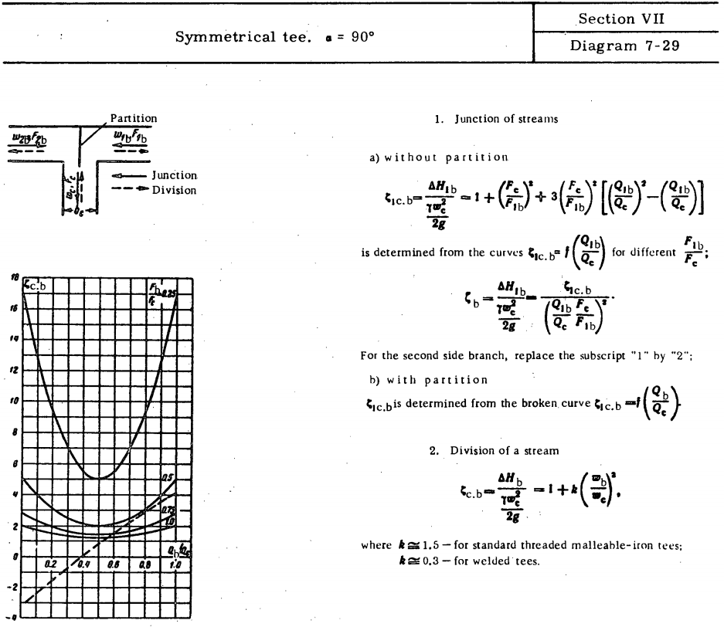

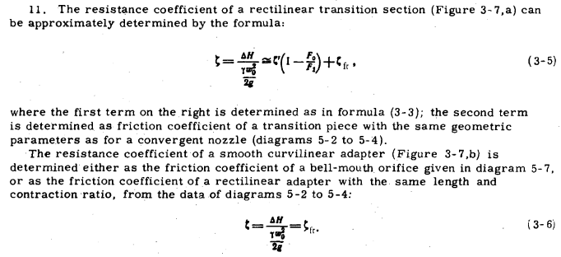

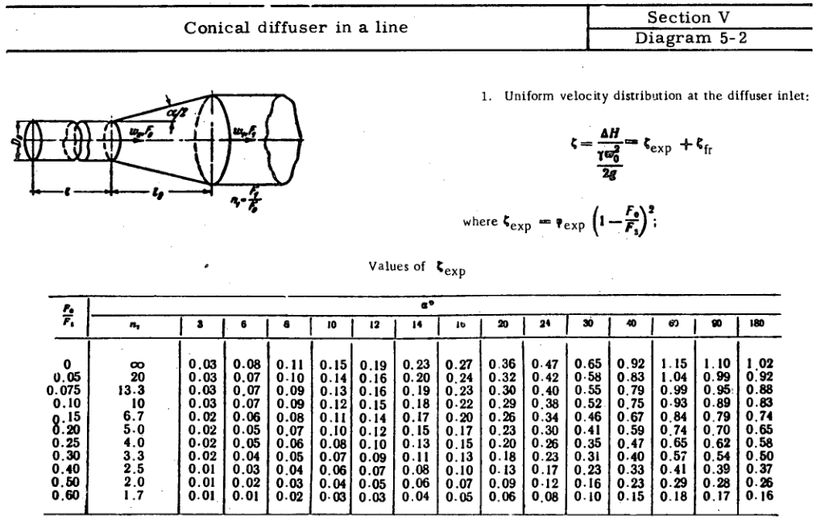
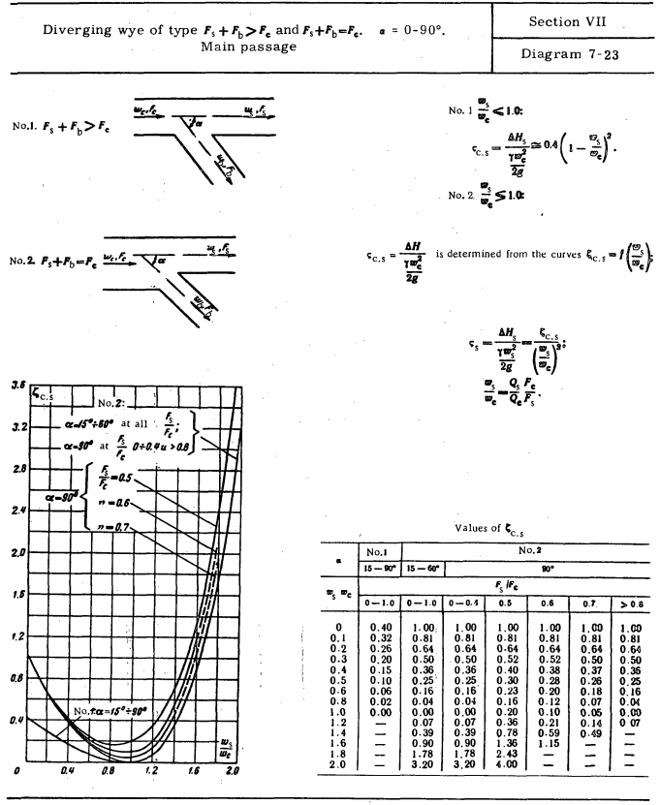

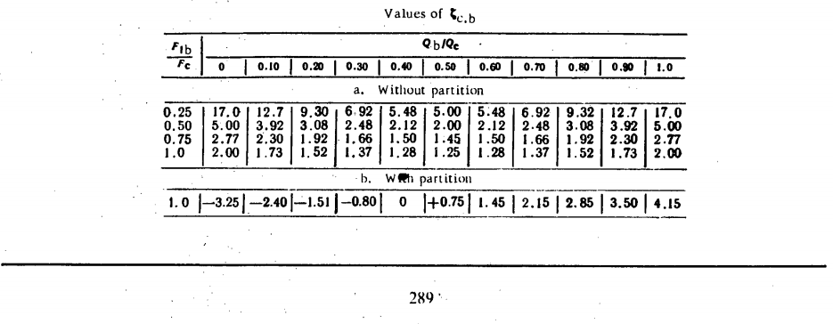

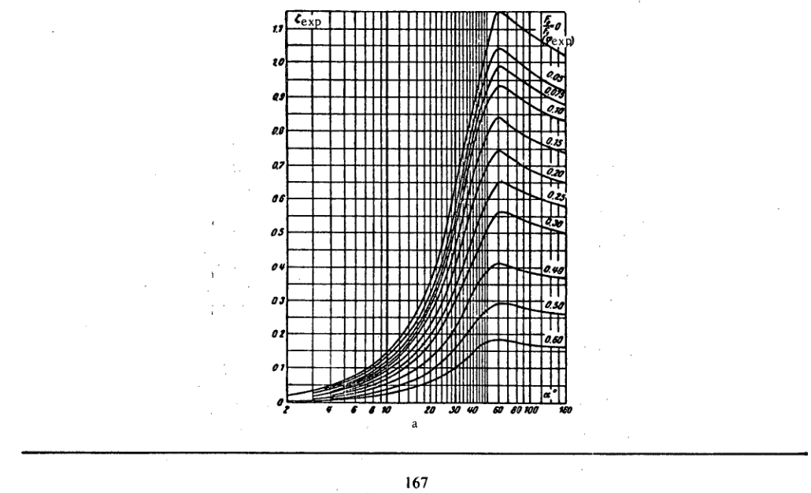

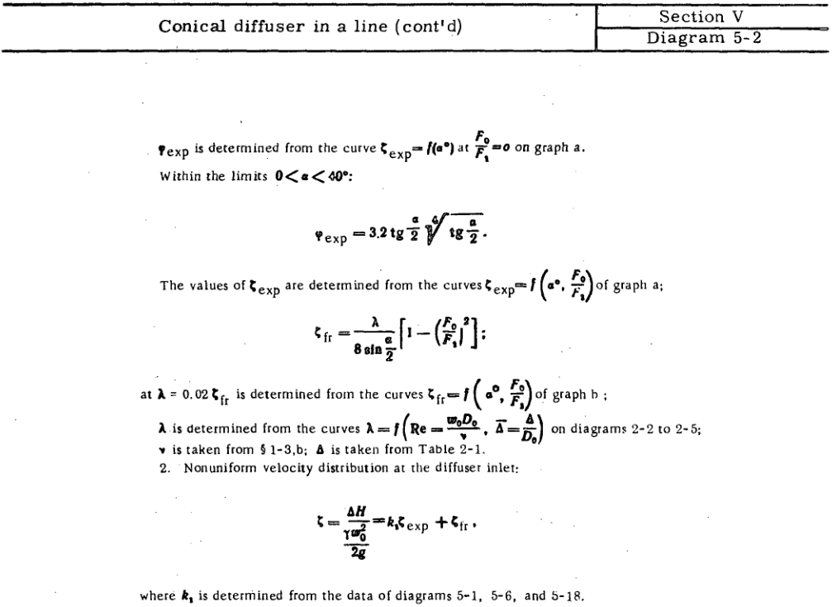

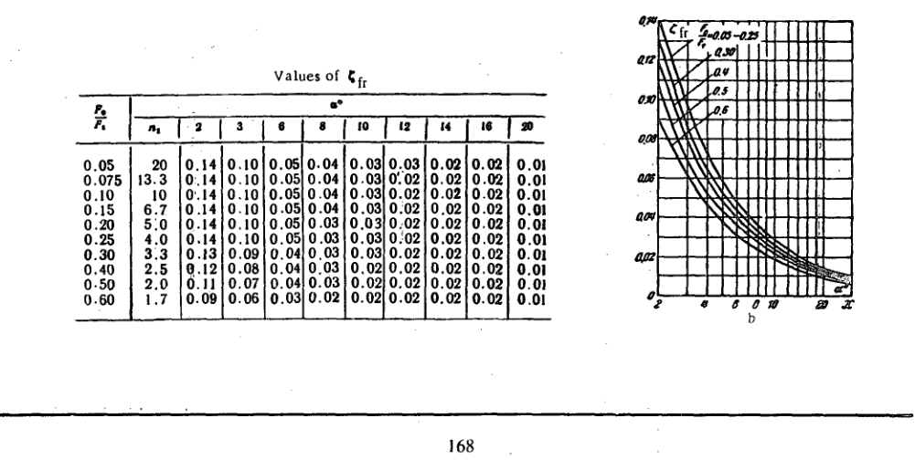

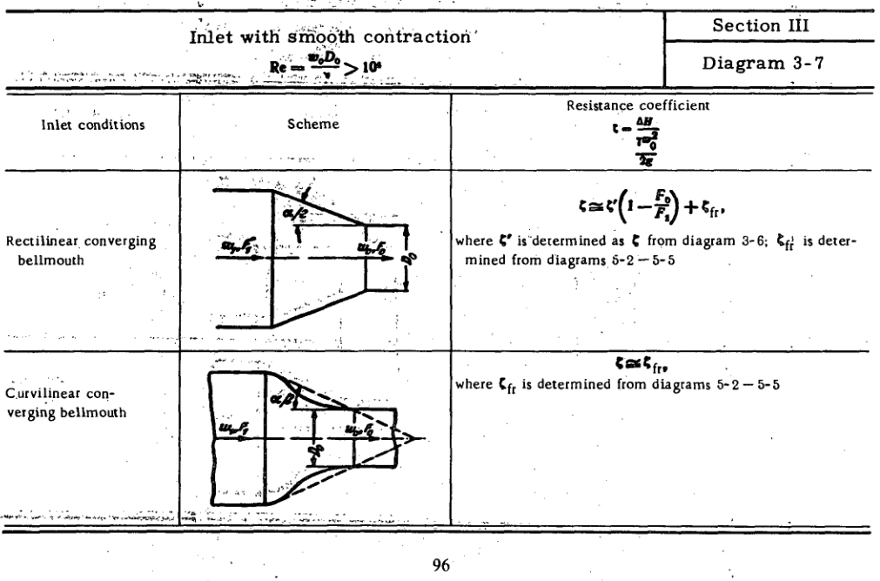

The length-to-diameter ratio of a concentric reducer generally falls between \(1.0\) to \(4.5\) times the diameter difference, depending on piping standards. The overall dimensions are primarily defined by the larger diameter, smaller diameter, and the end-to-end length.
Dimension Guidelines
Standard Pipe Fittings (ASME B16.9): The end-to-end length is standardized for butt-weld fittings. It is typically equal to the outside diameter of the larger pipe, or slightly larger depending on the size.
Length vs. Diameter Formula: The recommended minimum length is often calculated using the following ratio/formula:
\(L = 4.5 \times (D - d)\)
Where:
\(L\) is the end-to-end reducer length
\(D\) is the outside diameter of the large end
\(d\) is the outside diameter of the small end
Geometric Cone Angle
Because ASME B16.9 and MSS SP-75 standards only dictate the end-to-end dimensions, manufacturers control the flow by adjusting the reducer's included cone angle (\(\theta \)).For a smooth, steady flow and to prevent pressure drops or cavitation (especially near pump inlets), the total cone angle usually ranges between \(15^{\circ }\) and \(30^{\circ }\).

PRG
Element | Node In | Node Out | DeltaX | DeltaY | DeltaZ | Fit. Type | Comp. Type | Size | Fit. Class | Comp. Class | Pipe Class | Assignment | Fit. Art No. | Fit. Param | Fit. Desc | Rough. (mm) | D0 (mm) | D1 (mm) | Length | Line | Mach number | Fluid Density (kg/m3) | Dynamic Viscosity (Pa*s) | Temperature (C) | Volume Flowrate (m3/s) | Local Headloss (m) | Total Headloss (m) | Optimization Variable | Optimization Result | Optimization Target | A (m2) | vel (m/s)
100 | 10 (A) | 20 (B) | 2 | 0 | 0 |  |  | 250 |  |  | MS250 | Inlet |  |  |  | 0 | 250 | 250 | 2 |  |  | 998.2 | 0.0010003 | 20 | 0.023333333333 | 0 | 0.001601617229 |  |  |  | 0.049087385212 | 0.47534276337 | 23.291333333 |  | 0.01152 | 0.00000
110 | 20 (B) | 30 (C) | 0 | 0 | 2 | EL90_0.5 |  | 250 | Elbow_Bend |  | MS250 |  |  | R=0.5D | Elbow 90 | 0 | 250 | 250 | 2 |  |  | 998.2 | 0.0010003 | 20 | 0.023333333333 | 0.015011559282 | 0.016613176511 |  |  |  | 0.049087385212 | 0.47534276337 |  |  | 0.01152 | 1.30350
120 | 30 (C) | 40 (D) | 0 | -1 | 0 | 4WD_B |  | 250 | Tee_Cross |  | MS250 |  |  |  | 4-Way Divergence | 0 | 250 | 250 | 1 |  |  | 998.2 | 0.0010003 | 20 | 0.0074997766266 | 0.011873274503 | 0.011979098469 |  |  |  | 0.049087385212 | 0.15278419484 |  |  | 0.01152 | 1.03099
130 | 30 (C) | 50 (E) | 0 | 1 | 0 | 4WD_B |  | 250 | Tee_Cross |  | MS250 |  |  |  | 4-Way Divergence | 0 | 250 | 250 | 1 |  |  | 998.2 | 0.0010003 | 20 | 0.007500462408 | 0.011873339781 | 0.011979180884 |  |  |  | 0.049087385212 | 0.15279816547 |  |  | 0.01152 | 1.03100 | 0.32144838891
140 | 30 (C) | 31 | 0.01 | 0 | 0 | 4WD_BS |  | 250 | Tee_Cross |  | MS250 |  |  |  | 4-Way Divergence | 0 | 250 | 250 | 0.01 |  |  | 998.2 | 0.0010003 | 20 | 0.0083330942987 | 0.01298518538 | 0.012986460868 |  |  |  | 0.049087385212 | 0.16976040306 |  |  | 0.01152 | 1.12754 | -0.09491464276 | 1.0819936872 | 1.1275437031 | 1.1330325375 | 0.99515562514 | 0.90008130703
141 | 31 | 32 | 0.91242880249 | 0 | 0 |  |  | 250 |  |  | MS250 |  |  |  |  | 0 | 250 | 250 | 0.91242880249 |  |  | 998.2 | 0.0010003 | 20 | 0.0083330942987 | 0 | 0.00011637925667 |  |  |  | 0.049087385212 | 0.16976040306 |  |  | 0.00147 | 0.00000
142 | 32 | 33 (C') | 1.0775711975 | 0 | 0 | RC_L45 |  |  |  |  |  | Outlet |  | L = 4.5*(D0 - D1) |  | 0 | 250 | 10.539733887 | 1.0775711975 |  |  | 998.2 | 0.0010003 | 20 | 0.0083330942987 | 120.24632285 | 120.24632285 | D1 | Volume Flowrate | 0.0083333333333 | 8.7246732842E-05 | 95.511820642 |  | 0.0083247 | 464.95963 | 0.25862
150 | 40 (D) | 41 | 0.01 | 0 | 0 | EL90_0.5 |  | 250 | Elbow_Bend |  |  |  |  | L = 4.5*(D0 - D1) | Elbow 90 | 0 | 250 | 250 | 0.01 |  |  | 998.2 | 0.0010003 | 20 | 0.0074997766266 | 0.0014107657347 | 0.0014118239744 |  |  |  | 0.049087385212 | 0.15278419484 |  |  | 0.00119 | 1.18576
151 | 41 | 42 | 0.91000205135 | 0 | 0 |  |  | 250 |  |  | MS250 |  |  |  |  | 0 | 250 | 250 | 0.91000205135 |  |  | 998.2 | 0.0010003 | 20 | 0.0074997766266 | 0 | 9.6300025321E-05 |  |  |  | 0.049087385212 | 0.15278419484 |  |  | 0.00119 | 0.00000
152 | 42 | 43 (D') | 1.0799979486 | 0 | 0 | RC_L45 |  |  |  |  |  | Outlet |  | L = 4.5*(D0 - D1) |  | 0 | 250 | 10.000455856 | 1.0799979486 |  |  | 998.2 | 0.0010003 | 20 | 0.0074997766266 | 120.24594076 | 120.24594076 | D1 | Volume Flowrate | 0.0075 | 7.8546977077E-05 | 95.481416417 |  | 0.0075045 | 464.66365 | 0.25878
160 | 50 (E) | 51 | 0.01 | 0 | 0 | EL90_0.5 |  | 250 | Elbow_Bend |  |  |  |  | R=0.5D | Elbow 90 | 0 | 250 | 250 | 0.01 |  |  | 998.2 | 0.0010003 | 20 | 0.007500462408 | 0.0014109942053 | 0.0014120526164 |  |  |  | 0.049087385212 | 0.15279816547 |  |  | 0.00119 | 1.18574
161 | 51 | 52 | 0.91000410271 | 0 | 0 |  |  | 250 |  |  | MS250 |  |  |  |  | 0 | 250 | 250 | 0.91000410271 |  |  | 998.2 | 0.0010003 | 20 | 0.007500462408 | 0 | 9.6315838032E-05 |  |  |  | 0.049087385212 | 0.15279816547 |  |  | 0.00119 | 0.00000
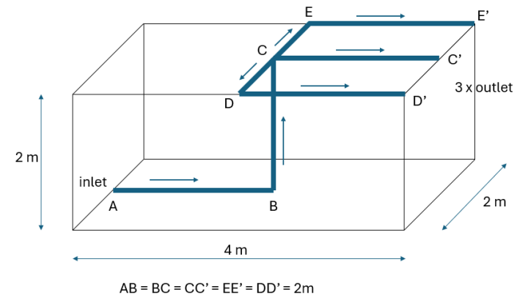
10
20
30
33
40
50
41
43
31
51
53
42
32
52
162 | 52 | 53 (E') | 1.0799958973 | 0 | 0 | RC_L45 |  |  |  |  |  | Outlet |  | L = 4.5*(D0 - D1) |  | 0 | 250 | 10.000911713 | 1.0799958973 |  |  | 998.2 | 0.0010003 | 20 | 0.007500462408 | 120.24594043 | 120.24594043 | D1 | Volume Flowrate | 0.0075 | 7.8554138141E-05 | 95.481442295 |  | 0.0075045 | 464.66391 | 0.25878
 |  |  |  |  |  |  |  |  |  |  |  |  |  |  |  |  |  |  | 0
 |  |  |  |  |  |  |  |  |  |  |  |  |  |  |  |  |  |  | 0
 |  |  |  |  |  |  |  |  |  |  |  |  |  |  |  |  |  |  | 0
 |  |  |  |  |  |  |  |  |  |  |  |  |  |  |  |  |  |  | 0
 |  |  |  |  |  |  |  |  |  |  |  |  |  |  |  |  |  |  | 0
 |  |  |  |  |  |  |  |  |  |  |  |  |  |  |  |  |  |  | 0
 |  |  |  |  |  |  |  |  |  |  |  |  |  |  |  |  |  |  | 0 |  |  |  |  |  |  | 0.023333333333 | 0.007886654 | 0.015773308
 |  |  |  |  |  |  |  |  |  |  |  |  |  |  |  |  |  |  | 0 |  |  |  |  |  |  |  |  | 0.0075600329
 |  |  |  |  |  |  |  |  |  |  |  |  |  |  |  |  |  |  | 0 |  |  |  |  |  |  |  |  | 0.0233333409
 |  |  |  |  |  |  |  |  |  |  |  |  |  |  |  |  |  |  | 0 |  |  |  |  |  |  | 0.0000008
 |  |  |  |  |  |  |  |  |  |  |  |  |  |  |  |  |  |  | 0
 |  |  |  |  |  |  |  |  |  |  |  |  |  |  |  |  |  |  | 0
 |  |  |  |  |  |  |  |  |  |  |  |  |  |  |  |  |  |  | 0
 |  |  |  |  |  |  |  |  |  |  |  |  |  |  |  |  |  |  | 0
 |  |  |  |  |  |  |  |  |  |  |  |  |  |  |  |  |  |  | 0
 |  |  |  |  |  |  |  |  |  |  |  |  |  |  |  |  |  |  | 0 |  |  |  |  | P1 - Plane4.H10 | P2 - MID_PIPE_LEN | P3 - SIDE_PIPE_LEN_L6 | P4 - SIDE_RED_LEN_H7 | P5 - SIDE_OUTLET_D1 | P6 - MID_OUT_LET_D1 | P7 - report-2x-side-outlet-q-op | P8 - report-mid-outlet-q-op
 |  |  |  |  |  |  |  |  |  |  |  |  |  |  |  |  |  |  | 0 |  |  |  |  | 1.0775711975 | 0.92242880249 | 0.92000205135 | 1.0799979486 | 0.010000455856 | 0.010539733887
 |  |  |  |  |  |  |  |  |  |  |  |  |  |  |  |  |  |  | 0
 |  |  |  |  |  |  |  |  |  |  |  |  |  |  |  |  |  |  | 0
 |  |  |  |  |  |  |  |  |  |  |  |  |  |  |  |  |  |  | 0 |  |  |  |  | 4WD_BS
 |  |  |  |  |  |  |  |  |  |  |  |  |  |  |  |  |  |  | 0 |  |  |  |  |  |  |  |  |  |  |  | 23.291333333
 |  |  |  |  |  |  |  |  |  |  |  |  |  |  |  |  |  |  | 0
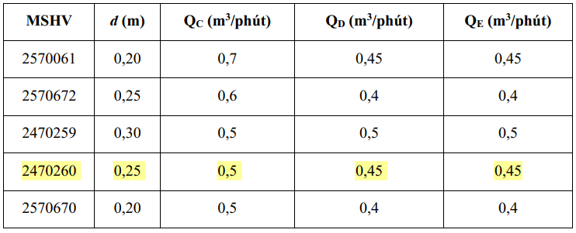
 |  |  |  |  |  |  |  |  |  |  |  |  |  |  |  |  |  |  | 0 |  |  |  |  |  |  | 0.0051101383599
 |  |  |  |  |  |  |  |  |  |  |  |  |  |  |  |  |  |  | 0
 |  |  |  |  |  |  |  |  |  |  |  |  |  |  |  |  |  |  | 0
 |  |  |  |  |  |  |  |  |  |  |  |  |  |  |  |  |  |  | 0
 |  |  |  |  |  |  |  |  |  |  |  |  |  |  |  |  |  |  | 0
 |  |  |  |  |  |  |  |  |  |  |  |  |  |  |  |  |  |  | 0
 |  |  |  |  |  |  |  |  |  |  |  |  |  |  |  |  |  |  | 0
 |  |  |  |  |  |  |  |  |  |  |  |  |  |  |  |  |  |  | 0 |  |  |  |  | 0.33846 | 1.6615 | 1.6901 | 0.30994 | 0.18113 | 0.17479 | 0.0083247 | 0.0075045
 |  |  |  |  |  |  |  |  |  |  |  |  |  |  |  |  |  |  | 0
 |  |  |  |  |  |  |  |  |  |  |  |  |  |  |  |  |  |  | 0
 |  |  |  |  |  |  |  |  |  |  |  |  |  |  |  |  |  |  | 0
 |  |  |  |  |  |  |  |  |  |  |  |  |  |  |  |  |  |  | 0
 |  |  |  |  |  |  |  |  |  |  |  |  |  |  |  |  |  |  | 0
 |  |  |  |  |  |  |  |  |  |  |  |  |  |  |  |  |  |  | 0
 |  |  |  |  |  |  |  |  |  |  |  |  |  |  |  |  |  |  | 0
 |  |  |  |  |  |  |  |  |  |  |  |  |  |  |  |  |  |  | 0
 |  |  |  |  |  |  |  |  |  |  |  |  |  |  |  |  |  |  | 0
 |  |  |  |  |  |  |  |  |  |  |  |  |  |  |  |  |  |  | 0
 |  |  |  |  |  |  |  |  |  |  |  |  |  |  |  |  |  |  | 0
 |  |  |  |  |  |  |  |  |  |  |  |  |  |  |  |  |  |  | 0
 |  |  |  |  |  |  |  |  |  |  |  |  |  |  |  |  |  |  | 0
 |  |  |  |  |  |  |  |  |  |  |  |  |  |  |  |  |  |  | 0
 |  |  |  |  |  |  |  |  |  |  |  |  |  |  |  |  |  |  | 0
 |  |  |  |  |  |  |  |  |  |  |  |  |  |  |  |  |  |  | 0
 |  |  |  |  |  |  |  |  |  |  |  |  |  |  |  |  |  |  | 0
 |  |  |  |  |  |  |  |  |  |  |  |  |  |  |  |  |  |  | 0
 |  |  |  |  |  |  |  |  |  |  |  |  |  |  |  |  |  |  | 0
 |  |  |  |  |  |  |  |  |  |  |  |  |  |  |  |  |  |  | 0
 |  |  |  |  |  |  |  |  |  |  |  |  |  |  |  |  |  |  | 0
 |  |  |  |  |  |  |  |  |  |  |  |  |  |  |  |  |  |  | 0
 |  |  |  |  |  |  |  |  |  |  |  |  |  |  |  |  |  |  | 0
 |  |  |  |  |  |  |  |  |  |  |  |  |  |  |  |  |  |  | 0
 |  |  |  |  |  |  |  |  |  |  |  |  |  |  |  |  |  |  | 0
 |  |  |  |  |  |  |  |  |  |  |  |  |  |  |  |  |  |  | 0
 |  |  |  |  |  |  |  |  |  |  |  |  |  |  |  |  |  |  | 0
 |  |  |  |  |  |  |  |  |  |  |  |  |  |  |  |  |  |  | 0
 |  |  |  |  |  |  |  |  |  |  |  |  |  |  |  |  |  |  | 0
 |  |  |  |  |  |  |  |  |  |  |  |  |  |  |  |  |  |  | 0
 |  |  |  |  |  |  |  |  |  |  |  |  |  |  |  |  |  |  | 0
 |  |  |  |  |  |  |  |  |  |  |  |  |  |  |  |  |  |  | 0
 |  |  |  |  |  |  |  |  |  |  |  |  |  |  |  |  |  |  | 0
 |  |  |  |  |  |  |  |  |  |  |  |  |  |  |  |  |  |  | 0
 |  |  |  |  |  |  |  |  |  |  |  |  |  |  |  |  |  |  | 0
 |  |  |  |  |  |  |  |  |  |  |  |  |  |  |  |  |  |  | 0
 |  |  |  |  |  |  |  |  |  |  |  |  |  |  |  |  |  |  | 0
 |  |  |  |  |  |  |  |  |  |  |  |  |  |  |  |  |  |  | 0
 |  |  |  |  |  |  |  |  |  |  |  |  |  |  |  |  |  |  | 0
 |  |  |  |  |  |  |  |  |  |  |  |  |  |  |  |  |  |  | 0
 |  |  |  |  |  |  |  |  |  |  |  |  |  |  |  |  |  |  | 0
 |  |  |  |  |  |  |  |  |  |  |  |  |  |  |  |  |  |  | 0
 |  |  |  |  |  |  |  |  |  |  |  |  |  |  |  |  |  |  | 0
 |  |  |  |  |  |  |  |  |  |  |  |  |  |  |  |  |  |  | 0
 |  |  |  |  |  |  |  |  |  |  |  |  |  |  |  |  |  |  | 0
 |  |  |  |  |  |  |  |  |  |  |  |  |  |  |  |  |  |  | 0
 |  |  |  |  |  |  |  |  |  |  |  |  |  |  |  |  |  |  | 0
 |  |  |  |  |  |  |  |  |  |  |  |  |  |  |  |  |  |  | 0
 |  |  |  |  |  |  |  |  |  |  |  |  |  |  |  |  |  |  | 0
 |  |  |  |  |  |  |  |  |  |  |  |  |  |  |  |  |  |  | 0
 |  |  |  |  |  |  |  |  |  |  |  |  |  |  |  |  |  |  | 0
 |  |  |  |  |  |  |  |  |  |  |  |  |  |  |  |  |  |  | 0
 |  |  |  |  |  |  |  |  |  |  |  |  |  |  |  |  |  |  | 0
 |  |  |  |  |  |  |  |  |  |  |  |  |  |  |  |  |  |  | 0
 |  |  |  |  |  |  |  |  |  |  |  |  |  |  |  |  |  |  | 0
 |  |  |  |  |  |  |  |  |  |  |  |  |  |  |  |  |  |  | 0
 |  |  |  |  |  |  |  |  |  |  |  |  |  |  |  |  |  |  | 0
 |  |  |  |  |  |  |  |  |  |  |  |  |  |  |  |  |  |  | 0
 |  |  |  |  |  |  |  |  |  |  |  |  |  |  |  |  |  |  | 0
 |  |  |  |  |  |  |  |  |  |  |  |  |  |  |  |  |  |  | 0
 |  |  |  |  |  |  |  |  |  |  |  |  |  |  |  |  |  |  | 0
 |  |  |  |  |  |  |  |  |  |  |  |  |  |  |  |  |  |  | 0
 |  |  |  |  |  |  |  |  |  |  |  |  |  |  |  |  |  |  | 0
 |  |  |  |  |  |  |  |  |  |  |  |  |  |  |  |  |  |  | 0
 |  |  |  |  |  |  |  |  |  |  |  |  |  |  |  |  |  |  | 0
 |  |  |  |  |  |  |  |  |  |  |  |  |  |  |  |  |  |  | 0
 |  |  |  |  |  |  |  |  |  |  |  |  |  |  |  |  |  |  | 0
 |  |  |  |  |  |  |  |  |  |  |  |  |  |  |  |  |  |  | 0
 |  |  |  |  |  |  |  |  |  |  |  |  |  |  |  |  |  |  | 0
 |  |  |  |  |  |  |  |  |  |  |  |  |  |  |  |  |  |  | 0
 |  |  |  |  |  |  |  |  |  |  |  |  |  |  |  |  |  |  | 0
 |  |  |  |  |  |  |  |  |  |  |  |  |  |  |  |  |  |  | 0
 |  |  |  |  |  |  |  |  |  |  |  |  |  |  |  |  |  |  | 0
 |  |  |  |  |  |  |  |  |  |  |  |  |  |  |  |  |  |  | 0
 |  |  |  |  |  |  |  |  |  |  |  |  |  |  |  |  |  |  | 0
 |  |  |  |  |  |  |  |  |  |  |  |  |  |  |  |  |  |  | 0
 |  |  |  |  |  |  |  |  |  |  |  |  |  |  |  |  |  |  | 0
 |  |  |  |  |  |  |  |  |  |  |  |  |  |  |  |  |  |  | 0
 |  |  |  |  |  |  |  |  |  |  |  |  |  |  |  |  |  |  | 0
 |  |  |  |  |  |  |  |  |  |  |  |  |  |  |  |  |  |  | 0
 |  |  |  |  |  |  |  |  |  |  |  |  |  |  |  |  |  |  | 0
 |  |  |  |  |  |  |  |  |  |  |  |  |  |  |  |  |  |  | 0
 |  |  |  |  |  |  |  |  |  |  |  |  |  |  |  |  |  |  | 0
 |  |  |  |  |  |  |  |  |  |  |  |  |  |  |  |  |  |  | 0
 |  |  |  |  |  |  |  |  |  |  |  |  |  |  |  |  |  |  | 0
 |  |  |  |  |  |  |  |  |  |  |  |  |  |  |  |  |  |  | 0
 |  |  |  |  |  |  |  |  |  |  |  |  |  |  |  |  |  |  | 0
 |  |  |  |  |  |  |  |  |  |  |  |  |  |  |  |  |  |  | 0
 |  |  |  |  |  |  |  |  |  |  |  |  |  |  |  |  |  |  | 0
 |  |  |  |  |  |  |  |  |  |  |  |  |  |  |  |  |  |  | 0

DP
Name | P1 - MID_RED_LEN | P2 - MID_PIPE_LEN | P3 - SIDE_PIPE_LEN_L6 | P4 - SIDE_RED_LEN_H7 | P5 - SIDE_OUTLET_D1 | P6 - MID_OUT_LET_D1 | P7 - report-2x-side-outlet-q-op | P8 - report-mid-outlet-q-op
OP1 | 0.338460000000000 | 1.661500000000000 | 1.690100000000000 | 0.309940000000000 | 0.1811 | 0.1748 | 0.008324700000000 | 0.007504500000000
OP2 | 0.232938720703125 | 1.767061279296755 | 1.995499999999990 | 0.004500000000000 | 0.2490 | 0.1982
OP3 | 1.0775711975 | 0.92242880249 | 0.92000205135 | 1.0799979486 | 0.0100 | 0.0105
OP4
OP5
OP6
OP7
OP8
OP9
OP10

DP0 | 0.44024029541 | 1.5497597046 | 1.6712220459 | 0.3287779541 | 0.17693823242 | 0.15216882324 | -0.015773278 | -0.0075600934 | 0.0075600934 | 0.007886639
DP 1 | 0.42789935303 | 1.572100647 | 1.7087700195 | 0.29122998047 | 0.18528222656 | 0.15491125488 | -0.015748195 | -0.007584861 | 0.007584861 | 0.0078740975
DP 2 | 0.35451013184 | 1.6454898682 | 1.7145466309 | 0.28545336914 | 0.18656591797 | 0.1712199707 | -0.014755371 | -0.0085776402 | 0.0085776402 | 0.0073776855
DP 3 | 0.26234692383 | 1.7376530762 | 1.6335427856 | 0.36645721436 | 0.16856506348 | 0.19170068359 | -0.013608287 | -0.009725038 | 0.009725038 | 0.0068041435
DP 4 | 0.42317303467 | 1.5768269653 | 1.6335427856 | 0.36645721436 | 0.16856506348 | 0.15596154785 | -0.015586594 | -0.0077467421 | 0.0077467421 | 0.007793297
DP 5 | 0.34413849 | 1.65586151 | 1.6335427835 | 0.3664572165 | 0.168565063 | 0.17352478 | -0.01456285 | -0.0087704826 | 0.0087704826 | 0.007281425 | 1 + 0.933 * ratio_wb_wc ^ 2
 | 0.37860122681 | 1.6213987732 | 1.6335427856 | 0.36645721436 | 0.16856506348 | 0.16586639404 |  |  | 0 | 0 | 1.1330326256
 | 0.43406982422 | 1.5659301758 | 1.6335427856 | 0.36645721436 | 0.16856506348 | 0.15354003906 |  |  | 0 | 0
 | 0.33846 | 1.6615 | 1.6901 | 0.30994 | 0.18113 | 0.17479 | -0.015009 | -0.0083247 | 0.0083247 | 0.0075045 | Zeta = 1 + ratio_wb_wc ^ 2
 | 0.35477270508 | 1.6452272949 | 1.6801495361 | 0.31985046387 | 0.17892211914 | 0.17116162109
Kết quả optimize 1D

 | ' --- BLIND CROSS ---
 | If ratio_ws_wc = 0 Then
 | Debug.Print "m_PathType = ", m_PathType
 | If m_PathType = eFlowPath_Branch Then
 | Calc_DivergingCross = 1.45
 | ElseIf m_PathType = eFlowPath_Branch_Special Then
 | Calc_DivergingCross = 1.5345
 | End If
 | Exit Function
 | End If

