method
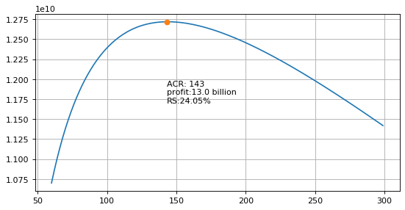
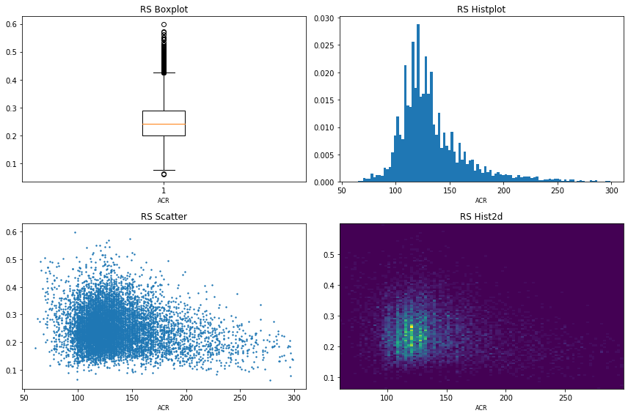
Bài toán :
Tìm số lượng ACR tối ưu cho mỗi FC sao cho đạt lợi ích tối đa.
Định nghĩa:
Lợi ích : BENEFIT = SAVE - BONUS_COST - FIXED_COST
SAVE : lợi ích bằng tiền khi FC thu hồi được nợ
BONUS_COST : chi phí bonus cho FC
FIXED_COST: chi phí cố định ước tính cho FC
Phương pháp:
Nhận thấy BONUS_rate (BONUS_FC / RS_POS)
và RS (RS_POS/POS_BOM) có xu hướng tuyến tính với ACR. Qua kiểm nghiệm mô hình hồi quy tính đơn biến với ACR , có thể ước lượng được các giá trị BONUS_rate và RS , và biểu diễn được hàm BENEFIT
= > Tìm cực đại của hàm BENEFIT để tìm giá trị ACR tối ưu.

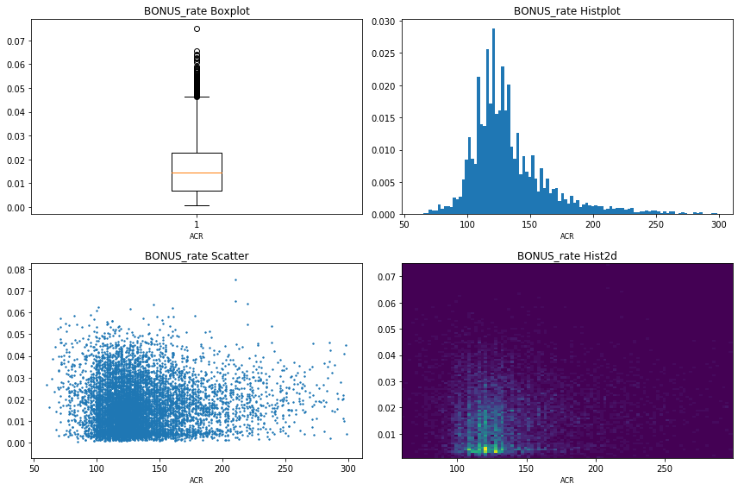

ĐỂ tìm được ACR tối ưu Ta cần tìm giá trị x sao cho hàm f(x) đạt cực đại , tại đó giá trị x chính là ACR cần tìm .

Highlands | Giá trị ACR Cần tìm | 107
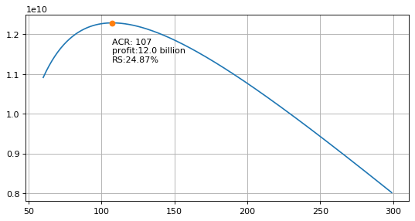

Normal | Giá trị ACR Cần tìm | 117
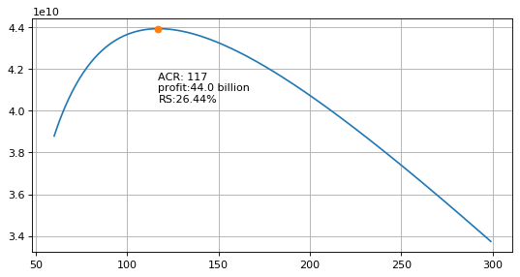

Bgcity | Giá trị ACR Cần tìm | 143

