파트 출력
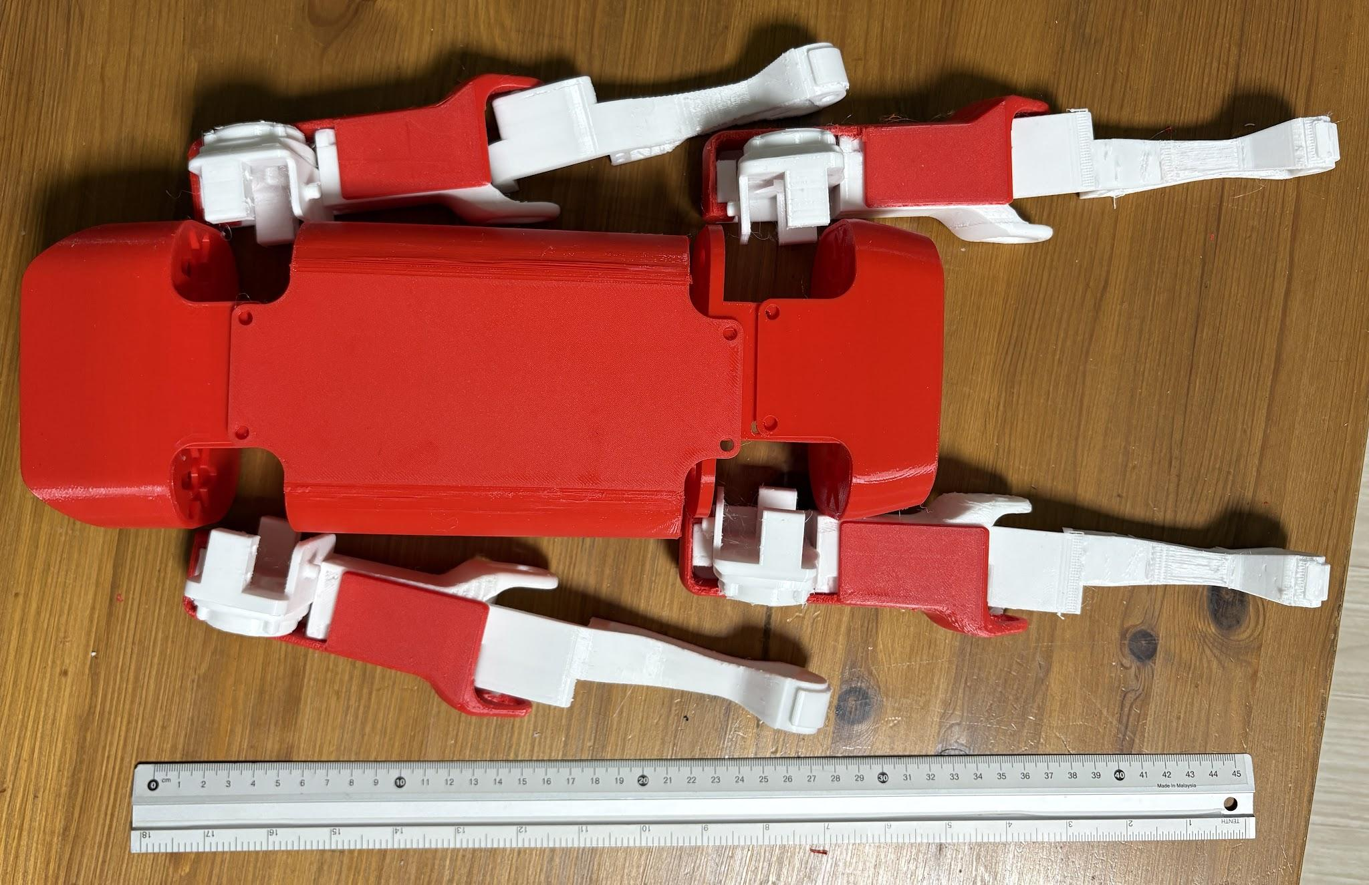
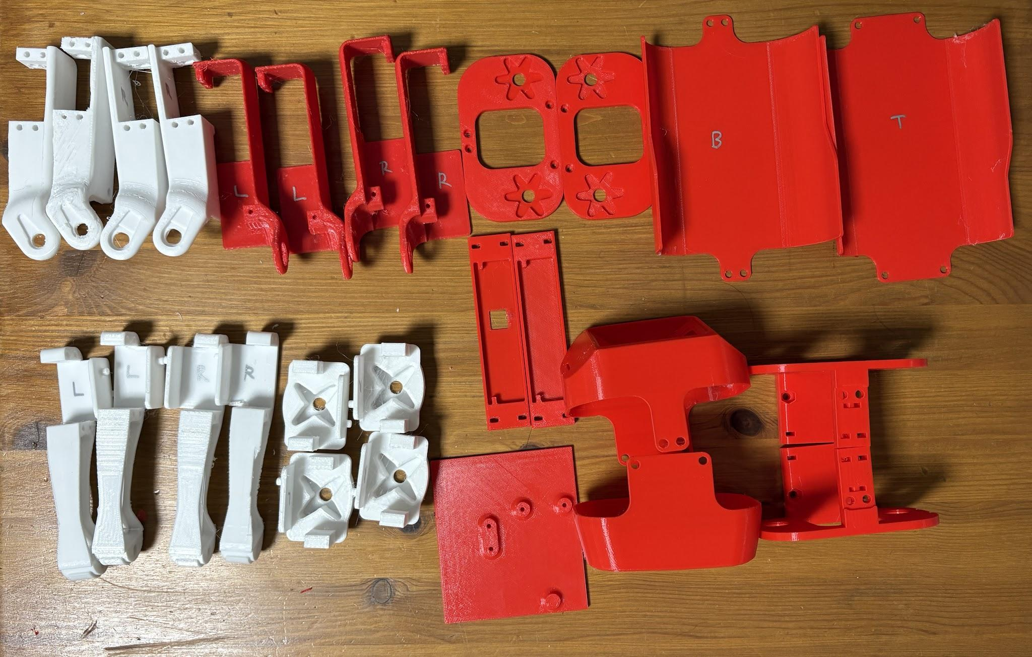
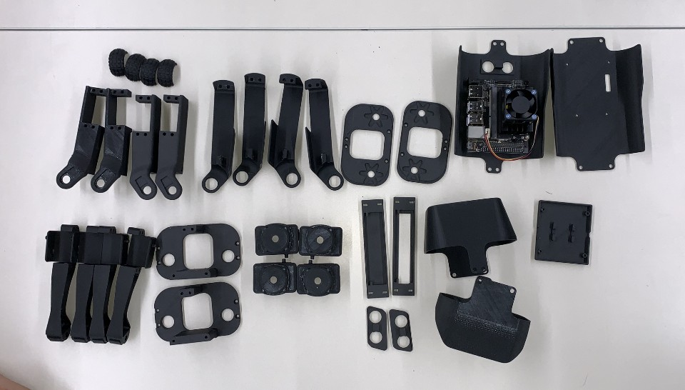
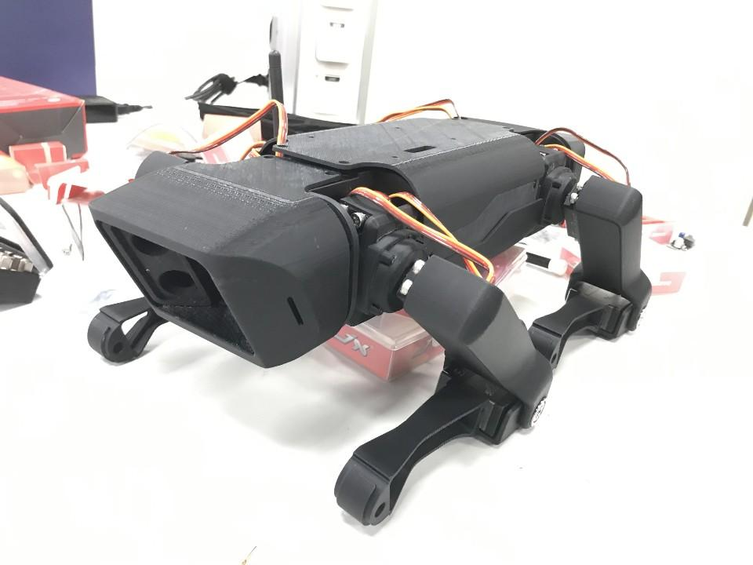

https://github.com/Road-Balance/SpotMicroJetson/blob/master/Images/STL_Parts.jpg

서보모터 사양가격
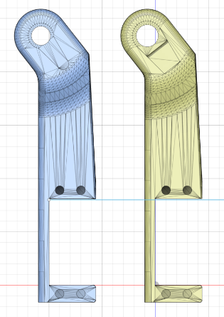
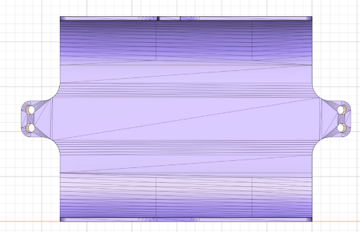
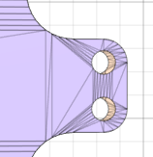
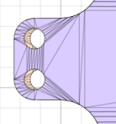
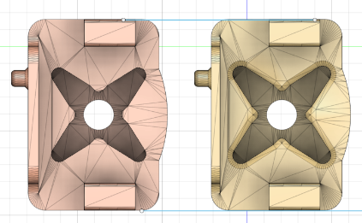
SpotMicro 서보모터 스펙 비교 |  | 2026-06-06

항목 | MG996R | JX PDI-HV5523MG | JX CLS6336HV | DS3218 PRO | SPT5435LV-180
사용 프로젝트 | KDY (원작자) | mike4192 | 한양대 Road Balance | 커뮤니티 일반 | 커뮤니티 일반
 | 주문 |  | 주문 | 주문
[토크]
토크 @ 저전압 | 9.4 kg·cm (4.8V) | 19.2 kg·cm (6.0V) | 27.8 kg·cm (6.6V) | 28.5kg/cm(5V) | 29kg/cm(5V)
토크 @ 고전압 | 11 kg·cm (6.0V) | 23 kg·cm (8.4V) | 35.6 kg·cm (7.4V) | 38kg/cm(6.8V) | 35kg/cm(6.8V)

[속도]
속도 @ 저전압 | 0.19 sec/60° (4.8V) | 0.18 sec/60° (6.0V) | 0.14 sec/60° (6.6V) | 0.11초/60°(5V | 0.16/60°(5V
속도 @ 고전압 | 0.15 sec/60° (6.0V) | 0.16 sec/60° (8.4V) | 0.11 sec/60° (7.4V) | 0.09초/60°(6.8V) | 0.14초/60°(6.8V)

[전기 사양]
동작전압 | 4.8V ~ 7.2V | 6.0V ~ 8.4V | 6.0V ~ 7.4V | 4.8V ~ 6.8V | 4.8V ~ 6.8V
권장전압 | 6V | 8.4V | 7.4V | 6.8V | 6.8V
모터타입 | 브러시 DC | 브러시 DC (iron core) | 코어리스 DC | 브러시 DC | 브러시 DC
신호타입 | PWM | Digital PWM | Digital PWM | Digital PWM | Digital PWM
데드밴드 | 5 μs | 2 μs | 1 μs | 3 μs | 4 μs

[기구 사양]
각도 | 180° | 120° | 120°, 180° | 180°, 270° | 180°
기어 | 메탈 | 메탈 (알루미늄) | 메탈 (CNC 알루미늄) | 메탈 | 메탈
크기 (mm) | 40.7 x 19.7 x 42.9 | 40.5 x 20.2 x 38 | 40.5 x 20.2 x 40 | 40 x 20 x 38.5 | 40.5 x 20 x 40
무게 | 55 g | 55.6 g |  | 60 g | 60 g

[가격 (알리익스프레스 기준)]
개당 가격 | 3,200 | 16,000 | 49,000 | 22,000 | 25,000
12 | 38,400 | 192,000 | 588,000 | 264,000 | 300,000

[SpotMicro 적합성]
토크 충분 여부 | ❌ 부족 | ✅ 충분 | ✅ 매우 충분 | ✅ 충분 | ✅ 충분
가성비 | ⚠️ 싸지만 부족 | ✅ 양호 | ⚠️ 고가 | ✅ 최고 | ✅ 최고
모델 수정 불필요 | ✅ (KDY 원작) | ✅ (mike4192) | ✅ (한양대) | ⚠️ 유사 사이즈 | ⚠️ 유사 사이즈
권장 여부 | ❌ 비추 | ✅ 추천 | ✅ 고성능 추천 | ✅ 가성비 추천 | ✅ 가성비 추천

[구매 검색어]
알리 검색어 | MG996R servo | JX PDI-HV5523MG | JX CLS6336HV | DS3218 PRO 180 degree | DS3218 PRO 180 degree

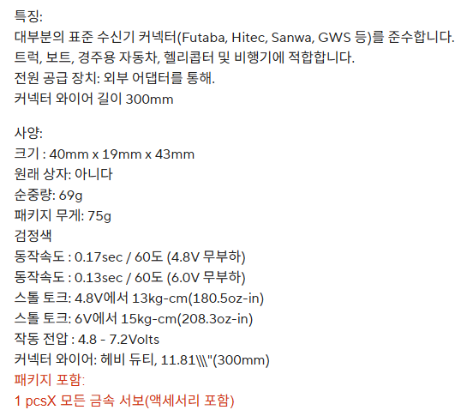
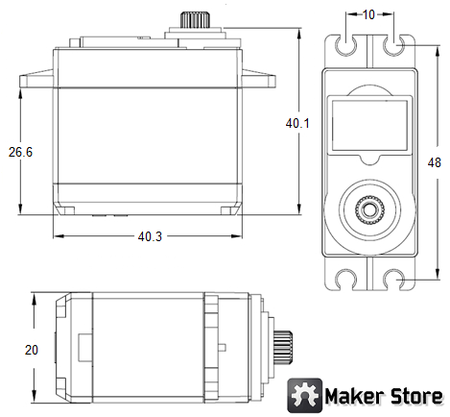
MG006R | https://ko.aliexpress.com/item/1005002990973782.html?spm=a2g0o.productlist.main.6.55da48eeQHHT3U&algo_pvid=c2d7e9bf-7145-4602-851a-19e49bbe3913&algo_exp_id=c2d7e9bf-7145-4602-851a-19e49bbe3913-5&pdp_ext_f=%7B%22order%22%3A%222062%22%2C%22eval%22%3A%221%22%2C%22fromPage%22%3A%22search%22%7D&pdp_npi=6%40dis%21KRW%213240%213240%21%21%212.03%212.03%21%4021015b7d17808748439956469e4a44%2112000023101492318%21sea%21KR%21756388579%21XZ%211%210%21n_tag%3A-29919%3Bd%3A4385f524%3Bm03_new_user%3A-29895&curPageLogUid=bbXZzcccW2A5&utparam-url=scene%3Asearch%7Cquery_from%3A%7Cx_object_id%3A1005002990973782%7C_p_origin_prod%3A | 3,200 | TowerPro Clone

PDI-HV5523MG | https://ko.aliexpress.com/item/1005008107803189.html?spm=a2g0o.productlist.main.2.2b23bwZubwZuss&algo_pvid=72d75ae4-8e2c-4e17-8052-ed7a5c0cf505&algo_exp_id=72d75ae4-8e2c-4e17-8052-ed7a5c0cf505-1&pdp_ext_f=%7B%22order%22%3A%2222%22%2C%22eval%22%3A%221%22%2C%22fromPage%22%3A%22search%22%7D&pdp_npi=6%40dis%21KRW%2116800%2116800%21%21%2171.40%2171.40%21%40213ba0c517808749981593087e6730%2112000043798948761%21sea%21KR%21756388579%21X%211%210%21n_tag%3A-29919%3Bd%3A4385f524%3Bm03_new_user%3A-29895&curPageLogUid=hXQj4rC2i3ht&utparam-url=scene%3Asearch%7Cquery_from%3A%7Cx_object_id%3A1005008107803189%7C_p_origin_prod%3A | 16,000 | X Servo
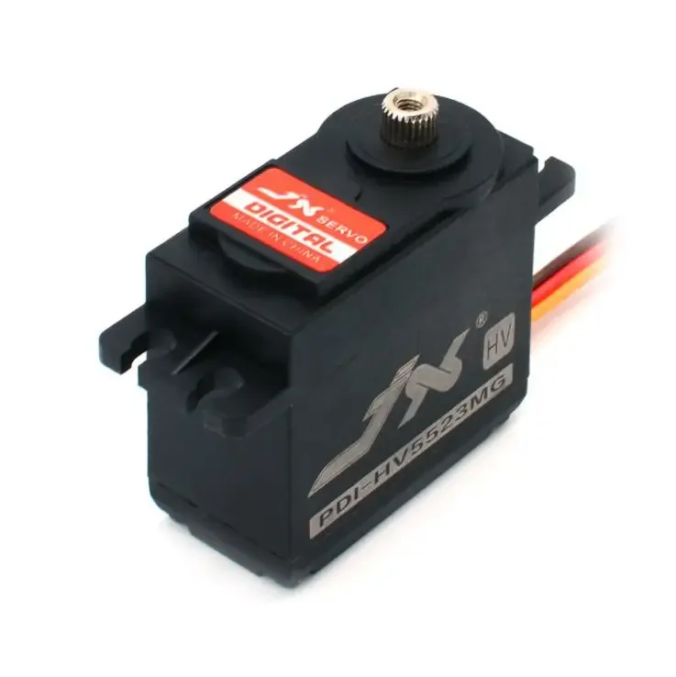
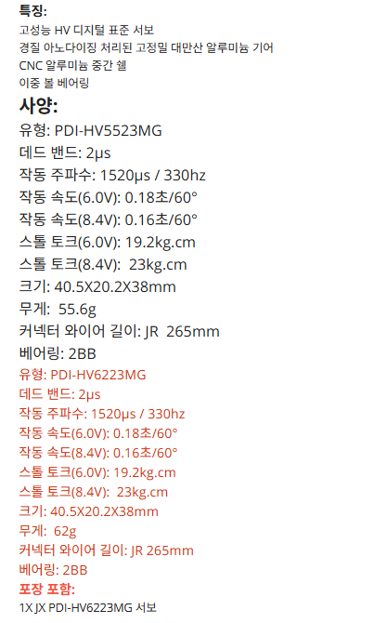
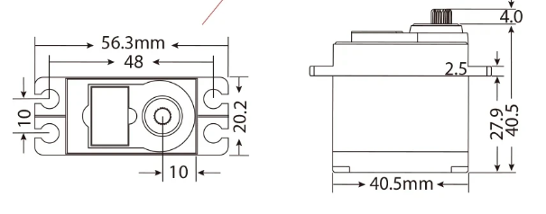

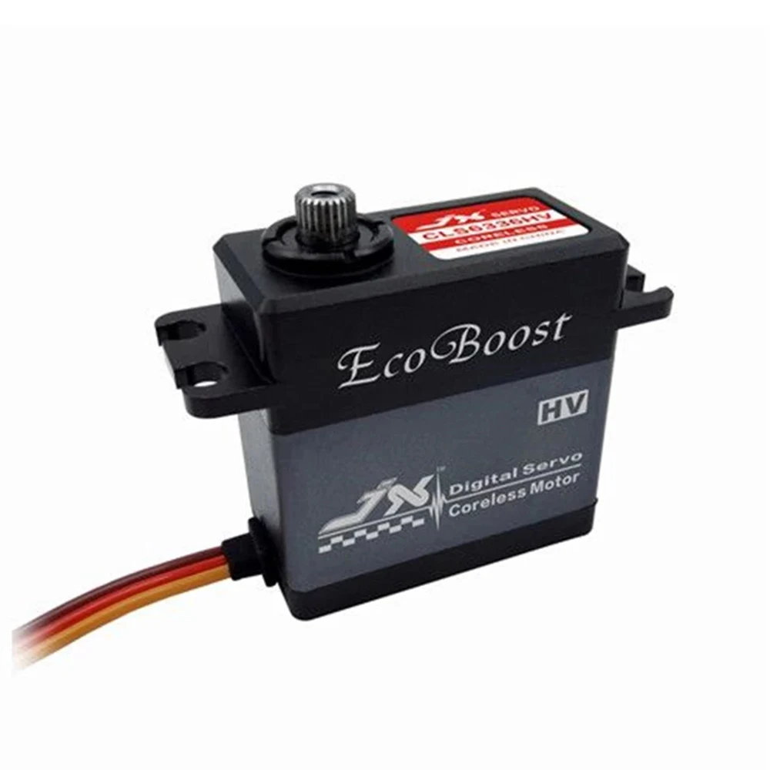
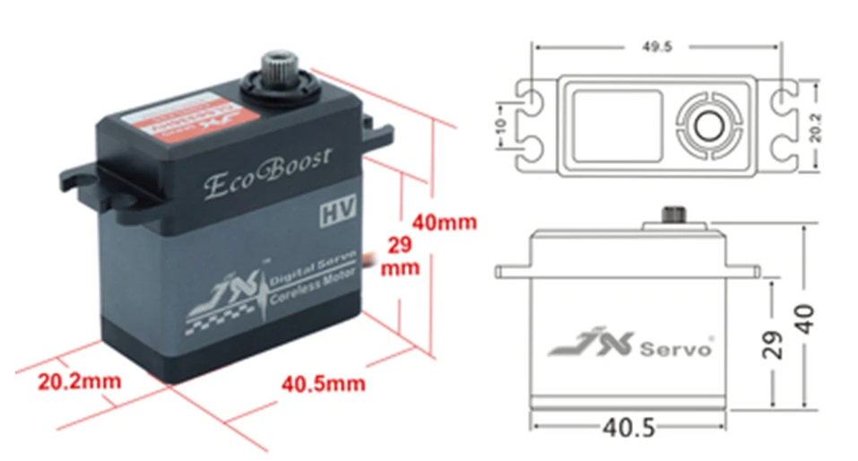
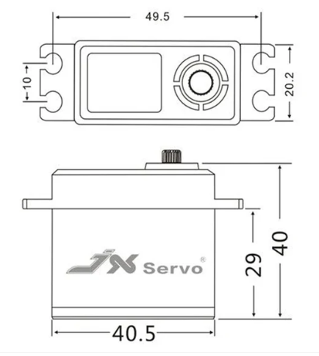
CLS6336HV | https://ko.aliexpress.com/item/1005008592452283.html?spm=a2g0o.productlist.main.1.4808hFr5hFr5gJ&algo_pvid=02e1e3b9-27ba-44a5-ae99-328431a67335&algo_exp_id=02e1e3b9-27ba-44a5-ae99-328431a67335-0&pdp_ext_f=%7B%22order%22%3A%2237%22%2C%22eval%22%3A%221%22%2C%22fromPage%22%3A%22search%22%7D&pdp_npi=6%40dis%21KRW%2151158%2148600%21%21%21217.42%21206.55%21%40213ba8cc17808753204796544ef6af%2112000045865520418%21sea%21KR%21756388579%21X%211%210%21n_tag%3A-29919%3Bd%3A4385f524%3Bm03_new_user%3A-29895&curPageLogUid=QGvcBd4OcK7K&utparam-url=scene%3Asearch%7Cquery_from%3A%7Cx_object_id%3A1005008592452283%7C_p_origin_prod%3A | 49,000 | JX Servo
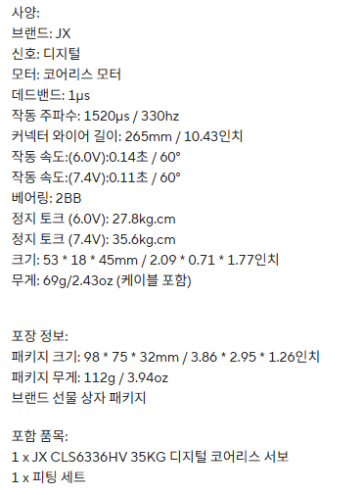

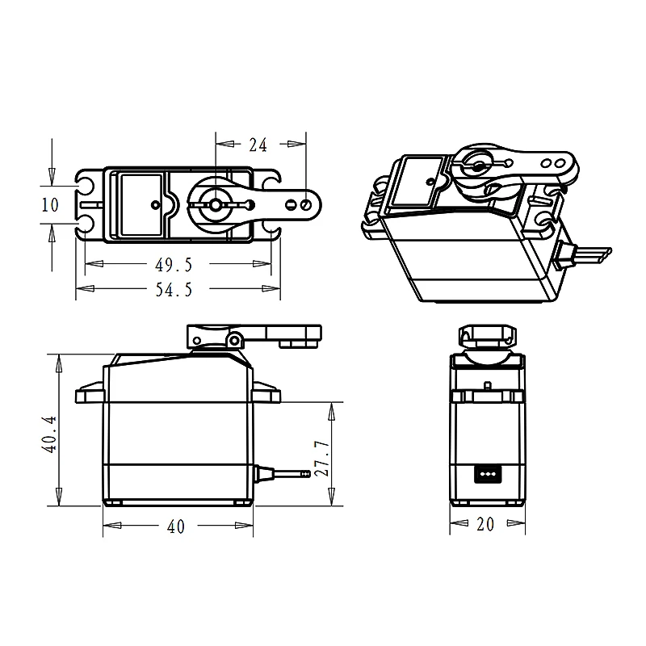

DS3230 Pro | https://ko.aliexpress.com/item/1005007822346908.html?spm=a2g0o.productlist.main.4.20a12c9bkVK274&algo_pvid=39b2ac33-e3f5-40bd-8ff8-048a732fb7a5&algo_exp_id=39b2ac33-e3f5-40bd-8ff8-048a732fb7a5-3&pdp_ext_f=%7B%22order%22%3A%228979%22%2C%22eval%22%3A%221%22%2C%22orig_sl_item_id%22%3A%221005007822346908%22%2C%22orig_item_id%22%3A%221005006896092860%22%2C%22fromPage%22%3A%22search%22%7D&pdp_npi=6%40dis%21KRW%21109792%2152700%21%21%21466.61%21223.97%21%402140f54217808729018524933ec560%2112000042332045006%21sea%21KR%21756388579%21X%211%210%21n_tag%3A-29919%3Bd%3A4385f524%3Bm03_new_user%3A-29895&curPageLogUid=O47Tis4WFcJp&utparam-url=scene%3Asearch%7Cquery_from%3A%7Cx_object_id%3A1005007822346908%7C_p_origin_prod%3A1005006896092860 | 15,000 | DSServo
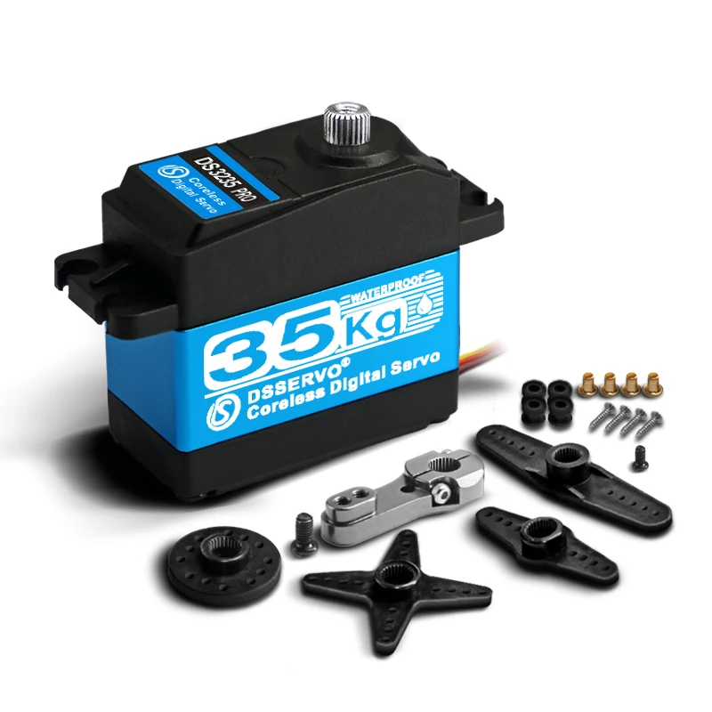

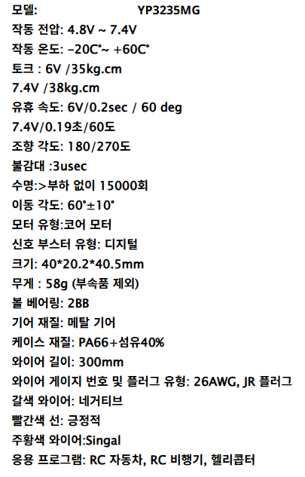
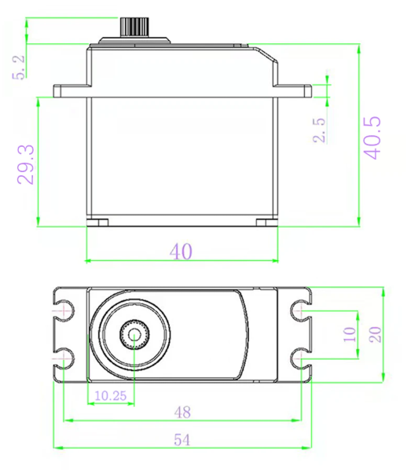
YP3235MG | https://ko.aliexpress.com/item/1005004279557119.html?spm=a2g0o.productlist.main.4.20a12c9bkVK274&aem_p4p_detail=202606071532415389133571697440002306878&algo_pvid=9d64f376-6e15-4b08-8300-183aadb75919&algo_exp_id=9d64f376-6e15-4b08-8300-183aadb75919-3&pdp_ext_f=%7B%22order%22%3A%22259%22%2C%22eval%22%3A%221%22%2C%22fromPage%22%3A%22search%22%7D&pdp_npi=6%40dis%21KRW%2131885%2119450%21%21%21135.51%2182.66%21%4021015b7d17808715611691054e4a47%2112000029713205184%21sea%21KR%21756388579%21X%211%210%21n_tag%3A-29919%3Bd%3A4385f524%3Bm03_new_user%3A-29895&curPageLogUid=sbzppTBFPjic&utparam-url=scene%3Asearch%7Cquery_from%3A%7Cx_object_id%3A1005004279557119%7C_p_origin_prod%3A&search_p4p_id=202606071532415389133571697440002306878_1 | 28,000 | QYRC Servo

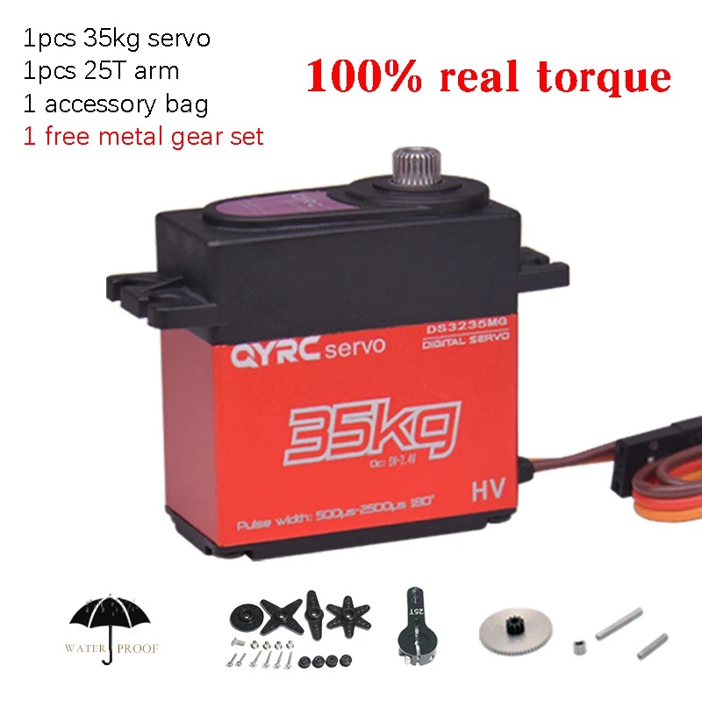

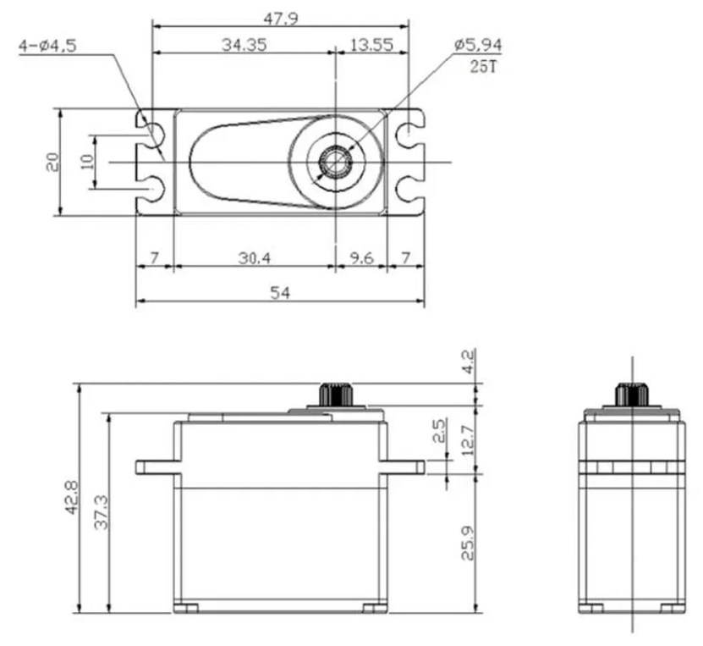
YPinervo | https://ko.aliexpress.com/item/1005010228874344.html?spm=a2g0o.productlist.main.10.20a12c9bkVK274&algo_pvid=9d64f376-6e15-4b08-8300-183aadb75919&algo_exp_id=9d64f376-6e15-4b08-8300-183aadb75919-9&pdp_ext_f=%7B%22order%22%3A%221178%22%2C%22eval%22%3A%221%22%2C%22orig_sl_item_id%22%3A%221005010228874344%22%2C%22orig_item_id%22%3A%221005008215721253%22%2C%22fromPage%22%3A%22search%22%7D&pdp_npi=6%40dis%21KRW%2143958%2121100%21%21%21186.82%2189.68%21%4021015b7d17808715611691054e4a47%2112000051607031822%21sea%21KR%21756388579%21X%211%210%21n_tag%3A-29919%3Bd%3A4385f524%3Bm03_new_user%3A-29895&curPageLogUid=DhHztsjP1u1B&utparam-url=scene%3Asearch%7Cquery_from%3A%7Cx_object_id%3A1005010228874344%7C_p_origin_prod%3A1005008215721253 | 21,000 | GXServo
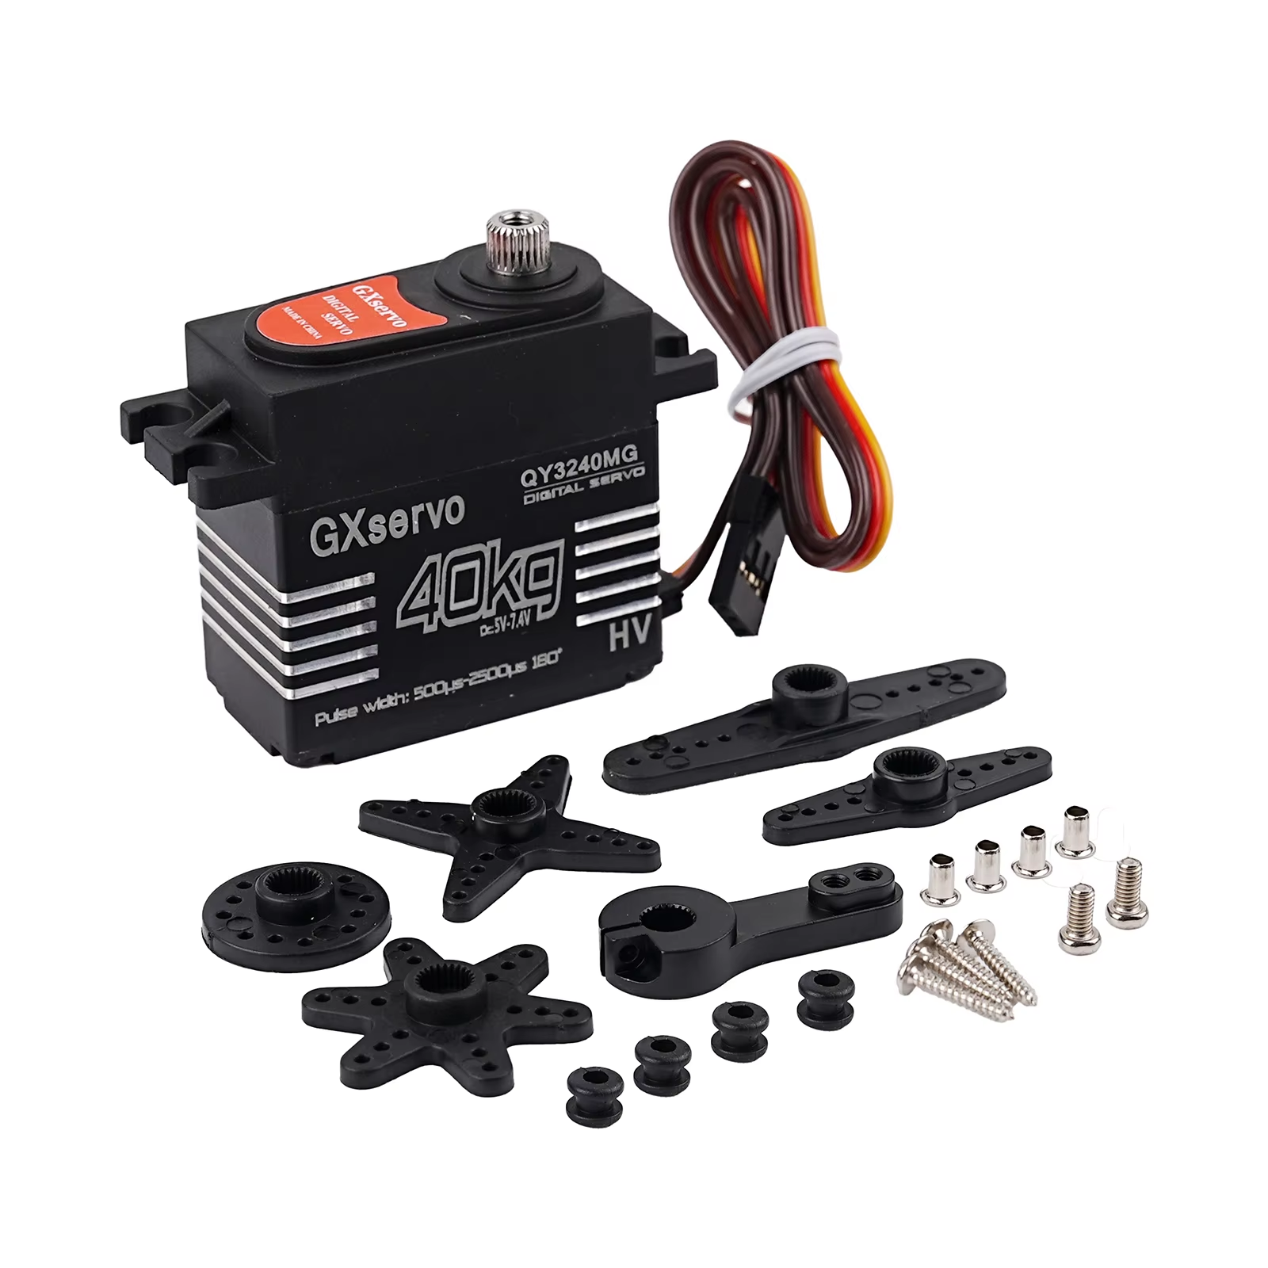
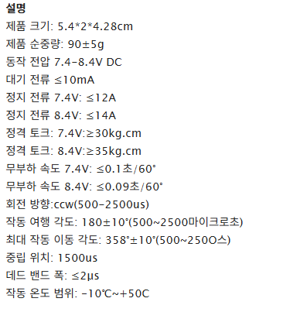

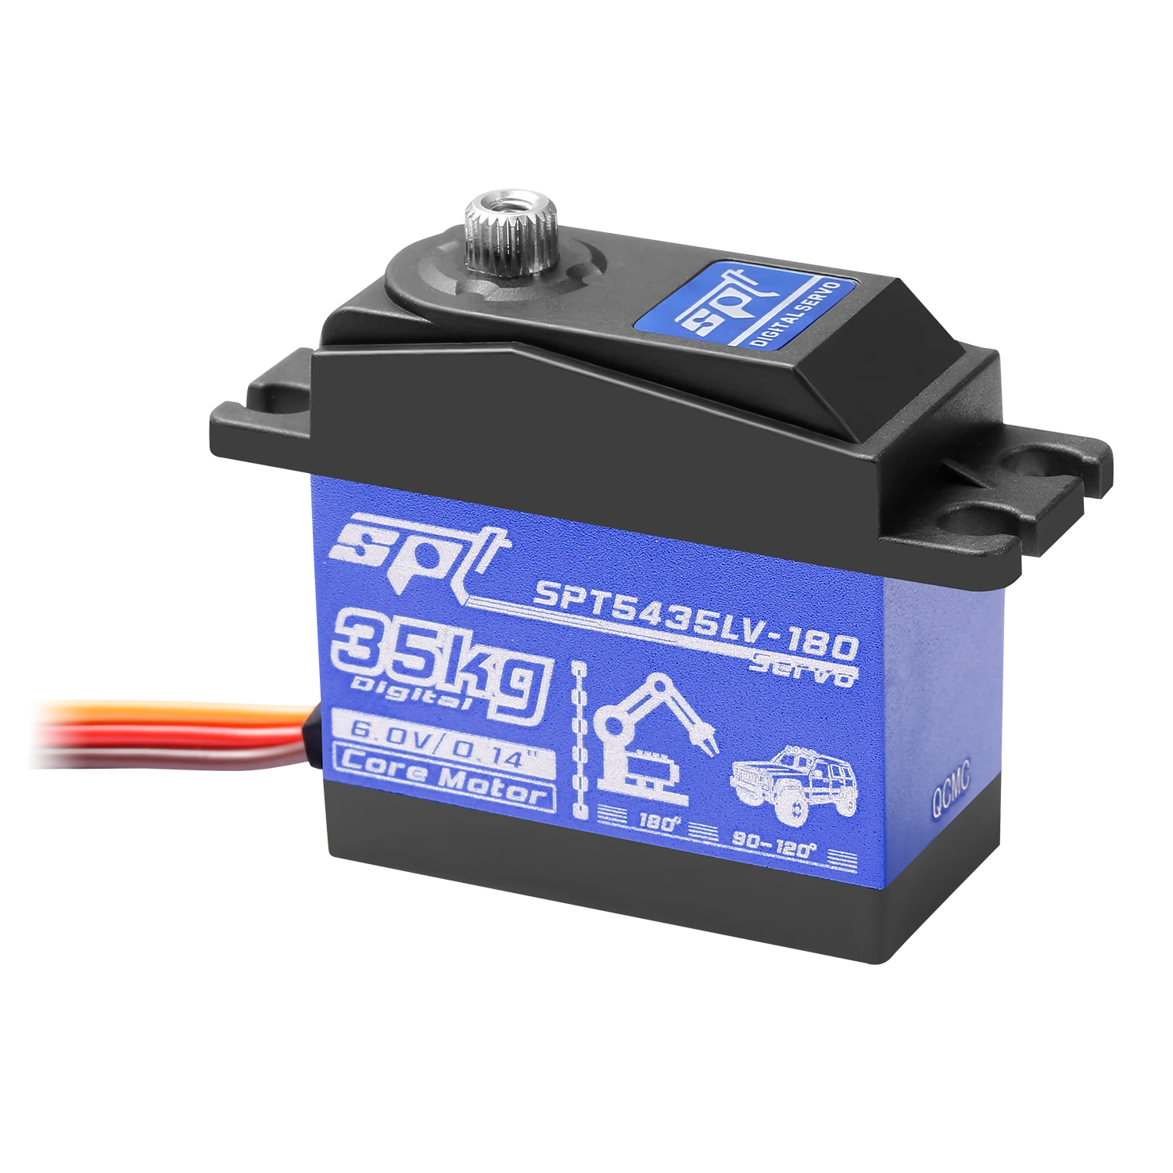
SPT5435LV-180 | https://ko.aliexpress.com/item/1005006127934062.html?spm=a2g0o.productlist.main.21.55da48eeQHHT3U&algo_pvid=d95fa257-a50d-4c5e-b740-20d21fc1412b&algo_exp_id=d95fa257-a50d-4c5e-b740-20d21fc1412b-20&pdp_ext_f=%7B%22order%22%3A%221533%22%2C%22spu_best_type%22%3A%22price%22%2C%22eval%22%3A%221%22%2C%22fromPage%22%3A%22search%22%7D&pdp_npi=6%40dis%21KRW%2165152%2121500%21%21%21276.89%2191.37%21%40210141f717808736169574575ec195%2112000044840977422%21sea%21KR%21756388579%21X%211%210%21n_tag%3A-29919%3Bd%3A4385f524%3Bm03_new_user%3A-29895&curPageLogUid=t3AJmXcbDvuq&utparam-url=scene%3Asearch%7Cquery_from%3A%7Cx_object_id%3A1005006127934062%7C_p_origin_prod%3A | 25,000 | SPT Servo
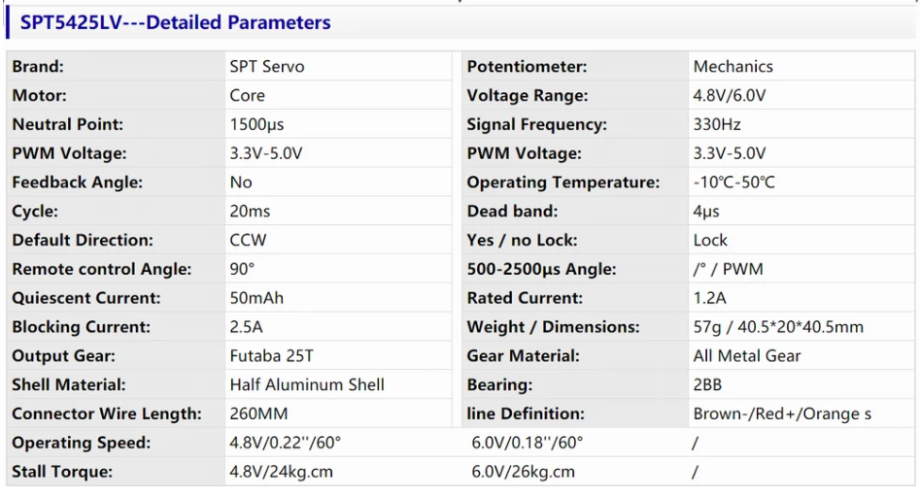
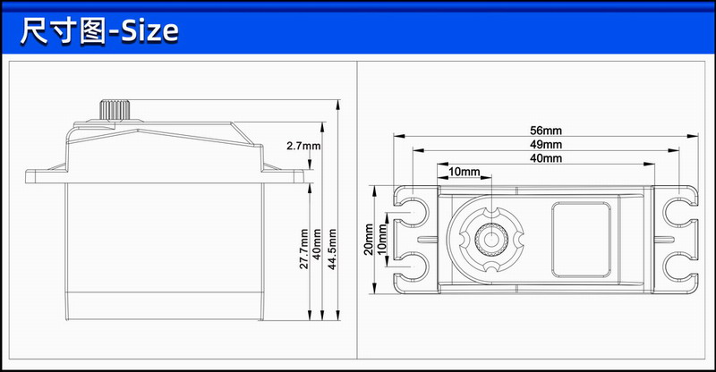

TD8135MG | https://ko.aliexpress.com/item/1005007797544514.html?spm=a2g0o.productlist.main.1.4c2c65392bmy1p&algo_pvid=6c86781d-225c-49e4-a76a-102c9e91e5c6&algo_exp_id=6c86781d-225c-49e4-a76a-102c9e91e5c6-0&pdp_ext_f=%7B%22order%22%3A%2224%22%2C%22eval%22%3A%221%22%2C%22fromPage%22%3A%22search%22%7D&pdp_npi=6%40dis%21KRW%2173636%2124300%21%21%21313.17%21103.35%21%40210123bc17809330126597756ec6ac%2112000042236798872%21sea%21KR%21756388579%21X%211%210%21n_tag%3A-29919%3Bd%3A4385f524%3Bm03_new_user%3A-29895&curPageLogUid=oLU1fdQXGdk3&utparam-url=scene%3Asearch%7Cquery_from%3A%7Cx_object_id%3A1005007797544514%7C_p_origin_prod%3A | 25,000 | READYTOSKY, DIYmall

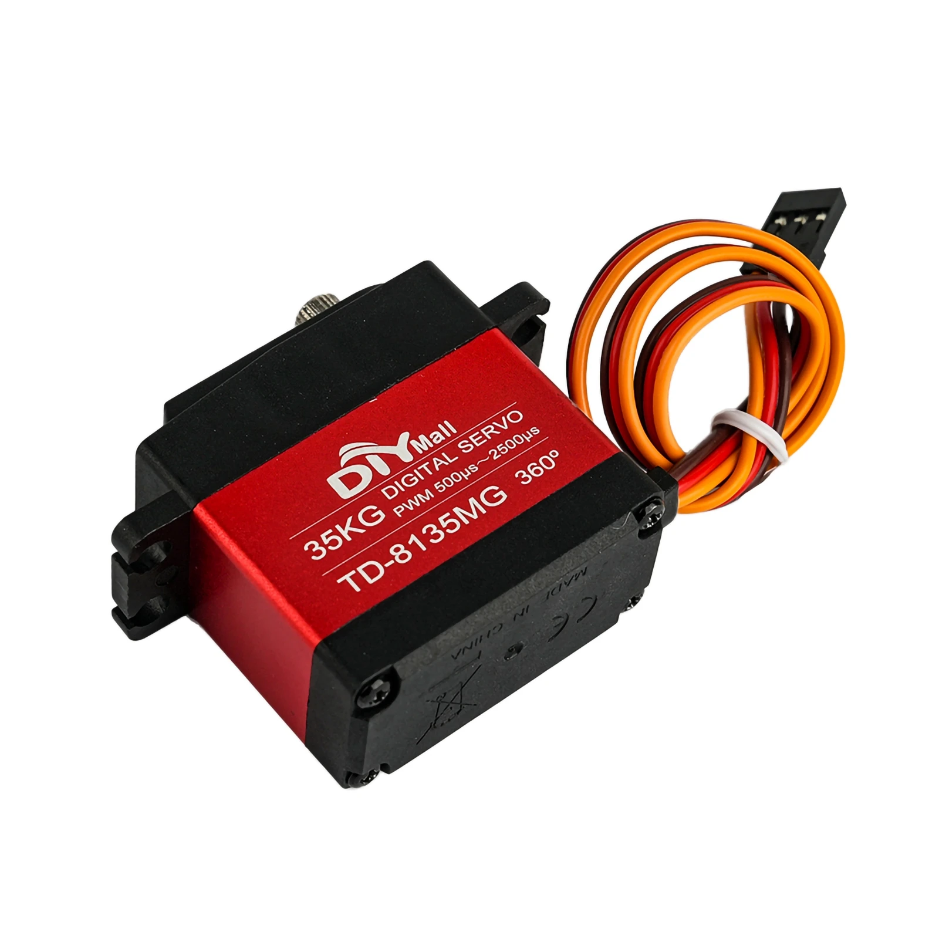
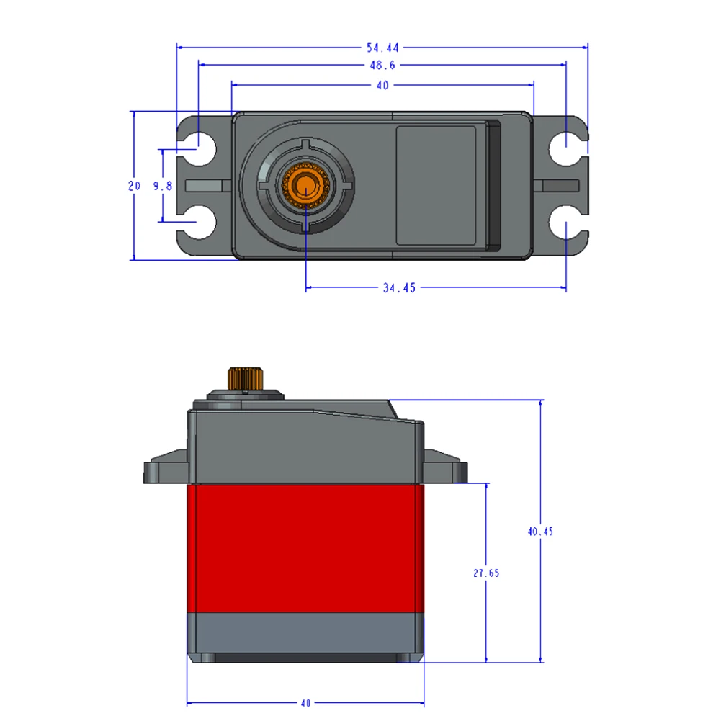
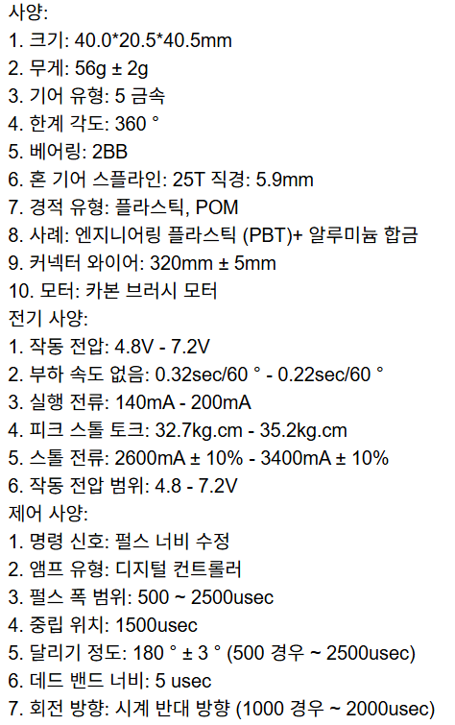

도면 비교

 | MG006R | 3,200 |  |  | CLS6336HV |  | 49,000

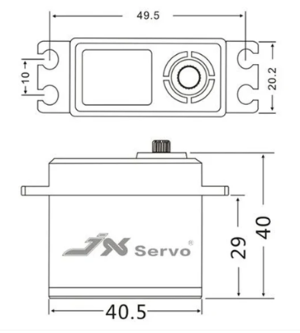

 | PDI-HV5523MG | 16,000 |  |  |  | DS3230 | 15,000

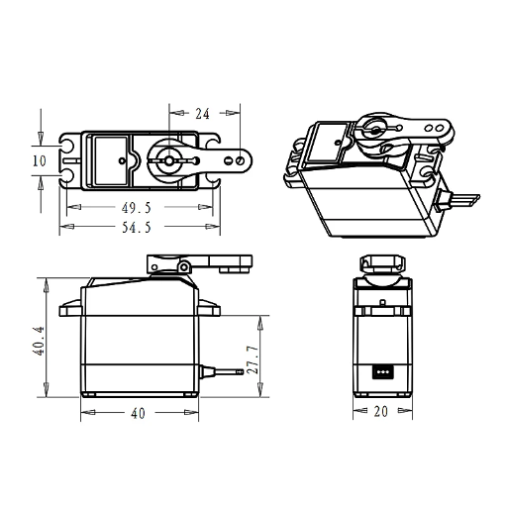

 | YP3235MG | 21,000 |  | SPT5435LV-180 | 25,000




 | TD8120MG | 22,000

 | YP3235MG | 28,000
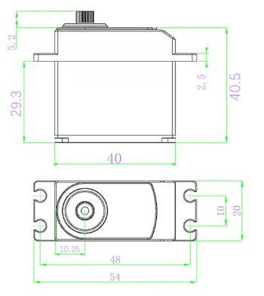

서보 혼 비교

 | MG996R | CLS6336HV |  | CLS6336HV > MG996R 30mm

연결도
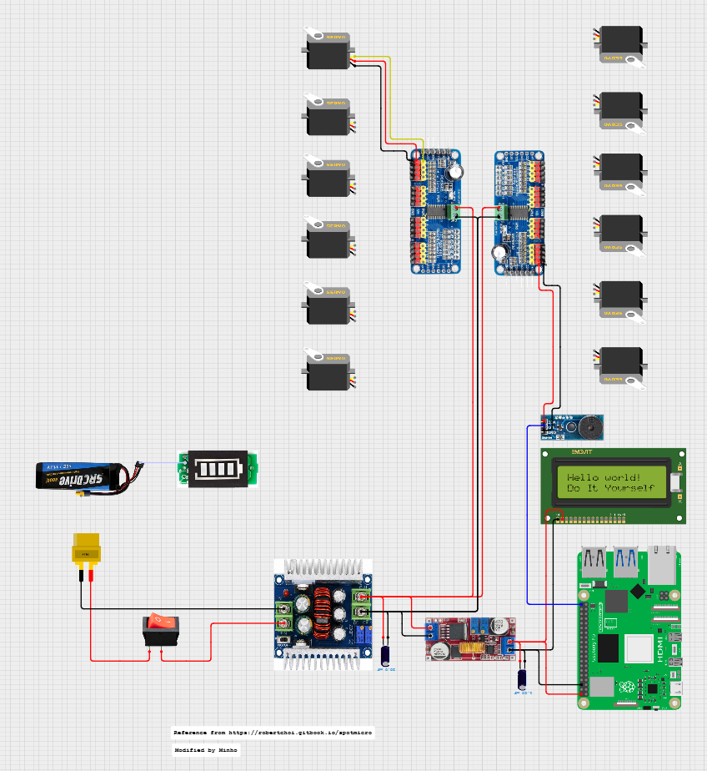
SpotMicro 하루에 입문하기 - Robert Choi
https://robertchoi.gitbook.io/spotmicro/undefined-1
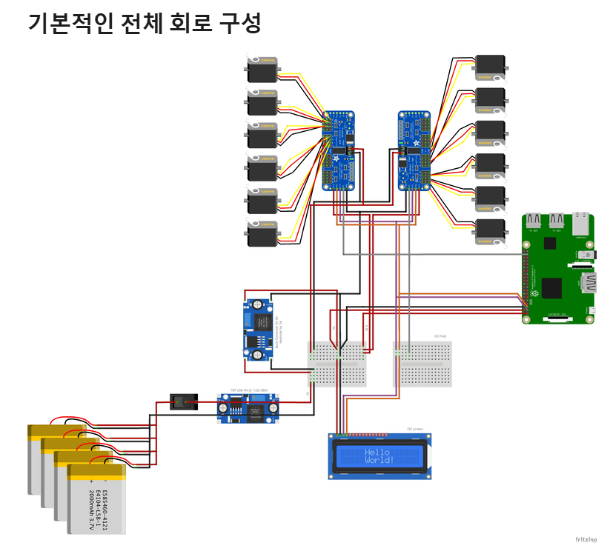

https://app.cirkitdesigner.com/project/831f0835-5052-4e85-9442-0e19f2be4248

